BTS7xxx-1EPP
PROFET+2 EPP single channel

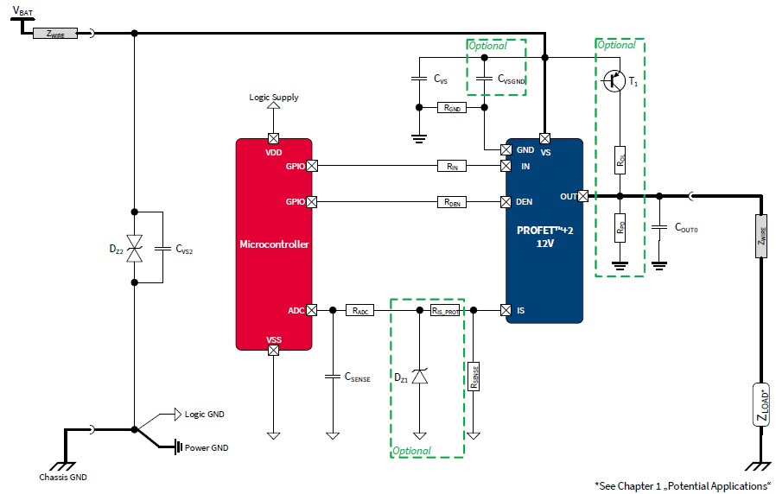
 | Application Topics | Application Topics Description | HW- Recommendation (standard) | Further application specific background information | Layout Recommendation

Pin Number | Pin Name | Pin Description | HW- Recommendation (standard) |  | Layout Recommendation
EP | VS (Exposed Pad) | Power Supply (Battery Voltage) | IFX recommendation: Supply capacitor C_VS = 100nF to filter voltage spikes on the battery line. To reduce RF emission, improve RF immunity and protect during ESD and BCI events. Optional: C_VSGND = 47nF should be designed as placeholder on the layout. This is an additional buffer cap for fast transients. | Please mind the high current flowing at Vs; use PCB area style connection instead of trace style connection. CVSGND: If the short circuit tests with undervoltage at the module have been performed and everything was okay, no oscillations, no retries, CVSGND is not needed. For more details info packages can be found in the Smart7 folder on the community share. | Minimize loop impedance Vs-C_Vs-GND by placing C_Vs as close as possible to the exposed pad, use PCB area connection for solder pads of C_Vs instead of trace type connection, use min 2 vias to connect C_Vs to PCB GND layer. Placeholder for CVSGND on the PCB layout recommended.
1 | GND | Ground | IFX recommendation: Ground Resistor (RGND) of 47 Ohm. For protection in case of overvoltage and loss of battery while driving inductive loads. | All EMC tests including ISO pulses have been performed with 47 Ohm. For higher GND resistance, problem at inverse current was observed (GND shift), causing the device to stay off / turn off at inverse current condition.
2 | IN0 | Input channel 0 | IFX recommendation: Series resistor (R_IN) of 4,7 kOhm If not used: Connect with a 10 kOhm resistor to GND pin or to module ground. | The resistors are there to limit the current through pins in case of ISO pulses or Reverse Battery, 10k as well okay. Use µC to actively pull down input pin for OFF state, to increase RF immunity. For limp home circuitry overriding uC signal, split 4.7kOhm into 2x 2.2kOhm resistors and apply limp home signal in-between. Do not apply limp home signal directly to any digital input pin (IN, INx, DEN, DSEL). Equivalent resistance of circuitry connected to digital pin in the range of 2k2 - 10k. | Place resistor as close as possible to BTS input pin, to minimize parasitic cap on input pin.
3 | DEN | Diagnostic Enable (High active). Digital signal to enable device diagnosis and to clear the protection counter of selected channel. | IFX recommendation: Series resistor (RDEN) of 4,7 kOhm If not used: Connect with a 10 kOhm resistor to GND pin or to module ground. | The resistors are there to limit the current through pins in case of ISO pulses or Reverse Battery, 10k as well okay. Use µC to actively pull down input pin for OFF state, to increase RF immunity. For limp home circuitry overriding uC signal, split 4.7kOhm into 2x 2.2kOhm resistors and apply limp home signal in-between. Do not apply limp home signal directly to any digital input pin (IN, INx, DEN, DSEL). Equivalent resistance of circuitry connected to digital pin in the range of 2k2 - 10k. | Place resistor as close as possible to BTS input pin, to minimize parasitic cap on input pin.
4 | IS | Current sense output | IFX recommendation: RADC = 4,7 kOhm. To protect the µC ADC input during overvoltage, reverse polarity and loss of ground. Csense = 220 pF for sense signal filtering. DZ1 = 7V Z-diode to protect the µC input during overvoltage. RIS_Prot = 4,7 kOhm. For protection during overvoltage, reverse polarity and loss of ground. RSense = 1,2 kOhm. Minimum 820 Ohm to limit the power losses in the sense circuitry, application specific. If not used: Left open. | The RC filter (RADC * Csense) should have a time constant > 1µs. Rsense value: Select value and tolerance out of E-x resistor series, calculation with kILIS Tool. The max. diagnoseable load current must be at the max. ADC voltage (usually 5V) to use full dynamic current sense range. | For better EMC robustness of sense current trace, R_IS_prot should be placed close to IS pin; RAD and Csense should be placed close ot uC pin.
5 | n.c. | Not connected, internally not bonded | IFX recommendation: Solder n.c. pin to pcb to ensure mechanical stability. | The n.c. pins are inernally not bonded, there is no conductive connection inside the device. If it makes sense (family concept) the n.c. pin can be connected as well to VS, IS or GND. | Pinout compatibility: See the pinout for different family variants on right top of this page. 4-channel is not considered because not pin compatible.
6 | n.c. | Not connected, internally not bonded
7 | n.c. | Not connected, internally not bonded
8 | OUT | Output | IFX recommendation: Output capacitor C_OUTx of 10 nF to protect the output during ESD and BCI events. All output pins of the channel must be connected together on the PCB. All pins of the output are internally connected together. PCB traces have to be designed to withstand the maximum current which can flow. | Pull-up resistor (ROL) of 10 kOhm recommended to enable open load detection at OFF state. Switch off pull-up path to reduce standby current. Pull-down resistor (RPD) of 220 kOhm recommended to be able to distinguish open load from short to battery in OFF state. Data sheet recommendation: ROL = 1,5 kOhm and RPD = 47 kOhm as well possible but higher power losses in ROL (161mW@16V). Important is that VDS will be below VDS(OLOFF) typ. 1,8V then the current IIS(OLOFF) will be shown at the current sense which indicates OL@OFF. Calculation example for Vbat = 12V -> 12V*1,5k/ (1,5k+47k) = 0.3V -> Below 1,8V -> okay Place not the same cap on VS pin and Out Pin (e.g. 47nF) because of possible oscillation circuit. | Please mind the high current flowing at OUT; use PCB area style connection instead of trace style connection. Minimize loop impedance OUT-C_OUT-GND by placing C_OUT as close as possible to the OUT, use PCB area connection for solder pads of C_OUT instead of trace type connection, use min 2 vias to connect C_OUT to PCB GND layer.
9 | OUT | Output
10 | OUT | Output
11 | n.c. | Not connected, internally not bonded | IFX recommendation: Solder n.c. pin to pcb to ensure mechanical stability. | The n.c. pins are inernally not bonded, there is no conductive connection inside the device. If it makes sense (family concept) the n.c. pin can be connected as well to an OUT.
12 | OUT | Output | IFX recommendation: Output capacitor C_OUTx of 10 nF to protect the output during ESD and BCI events. All output pins of the channel must be connected together on the PCB. All pins of the output are internally connected together. PCB traces have to be designed to withstand the maximum current which can flow. | see pin 8, 9, 10 Connect ALL OUT pins (8, 9, 10, 12, 13, 14) together on PCB.
13 | OUT | Output
14 | OUT | Output

Data sheet:
Data sheets PROFET+2

EMC Reports:
EMC Reports PROFET+2

