1. Title Page
Instacart Grocery Basket Analysis

Project Name: Instacart Grocery Basket Analysis
Date: 19/03/2025
Analyst Name: Luis Alfonso Dominguez Guevara

Contents:
Population Flow
Consistency checks
Wrangling steps
Column derivations
Visualizations
Recommendations

2. Population Flow
Title page

Population flow

Exclusion flag
Condition: max_order < 5
Obervations to be removed: 1441570
Final total count of order_products_all: 30993489

Orders_products_combined
Orders_products_merged
Orders_products_all

Total: 32404859
Total: 32404859
Total: 32435059

1.) The grey boxes in the first row of the population flow represent the original data sets as they were when you downloaded them. In the Total fields you need to add the count of the rows when you imported the data set into Jupyter.
2.) The second row of boxes (coloured) represents the data sets after you manipulated them, e.g., removed missing values and duplicates. In the Total fields you need to add the count of the rows after conducting these operations. This offers a visual oveview of how the data flows throughout the data consistency checks.
3.) The third row, where also the arrows are coloured, represents the merges you performed between the datasets. In the Total fields you need to add the count of the rows in the merged datasets, so that you end up with the final dataset (in the red box). Keep in mind the final dataset should be without exclusions (based on the exclusion flag).

3. Consistency checks
 |  |  |  | Title page
Consistency checks

Dataset | Missing values | Missing values treatment | Duplicates
orders | 206209 | 0 | 0
products | 16 | 16 | 5
orders_products_prior | 29013406 | 29013406 | 0
customers | 11259 | 0 | 0

4. Wrangling steps
 |  |  |  | Title page
Wrangling steps

Columns dropped | Columns renamed | Columns' type changed | Comment/Reason
eval_set | - | - | Unnecessary information
- | order_dow | - | explicit name: orders_day_of_week
- | - | order_id | to 'str'
- | order_hour_of_day | - | explicit name: Placing_orders_time
_merge | - | - | No need
merge_flag | - | - | No need

5. Column derivations
 |  |  |  | Title page

Column derivations and aggregations

In this tab you should add tables below that the frequences of flags/label variables that you produced after deriving them. NB: don't do this for continuous variables, only for flags.
Dataset | New column | Column/s it was derived from | Conditions
ords_prods_merge | max_order | user_id, order_number | max
ords_prods_merge | Loyalty_flag | max_order | >,<,=
ords_prods_customers | Spending_flag | prices | >,<,=
ords_prods_customers | Frequency_flag | prices | >,<,=

6. Visualizations
 |  | Title page

Visualisations

In this tab you should include all the visualtions from Exercises 4.9 and 4.10, alongside the questions from the project brief that they answer. Include any commentary on the relationship between different variables.

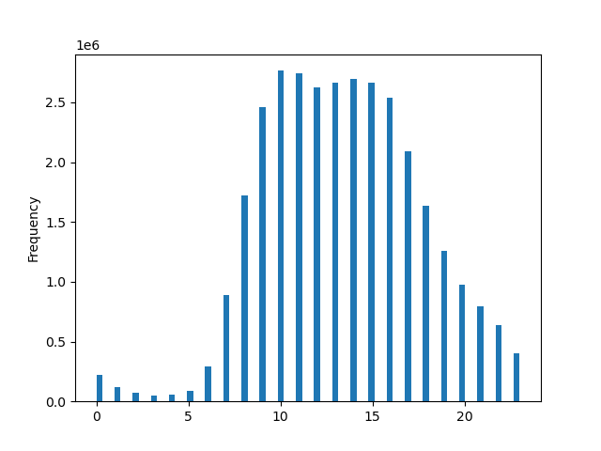

The sales team needs to know what the busiest days of the week and hours of the day are (i.e., the days and times with the most orders) in order to schedule ads at times when there are fewer orders.
10:00:00 Saturdays and Fridays
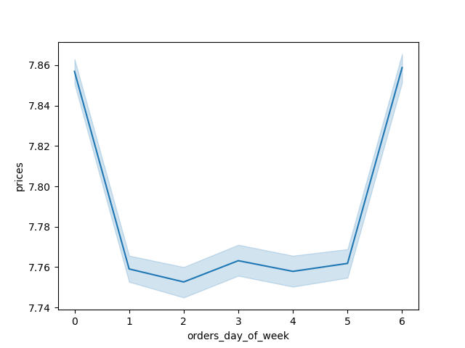

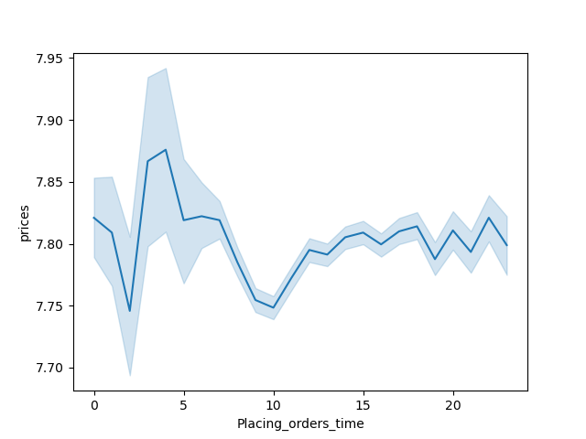

They also want to know whether there are particular times of the day when people spend the most money, as this might inform the type of products they advertise at these times.
Between 3 am and 4 am

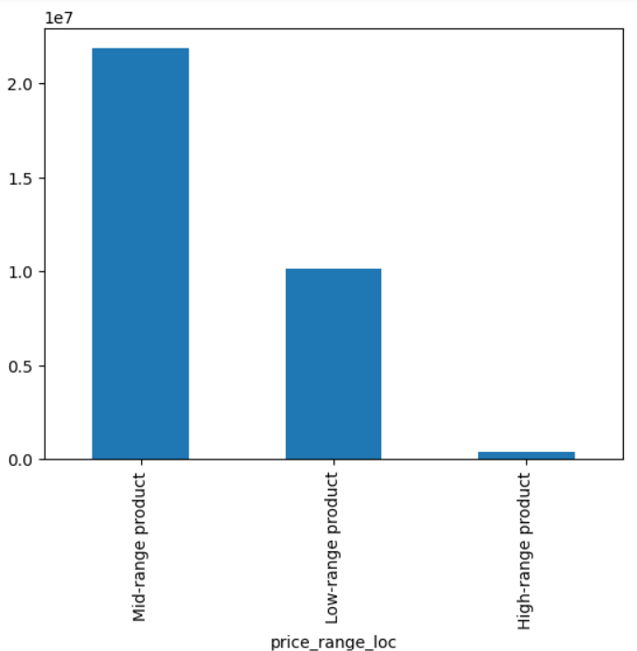

Instacart has a lot of products with different price tags. Marketing and sales want to use simpler price range groupings to help direct their efforts.
Mid-range product are the most sold.

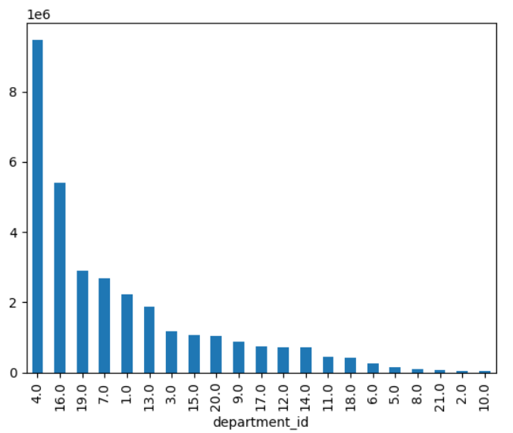

Are there certain types of products that are more popular than others? The marketing and sales teams want to know which departments have the highest frequency of product orders.
4.- Produce, 16.- Dairy eggs, 19.- Snacks

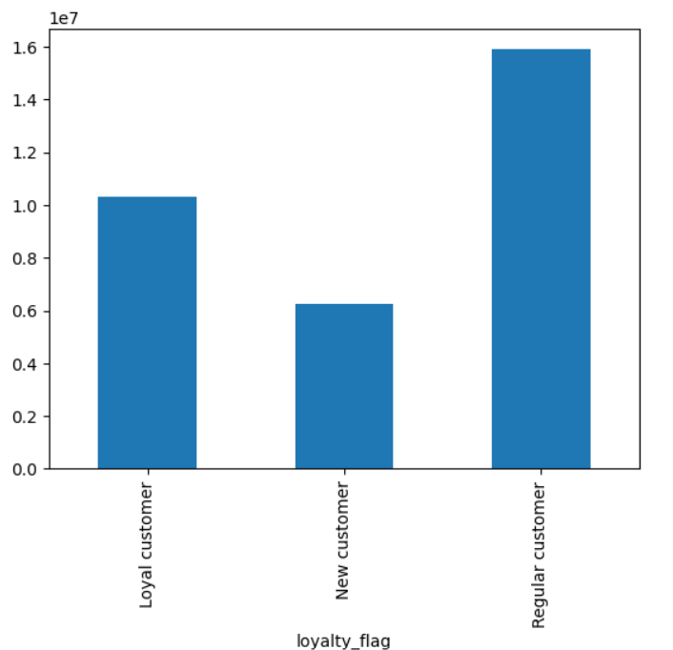

What’s the distribution among users in regards to their brand loyalty (i.e., how often do they return to Instacart)?
Regular Customer represent 1.6e7 of customers, Loyal customers represent 1.0 1e7, New Customer represent 0.6 1e7 of customers.

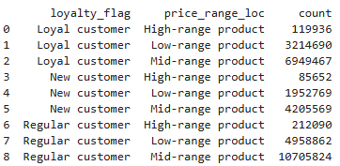
Are there differences in ordering habits based on a customer’s loyalty status?



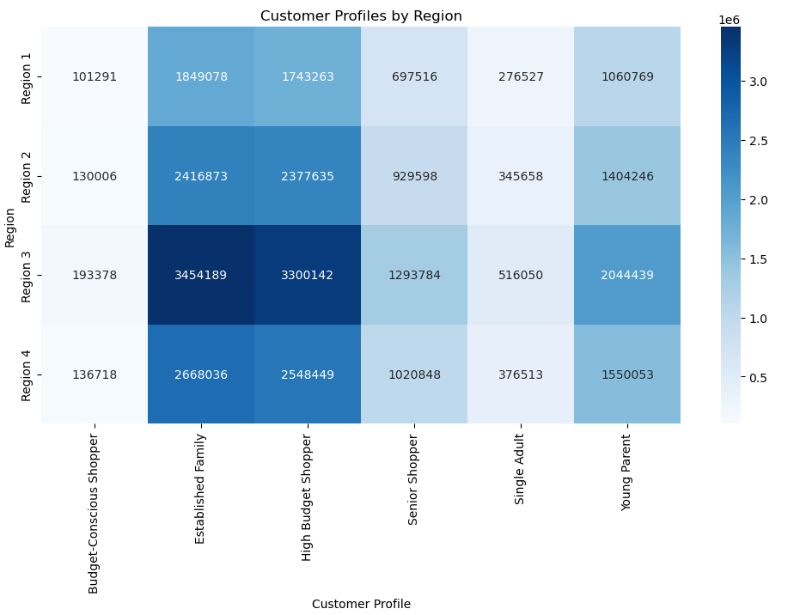
 | Are there differences in ordering habits based on a customer’s region?

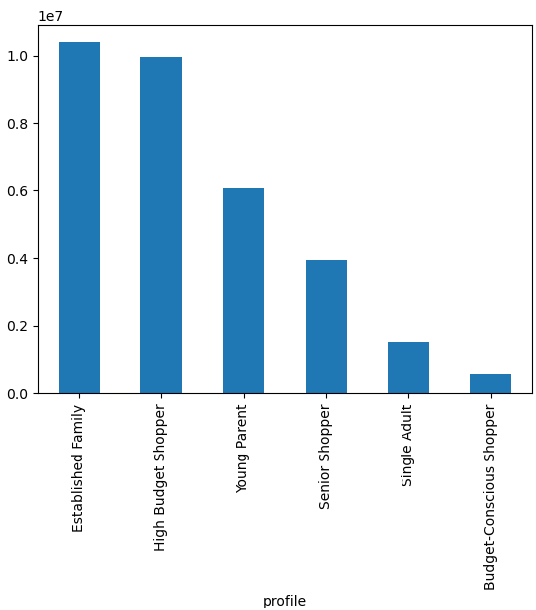

 | Is there a connection between age and family status in terms of ordering habits?

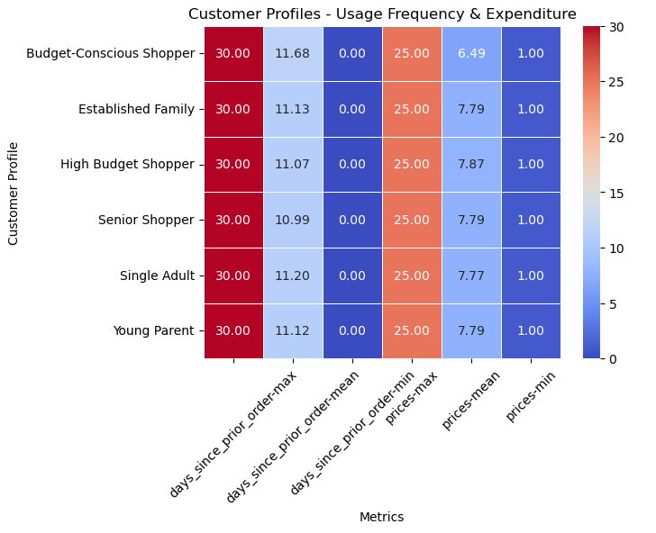
 | What different classifications does the demographic information suggest? Age? Income? Certain types of goods? Family status?

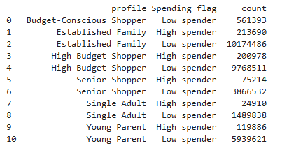
 | What differences can you find in ordering habits of different customer profiles? Consider the price of orders, the frequency of orders, the products customers are ordering, and anything else you can think of.

7. Recommendations
 |  | Title page

Recommendations

In this tab you should include any recommendations you would made to Instcart in terms of their marketing strategy based on the questions posed in the brief. Every key question has been covered in the Tasks of the Exercises - here you need to add an item - a visualisation or table/crosstable that is showing the answer in the data, acompanied by a comment from you. Please, list the questions below and add the answer underneath.

Question | Answer
Key Question 1
The sales team needs to know what the busiest days of the week and hours of the day are (i.e., the days and times with the most orders) in order to schedule ads at times when there are fewer orders
The sales team should schedule ads from 12 to 5 am, from Sunday to Thursday.

Key Question 2
They also want to know whether there are particular times of the day when people spend the most money, as this might inform the type of products they advertise at these times.
Between 3 and 4 am people spend the most.

Key Question 3
Instacart has a lot of products with different price tags. Marketing and sales want to use simpler price range groupings to help direct their efforts.
Marketing should direct their efforts in the High-range products

Key Question 4
Are there certain types of products that are more popular than others? The marketing and sales teams want to know which departments have the highest frequency of product orders.
4.- Produce, 16.- Dairy eggs, 19.- Snacks are the departments with the highest frequency of product orders.

Key Question 5
What’s the distribution among users in regards to their brand loyalty (i.e., how often do they return to Instacart)?
50% of their customers are regular, 31.25% are Loyal, and 18.75% are New Customers.

Key Question 6
Are there differences in ordering habits based on a customer’s loyalty status?
The Mid Range products are the most sold, and the High range prodcust are the less sold on the three different categories (loyal, new, and regular customers)

Key Question 7
Are there differences in ordering habits based on a customer’s region?
Region 3 spends the most, Region 1 spends the less.

Key Question 8
Ist here aconnection between age and family status in terms of ordering habits?
Yes, Established Family customers spend the most, and Customers with a conscious budget spend the less.

Key Question 9
What different classifications does the demographic information suggest? Age? Income? Certain types of goods? Family status?
Basically we should target the ads on customers with the following profiles: Senior Shopper, Single Adult and Young Parents, (are the ones that spend the less)
As well we should push to sell more on Regions: 1, and 2.

Key Question 10
What differences can you find in ordering habits of different customer profiles? Consider the price of orders, the frequency of orders, the products customers are ordering, and anything else you can think of.
Basically, Estblished family customers with a low spender profile are the most active in Instacart.

