Horario
Horario | Horario | Mes | 0:15:00 | 0:30:00 | 0:45:00 | 1:00:00 | 1:15:00 | 1:30:00 | 1:45:00 | 2:00:00 | 2:15:00 | 2:30:00 | 2:45:00 | 3:00:00 | 3:15:00 | 3:30:00 | 3:45:00 | 4:00:00 | 4:15:00 | 4:30:00 | 4:45:00 | 5:00:00 | 5:15:00 | 5:30:00 | 5:45:00 | 6:00:00 | 6:15:00 | 6:30:00 | 6:45:00 | 7:00:00 | 7:15:00 | 7:30:00 | 7:45:00 | 8:00:00 | 8:15:00 | 8:30:00 | 8:45:00 | 9:00:00 | 9:15:00 | 9:30:00 | 9:45:00 | 10:00:00 | 10:15:00 | 10:30:00 | 10:45:00 | 11:00:00 | 11:15:00 | 11:30:00 | 11:45:00 | 12:00:00 | 12:15:00 | 12:30:00 | 12:45:00 | 13:00:00 | 13:15:00 | 13:30:00 | 13:45:00 | 14:00:00 | 14:15:00 | 14:30:00 | 14:45:00 | 15:00:00 | 15:15:00 | 15:30:00 | 15:45:00 | 16:00:00 | 16:15:00 | 16:30:00 | 16:45:00 | 17:00:00 | 17:15:00 | 17:30:00 | 17:45:00 | 18:00:00 | 18:15:00 | 18:30:00 | 18:45:00 | 19:00:00 | 19:15:00 | 19:30:00 | 19:45:00 | 20:00:00 | 20:15:00 | 20:30:00 | 20:45:00 | 21:00:00 | 21:15:00 | 21:30:00 | 21:45:00 | 22:00:00 | 22:15:00 | 22:30:00 | 22:45:00 | 23:00:00 | 23:15:00 | 23:30:00 | 23:45:00 | 0:00:00
0:15:00 | 1:00:00 | Enero | P6 | P6 | P6 | P6 | P6 | P6 | P6 | P6 | P6 | P6 | P6 | P6 | P6 | P6 | P6 | P6 | P6 | P6 | P6 | P6 | P6 | P6 | P6 | P6 | P6 | P6 | P6 | P6 | P6 | P6 | P6 | P6 | P4 | P4 | P4 | P4 | P4 | P4 | P4 | P4 | P3 | P3 | P3 | P3 | P3 | P3 | P3 | P3 | P3 | P3 | P3 | P3 | P3 | P3 | P3 | P3 | P3 | P3 | P3 | P3 | P4 | P4 | P4 | P4 | P4 | P4 | P4 | P4 | P4 | P4 | P4 | P4 | P3 | P3 | P3 | P3 | P3 | P3 | P3 | P3 | P3 | P3 | P3 | P3 | P3 | P3 | P3 | P3 | P4 | P4 | P4 | P4 | P4 | P4 | P4 | P4
0:30:00 | 2:00:00 | Febrero | P6 | P6 | P6 | P6 | P6 | P6 | P6 | P6 | P6 | P6 | P6 | P6 | P6 | P6 | P6 | P6 | P6 | P6 | P6 | P6 | P6 | P6 | P6 | P6 | P6 | P6 | P6 | P6 | P6 | P6 | P6 | P6 | P4 | P4 | P4 | P4 | P4 | P4 | P4 | P4 | P3 | P3 | P3 | P3 | P3 | P3 | P3 | P3 | P3 | P3 | P3 | P3 | P3 | P3 | P3 | P3 | P3 | P3 | P3 | P3 | P4 | P4 | P4 | P4 | P4 | P4 | P4 | P4 | P4 | P4 | P4 | P4 | P3 | P3 | P3 | P3 | P3 | P3 | P3 | P3 | P3 | P3 | P3 | P3 | P3 | P3 | P3 | P3 | P4 | P4 | P4 | P4 | P4 | P4 | P4 | P4
0:45:00 | 3:00:00 | Marzo | P6 | P6 | P6 | P6 | P6 | P6 | P6 | P6 | P6 | P6 | P6 | P6 | P6 | P6 | P6 | P6 | P6 | P6 | P6 | P6 | P6 | P6 | P6 | P6 | P6 | P6 | P6 | P6 | P6 | P6 | P6 | P6 | P5 | P5 | P5 | P5 | P5 | P5 | P5 | P5 | P4 | P4 | P4 | P4 | P4 | P4 | P4 | P4 | P4 | P4 | P4 | P4 | P4 | P4 | P4 | P4 | P4 | P4 | P4 | P4 | P5 | P5 | P5 | P5 | P5 | P5 | P5 | P5 | P5 | P5 | P5 | P5 | P4 | P4 | P4 | P4 | P4 | P4 | P4 | P4 | P4 | P4 | P4 | P4 | P4 | P4 | P4 | P4 | P5 | P5 | P5 | P5 | P5 | P5 | P5 | P5
1:00:00 | 4:00:00 | Abril | P6 | P6 | P6 | P6 | P6 | P6 | P6 | P6 | P6 | P6 | P6 | P6 | P6 | P6 | P6 | P6 | P6 | P6 | P6 | P6 | P6 | P6 | P6 | P6 | P6 | P6 | P6 | P6 | P6 | P6 | P6 | P6 | P5 | P5 | P5 | P5 | P5 | P5 | P5 | P5 | P4 | P4 | P4 | P4 | P4 | P4 | P4 | P4 | P4 | P4 | P4 | P4 | P4 | P4 | P4 | P4 | P4 | P4 | P4 | P4 | P5 | P5 | P5 | P5 | P5 | P5 | P5 | P5 | P5 | P5 | P5 | P5 | P4 | P4 | P4 | P4 | P4 | P4 | P4 | P4 | P4 | P4 | P4 | P4 | P4 | P4 | P4 | P4 | P5 | P5 | P5 | P5 | P5 | P5 | P5 | P5
1:15:00 | 5:00:00 | Mayo | P6 | P6 | P6 | P6 | P6 | P6 | P6 | P6 | P6 | P6 | P6 | P6 | P6 | P6 | P6 | P6 | P6 | P6 | P6 | P6 | P6 | P6 | P6 | P6 | P6 | P6 | P6 | P6 | P6 | P6 | P6 | P6 | P3 | P3 | P3 | P3 | P3 | P3 | P3 | P3 | P2 | P2 | P2 | P2 | P2 | P2 | P2 | P2 | P2 | P2 | P2 | P2 | P2 | P2 | P2 | P2 | P2 | P2 | P2 | P2 | P3 | P3 | P3 | P3 | P3 | P3 | P3 | P3 | P3 | P3 | P3 | P3 | P2 | P2 | P2 | P2 | P2 | P2 | P2 | P2 | P2 | P2 | P2 | P2 | P2 | P2 | P2 | P2 | P3 | P3 | P3 | P3 | P3 | P3 | P3 | P3
1:30:00 | 6:00:00 | Junio | P6 | P6 | P6 | P6 | P6 | P6 | P6 | P6 | P6 | P6 | P6 | P6 | P6 | P6 | P6 | P6 | P6 | P6 | P6 | P6 | P6 | P6 | P6 | P6 | P6 | P6 | P6 | P6 | P6 | P6 | P6 | P6 | P2 | P2 | P2 | P2 | P2 | P2 | P2 | P2 | P1 | P1 | P1 | P1 | P1 | P1 | P1 | P1 | P1 | P1 | P1 | P1 | P1 | P1 | P1 | P1 | P1 | P1 | P1 | P1 | P2 | P2 | P2 | P2 | P2 | P2 | P2 | P2 | P2 | P2 | P2 | P2 | P1 | P1 | P1 | P1 | P1 | P1 | P1 | P1 | P1 | P1 | P1 | P1 | P1 | P1 | P1 | P1 | P2 | P2 | P2 | P2 | P2 | P2 | P2 | P2
1:45:00 | 7:00:00 | Julio | P6 | P6 | P6 | P6 | P6 | P6 | P6 | P6 | P6 | P6 | P6 | P6 | P6 | P6 | P6 | P6 | P6 | P6 | P6 | P6 | P6 | P6 | P6 | P6 | P6 | P6 | P6 | P6 | P6 | P6 | P6 | P6 | P2 | P2 | P2 | P2 | P2 | P2 | P2 | P2 | P1 | P1 | P1 | P1 | P1 | P1 | P1 | P1 | P1 | P1 | P1 | P1 | P1 | P1 | P1 | P1 | P1 | P1 | P1 | P1 | P2 | P2 | P2 | P2 | P2 | P2 | P2 | P2 | P2 | P2 | P2 | P2 | P1 | P1 | P1 | P1 | P1 | P1 | P1 | P1 | P1 | P1 | P1 | P1 | P1 | P1 | P1 | P1 | P2 | P2 | P2 | P2 | P2 | P2 | P2 | P2
2:00:00 | 8:00:00 | Agosto | P6 | P6 | P6 | P6 | P6 | P6 | P6 | P6 | P6 | P6 | P6 | P6 | P6 | P6 | P6 | P6 | P6 | P6 | P6 | P6 | P6 | P6 | P6 | P6 | P6 | P6 | P6 | P6 | P6 | P6 | P6 | P6 | P2 | P2 | P2 | P2 | P2 | P2 | P2 | P2 | P1 | P1 | P1 | P1 | P1 | P1 | P1 | P1 | P1 | P1 | P1 | P1 | P1 | P1 | P1 | P1 | P1 | P1 | P1 | P1 | P2 | P2 | P2 | P2 | P2 | P2 | P2 | P2 | P2 | P2 | P2 | P2 | P1 | P1 | P1 | P1 | P1 | P1 | P1 | P1 | P1 | P1 | P1 | P1 | P1 | P1 | P1 | P1 | P2 | P2 | P2 | P2 | P2 | P2 | P2 | P2
2:15:00 | 9:00:00 | Septiembre | P6 | P6 | P6 | P6 | P6 | P6 | P6 | P6 | P6 | P6 | P6 | P6 | P6 | P6 | P6 | P6 | P6 | P6 | P6 | P6 | P6 | P6 | P6 | P6 | P6 | P6 | P6 | P6 | P6 | P6 | P6 | P6 | P2 | P2 | P2 | P2 | P2 | P2 | P2 | P2 | P1 | P1 | P1 | P1 | P1 | P1 | P1 | P1 | P1 | P1 | P1 | P1 | P1 | P1 | P1 | P1 | P1 | P1 | P1 | P1 | P2 | P2 | P2 | P2 | P2 | P2 | P2 | P2 | P2 | P2 | P2 | P2 | P1 | P1 | P1 | P1 | P1 | P1 | P1 | P1 | P1 | P1 | P1 | P1 | P1 | P1 | P1 | P1 | P2 | P2 | P2 | P2 | P2 | P2 | P2 | P2
2:30:00 | 10:00:00 | Octubre | P6 | P6 | P6 | P6 | P6 | P6 | P6 | P6 | P6 | P6 | P6 | P6 | P6 | P6 | P6 | P6 | P6 | P6 | P6 | P6 | P6 | P6 | P6 | P6 | P6 | P6 | P6 | P6 | P6 | P6 | P6 | P6 | P3 | P3 | P3 | P3 | P3 | P3 | P3 | P3 | P2 | P2 | P2 | P2 | P2 | P2 | P2 | P2 | P2 | P2 | P2 | P2 | P2 | P2 | P2 | P2 | P2 | P2 | P2 | P2 | P3 | P3 | P3 | P3 | P3 | P3 | P3 | P3 | P3 | P3 | P3 | P3 | P2 | P2 | P2 | P2 | P2 | P2 | P2 | P2 | P2 | P2 | P2 | P2 | P2 | P2 | P2 | P2 | P3 | P3 | P3 | P3 | P3 | P3 | P3 | P3
2:45:00 | 11:00:00 | Noviembre | P6 | P6 | P6 | P6 | P6 | P6 | P6 | P6 | P6 | P6 | P6 | P6 | P6 | P6 | P6 | P6 | P6 | P6 | P6 | P6 | P6 | P6 | P6 | P6 | P6 | P6 | P6 | P6 | P6 | P6 | P6 | P6 | P5 | P5 | P5 | P5 | P5 | P5 | P5 | P5 | P4 | P4 | P4 | P4 | P4 | P4 | P4 | P4 | P4 | P4 | P4 | P4 | P4 | P4 | P4 | P4 | P4 | P4 | P4 | P4 | P5 | P5 | P5 | P5 | P5 | P5 | P5 | P5 | P5 | P5 | P5 | P5 | P4 | P4 | P4 | P4 | P4 | P4 | P4 | P4 | P4 | P4 | P4 | P4 | P4 | P4 | P4 | P4 | P5 | P5 | P5 | P5 | P5 | P5 | P5 | P5
3:00:00 | 12:00:00 | Diciembre | P6 | P6 | P6 | P6 | P6 | P6 | P6 | P6 | P6 | P6 | P6 | P6 | P6 | P6 | P6 | P6 | P6 | P6 | P6 | P6 | P6 | P6 | P6 | P6 | P6 | P6 | P6 | P6 | P6 | P6 | P6 | P6 | P4 | P4 | P4 | P4 | P4 | P4 | P4 | P4 | P3 | P3 | P3 | P3 | P3 | P3 | P3 | P3 | P3 | P3 | P3 | P3 | P3 | P3 | P3 | P3 | P3 | P3 | P3 | P3 | P4 | P4 | P4 | P4 | P4 | P4 | P4 | P4 | P4 | P4 | P4 | P4 | P3 | P3 | P3 | P3 | P3 | P3 | P3 | P3 | P3 | P3 | P3 | P3 | P3 | P3 | P3 | P3 | P4 | P4 | P4 | P4 | P4 | P4 | P4 | P4
3:15:00 | 13:00:00
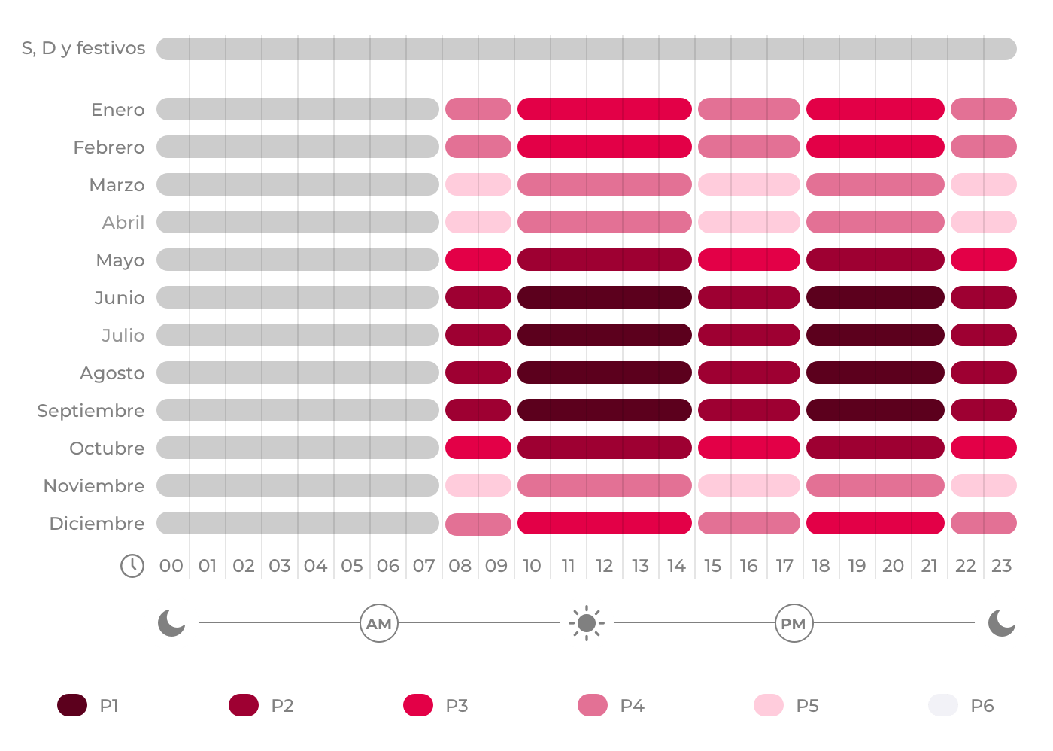
3:30:00 | 14:00:00
3:45:00 | 15:00:00
4:00:00 | 16:00:00
4:15:00 | 17:00:00
4:30:00 | 18:00:00
4:45:00 | 19:00:00
5:00:00 | 20:00:00
5:15:00 | 21:00:00
5:30:00 | 22:00:00
5:45:00 | 23:00:00
6:00:00 | 0:00:00
6:15:00
6:30:00
6:45:00
7:00:00
7:15:00
7:30:00
7:45:00
8:00:00
8:15:00
8:30:00
8:45:00
9:00:00
9:15:00
9:30:00
9:45:00
10:00:00
10:15:00
10:30:00
10:45:00
11:00:00
11:15:00
11:30:00
11:45:00
12:00:00
12:15:00
12:30:00
12:45:00
13:00:00
13:15:00
13:30:00
13:45:00
14:00:00
14:15:00
14:30:00
14:45:00
15:00:00
15:15:00
15:30:00
15:45:00
16:00:00
16:15:00
16:30:00
16:45:00
17:00:00
17:15:00
17:30:00
17:45:00
18:00:00
18:15:00
18:30:00
18:45:00
19:00:00
19:15:00
19:30:00
19:45:00
20:00:00
20:15:00
20:30:00
20:45:00
21:00:00
21:15:00
21:30:00
21:45:00
22:00:00
22:15:00
22:30:00
22:45:00
23:00:00
23:15:00
23:30:00
23:45:00
0:00:00

