Pricing
ZeroErr Control Co., Ltd.
Quotation List
IMAGES | PRODUCT DESCRIPTION | QUANTITY (PC) | WEIGHT (KG/PC) | UNIT PRICE (USD/PC) | AMOUNT (USD)
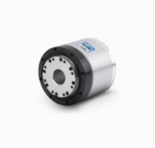 | eRob70F120I-BHM-18ET | 1 | 0.77 | 1124 | $1,124.00
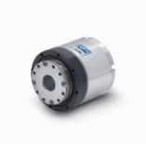 | eRob70H120I-BHM-18ET | 1 | 0.88 | 1103 | $1,103.00
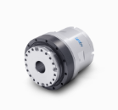 | eRob80H120I-BHM-18ET[V5] | 1 | 1.25 | 1164 | $1,164.00
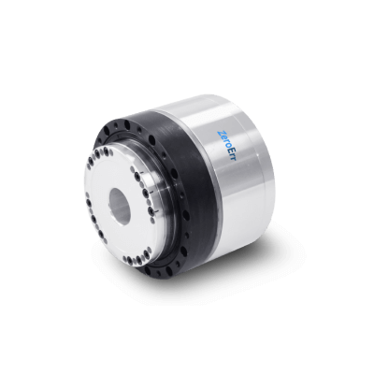 | eRob80H120I-BHM-18ET[V6] | 1 | 1.03 | 1242 | $1,242.00
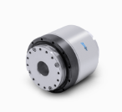 | eRob90H120I-BHM-18ET[V3] | 1 | 1.87 | 1307 | $1,307.00
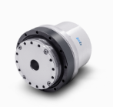 | eRob110H160I-BHM-18ET[V4] | 1 | 3.06 | 1364 | $1,364.00
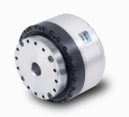 | eRob110H160I-BHM-18ET[V6] | 1 | 2.68 | 1456 | $1,456.00
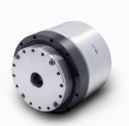 | eRob142H160I-BHM-18ET | 1 | 6.7 | 1430 | $1,430.00
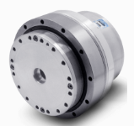 | eRob170H160I-BHM-18ET | 1 | 9.5 | 2100 | $2,100.00

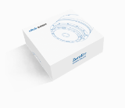 | eRob Universal Accessories Kit | 1 | 0.2 | 35 | $35.00
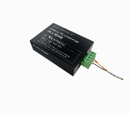 | eRob to PC Connector | 1 | 0.2 | 66 | $66.00
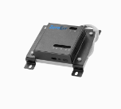 | ePower Board | 1 | 0.2 | 118 | $118.00
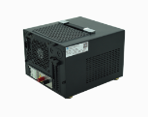 | ePower-400-48 | 1 | 4.7 | 266 | $266.00
 | ePower-800-48 | 1 | 5.9 | 320 | $320.00
 | ePower-1500-48 | 1 | 8.1 | 423 | $423.00
 |  |  |  |  | $-
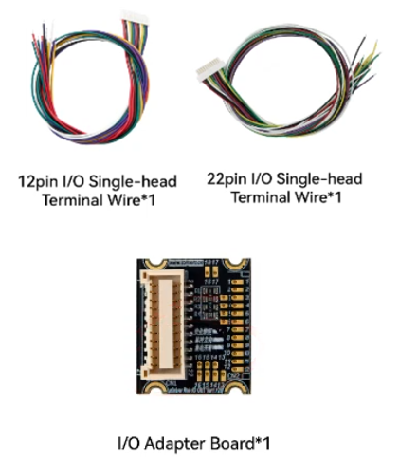 | I/O Adapter Board | 1 | 0.02 | 19 | $19.00

 | Remarks: 1. Price term: EXW ShenZhen. 2. Payment term: T/T. 100% advance payment. 3. Leading time: 5 working days after the payment. 4.The price needs to be updated if the exchange rate fluctuate more than 10%. |  |  | SUBTOTAL | $-
 |  |  |  | FREIGHT | $-
 |  |  |  | OTHER | -
 |  |  |  | TOTAL | $-

