I型
ZeroErr Control Co., Ltd.
Quotation List
IMAGES | PRODUCT DESCRIPTION | QUANTITY (PC) | WEIGHT (KG/PC) | UNIT PRICE (USD/PC) | AMOUNT (USD)
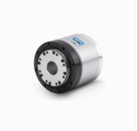 | eRob70F120I-BHM-18ET | 1 | 0.77 | 1124 | $1,124.00
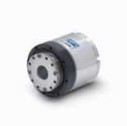 | eRob70H120I-BHM-18ET | 1 | 0.88 | 1103 | $1,103.00
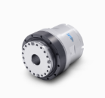 | eRob80H120I-BHM-18ET[V5] | 1 | 1.25 | 1164 | $1,164.00
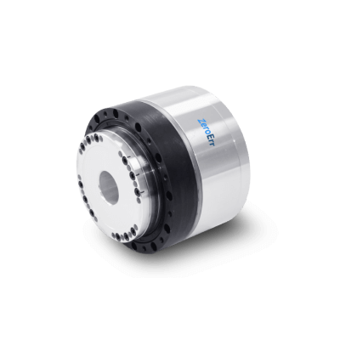 | eRob80H120I-BHM-18ET[V6] | 1 | 1.03 | 1242 | $1,242.00
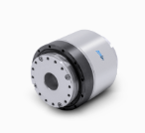 | eRob90H120I-BHM-18ET[V3] | 1 | 1.87 | 1307 | $1,307.00
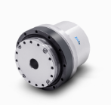 | eRob110H160I-BHM-18ET[V4] | 1 | 3.06 | 1364 | $1,364.00
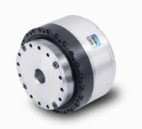 | eRob110H160I-BHM-18ET[V6] | 1 | 2.68 | 1456 | $1,456.00
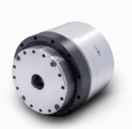 | eRob142H160I-BHM-18ET | 1 | 6.7 | 1430 | $1,430.00
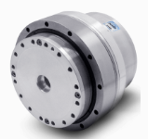 | eRob170H160I-BHM-18ET | 1 | 9.5 | 2100 | $2,100.00

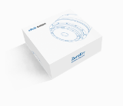 | eRob Universal Accessories Kit | 1 | 0.2 | 35 | $35.00
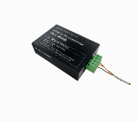 | eRob to PC Connector | 1 | 0.2 | 66 | $66.00
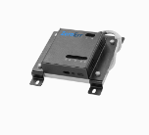 | ePower Board | 1 | 0.2 | 118 | $118.00
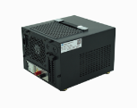 | ePower-400-48 | 1 | 4.7 | 266 | $266.00
 | ePower-800-48 | 1 | 5.9 | 320 | $320.00
 | ePower-1500-48 | 1 | 8.1 | 423 | $423.00
 |  |  |  |  | $-
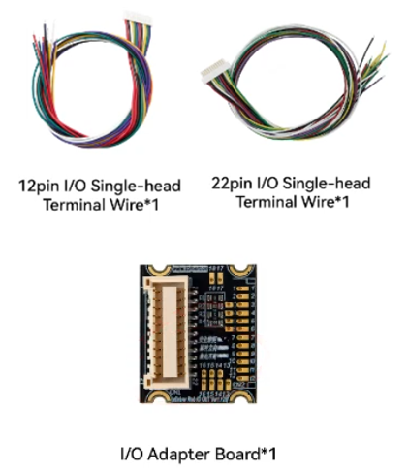 | I/O Adapter Board | 1 | 0.02 | 19 | $19.00

 | Remarks: 1. Price term: EXW ShenZhen. 2. Payment term: T/T. 100% advance payment. 3. Leading time: 5 working days after the payment. 4.The price needs to be updated if the exchange rate fluctuate more than 10%. |  |  | SUBTOTAL | $-
 |  |  |  | FREIGHT | $-
 |  |  |  | OTHER | -
 |  |  |  | TOTAL | $-

T型
ZeroErr Control Co., Ltd.
Quotation List
IMAGES | PRODUCT DESCRIPTION | QUANTITY (PC) | WEIGHT (KG/PC) | UNIT PRICE (USD/PC) | AMOUNT (USD)
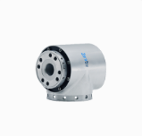 | eRob70H120T-BHM-18ET | 1 | 1.25 | 1180 | $1,180.00
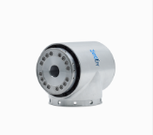 | eRob80H120T-BHM-18ET | 1 | 2 | 1241 | $1,241.00
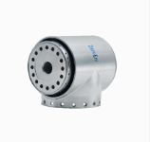 | eRob90H120T-BHM-18ET | 1 | 2.6 | 1384 | $1,384.00
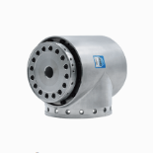 | eRob110H160T-BHM-18ET | 1 | 4.6 | 1502 | $1,502.00
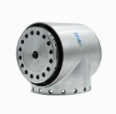 | eRob142H160T-BHM-18ET | 1 | 8.2 | 1630 | $1,630.00

 | eRob Universal Accessories Kit | 1 | 0.2 | 35 | $35.00
 | eRob to PC Connector | 1 | 0.2 | 66 | $66.00
 | ePower Board | 1 | 0.165 | 118 | $118.00
 | ePower-400-48 | 1 | 4.7 | 266 | $266.00
 | ePower-800-48 | 1 | 5.9 | 320 | $320.00
 | ePower-1500-48 | 1 | 8.1 | 423 | $423.00
 |  |  |  |  | $-
 | I/O STO-24 Accessories Kit | 1 | 0.1 | 19 | $19.00

 | Remarks: 1. Price term: EXW ShenZhen. 2. Payment term: T/T. 100% advance payment. 3. Leading time: 5 working days after the payment. 4.The price needs to be updated if the exchange rate fluctuate more than 10%. |  |  | SUBTOTAL | $-
 |  |  |  | FREIGHT | $-
 |  |  |  | OTHER | -
 |  |  |  | TOTAL | $-

3kg
ZeroErr Control Co., Ltd.
To: |  |  | Date： Quotation #: Street Address：Fuyuan 1st, Fuhai St, City, ST ZIP Code：Bao'an, Shen Zhen Phone：+86 18038073889 Fax：
Company Name
Street Address
City, ST ZIP Code
Phone:
Quotation List
IMAGES | MODELS | QUANTITY (PC) | WEIGHT (KG/PC) | UNIT PRICE (USD/PC) | AMOUNT (USD)
 | eRob70H100T-BHM-18ET | 3 | 1.24 | 1180 | $3,540.00
 | eRob80H100T-BHM-18ET | 3 | 1.94 | 1241 | $3,723.00
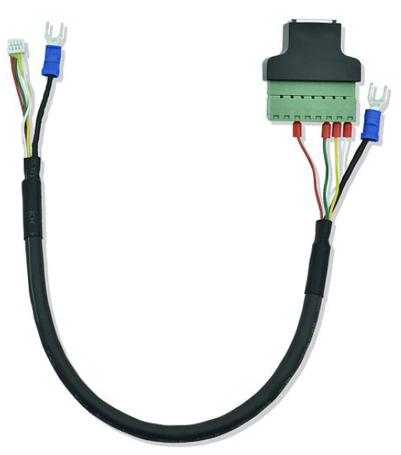 | eLine - RJ45 ECAT -30 | 1 | 0.03 | 11 | $11.00
 | eRob to PC Connector | 1 | 0.2 | 66 | $66.00
 | ePower-400-48 | 1 | 4.7 | 266 | $266.00
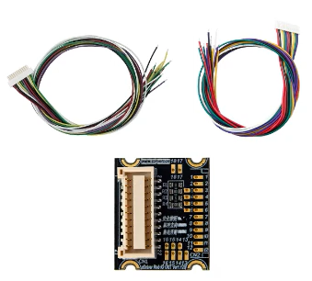 | I/O STO-24 Accessories Kit | 1 | 0.1 | 19 | $19.00
\ | eRobot3-PCK-E | 1 | \ | \ | Free
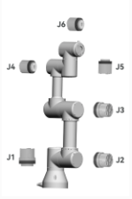 | Remarks: 1. Price term: EXW ShenZhen. 2. Payment term: T/T. 100% advance payment. 3. Leading time: 11 working days after the payment. 4.The price needs to be updated if the exchange rate fluctuate more than 10%. |  |  | SUBTOTAL | $7,625.00
 |  |  |  | FREIGHT | $-
 |  |  |  | OTHER | -
 |  |  |  | TOTAL | $7,625.00

5kg
ZeroErr Control Co., Ltd.

To:Hui Cheng |  |  | Date：25.1.2025 Quotation #: 2025012301 Street Address：Fuyuan 1st, Fuhai St, City, ST ZIP Code：Bao'an，Shen Zhen，518103 Phone：+86 18922807806
Company：Mindsflow Inc.
Street Address：350 Sharon Park Dr, T15
City, ST ZIP Code：Menlo Park, 94025, CA
Phone: 8582804597
Quotation List
PRODUCT DESCRIPTION |  | QUANTITY (PC) | WEIGHT (KG/PC) | UNIT PRICE (USD/PC) | AMOUNT (USD)
eRob70H100T-BHS-18ET |  | 3 | 1.24 | 1157 | $3,471.00
eRob110H120T-BHS-18ET |  | 3 | 4.64 | 1479 | $4,437.00
eLine - RJ45 ECAT -30 |  | 1 | 0.03 | 11 | $11.00
eRob to PC Connector |  | 1 | 0.2 | 66 | $66.00
ePower-800-48 |  | 1 | 5.9 | 320 | $320.00
eRobot5-PCK-E |  | 1 | \ | 0 | FREE
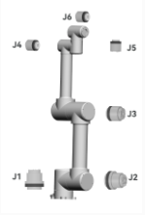 | Remarks: 1. Price term: DAP. 2. Payment term: T/T. 100% advance payment. 3. Leading time: 11 working days after the payment. 4.The price needs to be updated if the exchange rate fluctuate more than 10%. |  |  | SUBTOTAL | $8,305.00
 |  |  |  | FREIGHT | $871.54
 |  |  |  | OTHER | -
 |  |  |  | TOTAL | $9,176.54

10kg
ZeroErr Control Co., Ltd.

To: Company Name Street Address City, ST ZIP Code Phone: |  | Date：
 |  | Quotation #:
 |  | Street Address：Fuyuan 1st, Fuhai St
 |  | City, ST ZIP Code：Bao'an, Shen Zhen
 |  | Phone：+86 18038073889
 |  | Fax：
Quotation List
IMAGES | PRODUCT DESCRIPTION | QUANTITY (PC) | WEIGHT (KG/PC) | UNIT PRICE (USD/PC) | AMOUNT (USD)
 | eRob80H100T-BHM-18ET | 3 | 1.24 | 1241 | $3,723.00
 | eRob110H120T-BHM-18ET | 1 | 4.64 | 1502 | $1,502.00
 | eRob142H120T-BHM-18ET | 2 | 8.22 | 1630 | $3,260.00
 | eLine - RJ45 ECAT -30 | 1 | 0.03 | 11 | $11.00
 | eRob to PC Connector | 1 | 0.2 | 66 | $66.00
 | ePower-1500-48 | 1 | 8.1 | 423 | $423.00
 | I/O STO-24 Accessories | 1 | 0.02 | 19 | $19.00
\ | eRobot10-PCK-E | 1 | \ | \ | Free
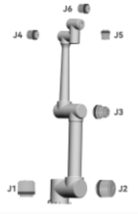 | Remarks: 1. Price term: EXW ShenZhen. 2. Payment term: T/T. 100% advance payment. 3. Leading time: 11 working days after the payment. 4.The price needs to be updated if the exchange rate fluctuate more than 10%. |  |  | SUBTOTAL | $9,004.00
 |  |  |  | FREIGHT | $-
 |  |  |  | OTHER | -
 |  |  |  | TOTAL | $9,004.00

20kg
ZeroErr Control Co., Ltd.

To: |  | Date：
Company Name |  | Quotation #:
Street Address |  | Street Address：Fuyuan 1st, Fuhai St
City, ST ZIP Code |  | City, ST ZIP Code：Bao'an, Shen Zhen
Phone: |  | Phone：+86 18038073889
 |  | Fax：
Quotation List
IMAGES | PRODUCT DESCRIPTION | QUANTITY (PC) | WEIGHT (KG/PC) | UNIT PRICE (USD/PC) | AMOUNT (USD)
 | eRob90H100I-BHM-18ET | 3 | 1.87 | 1307 | $3,921.00
 | eRob142H120I-BHM-18ET | 1 | 6.7 | 1430 | $1,430.00
 | eRob170H120I-BHM-18ET | 2 | 9.5 | 2100 | $4,200.00
 | ePower-1500-48 | 1 | 8.1 | 423 | $423.00
 | eLine - RJ45 ECAT -30 | 1 | 0.03 | 11 | $11.00
 | eRob to PC Connector | 1 | 0.2 | 66 | $66.00
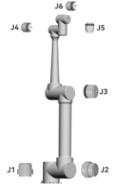 | Remarks: 1. Price term: EXW ShenZhen. 2. Payment term: T/T. 100% advance payment. 3. Leading time: 11 working days after the payment. 4.The price needs to be updated if the exchange rate fluctuate more than 10%. |  |  | SUBTOTAL | $10,051.00
 |  |  |  | FREIGHT | $-
 |  |  |  | OTHER | -
 |  |  |  | TOTAL | $10,551.00

Encoders
ZeroErr Control Co., Ltd.

Quotation List
IMAGES | PRODUCT DESCRIPTION | QUANTITY (PC) | WEIGHT (KG/PC) | UNIT PRICE (USD/PC) | AMOUNT (USD)
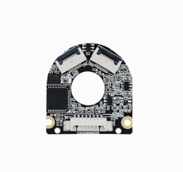 | eCoder11S-R19B | 5 | \ | 36 | $180.00
 | eCoder11M-R19B | 5 | \ | 45 | $225.00
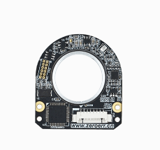 | eCoder18S-R19B | 5 | \ | 69 | $345.00
 | eCoder18M-R19B | 5 | \ | 77 | $385.00
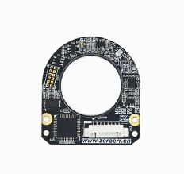 | eCoder20S-R19B | 5 | \ | 69 | $345.00
 | eCoder20M-R19B | 5 | \ | 77 | $385.00
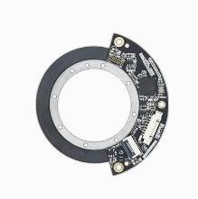 | eCoder35S-R19B | 5 | \ | 87 | $435.00
 | eCoder35M-R19B | 5 | \ | 98 | $490.00
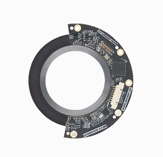 | eCoder35HS-R19B | 5 | \ | 179 | $895.00
 | eCoder35HM-R19B | 5 | \ | 189 | $945.00
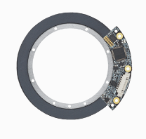 | eCoder45S-R19B | 5 | \ | 102 | $510.00
 | eCoder45M-R19B | 5 | \ | 110 | $550.00
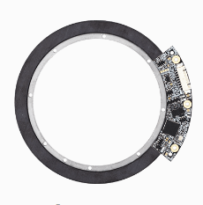 | eCoder65S-R19B | 5 | \ | 131 | $655.00
 | eCoder65M-R19B | 5 | \ | 150 | $750.00
 | eCoder to PC connector | 1 | 0.02 | 54 | $54.00

Remarks: 1. Price term: EXW ShenZhen. 2. Payment term: T/T. 100% advance payment. 3. Leading time: 5 working days after the payment. 4.The price needs to be updated if the exchange rate fluctuate more than 10%. |  |  |  | SUBTOTAL | $-
 |  |  |  | FREIGHT | $-
 |  |  |  | OTHER | -
 |  |  |  | TOTAL | $-

Popular
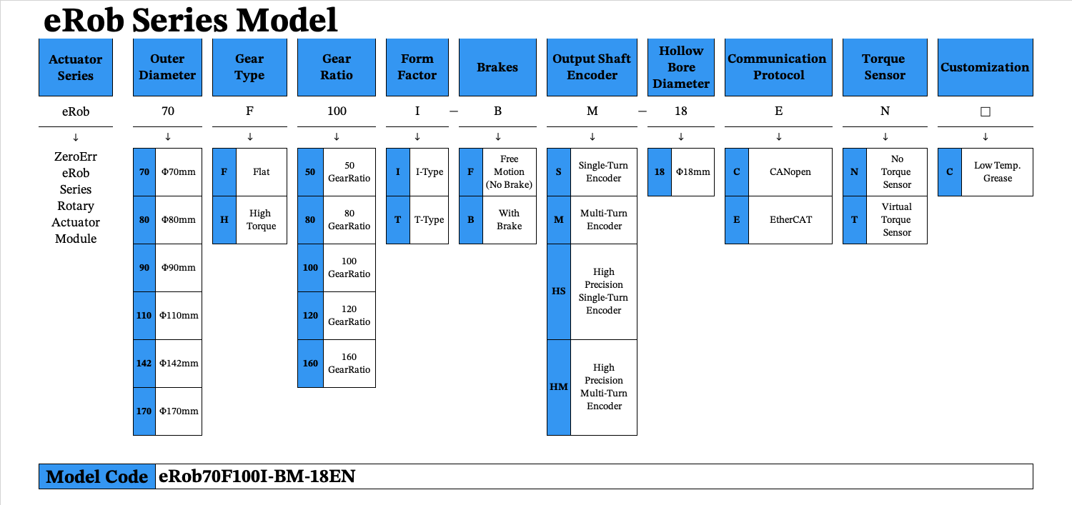
ZeroErr Control Co., Ltd.

Prices vary based on configuration and quantity | Manufacturer | Tier-1 Supplier

Quotation List
IMAGES | MODEL | Max.Torque(N·m) | Max.Speed (RPM) | Length (cm/PC) | WEIGHT (KG/PC) | UNIT PRICE (USD/PC)
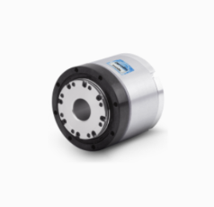 | eRob70F100I-FM-18EN | 35Nm | 60 | 6.04cm | 0.77kg | $1,063.00
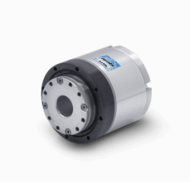 | eRob70H100I-BHM-18ET | 70Nm | 60 | 7.1cm | 0.88kg | $1,103.00
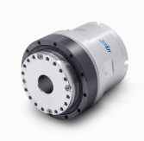 | eRob80H100I-BHM-18CT | 112Nm | 60 | 8.42cm | 1.25kg | $1,141.00
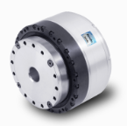 | eRob110H160I-BHM-18ET | 408Nm | 60 | 8.02cm | 2.68kg | $1,456.00
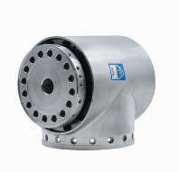 | eRob110H120T-BHM-18ET | 395Nm | 60 | 14.75cm | 4.64kg | $1,502.00
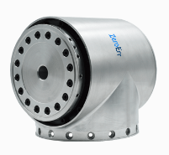 | eRob142H120T-BHM-18CT | 892Nm | 40 | 16.3cm | 8.22kg | $1,607.00

Acce
ZeroErr Control Co., Ltd.

IMAGES | PRODUCT DESCRIPTION | QUANTITY (PC) | WEIGHT (KG/PC) | UNIT PRICE (USD/PC) | FUNCTION
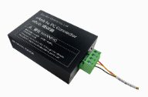 | eRob to PC Connector | 1 | 0.2 | $66.00
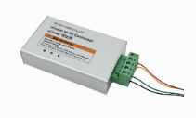 | eCoder to PC Connector | 1 | 0.2 | $54.00
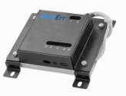 | ePower Board | 1 | 0.165 | $118.00 | The ePower-Board processes kinetic energy recovery from regenerative braking in eRob rotary actuators to prevent voltage spikes and avoid high bus voltage errors and potential shutdowns. Find more detail: https://en.zeroerr.cn/products/accessories/epowerboard
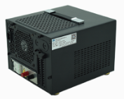 | ePower-400-48 | 1 | 4.7 | $266.00 | ePower power supply has a dedicated processing circuit inside, which will not trigger over-voltage protection due to regenerative braking, and will not trigger over-current shutdown due to momentary excessive load. Find more detail: https://en.zeroerr.cn/products/accessories/epower
 | ePower-800-48 | 1 | 5.9 | $320.00
 | ePower-1500-48 | 1 | 8.1 | $423.00
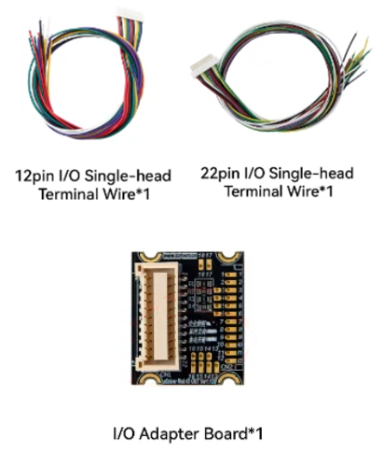 | I/O STO - 24 | 1 | 0.2 | $19.00 | For safe torque off (STO) function
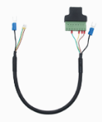 | eLine-RJ45 EtherCAT-30 | 1 | 0.03 | $11.00
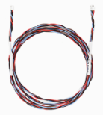 | eLine-CAN/ECAT-30 eLine-CAN/ECAT-43 eLine-CAN/ECAT-52 eLine-CAN/ECAT-72 eLine-CAN/ECAT-110 | 1 | / | $17.00
 | eLine_COM_Cable | 1 | / | $69.00
 | eLine_Power_5_Cable | 1 | / | $51.00
 | eLine_Power_10_Cable | 1 | / | $80.00
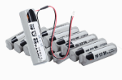 | Lithium Battery | 1 | / | $10.00 | Multiturn counting battery has customized plug interface; the connection is reliable; the mounting and dismounting are more convenient. https://en.zeroerr.cn/products/accessories/battery

