CSIRO (2)
ZeroErr Control Co., Ltd.
To: Vinothkumar Viswanathan Company: CSIRO Street Address:Data61, 1 Technology Court,Pullenvale, City, ST ZIP Code: Qld 4069, Australia Phone:+617 3327 4077 |  |  | Date：5.3.2025 Quotation #: 2025030503 Street Address：Fuyuan 1st, Fuhai City, ZIP Code：Bao'an，Shen Zhen, 518103 Phone：+86 18922807806

Quotation List
IMAGES | MODELS | QUANTITY (PC) | WEIGHT (KG/PC) | UNIT PRICE (USD/PC) | AMOUNT (USD)
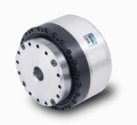 | eRob110H100I-BHM-18ET[V6] | 6 | 2.68 | 1340 | $8,040.00
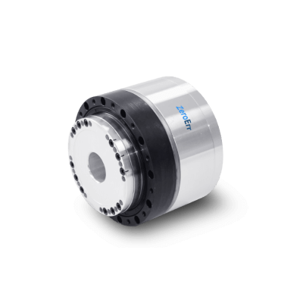 | eRob80H50I-BHM-18ET[V6] | 8 | 1.03 | 1144 | $9,152.00
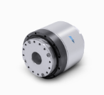 | eRob90H100I-BHM-18ET[V6] | 6 | 1.62 | 1376 | $8,256.00
 | eLine - RJ45 ECAT -30 | 20 | 0.03 | 11 | $220.00
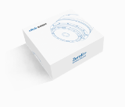 | eRob Universal Accessories Kit | 20 | 0.2 | 35 | $700.00
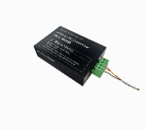 | eRob to PC Connector | 5 | 0.2 | 66 | $330.00
 | Remarks: 1. Price term: DAP Australia 2. Payment term: T/T. 100% advance payment. 3. Leading time: 12 working days after the payment. 4.The price needs to be updated if the exchange rate fluctuate more than 10%. |  |  | SUBTOTAL | $26,698.00
 |  |  |  | FREIGHT | $817.00
 |  |  |  | OTHER | $-
 |  |  |  | TOTAL | $27,515.00

