POWER_Point_Daily_20230301_2023
-BEGIN HEADER-
NASA/POWER CERES/MERRA2 Native Resolution Daily Data
Dates (month/day/year): 03/01/2023 through 03/02/2023
Location: Latitude 22.7839 Longitude -102.6161
Elevation from MERRA-2: Average for 0.5 x 0.625 degree lat/lon region = 2139.84 meters
The value for missing source data that cannot be computed or is outside of the sources availability range: -999
Parameter(s):
PS MERRA-2 Surface Pressure (kPa)
WS10M MERRA-2 Wind Speed at 10 Meters (m/s)
WS10M_MIN MERRA-2 Wind Speed at 10 Meters Minimum (m/s)
WS10M_MAX MERRA-2 Wind Speed at 10 Meters Maximum (m/s)
WS10M_RANGE MERRA-2 Wind Speed at 10 Meters Range (m/s)
WD10M MERRA-2 Wind Direction at 10 Meters (Degrees)
RH2M MERRA-2 Relative Humidity at 2 Meters (%)
QV2M MERRA-2 Specific Humidity at 2 Meters (g/kg)
-END HEADER-
YEAR | MO | DY | PS | WS10M | WS10M_MIN | WS10M_MAX | WS10M_RANGE | WD10M | RH2M | QV2M
2023 | 3 | 1 | 78.87 | 5.36 | 3.04 | 6.95 | 3.91 | 254.81 | 34.25 | 4.88
2023 | 3 | 2 | 78.59 | 7.95 | 4.59 | 12.09 | 7.5 | 245.44 | 41.75 | 5

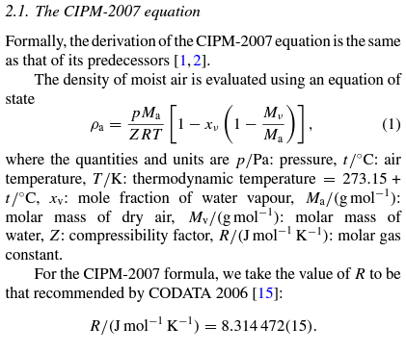
Avg relative humidity |  |  |  |  |  | Avg wind speed at 10m range
38 |  |  |  |  |  | 5.705
 |  |  |  |  |  |  |  | Densidad del aire usando: |  |  | D = PM/R*T
 |  |  |  |  |  |  |  | Presión (Pa) | Temperatura (K) | Cte. R | Cte. M | Densidad del aire (kg/m3)
 |  |  |  |  |  |  |  | 76606 | 301.09 | 8.314 | 0.0289645 | 0.88638514728

 |  |  |  |  |  |  |  | Densidad del aire de acuerdo a la formula CIPM-2007
 |  |  |  |  |  |  |  | Cte. Z | Cte. Ma | Xv | Cte. Mv | Densidad del aire (kg/m3)

 |  |  |  |  |  |  |  | Densidad del aire de acuerdo a la formula CIPM-2007 simplificada
 |  |  |  |  |  |  |  | 0.88038910713

 |  |  |  |  |  |  |  | Medición de la presión dentro y fuera de un edificio (hPa)
 |  |  |  |  |  |  |  | Dentro | Fuera
 |  |  |  |  |  |  |  | 766.4 | 767

 |  |  |  |  |  |  |  | Medición de 3 espacios sin ventilación
 |  |  |  |  |  |  |  | Coche | Cubiculo | Mochila
 |  |  |  |  |  |  |  | 765.5 | 765.83 | 765.97
 |  |  |  |  |  |  |  | Con ventilación
 |  |  |  |  |  |  |  | Coche | Cubiculo | Mochila
 |  |  |  |  |  |  |  | 765.6 | 765.83 | 765.9
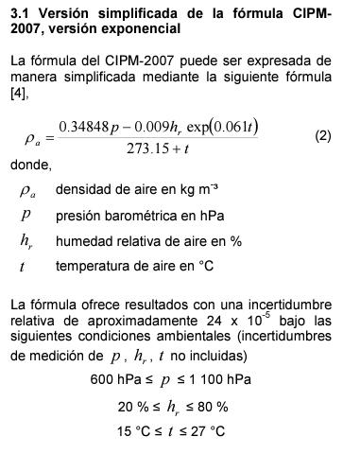
 |  |  |  |  |  |  |  | 10 ubicaciones

