exo 3-routage
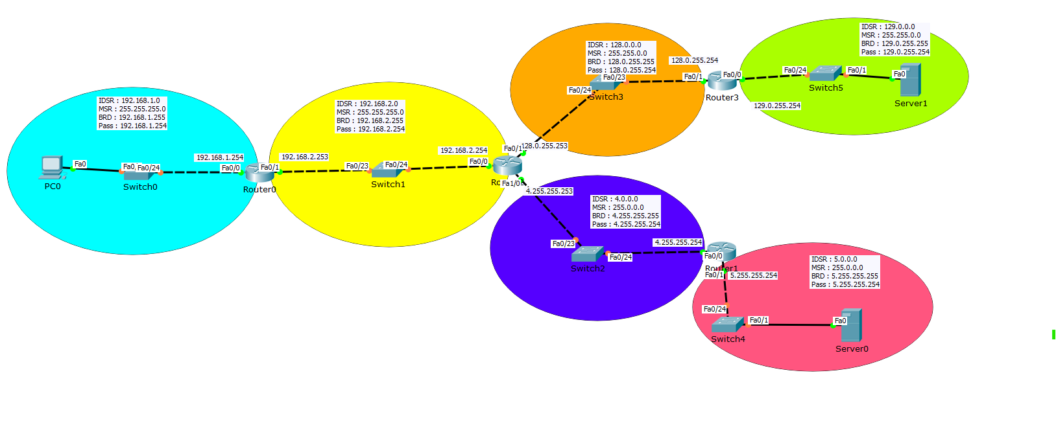

R0 |  |  |  |  | R2 |  |  |  |  | R3 |  |  |  |  | R1
Type | IDSR | CIDR | INTERFACE | PASSERELLE | Type | IDSR | CIDR | INTERFACE | PASSERELLE | Type | IDSR | CIDR | INTERFACE | PASSERELLE | Type | IDSR | CIDR | INTERFACE | PASSERELLE
C = connectée | 192,168,1,0 | //24 |  | 192,168,1,254 | S= static | 192,168,1,0 | //24 |  | 192,168,2,253 | S= static | 192,168,1,0 | //24 |  | 128.0.255.253 | S= static | 192,168,1,0 | //24 |  | 4.255.255.253
C = connectée | 192,168,2,0 | //24 |  | 192,168,2,253 | C = connectée | 192,168,2,0 | //24 |  | 192,168,2,254 | S= static | 192,168,2,0 | //24 |  | 128.0.255.253 | S= static | 192,168,2,0 | //24 |  | 4.255.255.253
S= static | 128.0.0.0 | //16 |  | 192,168,2,254 | C = connectée | 128.0.0.0 | //16 |  | 128.0.255.253 | C = connectée | 128.0.0.0 | //16 |  | 128.0.255.254 | S= static | 128.0.0.0 | //16 |  | 4.255.255.253
S= static | 129.0.0.0 | //16 |  | 192,168,2,254 | S= static | 129.0.0.0 | //16 |  | 128.0.255.254 | C = connectée | 129.0.0.0 | //16 |  | 129.0.255.254 | S= static | 129.0.0.0 | //16 |  | 4.255.255.253
S= static | 4.0.0.0 | //8 |  | 192,168,2,254 | C = connectée | 4.0.0.0 | //8 |  | 4.255.255.253 | S= static | 4.0.0.0 | //8 |  | 128.0.255.253 | C = connectée | 4.0.0.0 | //8 |  | 4.255.255.254
S= static | 5.0.0.0 | //8 |  | 192,168,2,254 | S= static | 5.0.0.0 | //8 |  | 4.255.255.254 | S= static | 5.0.0.0 | //8 |  | 128.0.255.253 | C = connectée | 5.0.0.0 | //8 |  | 5.255.255.254

