Cooker Hood
Sr. No | Appliance Name | Brand Name | Category | Description | Picture | Type | Price
1 | Montpellier DDCH90 MONTPELLIER STAINLESS STEEL 90CM DOWN DRAUGHT COOKER HOOD | Montpellier | Cooker hoods | With just one touch, the Montpellier DDCH90 Downdraft Cooker Hood rises from the worktop behind your hob and begins its high performing extraction. The perfect choice for space-saving, the design makes it an ideal alternative for low ceilings, island units, or when space is at a premium. It gives your kitchen a seamless contemporary look and does away with the need for wall-based extraction. The motor is cleverly hidden in the unit underneath the worktop. It has 4 extraction speeds, a programmable timer, 2 LED lamps and touch controls. You have the ability to alter the brightness of the lights to suit your home. The Timer is also programmable, allowing you to select between 5, 10, 15, 20, 25, 30, 35 and 40 minutes – when the timer is done, the hood switches off the lights, stops extracting and gently lowers itself into your kitchen counter. | 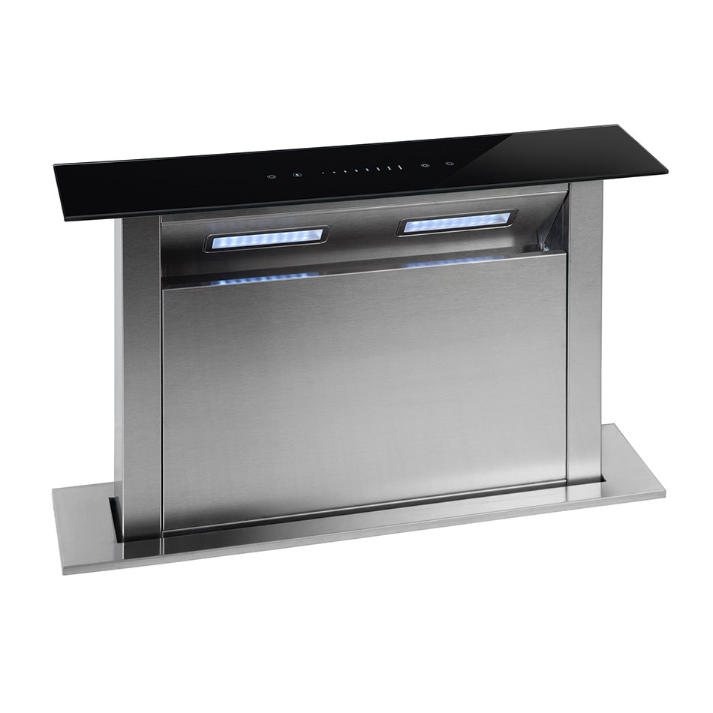 | Built in | 409
2 | Montpellier DDCH60 MONTPELLIER STAINLESS STEEL 60CM DOWN DRAUGHT COOKER HOOD | Montpellier | Cooker hoods | With just one touch, the Montpellier DDCH60 Downdraft Cooker Hood rises from the worktop behind your hob and begins its high performing extraction. The perfect choice for space-saving, the design makes it an ideal alternative for low ceilings, island units, or when space is at a premium. It gives your kitchen a seamless contemporary look and does away with the need for wall-based extraction. The motor is cleverly hidden in the unit underneath the worktop. It has 4 extraction speeds, a programmable timer, 2 LED lamps and touch controls. You have the ability to alter the brightness of the lights to suit your home. The Timer is also programmable, allowing you to select between 5, 10, 15, 20, 25, 30, 35 and 40 minutes – when the timer is done, the hood switches off the lights, stops extracting and gently lowers itself into your kitchen counter. |  | Built in | 339
3 | Hotpoint PHVP87FLTK HOTPOINT BLACK VERTICAL GLASS HOOD | Hotpoint | Cooker hoods | With just one touch, the Montpellier DDCH60 Downdraft Cooker Hood rises from the worktop behind your hob and begins its high performing extraction. The perfect choice for space-saving, the design makes it an ideal alternative for low ceilings, island units, or when space is at a premium. It gives your kitchen a seamless contemporary look and does away with the need for wall-based extraction. The motor is cleverly hidden in the unit underneath the worktop. It has 4 extraction speeds, a programmable timer, 2 LED lamps and touch controls. You have the ability to alter the brightness of the lights to suit your home. The Timer is also programmable, allowing you to select between 5, 10, 15, 20, 25, 30, 35 and 40 minutes – when the timer is done, the hood switches off the lights, stops extracting and gently lowers itself into your kitchen counter. | 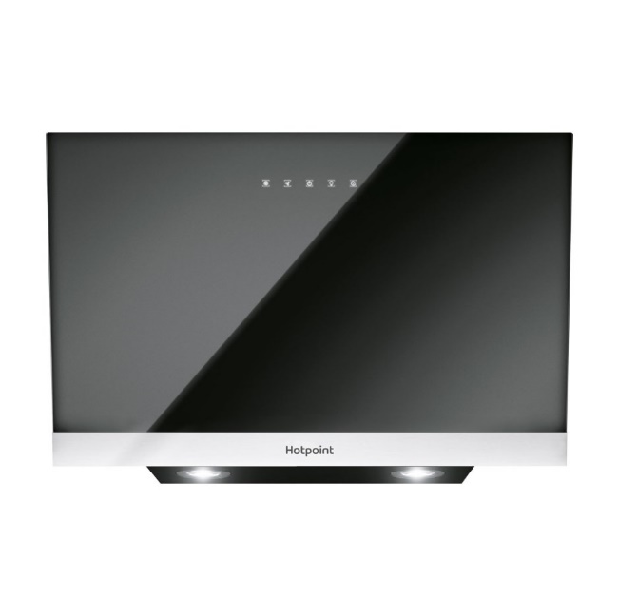 | Built in | 299
4 | Montpellier MHIS900X MONTPELLIER STAINLESS STEEL 90CM ISLAND COOKER HOOD | Montpellier | Cooker hoods | If your looking for a sleek, stylish and effective cooker hood that can clear the air in a large kitchen the 90cm MHIS900X island hood would be ideal. Available in stainless steel this hood has easy to use touch controls a clock and comes with filters included to keep your kitchen smelling fresh. 90cm Island Hood 3 Speeds Touch Controls 4 x 1 LED Lights Aluminium Filters included. | 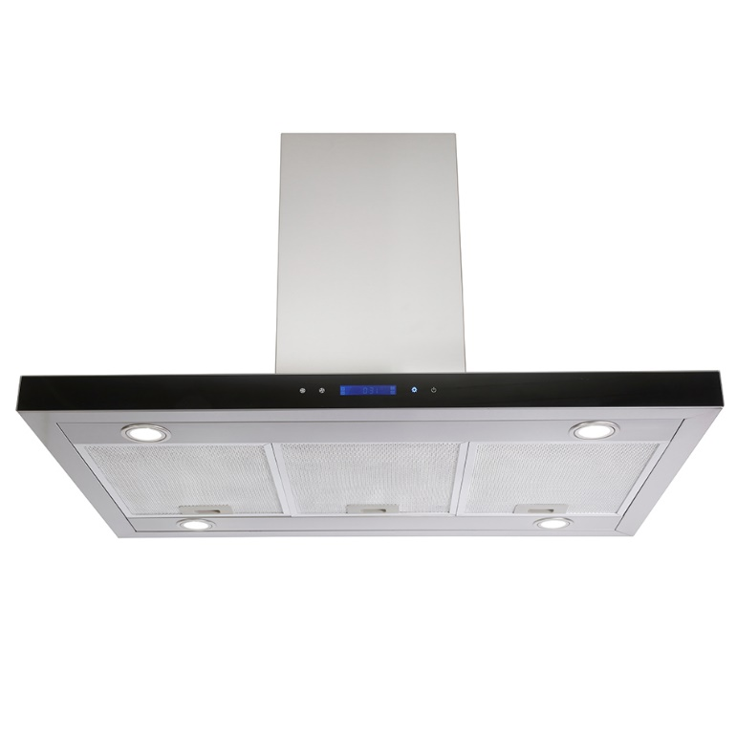 | Built in | 252
5 | Montpellier CHT991CR MONTPELLIER CREAM T-SHAPED COOKER HOOD | Montpellier | Cooker hoods | If you’re looking to add a splash of colour to your kitchen, the CHT991CR 90cm T-shaped hood will be the ideal choice. The cream colour is sure to earn some compliments and help create a stylish focal point in your kitchen. This cooker hood has easy-to-use push button controls, and the aluminium filters included will help reduce the grease and odours in the air to help keep your kitchen smelling fresh. | 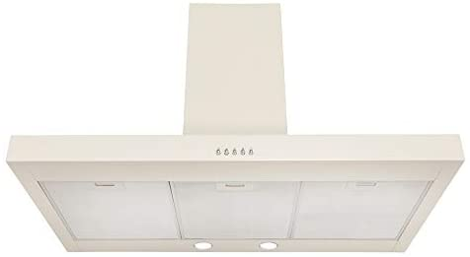 | Built in | 249
6 | Montpellier MHD600BK MONTPELLIER 60CM BLACK GLASS SLANTED HOOD | Montpellier | Cooker hoods | The MHD600BK is a slanted black glass cooker hood that offers the perfect balance of function and style. Its sleek design is sure to fit stylishly within your kitchen, as well as effectively clearing the air of all those cooking smells. | 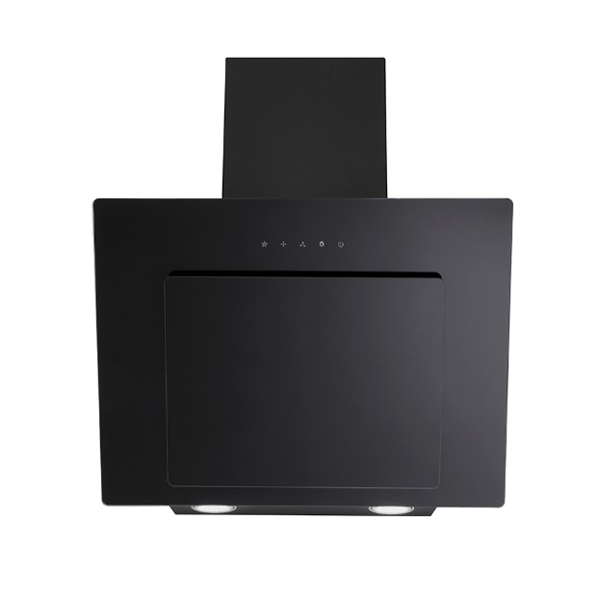 | Built in | 146
7 | Hotpoint PHC77FLBIX HOTPOINT STAINLES STEEL 70CM CHIMNEY HOOD | Hotpoint | Cooker hoods | Purify your cooking area with style and powerful three-speed extraction thanks to the Hotpoint Built-In Box Hood in Stainless Steel (PHC7.7FLBIX). Featuring a Booster setting for when you need extra oomph to clear the kitchen of unwanted smells, this model uses two charcoal filters to catch grease, controlled via an easy-to-use Electric Button Interface. LED lighting not only looks great, it is the brightest and most energy efficient lighting available. Light up the entire surface of your hob without shadows with LED lighting, which also offers 90% energy savings, last 10 times longer, and emits less heat than conventional lamps. | 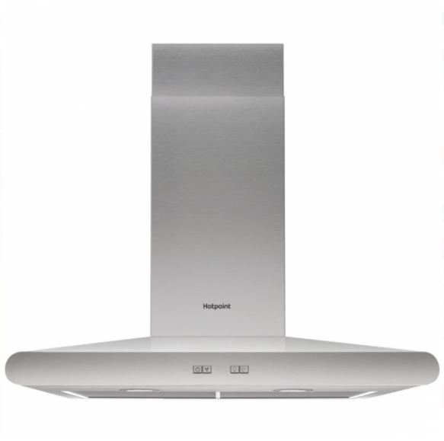 | Built in | 239
8 | Montpellier MHE900LX MONTPELLIER STAINLESS STEEL 90CM A ENERGY EDGE LIT CURVED GLASS CHIMNEY HOOD | Montpellier | Cooker hoods | The MHE900LX is a stainless steel 90cm curved glass chimney hood that is sure to make your kitchen look modern and stylish. The push button controls are easy to use and it comes with filters included as well as being fitted with a 3 pin plug for easy installation. There is also LED edge lighting to the glass that has 3 colour changes, red, blue and green. | 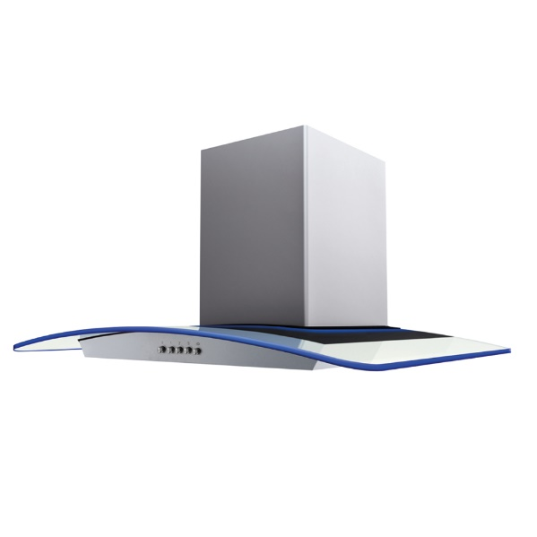 | Built in | 185
9 | Montpellier MH1000BK MONTPELLIER BLACK 100CM A RATED CHIMNEY HOOD | Montpellier | Cooker hoods | If you’re looking for a stylish and effective cooker hood that can clear the air in a large kitchen the 100cm MH1000BK chimney hood would be ideal. Ideal for positioning above your range cooker. Available in black and stainless steel, this hood has easy to use push button controls and comes with an A energy rated motor as well as being able to connect to a 3 pin plug for easy installation (Plug Fitted). Also available in stainless steel (MH1000X). | 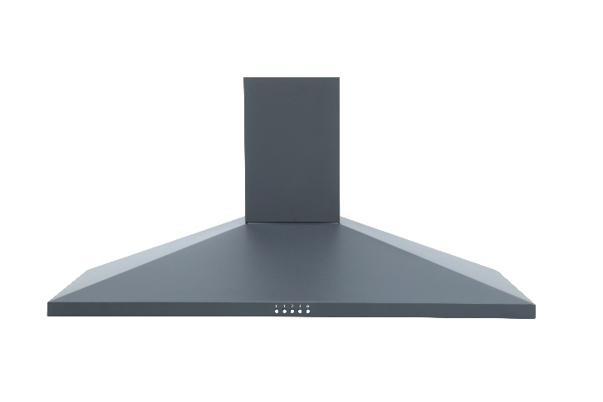 | Built in | 119
10 | Montpellier TCH261 MONTPELLIER 60CM TELESCOPIC HOOD | Montpellier | Cooker hoods | The TCH261 60cm telescopic hood is ideal if you want a cooker hood that you can slide away when not in use but still performs to a high standard. It is A rated for energy so our hoods are kinder to the environment and your pocket. The style & finish helps this hood fit seamlessly with your kitchen. It also benefits from having a 5amp plug and cable fitted for ease of installation. | 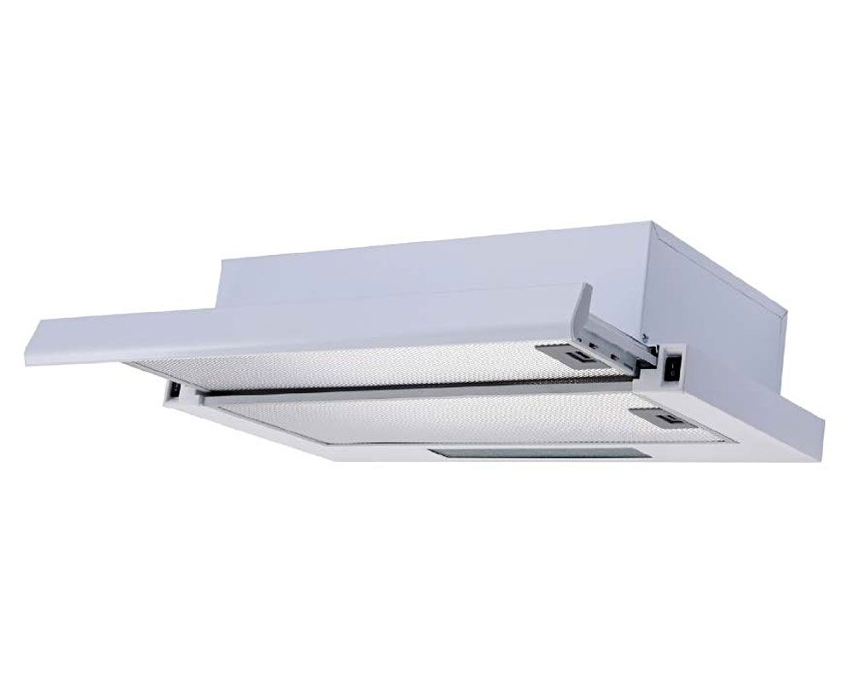 | Built in | 88
11 | Montpellier MIN60S MONTPELLIER 60CM INTEGRATED SWING OUT HOOD | Montpellier | Cooker hoods | Montpellier 60cm MIN60S Swing Out Hood in Grey with a 2 Year Guarantee. It comes complete with acrylic filter and fixing kit (charcoal filters and ducts sold separately.) 60cm Swing Out Hood 3 Speeds Slider Controls 1 x 4w LED Lamp 275m3/h Extraction Rate | 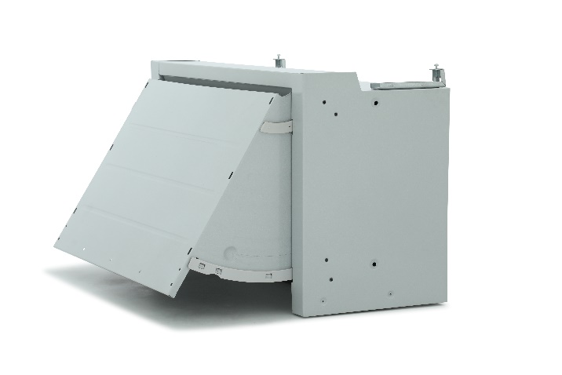 | Built in | 99
12 | Montpellier MH600X MONTPELLIER STAINLESS STEEL 60CM A RATED CHIMNEY HOOD | Montpellier | Cooker hoods | If you’re looking for a stylish and effective cooker hood that can clear the air in a large kitchen the 60cm MH600X chimney hood would be ideal. Available in stainless steel and black this hood has easy to use push button controls and comes with an A energy rated motor as well as being able to connect to a 3 pin plug for easy installation (Plug Fitted). | 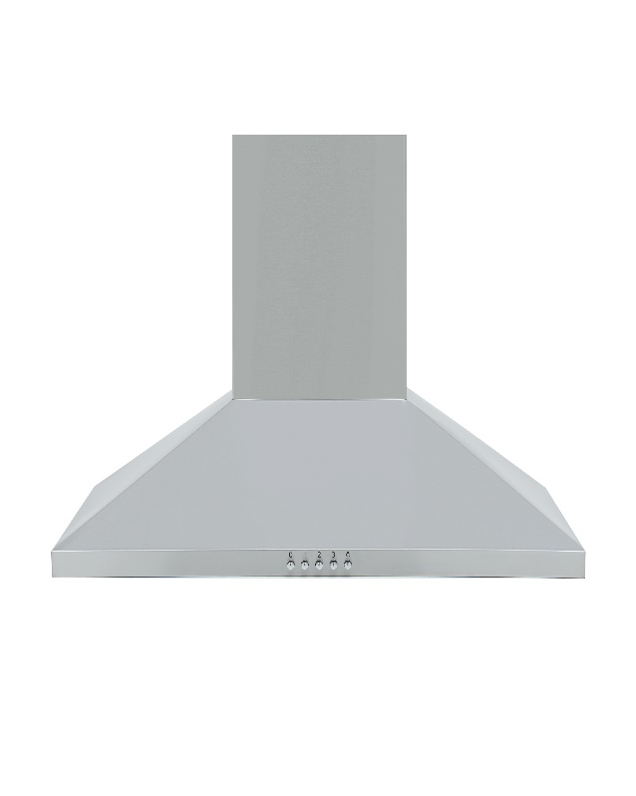 | Built in | 89
13 | Montpellier MCV60BK MONTPELLIER BLACK 60CM VISOR HOOD | Montpellier | Cooker hoods | The MCV60BK 60cm visor hood is a perfect cooker hood for a small kitchen and a low budget. Available in black, stainless steel and white it has a bright 4w LED light and comes with aluminium filters which help reduce the grease and odours in the air to keep your kitchen smelling fresh. | 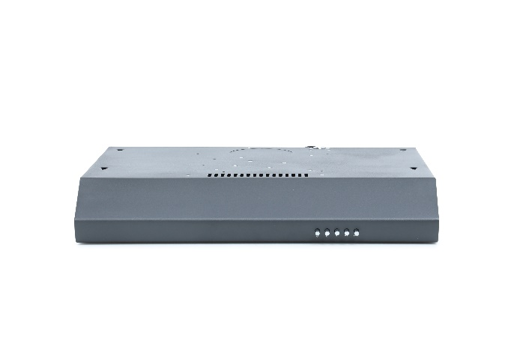 | Built in | 69
14 | Montpellier CHG913MSS MONTPELLIER STAINLESS STEEL CURVED GLASS HOOD 90CM CHIMNEY HOOD | Montpellier | Cooker hoods | The CHG913MSS is a stainless steel 90cm curved glass chimney hood that is sure to make your kitchen look modern and stylish. The push button controls are easy to use and it comes with filters included as well as being able to connect to a 3Amp plug for easy installation. 3 Speeds Airflow Rate 400m3/h Noise Level 66db LED Lights Aluminium & Charcoal Filter Included | 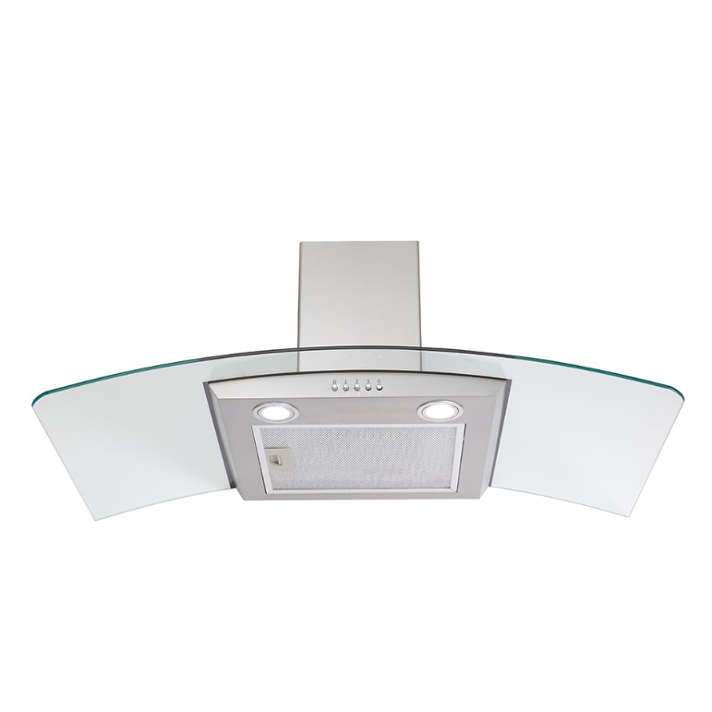 | Built in | 159
15 | Montpellier MH900BK MONTPELLIER BLACK 90CM A RATED CHIMNEY HOOD | Montpellier | Cooker hoods | If you’re looking for a stylish and effective cooker hood that can clear the air in a large kitchen the 90cm MH900BK chimney hood would be ideal. Available in black and stainless steel, this hood has easy to use push button controls and comes with an A energy rated motor as well as being able to connect to a 3 pin plug for easy installation (Plug Fitted). | 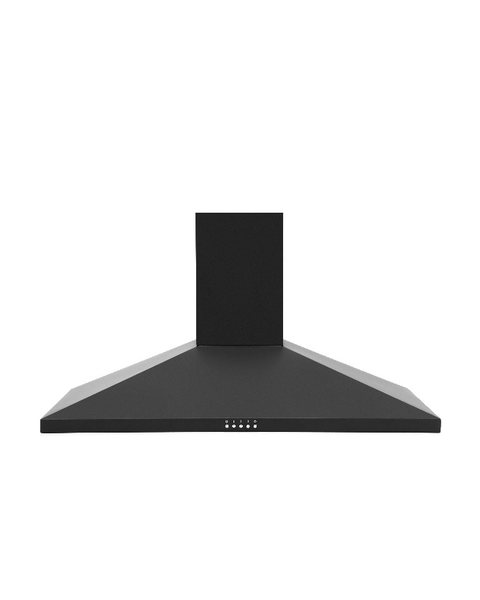 | Built in | 119

