Cooking
Sr. No | Appliance Name | Brand | Category | Description | Picture | Type | Price
1 | Montpellier SBFO59B MONTPELLIER BLACK SINGLE ELECTRIC FAN OVEN | Montpellier | ELECTRIC OVEN | Our SBFO59B Slim Depth Single Fan Oven has a good 59 litre capacity with TruFan. With 5 functions, grill at the top of the oven, 1 wire rack and 1 grill pan included, this oven has everything you need to keep cooking simple. | 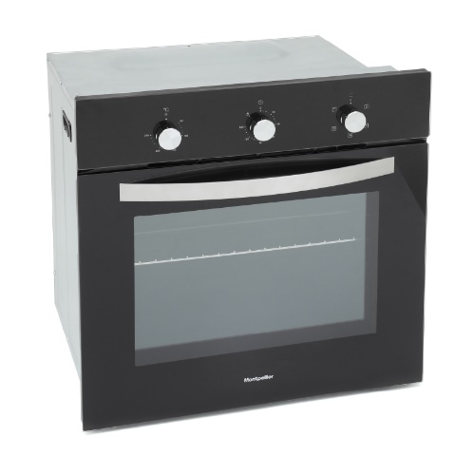 | Built In | 189
2 | Montpellier SBFO65X MONTPELLIER STAINLESS STEEL SINGLE TRUFAN ELECTRIC OVEN | Montpellier | ELECTRIC OVEN | The SBFO65X Single Electric Oven has a 65 litre capacity with TruFan and a temperature range from 50 to 250 degrees. With five functions including Eco, rotary controls, a minute minder and a grill, it has everything you need to keep cooking simple. The double glazed glass door has a removable plate, making cleaning this appliance really easy. The Forced Cooling System means it cools down quickly after being turned off. This model comes with a grill tray and wire rack. | 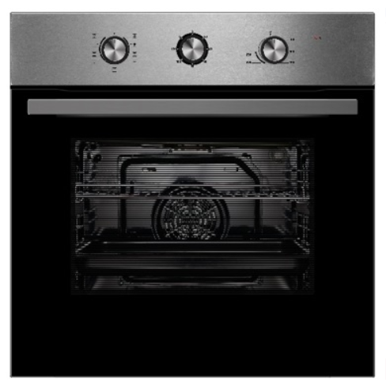 | Built In | 189
3 | Montpellier SBFO59X MONTPELLIER STAINLESS STEEL SINGLE ELECTRIC FAN OVEN | Montpellier | ELECTRIC OVEN | Our SVFO59X Slim Depth Single Fan Oven has a good 59 litre capacity with TruFan. With 5 functions, grill at the top of the oven, 1 wire rack and 1 grill pan included, this oven has everything you need to keep cooking simple. | 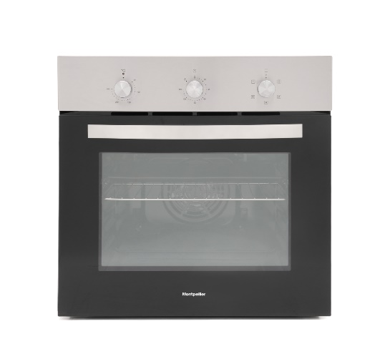 | Built In | 229
4 | Montpellier PSFO59FX MONTPELLIER STAINLESS STEEL SLIM DEPTH SINGLE FAN OVEN | Montpellier | ELECTRIC OVEN | Cook with confidence with the SFO59MX eight function multifunction over with full programmable electronic timer and pop In pop out controls. Multifunction Oven Pop In Pop Out Controls LED Timer Easy Clean Enamel Cavity Removable Door & Glass for Easy Cleaning | 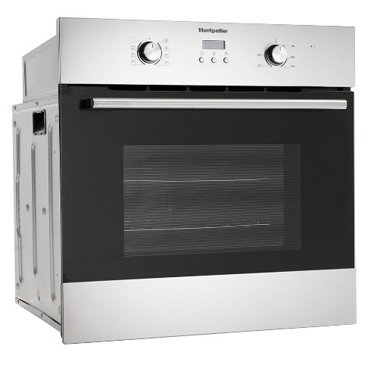 | Built In | 249
5 | Montpellier SFO58X MONTPELLIER STAINLESS SINGLE FAN OVEN | Montpellier | ELECTRIC OVEN | Eight function electric fan oven This Montpellier built-in electric oven, in stainless steel, is perfectly suited for your kitchen. The SFO58X is a fan oven, with a useable capacity of 65 litres for cooking meals and comes equipped with 8 cooking functions. With an energy rating of A this model is efficient and keeps running costs low. When it comes to installation of this oven, it has dimensions of 59.5cm (width) x 59.5cm (height) x 57.5cm (depth), with a Montpellier manufacturers warranty of 2 years for added peace of mind on your new appliance. | 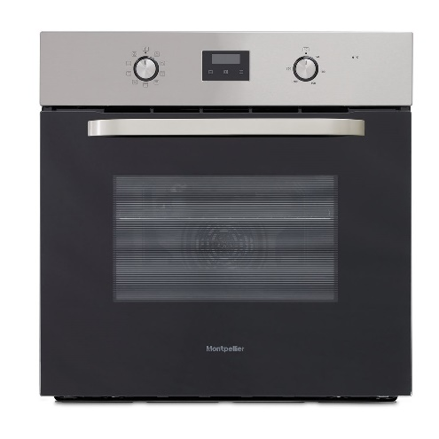 | Built In | 229
6 | Montpellier SFO72X MONTPELLIER STAINLESS STEEL BUILT IN SINGLE FAN OVEN | Montpellier | ELECTRIC OVEN | The stylish stainless steel multifunction oven SFO72X brings you a 70ltr, easy clean enamel oven cavity. With 8 cooking functions, an LED timer and rotary controls you have total control over all your cooking needs. 8 Cooking Functions 70ltr Cavity LED Timer Forced Air Cooling System Removable Door Plate | 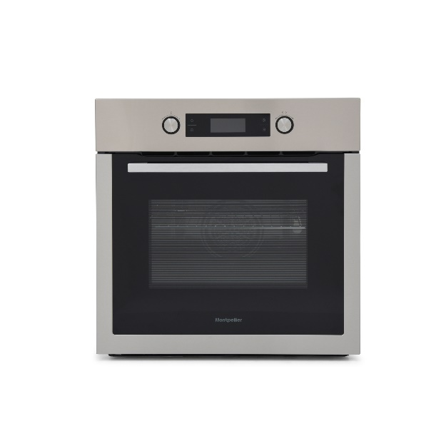 | Built In | 259
7 | Hotpoint SA2540HIX HOTPOINT STAINLESS STEEL DIAMOND CLEAN SINGLE BUILT IN OVEN | Hotpoint | ELECTRIC OVEN | You won't need to use harmful chemicals to clean your oven with hydro cleaning. It makes it much easier to tackle stubborn dirt, and the planet will thank you for not using harsh chemicals. Multiflow technology is a new style of convection system that delivers an even heat-flow which maintains even temperature throughout the cavity, no matter which shelf you're using. The electronic temperature control helps to prevent temperature fluctuations so that you get consistent heat to cook your meal. Save time and effort from cleaning as this Hotpoint SA2540HIX Built-In Single Oven features enamel liners which prevent food and mess from burning onto the sides of your oven. For hassle free maintenance, add water to the base of your oven and enable the Hydro Clean function, which will generate steam at 90°C for 35 minutes for sparkling results. | 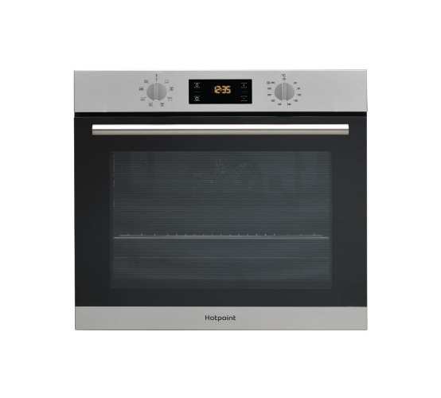 | Built In | 219
8 | Montpellier SFO68MFB MONTPELLIER BLACK MULTIFUNCTION SINGLE OVEN | Montpellier | ELECTRIC OVEN | The SFO68MFB is a stylish single oven with a full black glass door and a full touch screen control with white LED. The half telescopic runners with stabilisers allow hot food to be easily and safely taken out of the oven and the TruFan™ technology means the warm air is distributed evenly resulting in more even cooking and perfectly cooked food. | 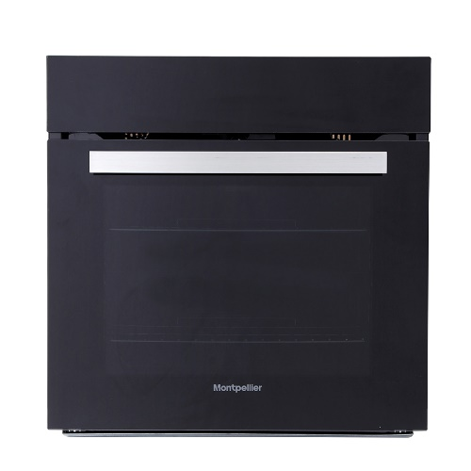 | Built In | 229
9 | Montpellier SFO75MWG MONTPELLIER SINGLE OVEN WITH WHITE GLASS DOOR | Montpellier | ELECTRIC OVEN | The SFO75MWG is a stylish single oven with a full white glass door, pop-in pop-out controls and a white LCD screen. The telescopic runners with stabilisers allow hot food to be easily and safely taken out of the oven and the TruFan™ technology means the warm air is distributed evenly resulting in more even cooking and perfectly cooked food. | 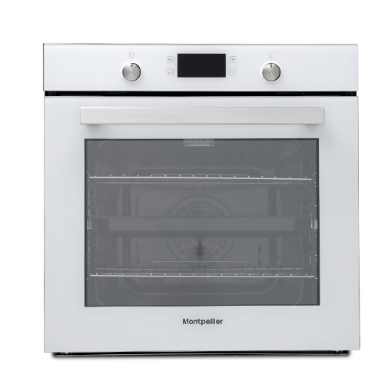 | Built In | 329
10 | Montpellier SFO74B MOTPELLIER BLACK SINGLE MULTIFUNCTION OVEN | Montpellier | ELECTRIC OVEN | Montpellier’s SFO74B single oven offers the perfect balance of function and style with its sleek touch and pop-in pop-out controls, large 70Ltr cavity and 8 functions. The cavity also has an easy clean enamel lining so spills are easier to wipe up. Multifunction Oven Touch & Knob Controls LED Display TruFan Oven Removable Door Plate | 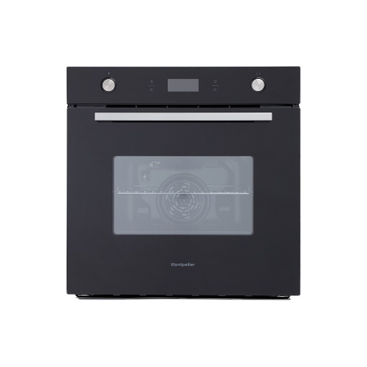 | Built In | 289
11 | Montpellier SFO73B MONTPELLIER SINGLE BLACK BUILT IN OVEN | Montpellier | ELECTRIC OVEN | Montpellier’s SFO73B has a 70Ltr, 8 function oven offering a bigger oven cavity whilst still giving you all the flexibility you could want from an oven. It has a full touch control panelas well as a programmable timer which allows you to set your oven to start cooking when convenient for you, so you could have dinner ready for when you get home. The cavity has also an easy clean enamel lining so spills are easier to wipe up. Multifunction Oven Touch Control Panel LED Display TruFan Oven Triple Glazed Glass Door | 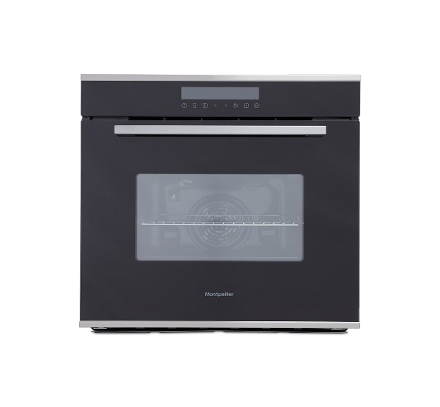 | Built In | 299
12 | Montpellier SFO67MBX MONTPELLIER BLACK WITH STAINLESS STEEL TRIM SINGLE MULTIFUNCTION OVEN | Montpellier | ELECTRIC OVEN | The SFO67MBX is a stylish single oven with a stainless steel trim, soft close door and illuminated pop-in pop-out controls. This oven also has TruFan technology which means the warm air is distributed evenly resulting in more even cooking and perfectly cooked food. Multifunction Soft Close Door Catalytic Back Liner White LED Programmable Timer Illuminated Pop-In Pop-Out Controls | 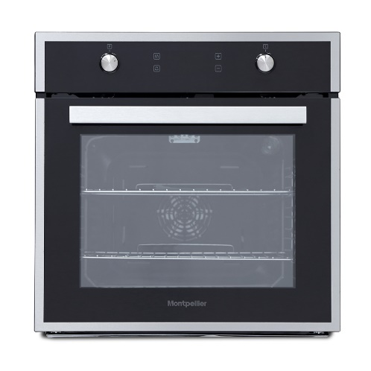 | Built In | 319
13 | Montpellier SFOM69MX MONTPELLIER STAINLESS STEEL MULTIFUNCTION OVEN WITH MIRROR GLASS DOOR | Montpellier | ELECTRIC OVEN | The SFOM69MX is a stylish single oven with a mirror glass door, illuminated pop-in pop-out controls and a white LCD screen. The telescopic runners with stabilisers allow hot food to be easily and safely taken out of the oven and the TruFan™ technology means the warm air is distributed evenly resulting in more even cooking and perfectly cooked food. Multifunction 65Ltr Capacity Telescopic Runner with Stabilisers Soft Close Door Illuminated Pop-In Pop-Out Controls | 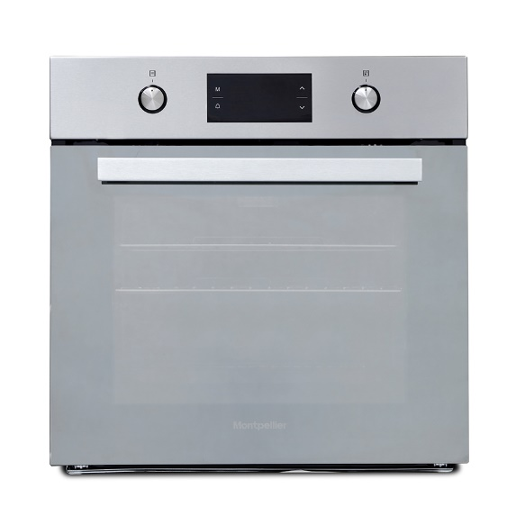 | Built In | 349
14 | Montpellier SFCP11 MONTPELLIER ELECTRIC OVEN AND CERAMIC HOB PACK | Montpellier | ELECTRIC OVEN | When you want a matching oven and hob without the hassle of a long selection process, the Montpellier SFCP11 is the perfect pack for you. We’ve done the hard work for you and created a pack that is not only incredibly stylish, but delivers outstanding cooking performance, time after time. Unbox the full colour pack and you will find a stainless steel forced-fan oven and a touch control ceramic hob. The oven boasts 5 functions, a 56Ltr usable capacity, an oven light, a minute minder and chunky stainless steel rotary dials. The matching 60cm ceramic hob has 4 zones, front touch controls, hot hob indicator and a child lock. | 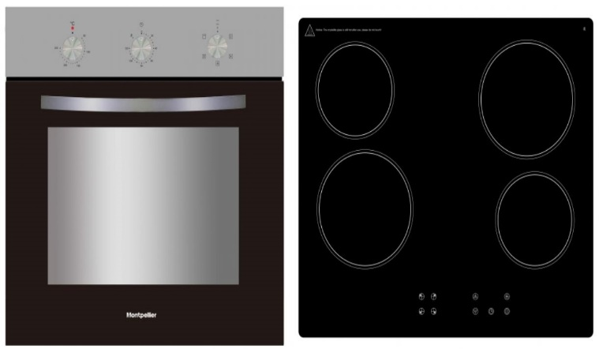 | Built In | 279
15 | Montpellier SFGP12 MONTPELLIER BLACK OVEN AND GAS ON GLASS HOB PACK | Montpellier | ELECTRIC OVEN | In the Montpellier SFGP12 pack, we’ve paired together two great products to give you one that offers outstanding cooking results, time after time. The electric 56Ltr Oven has 5 functions, an analogue minute minder, oven lamp, 1 wire rack & grill pan + handle. Finished in black and with an A energy rating. The 4 burner gas on glass hob comes with front rotary controls and custom cast iron pan supports in black. Integrated TruFan Oven & Gas on Glass Hob 56Ltr Capacity (Net) 4 Zone Gas On Black Glass Hob Black Glass Panel on Oven Cast Iron Pan Supports | 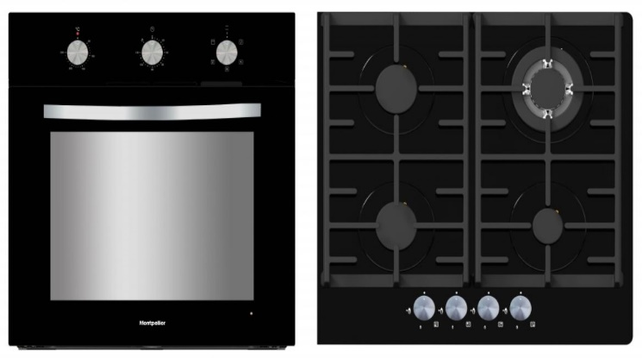 | Built In | 319
16 | Hotpoint DU2540BL HOTPOINT BLACK BUILT UNDER DOUBLE FAN OVEN | Hotpoint | ELECTRIC OVEN | With two ovens to hand and a grill, this Hotpoint double oven comes in great whether you're cooking for one or the whole family. The 59L main oven delivers reliable cooking with even results no matter where you place your dish inside, it's all thanks to the circulaire fan which distributes heat beautifully throughout the oven. The fan also enables the oven to heat up faster and it reduces cooking times by 20%. This bottom oven cavity has four functions in total so there's something to suit every dish, it even has a defrost function which comes in great if you've forgotten to defrost food the night before. The top 37L secondary oven offers conventional cooking, where the top of the oven will always be the hottest. It's a great money saver if you're only cooking for one as you'll save energy. It also has a variable grill, which means you can adjust the heat range to suit your dish, again saving more energy. When it's switched off and you're cooking in the lower main oven, why not use the top oven to warm your plates as the heat rises from the lower oven. This stylish double oven is designed to be built-in, you can install it underneath your worktop or within a kitchen column for easy access. All in black, it adds a modern touch to your space. It features simple and easy to use knob controls with a few push buttons to control the timer. You'll never over cook a dish again as you can set this oven to automatically switch off once the cooking period has finished or just use the timer as a simple countdown. | 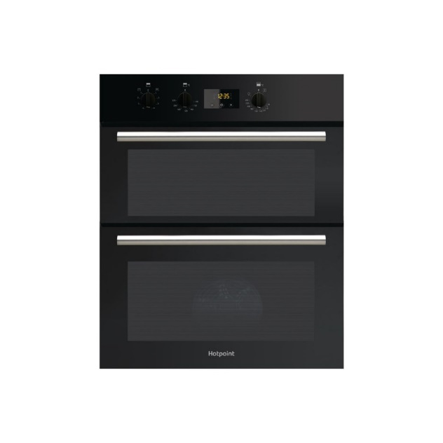 | Built In | 339
17 | Montpellier SFOS78MBX MONTPELLIER BLACK AND STAINLESS STEEL SINGLE ELECTRIC OVEN | Montpellier | ELECTRIC OVEN | The SFOS78MBX is a stylish black single oven with stainless steel trim, twist and press control knobs and a full colour screen. With 152 Auto-Cook programmes across meat, poultry, seafood and deserts built into the oven, it does the hard work for you. The telescopic runners with stabilisers allow hot food to be easily and safely taken out of the oven and the TruFan™ technology means the warm air is distributed evenly resulting in more even cooking and perfectly cooked food. This oven also has a steam clean programme making it quicker and easier to clean. 75Ltr Capacity Telescopic Runner with Stabilisers | 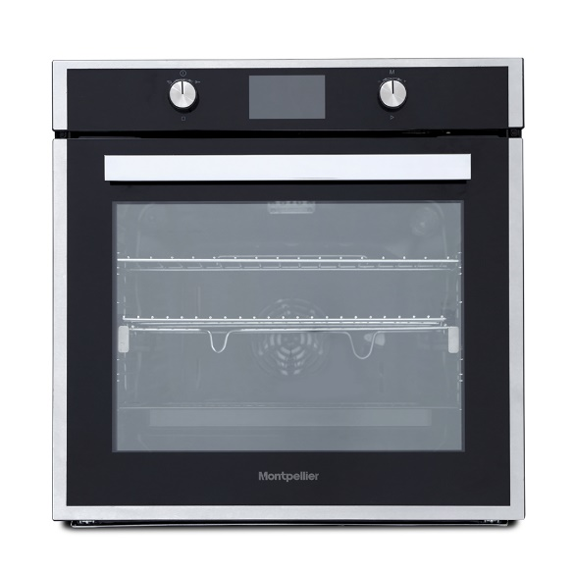 | Built In | 339
18 | Hotpoint DD2540IX HOTPOINT STAINLESS STEEL BUILT IN DOUBLE FAN OVEN | Hotpoint | ELECTRIC OVEN | This Hotpoint double oven will fit seamlessly within the kitchen, sitting at eye level within a column, providing easy access when lifting large dishes in and out of the oven. With a 74L main oven and a 42L secondary oven there's plenty of cooking space for family meals, large joints of meat and poultry. The main cavity is a spacious fan oven, distributing heat evenly throughout it is ideal for cooking multiple dishes simultaneously at the same temperature, no matter where you place your dish inside it will be cooked to perfection. The top cavity can be put to use for extra oven space when you're cooking up a feast or use it as a grill for some quick and intensive heat, its perfect for finishing a dish with a golden crispy top. This oven also helps you out with a defrost function to gently thaw frozen food quickly and hygienically, and there's also a slow cook function which is just what you need for tender meat dishes and flavoursome stews. | 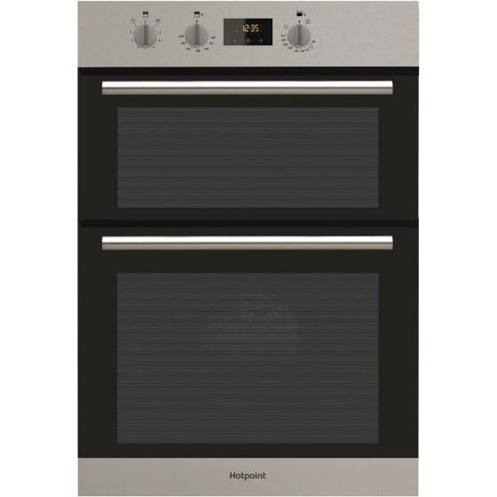 | Built In | 299
19 | Hotpoint DU2540IX HOTPOINT STAINLESS STEEL BUILT UNDER DOUBLE FAN OVEN | Hotpoint | ELECTRIC OVEN | The Hotpoint DU2540IX is the perfect solution for any kitchen. Designed to be built under your counter, the dual cavity design gives you added cooking space without taking up any vital floor space. The fan assisted main cavity offers Circulaire Roasting technology, cooking meat and other items evenly from each side, perfect for roasts, chops and more. This fan technology also ensures the temperature is even throughout the cavity which is perfect for cooking several items together or batch baking. The grill is housed in the top cavity, making it ideal for grilling items while you bake or roast in the main oven. Perfect for cooking smaller items, this oven can also be used conventionally. If you enjoy preparing big meals for friends and family, you'll have plenty of room for all of your dishes. | 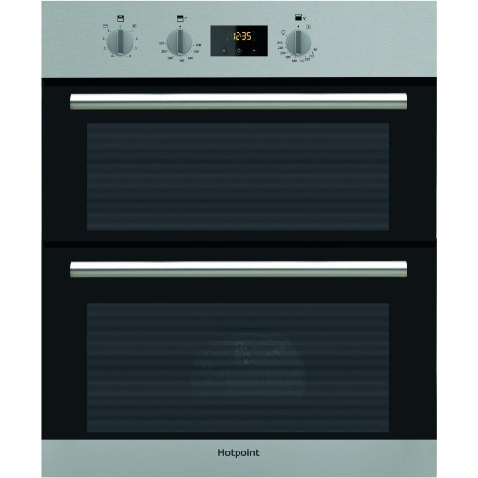 | Built In | 319
20 | Hotpoint DD2540BL HOTPOINT BLACK BUILT IN DOUBLE FAN OVEN | Hotpoint | ELECTRIC OVEN | This Hotpoint double oven will fit seamlessly within the kitchen, sitting at eye level within a column, providing easy access when lifting large dishes in and out of the oven. With a 74L main oven and a 42L secondary oven there's plenty of cooking space for family meals, large joints of meat and poultry. The main cavity is a spacious fan oven, distributing heat evenly throughout it is ideal for cooking multiple dishes simultaneously at the same temperature, no matter where you place your dish inside it will be cooked to perfection. The top cavity can be put to use for extra oven space when you're cooking up a feast or use it as a grill for some quick and intensive heat, its perfect for finishing a dish with a golden crispy top. This oven also helps you out with a defrost function to gently thaw frozen food quickly and hygienically, and there's also a slow cook function which is just what you need for tender meat dishes and flavoursome stews. | 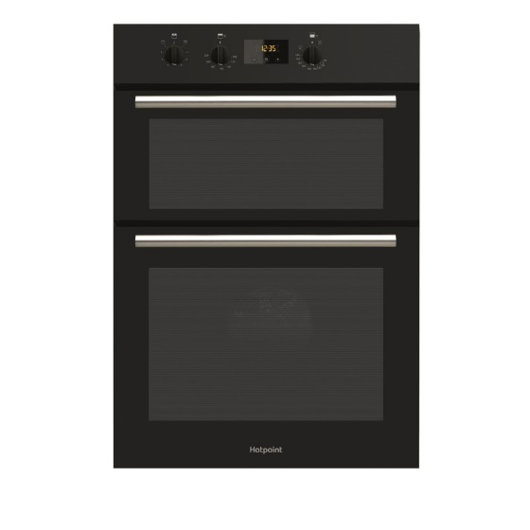 | Built In | 299
21 | Hotpoint DU2540WH HOTPOINT WHITE BUILT UNDER DOUBLE FAN OVEN | Hotpoint | ELECTRIC OVEN | Three automatic functions There are three automatic function to choose from when you're cooking, making this oven perfect for multi-level cooking, slow cooking and defrosting. You'll be able to cook evenly on any level with multi-level cooking, or create rich meals with the slow cooking function. You'll also be able to defrost your food quickly and easily. Ideal for small families and couples Preparing meals for small families and couples is easy with the ideal compact size, which features a 59 litre main oven capacity and an extra 37 litre second cavity. Keeping the appliance clean is also simplified as it has an easy-clean enamel interior. Expect reliable results Prevent over- and under-cooking as this Hotpoint DU2 540 features a Circulaire fan in the main oven cavity. An even temperature is regulated throughout all levels, so you can expect reliable results no matter if you're roasting or baking. This also helps to reduce cooking times by up to 20% by combining fan and rear element heat. | 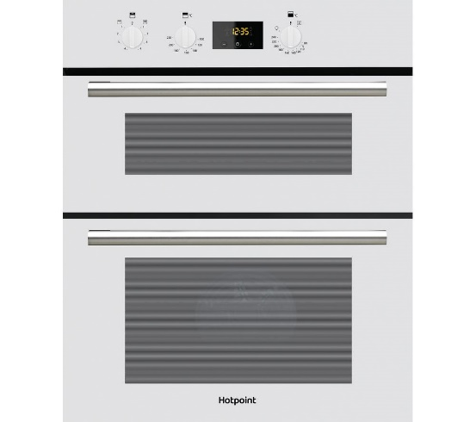 | Built In | 349
22 | Montpellier DO3550UB MONTPELLIER STAINLESS STEEL WITH BLACK GLASS BUILT UNDER DOUBLE OVEN | Montpellier | ELECTRIC OVEN | This Quality Double Oven gets built-under you counter or worktop into your kitchen. The DO3550UB features 2 x Ovens, 1 Oven is a Simple Fan oven with a Fan Convection and a Defrost Function and the other Oven features a Grill with Full or Half Grill function, just bottom heat function and conventional top and bottom heat function where elements at the top and bottom of the oven heat up for traditional roasting and baking where the hottest part of the Oven is the top Main Oven Fan, Second Oven Static with Grill 50ltr Main Cavity, 35ltr Main Second Cavity Programmable Electronic Timer Enamel Lining for Easy | 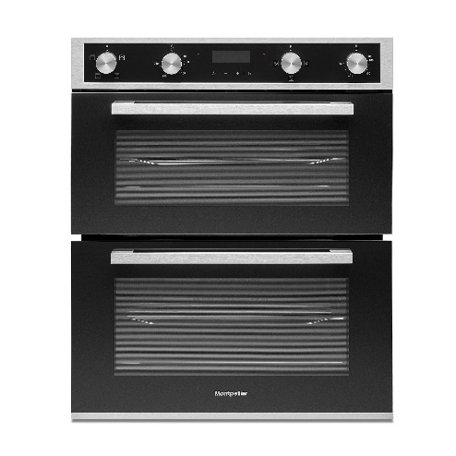 | Built In | 379
23 | Montpellier DO3570IB MONTPELLIER STAINLESS STELL WITH BLACK GLASS BUILT IN ELECTRIC DOUBLE OVEN | Montpellier | ELECTRIC OVEN | This Quality Double Oven gets built-in to your kitchen unit. The DO3570IB features 2 x Ovens, 1 Oven is a Simple Fan oven with a Fan Convection and a Defrost Function and the other Oven features a Grill with Full or Half Grill function, just bottom heat function and conventional top and bottom heat function where elements at the top and bottom of the oven heat up for traditional roasting and baking where the hottest part of the Oven is the top. Main Oven Fan, Second Oven Static with Grill 70ltr Main Cavity, 35ltr Main Second Cavity Programmable Electronic Timer | 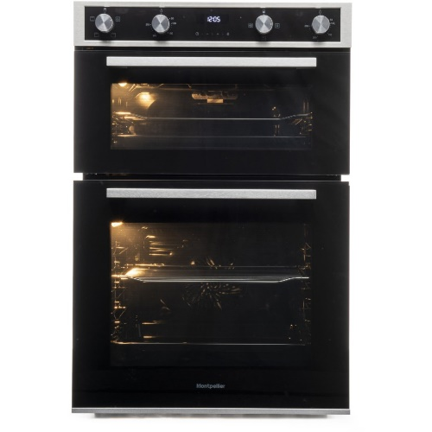 | Built In | 379
24 | Hotpoint DD2540WH HOTPOINT WHITE BUILT IN ELECTRIC FAN OVEN | Hotpoint | ELECTRIC OVEN | Hotpoint Built-In Electric Double Oven. Enjoy 74L of capacity in the top oven and three automatic functions to facilitate Multi-Level Cooking, Slow Cooking and Defrosting with ease as well as an extra 42L of cooking space. Hotpoint & Jamie Oliver: Pairing the very best of Jamie Oliver's home-cooking philosophy with Hotpoint's everyday, innovative products through the joy of food. Saving you time and energy by circulating hot air around the oven for an even temperature throughout. | 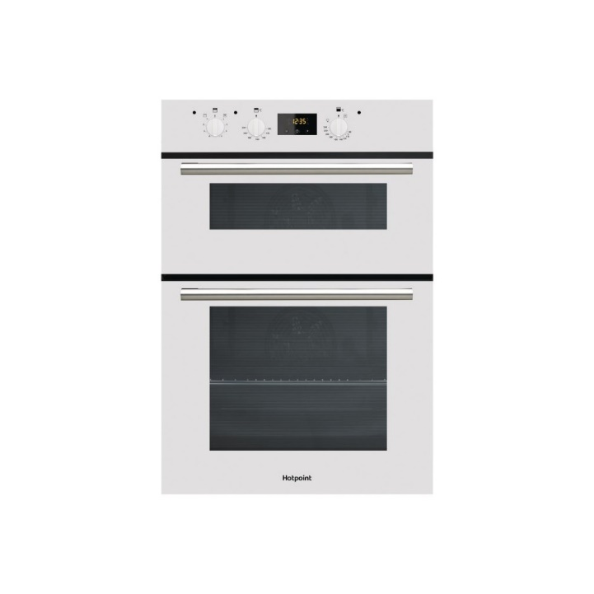 | Built In | 299
25 | Hotpoint GA2124IX HOTPOINT STAINLESS STEEL SINGLE BUILT IN OVEN | Hotpoint | GAS OVEN | Hotpoint, GA2124IX, Built In Single Gas Oven, featuring enamelled interior cavity, A class energy rating. 75 Litre Oven Capacity Double Glazed Door Easy Clean Enamel Interior Full Width Electric Grill Oven Light Flame Failure Safety Device 2 Oven Shelves Colour: Stainless Steel | 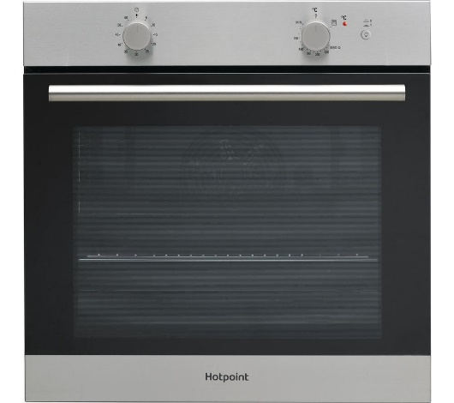 | Built In | 389
26 | Montpellier MWBI72X MONTPELLIER STAINLESS STEEL 25LTR BUILT IN MICROWAVE | Montpellier | MICROWAVE | The MWBI72X integrated microwave and grill offers 5 power levels and 8 auto cooking programmes for quick and easy no fuss cooking. With button and knob controls, an LED display and interior light it offers everything you need, and nothing you don’t. Integrated Microwave and Grill Stainless Steel 900w/1000w 5 Power Levels 8 Auto Cooking Programmes | 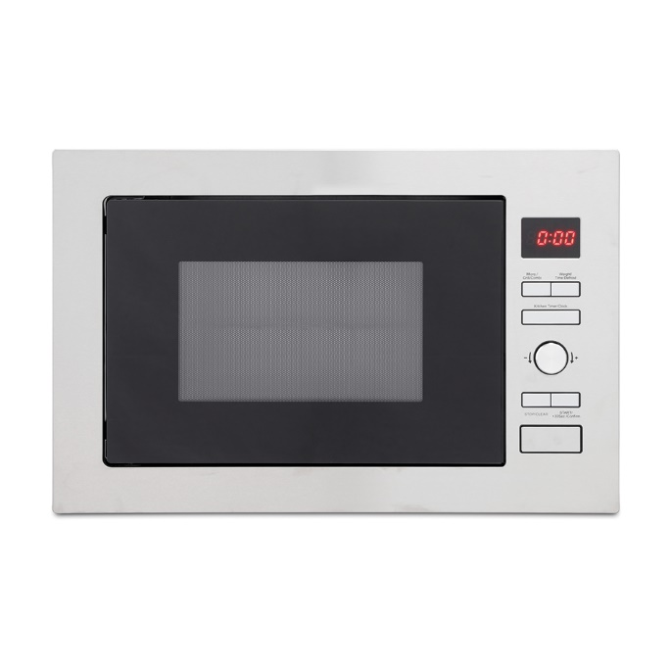 | Built In | 199
27 | Montpellier MWBI17-300 MONTPELLIER STAINLESS STEEL SLIM DEPTH BUILT IN SOLO MICROWAVE | Montpellier | MICROWAVE | Montpellier Built-in Slim Depth ‘Solo’ Microwave. 17ltr capacity, 700W, niche 300mm Deep. Integrated Solo Stainless Steel Red LED Display 5 Cooking Levels Interior Light | 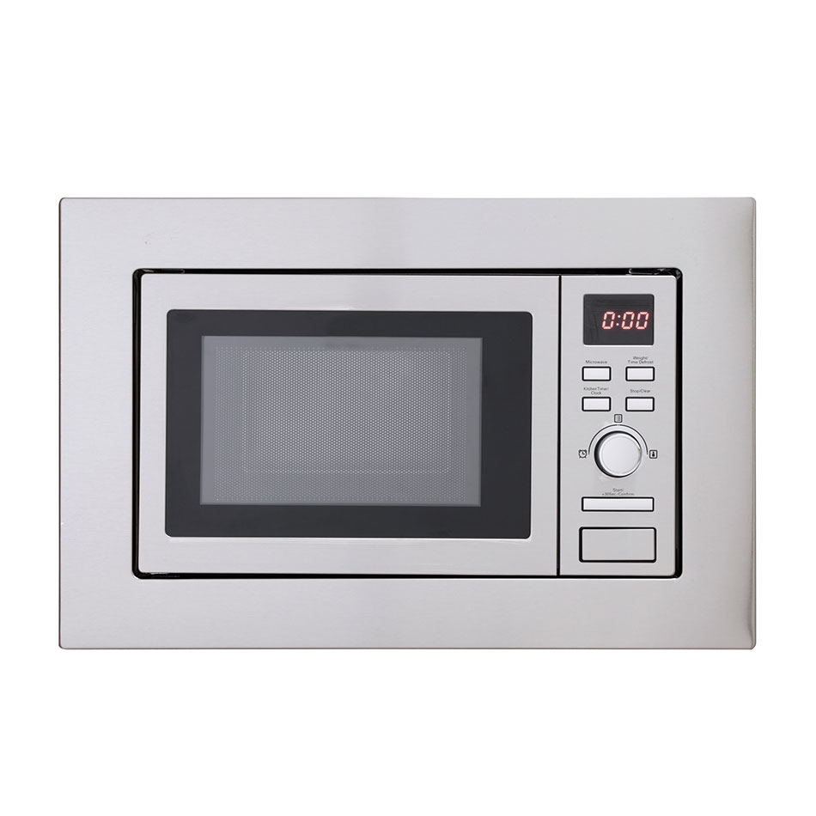 | Built In | 149
28 | Montpellier MWBI90025 MONTPELLIER STAINLESS STEEL 25L BUILT IN MICROWAVE WITH GRILL | Montpellier | MICROWAVE | Montpellier Built-in Digital Microwave & Grill, 25ltr Capacity, Complete with Trim Kit with 4mm Gap Integrated Microwave and Grill Stainless Steel 900w/1000w 5 Power Leads | 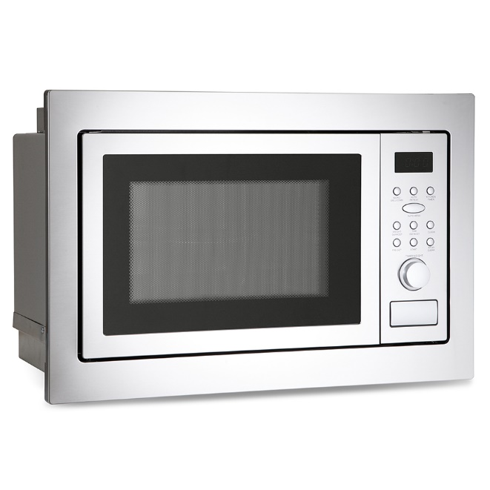 | Built In | 189
29 | Montpellier MWBIC90029 MONTPELLIER STAINLESS STEEL 25L COMBINATION MICROWAVE | Montpellier | MICROWAVE | Montpellier Built in Built In Combi Microwave, 25ltr Capacity, Complete with Frameless Trim Kit and Stainless Steel Cavity. 1100w Grill. Supplied with a 315mm Glass Turntable. Convection Cooking temperature selection between 130°C & 220°C. Combi Microwave 900W/1100W/2400W – Micro/Grill/Convection Auto Cooking Programmes Digital Display Defrost Setting | 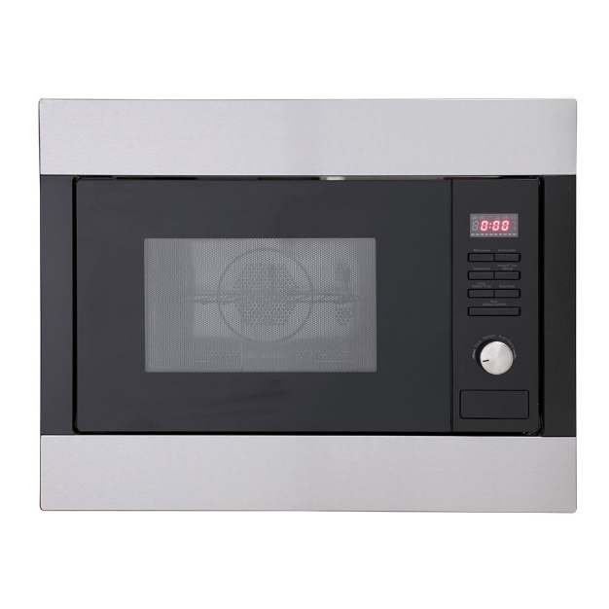 | Built In | 209
30 | Montpellier MWBI73B MONTPELLIER BLACK BUILT IN MICROWAVE WITH GRILL | Montpellier | MICROWAVE | The MWBI73B integrated microwave and grill offers 5 power levels and 8 auto cooking programmes for flexible no fuss cooking. With touch controls, an LCD display and auto door opening it offers the perfect balance of function and style. 900w/1000w 8 Auto Cooking Programmes Defrost Setting Auto Door Opening Black With Stainless Steel Trim | 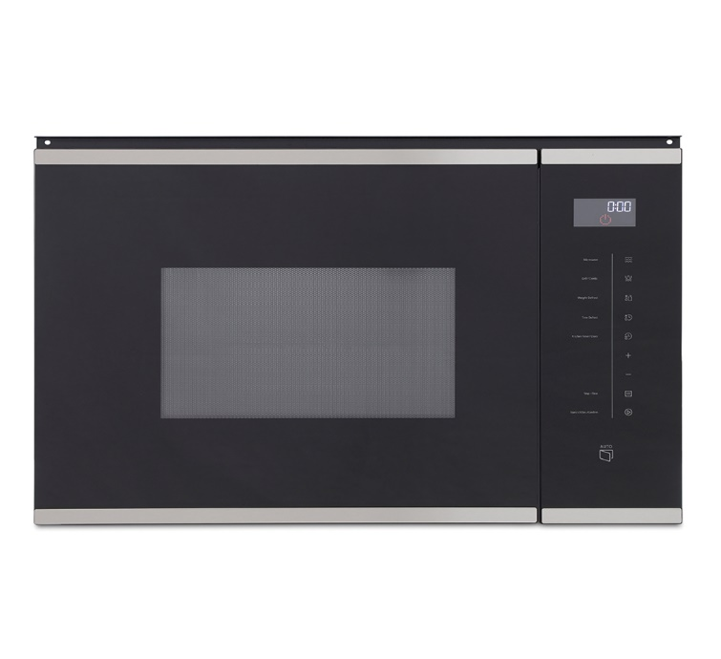 | Built In | 199
31 | Hotpoint MWH122-1X HOTPOINT STAINLESS STEEL BUILT IN MICROWAVE AND GRILL | Hotpoint | MICROWAVE | This Hotpoint built-in microwave oven with grill lets you prepare lots of meals quickly and conveniently. It’s perfect if you live in a small household, thanks to its 20 litre capacity. And, because it has a 800 Watt power output, you’ll never be waiting long for your food. Whether you’re defrosting meat or making a meal-for-one on a busy week night, there’s 5 power levels to choose from, so you’ll always be in control of your cooking. It also has a handy electronic minute minder, so you’ll always know when your meal is ready. This model fits at eye level. | 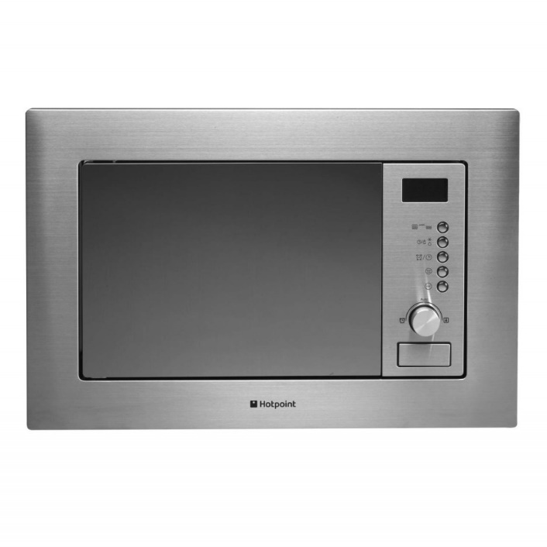 | Built In | 189
32 | Neff H53W50N3GB NEFF STAINLESS STEEL BUILT IN MICROWAVE | Hotpoint | MICROWAVE | he Neff H53W50N3GB built-in microwave combines both style and efficiency with flexible cooking. Benefiting from 7 automatic programmes including defrost and memory function. You can also choose from a range of weight cooking programmes to cook your meals to perfection. | 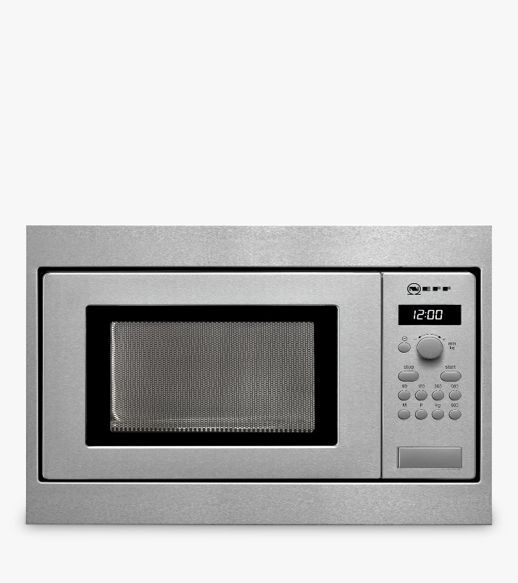 | Built In | 329
33 | Montpellier MWBIC74B MONTPELLIER BLACK BUILT IN COMBINATION MICROWAVE | Montpellier | MICROWAVE | The MWBIC74B integrated combi microwave is perfect for those who love cooking as it cooks in a similar way to a conventional oven, giving you that extra cavity space to meet all your cooking needs. This microwave offers the perfect balance of function and style with its 44Ltr capacity,6 power levels, defrost by weight setting, electronic clock and touch and dial controls. LED Display 900W Microwave/1750W Grill/1750W Convection 6 Power Levels Pull Down Door Black | 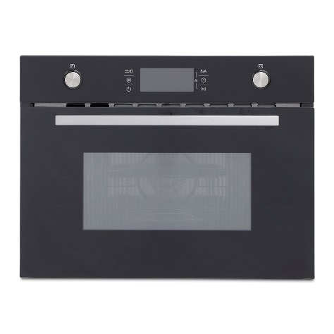 | Built In | 449
34 | Montpellier MWBIC90044 MONTPELLIER STAINLESS STEEL BUILT IN COMBINATION MICROWAVE | Montpellier | MICROWAVE | Montpellier Built-in Digital Combi Microwave, Massive 44ltr Capacity, Touch Control & Pull Down Door. Along with Auto Cooking Programmes & 3D Hot Air On with cooling fan. Integrated Combi Stainless Steel 900W Microwave/1100W Grill/2400W Convection Pull Down Door 3D Hot Air Oven | 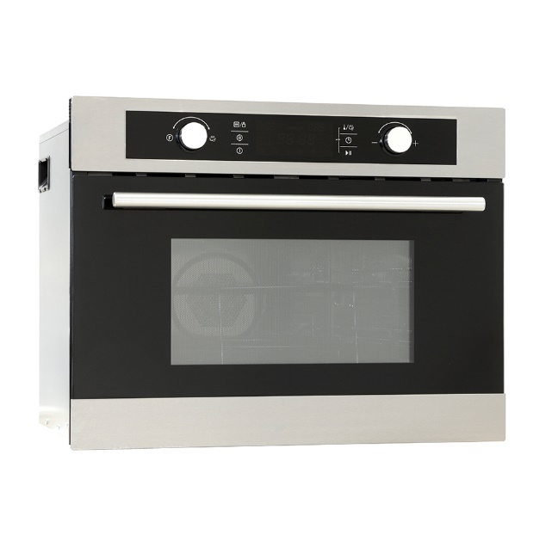 | Built In | 499
35 | Montpellier TDF60W MONTPELLIER ECO WHITE 60CM TWIN CAVITY DUAL FUEL COOKER | Montpellier | DUAL FUEL COOKER | Our Montpellier Eco range has been developed to offer an economical and energy efficient option for you. The TDF60W Dual Fuel Twin Cavity Cooker is a great option for those who want an affordable cooker that is both functional and easy to use and with an A energy rating, this cooker is also kind on your wallet too. Eco Range Model – Economical and Eco-friendly 64/31 Ltr Capacity 4 Gas Burners Electric Twin Cavity Oven Rotary Controls | 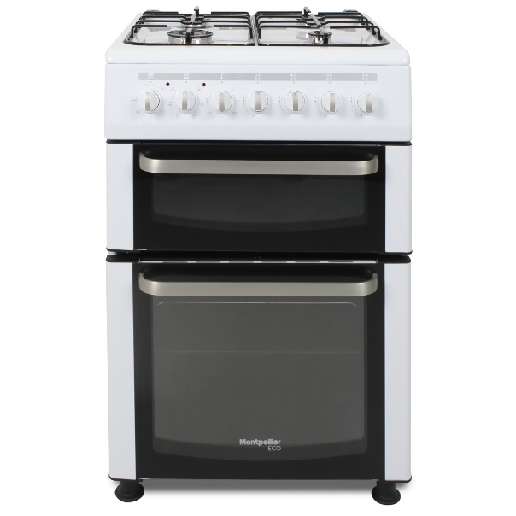 | Freestanding | 279
36 | Hotpoint HAG60K HOTPOINT 60CM BLACK DOUBLE OVEN GAS COOKER | Hotpoint | GAS COOKER | Designed for family homes, the HAG60K freestanding single gas double oven cooker is 60cm wide in a black finish. The 81 litre conventional oven provides ample room for your family meals and easy to use minute minder facility. The second 32 litre cavity contains a variable grill, so you can bake, roast and grill your food for the perfect family meals. Digital clock. Minute minder timer. Front mounted controls. Oven door window glazing: double glazed. | 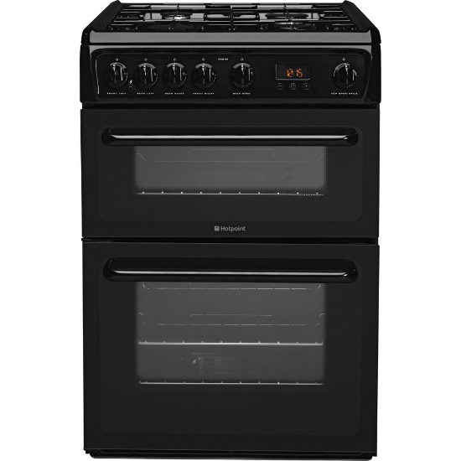 | Freestanding | 359
37 | Montpellier MMW21W MONTPELLIER WHITE 20LTR WHITE SOLO MICROWAVE | Montpellier | MICROWAVE | If you want a microwave with quick and easy functions and no fuss the MMW21W solo microwave can help you with that. Simple and stylish, it offers everything you need, and nothing you don’t. It’s 700W with a 20Ltr cavity and has 5 power levels including a defrost setting. A 35 minute cooking timer, white painted cavity and rotary controls. With a bold curved handle, it makes opening and closing effortless. | 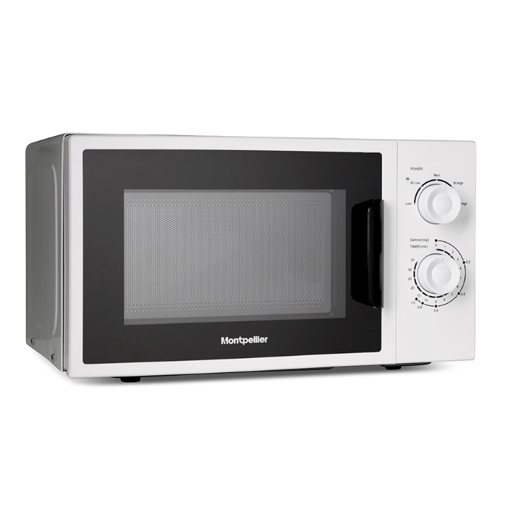 | Freestanding | 75
38 | Hotpoint HUE61GS HOTPOINT ULTIMA GRAPHITE 60CM ELECTRIC COOKER | Hotpoint | ELECTRIC COOKER | The Hotpoint HUE61GS Ceramic Electric Double Oven in a graphite finish boasting over 100 litres of cooking space across two ovens enough for a large family. The 4 ceramic burners provide room for all your pots and pans so the boiled vegetables and sauces are sorted too. The main oven is a fan oven which cooks food evenly as the air is circulated around your food, meaning you can stick everything in at once. And the top cavity can be used as grill or conventional oven giving you flexibility. Both ovens are A rated for energy, making them extremely efficient making it cheaper to run and saving you money as well. There is a hassle free automatic ignition and you can set the programmable timer to start cooking when you're out and can have your meal ready as you step in the door perfect when time is short. | 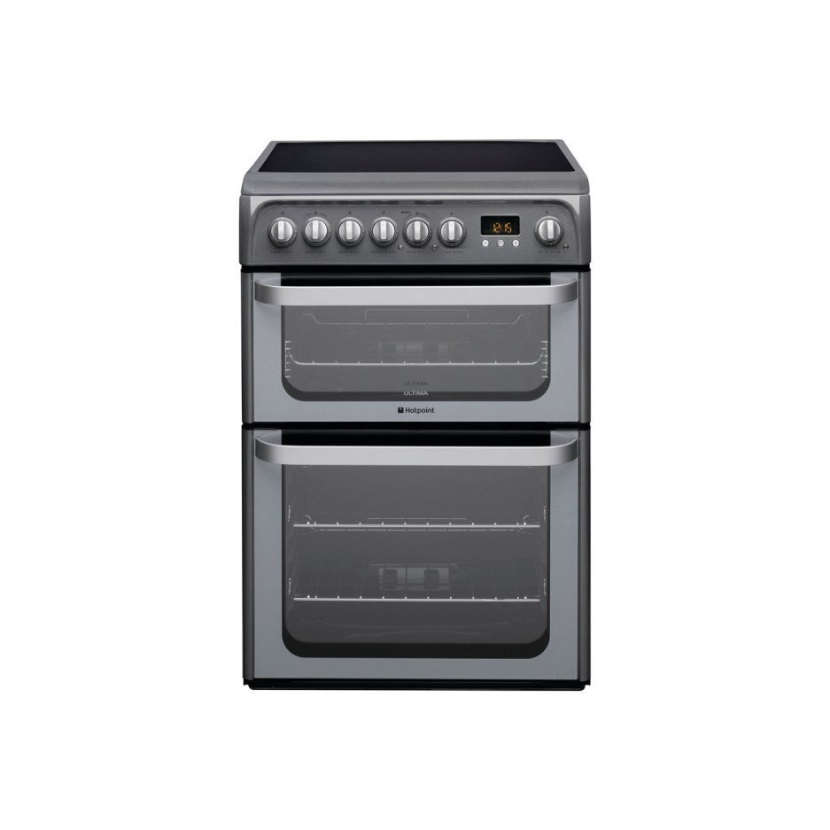 | Freestanding | 389

