Laundry
Sr. No | Appliance Name | Brand Name | Category | Description | Picture | Type | Price
1 | Montpellier MIWM84 8KG 1400 INTEGRATED WASHING MACHINE | Montpellier | WASHING MACHINE | Our MIWM84 fully integrated washing machine is easy to install and comes with a load capacity of 8kg, a 1400rpm spin speed and 15 programmes, including a 30 minute quick wash, for when you need your washing done in a hurry. It also has a 24hr delay start, allowing you to set your washing to turn on at a time that suits you. The A+++ energy rating will not only help the environment, but will also help save money on your energy bills. | 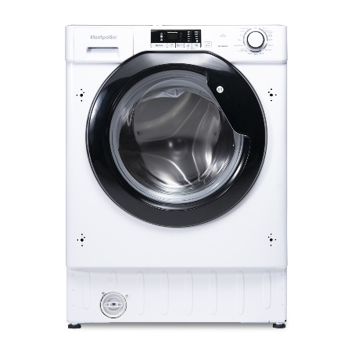 | Built In | 350
2 | Hotpoint BIWMHG71484 7KG 1400 INTEGRATED WASHING MACHINE | Hotpoint | WASHING MACHINE | This small, compact built-in washing machine is the perfect solution for a small place. Featuring a spacious 7kg capacity, outstanding A+++ energy rating (which effectively reduces energy consumption by 10%) and a fast, resource efficient 1400rpm spin speed. Invertor motor: This Hotpoint washing machine's Invertor motor is designed to ensure a long lasting performance and improve end results.Anti-stain cycle Removes over 100 stains at only 40° in one wash without pre-treatment! Anti-stain is a specific cycle studied to remove even the most difficult stains, without pre-treating. | 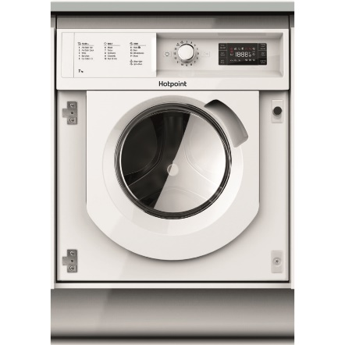 | Built In | 359
3 | Hotpoint BIWMHG81484 8KG 1400 INTEGRATED WASHING MACHINE | Hotpoint | WASHING MACHINE | The Hotpoint BI WMHG 81484 UK Integrated Washing Machine comes with the Intelligent Anti-Stain technology and an A+++ energy rating, this washing machine will save you money and energy while still maintaing a high standard of washing. Care for your woollens with a delicate wash programme that ensures a perfect clean whilst protecting the softness of the fabric. This cycle has been approved by the Woolmark as a valid wash to use on woollens with the Hand wash label. | 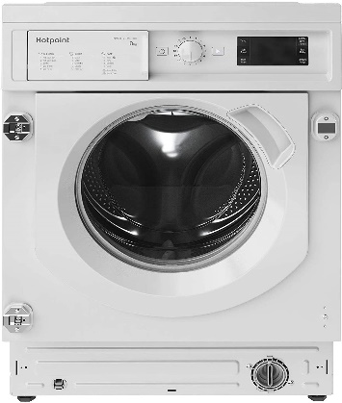 | Built In | 369
4 | Montpellier MIHP70 MONTPELLIER INTEGRATED 7KG HEAT PUMP TUMBLE DRYER | Montpellier | TUMBLE DRYER | Our 7Kg MIHP70 Integrated Tumble Dryer gives you first class performance for drying your clothes, and can be hidden away neatly behind your kitchen cabinetry. This machine collects all of the water from your clothes and fills up the water container positioned on the door, meaning it’s even easier to access after a cycle, and empty. Using its clever sensor technology, this tumble dryer detects when your clothes are dry and ends the cycle automatically even if it still has time remaining, saving you energy and money on your energy bills. With an A+ energy rating, 15 programmes and LED display, this dryer gives you perfectly dry clothing every time. | 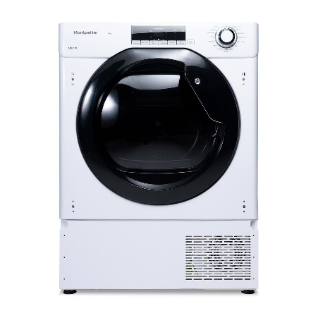 | Built In | 539
5 | Montpellier MIWD75 MONTPELLIER INTEGRATED 7.5KG / 5KG WASHER DRYER | Montpellier | WASHER DRYER | Fully integrated options like this one means that they can be attractively hidden behind a cabinet door. Our MIWD75 Washer Dryer gives you 7.5kg of wash capacity, a 1400rpm spin and 5kg drying. With 13 wash programmes, 3 drying programmes and an AAA energy rating, it will deliver outstanding wash and dry performance whilst saving you energy. | 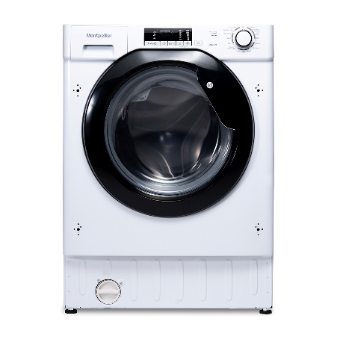 | Built In | 399
6 | Hotpoint BIWDHG75148 HOTPOINT BUILT IN 7/5KG WASHER DRYER | Hotpoint | WASHER DRYER | The Hotpoint BIWDHG75148 Integrated Washer Dryer comes with the Intelligent Anti-Stain technology which eliminates 100 stains as low as 40 degrees as well as saving time with the Anti-Stain Quick Cycle which removes 40 stains in just 45 minutes. This innovative feature ensures a higher class than any standard wash so you can wear your clothes time and time again. Keep your garments fresh in the most natural way by using the Steam Refresh function that freshens your clothes without the need for a full wash whilst reducing those annoying creases making it far easier to iron. | 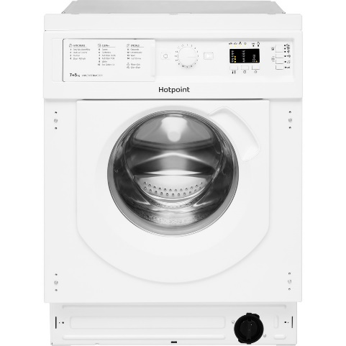 | Built In | 439
7 | Hotpoint NSWF742UGG HOTPOINT GRAPHITE 7KG 1400 SPIN WASHING MACHINE | Hotpoint | WASHING MACHINE | Treat your clothes to the care they deserve with the 7kg 1400rpm spin Hotpoint NSWF 743U GG UK Washing Machine. Designed to protect your clothes against stubborn stains along side cycles that are high performing which combines to give this washing machine it’s A+++ energy rating. With the Anti Stain cycle you can ensure that this machine is able to tackle the most common household stains without the need to pre-treat your clothes, the tailored drum motions and water monitoring technology is the science behind Hotpoint’s stain removal. | 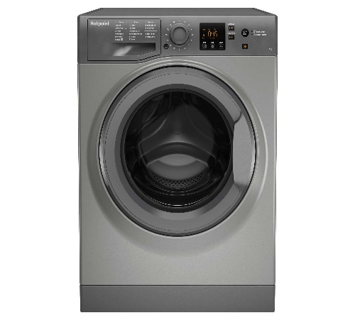 | Freestanding | 289
8 | Montpellier MW9140P MONTPELLIER WHITE 9KG 1400 SPIN WASHING MACHINE | Montpellier | WASHING MACHINE | The Montpellier 9Kg capacity MW9140P Washing Machine offers are large drum capacity for larger households. With 15 wash programmes to choose from, it’s easy to choose the perfect wash for your needs. With a 15 minute Express Wash this washing machine helps save you time when you’re in a rush. Forgotten something? No problem! Our Stop Add Go technology means that you can add that missed item even after the cycle has started. | 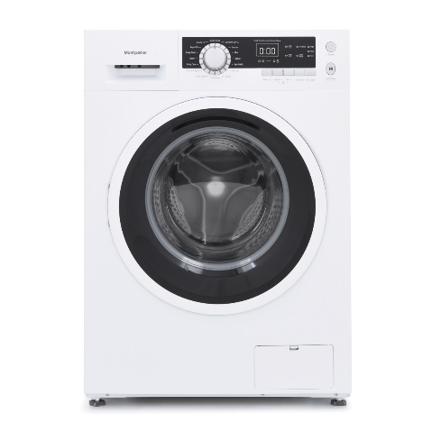 | Freestanding | 319
9 | Montpellier MTD30P MONTPELLIER WHITE 3KG COMPACT TUMBLE DRYER | Montpellier | TUMBLE DRYER | Our MTD30P 3 Kg Compact Tumble Dryer is the perfect solution for those who need a dryer, but are limited for space. If you thought you didn’t have space for a tumble dryer, think again. Ideal for sitting on a worktop in your utility room or kitchen, in a ventilated unit, or hung on the wall with it’s wall brackets (sold separately) this Compact Tumble Dryer comes with 5 drying programmes. | 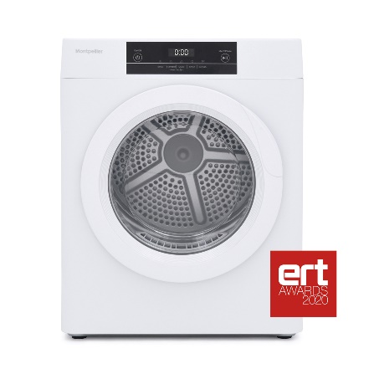 | Freestanding | 159

