Hobs
Sr. No | Appliance Name | Category | Brand Name | Description | Picture | Type | Price
1 | Montpellier SP601X MONTPELLIER STAINLESS STEEL 60CM SOLID PLATE HOB | Hob | Montpellier | Our SP601X 60cm solid plate hob is the perfect edition to your kitchen if your looking for a 4 zone hob on a low budget and also want something that is more resilient to scratches. Solid Plate Rotary Control Knobs Hob Hot Indicator Easy to Use | 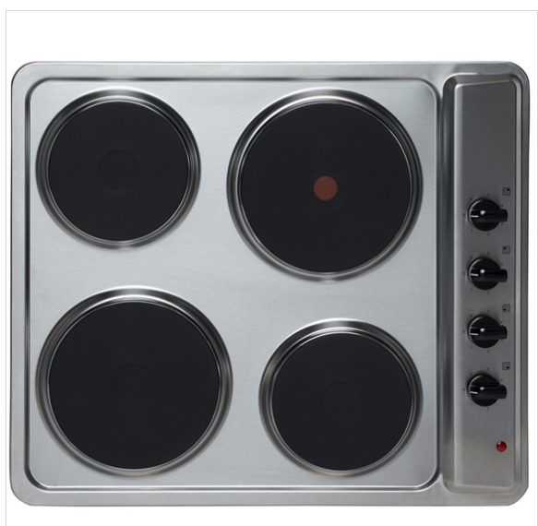 | Built in | 119
2 | Montpellier CER31NT MONTPELLIER 30CM DOMINO CERAMIC HOB | Hob | Montpellier | Our CER31NT 30cm ceramic domino hob is the perfect edition to your kitchen if you lack cooking space and want a sleek and stylish design. It also allows you the flexibility to mix and match your cooking styles to create a modern combination design. Ceramic 2 Zones Front Touch Control Heat Indicator Light No Cut Off Timer | 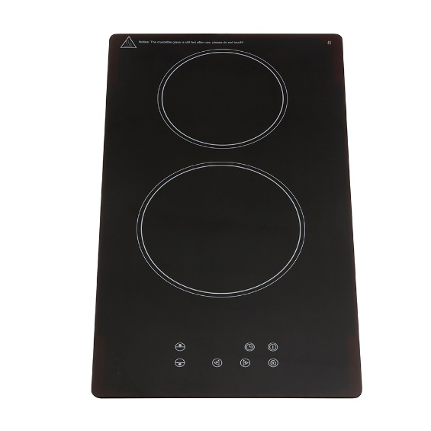 | Built in | 135
3 | Montpellier MGB60X MONTPELLIER STAINLESS STEEL 60CM SIDE CONTROL GAS HOB | Hob | Montpellier | Montpellier MGB60X 4 Zone Gas Hob with Enamel Pan Supports . 4 Gas Burners Enamel Pan Supports Auto Ignition LPG Convertible with Kit Included Flame Failure Safety Device | 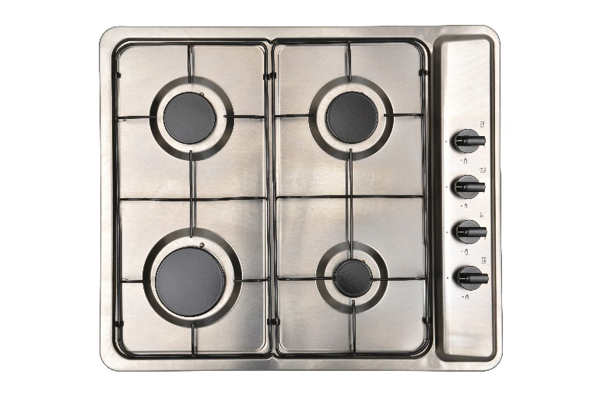 | Built in | 135
4 | Hotpoint E320SKIX HOTPOINT 30CM STAINLESS STEEL SOLID PLATE HOB | Hob | Hotpoint | The Hotpoint E320SKIX Built-in Electric Hob comes in a modern stainless steel colour just under 30cm with 2 electric plates and 2 easy to use knob controls. There is residual heat indicator feature where the indicator lights stay on until the surface has cooled down to a temperature which is safe enough to touch. There are 6 power levels to choose from, so you can choose the perfect power level for the food youre cooking. You will be glad to know that the smaller of the hobs provides 1.5 kW of power, whilst the other provides 2.0 kW. Also features on/off lights that warn you when the plates are turned on, helping to avoid accidents. | 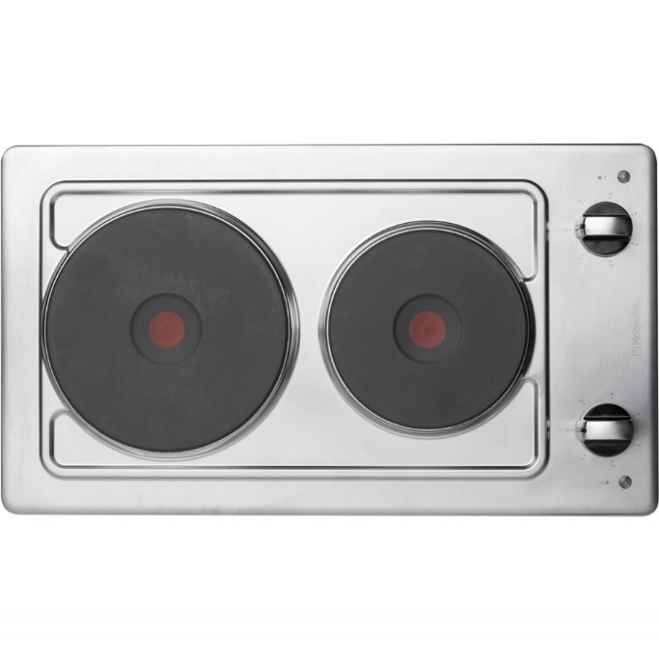 | Built in | 109
5 | Hotpoint PAN642IXH HOTPOINT STAINLESS STEEL 60CM GAS HOB | Hob | Hotpoint | Classically designed to fit seamlessly within every kitchen décor whether modern, traditional or contemporary – the Hotpoint Built-In Gas Hob (PAN 6442 IX/H) in stainless steel delivers exceptional cooking power to your home. With four burners, one with rapid heat, two of which are semi-rapid – this model offers versatility and fully adaptable temperature control, with an automatic ignition for safety. Sturdy Enamel Supports hold your pans firmly, giving your peace of mind as well as an easy-to-clean foundation. | 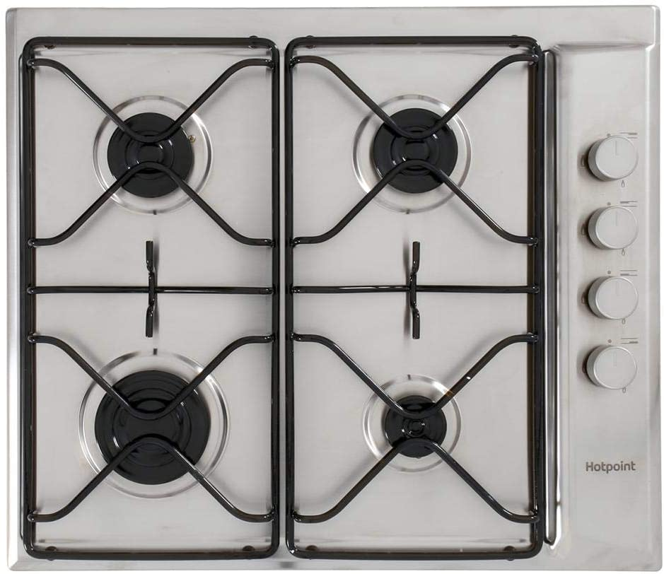 | Built in | 169
6 | Montpellier INT61NT MONTPELLIER 60CM INDUCTION HOB | Hob | Montpellier | Our INT61NT 60cm induction hob is the perfect edition to your kitchen if your looking for a 4 zone hob with a stylish design and heats the contents of your pan up quickly. The induction technology means the pan* is heated directly rather than wasting energy heating the cooking surface, this is how it is able to heat up quicker than a ceramic hob would. There is also little residual heat from the cooking surface which means spills can be quickly wiped up soon after cooking. **Pan must have a high iron content due to induction working on magnetism.) | 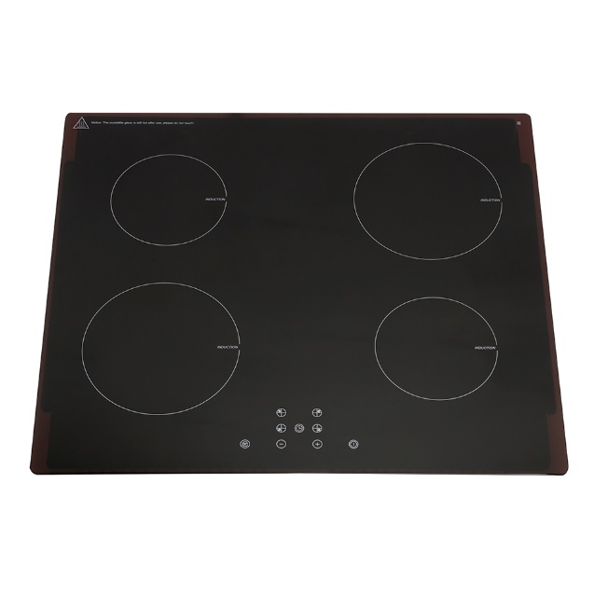 | Built in | 179
7 | Montpellier MGH90CX MONTPELLIER STAINLESS STEEL 90CM GAS HOB | Hob | Montpellier | Montpellier 86cm Stainless Steel Gas Hob with Custom Cast Iron Pan Supports, Auto Iginition and comes complete with a 2 Year Guarantee. 5 Burners Cast Iron Pan Supports Auto Ignition LPG Convertible with Kit Included Flame Failure Safety Device | 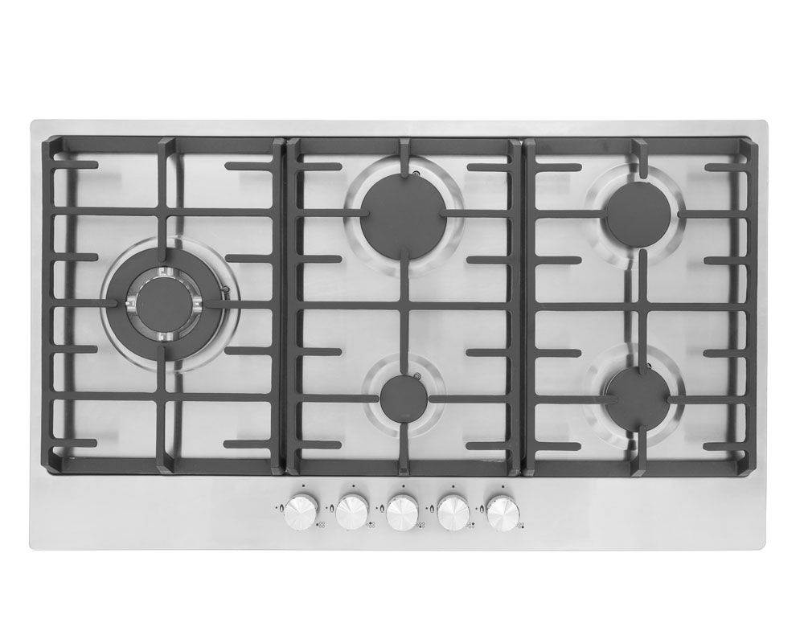 | Built in | 219
8 | Hotpoint FTGHG751DHBK HOTPOINT BLACK GAS ON GLASS HOB | Hob | Hotpoint | Proving functionality can be fashionable too, the Hotpoint Built-In Gas Hob comes with a stylish black glass finish and multi-ring options for a wide-variety of cooking. Using Direct Flame Technology, enjoy perfectly even heat across the entire surface on your pan thanks to 420 tiny holes which direct the heat upwards to prevent energy loss around the pan. Saving up to 20% in energy and cooking time – it’s the most effective way to cook on gas yet. A five ring set up with one fast burner, two semi-fast and two auxiliary burners, the cast iron supports give exceptional stability to your pans and robust heat distribution when you’re cooking. | 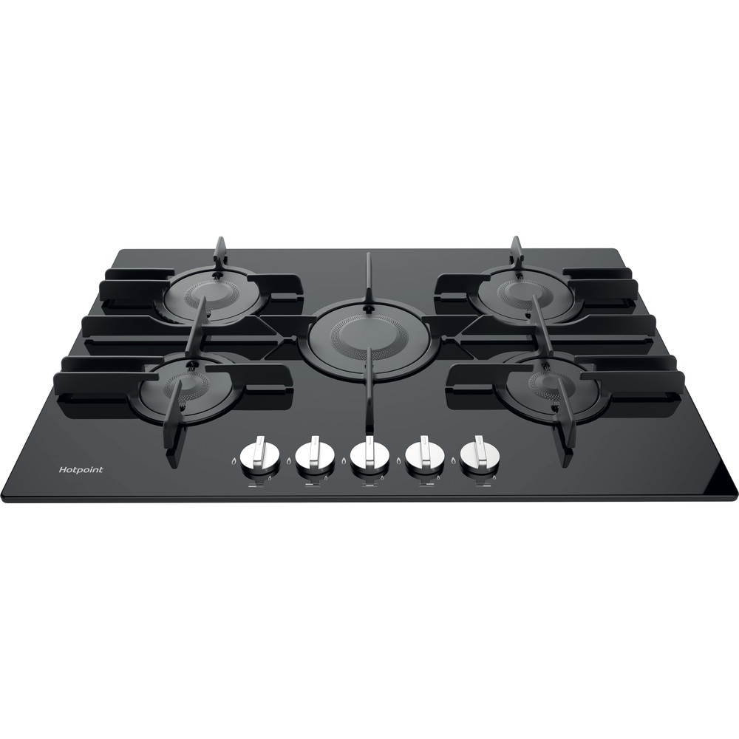 | Built in | 489

