Laminate worktops
Sr. No | Worktop Type | Worktop Name | Color | Size | Description | Price | Picture
1 | Laminate worktop | Luxe Black Andromeda | Black | 3M x 600 x 22mm | 22mm profile square edge. These worktops require very low maintenance. | 195 | 
2 | Laminate worktop | Luxe Black Andromeda | Black | 3M x 900 x 22mm | 22mm profile square edge. These worktops require very low maintenance. | 312
3 | Laminate worktop | Luxe Black Andromeda | Black | 4M x 600 x 22mm | 22mm profile square edge. These worktops require very low maintenance. | 260
4 | Laminate worktop | Grey Granite Laminate Worktops - Dolomite | Grey | 3M x 600 x 38mm | 38mm profile square edge. These worktops require very low maintenance. | 104 | 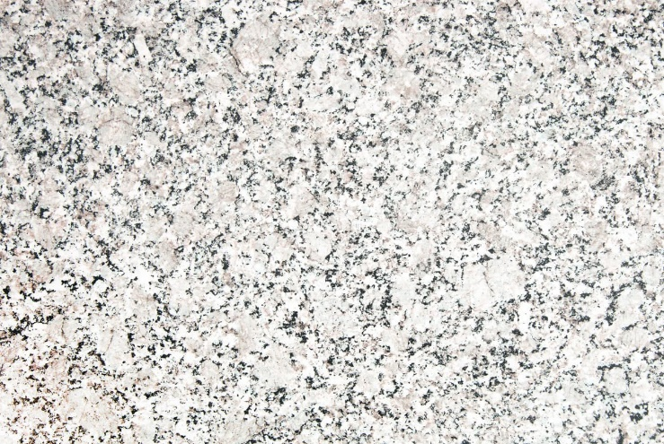
5 | Laminate worktop | Grey Granite Laminate Worktops - Dolomite | Grey | 3M x 900 x 38mm | 38mm profile square edge. These worktops require very low maintenance. | 189 | 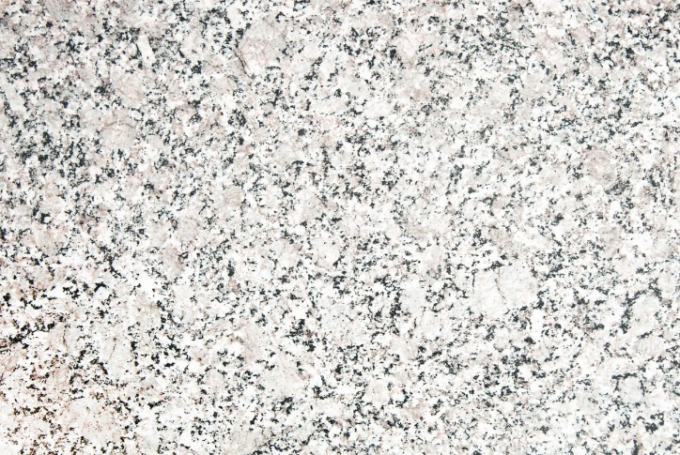
6 | Laminate worktop | Grey Granite Laminate Worktops - Dolomite | Grey | 4.1M x 600 x 38mm | 38mm profile square edge. These worktops require very low maintenance. | 150 | 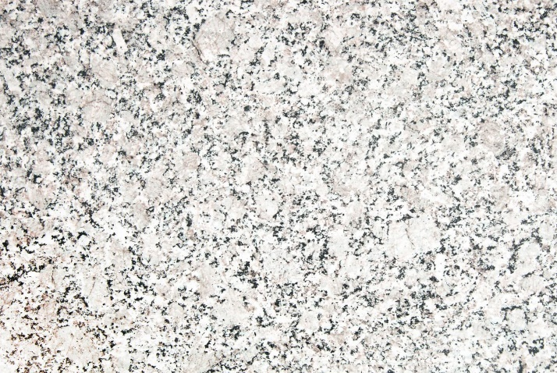
7 | Laminate worktop | Oak Effect Worktop | Oak | 3M x 600 x 38mm | 38mm profile square edge. These worktops require very low maintenance. | 104 | 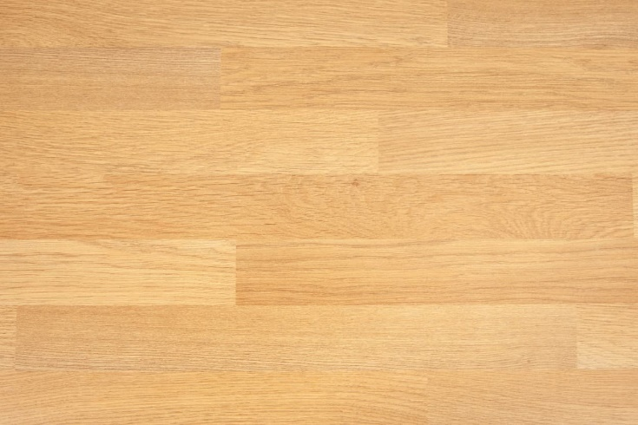
8 | Laminate worktop | Oak Effect Worktop | Oak | 3M x 900 x 38mm | 38mm profile square edge. These worktops require very low maintenance. | 189
9 | Laminate worktop | Oak Effect Worktop | Oak | 4.1M x 600 x 38mm | 38mm profile square edge. These worktops require very low maintenance. | 150
10 | Laminate worktop | Walnut Laminate Worktop | Walnut | 3M x 600 x 38mm | 38mm profile square edge. These worktops require very low maintenance. | 104 | 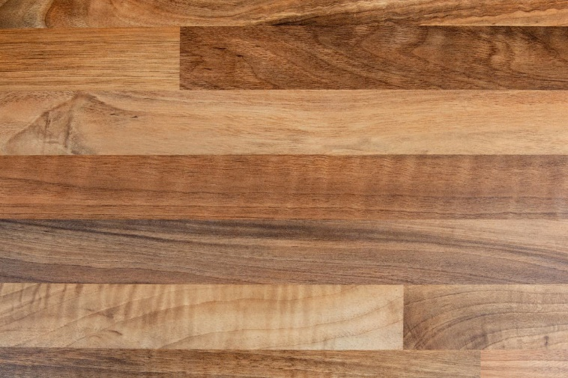
11 | Laminate worktop | Walnut Laminate Worktop | Walnut | 3M x 900 x 38mm | 38mm profile square edge. These worktops require very low maintenance. | 189
12 | Laminate worktop | Walnut Laminate Worktop | Walnut | 4.1M x 600 x 38mm | 38mm profile square edge. These worktops require very low maintenance. | 150
13 | Laminate worktop | Cream Laminate Worktops - Taurus Beige | Cream | 3M x 600 x 38mm | 38mm profile square edge. These worktops require very low maintenance. | 104 | 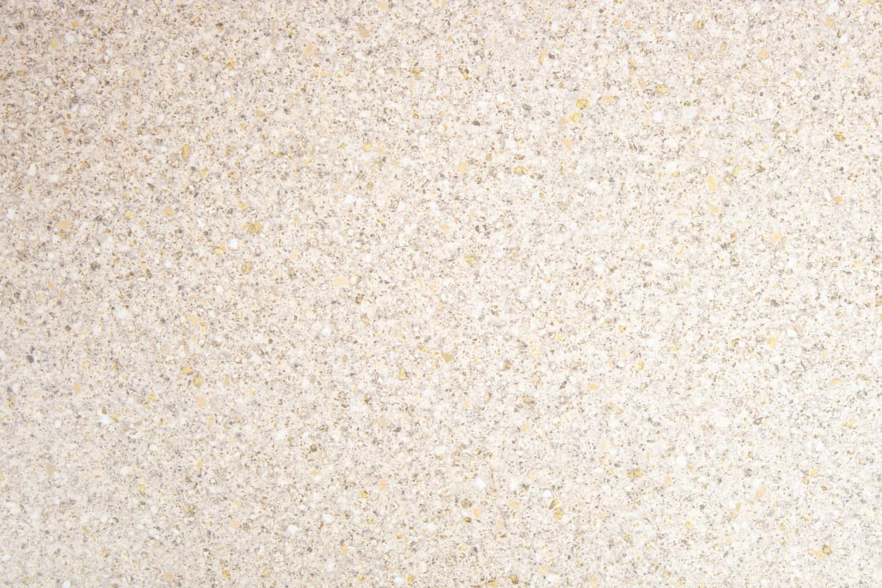
14 | Laminate worktop | Cream Laminate Worktops - Taurus Beige | Cream | 3M x 900 x 38mm | 38mm profile square edge. These worktops require very low maintenance. | 189
15 | Laminate worktop | Cream Laminate Worktops - Taurus Beige | Cream | 4M x 600 x 38mm | 38mm profile square edge. These worktops require very low maintenance. | 150
16 | Laminate worktop | White Worktops | White | 3M x 600 x 38mm | 38mm profile square edge. These worktops require very low maintenance. | 104 | 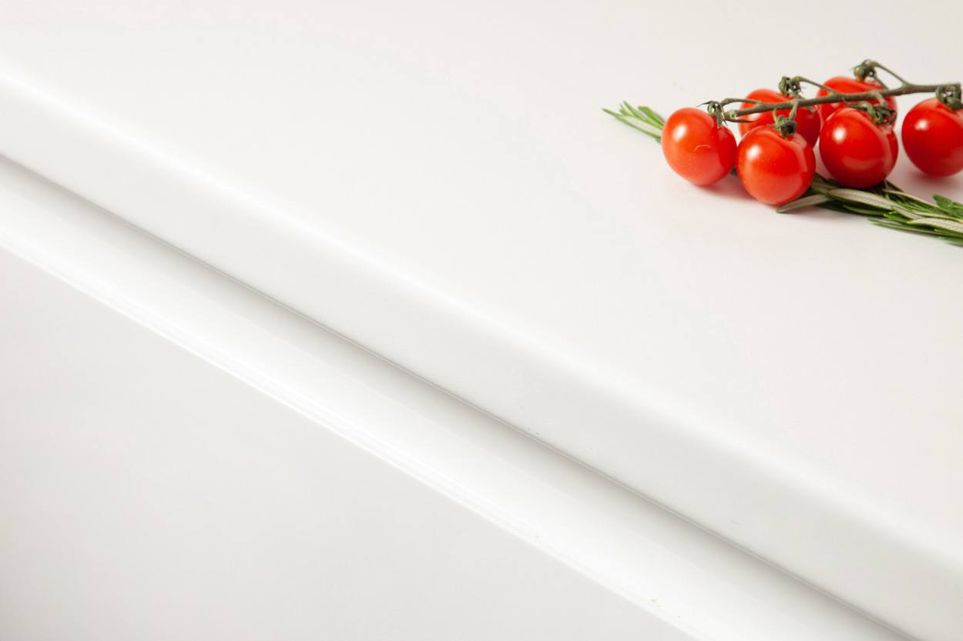
17 | Laminate worktop | White Worktops | White | 3M x 900 x 38mm | 38mm profile square edge. These worktops require very low maintenance. | 189
18 | Laminate worktop | White Worktops | White | 4M x 600 x 38mm | 38mm profile square edge. These worktops require very low maintenance. | 150
19 | Laminate worktop | Black Worktops | Black | 3M x 600 x 38mm | 38mm profile square edge. These worktops require very low maintenance. | 104 | 
20 | Laminate worktop | Black Worktops | Black | 3M x 900 x 38mm | 38mm profile square edge. These worktops require very low maintenance. | 189
21 | Laminate worktop | Black Worktops | Black | 4.1M x 600 x 38mm | 38mm profile square edge. These worktops require very low maintenance. | 150
22 | Laminate worktop | Beech Block Laminate Worktops | Beech | 3M x 600 x 38mm | 38mm profile square edge. These worktops require very low maintenance. | 104.5 | 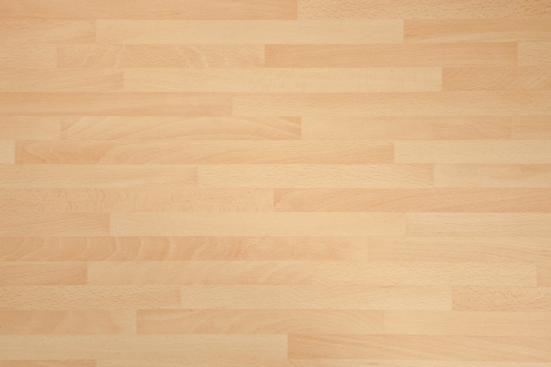
23 | Laminate worktop | Beech Block Laminate Worktops | Beech | 3M x 900 x 38mm | 38mm profile square edge. These worktops require very low maintenance. | 189
24 | Laminate worktop | Black Granite Laminate Worktops | Black | 3M x 600 x 38mm | 38mm profile square edge. These worktops require very low maintenance. | 104 | 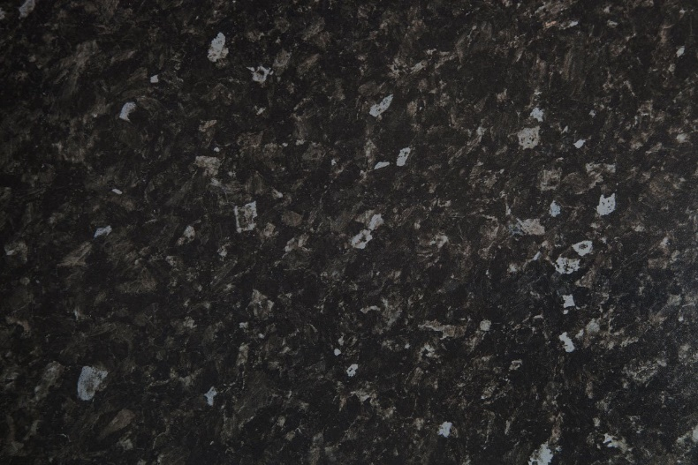
25 | Laminate worktop | Black Granite Laminate Worktops | Black | 3M x 900 x 38mm | 38mm profile square edge. These worktops require very low maintenance. | 189
26 | Laminate worktop | Black Granite Laminate Worktops | Black | 4.1M x 600 x 38mm | 38mm profile square edge. These worktops require very low maintenance. | 150
27 | Laminate worktop | Black Quartz Laminate Worktops | Black | 3M x 600 x 38mm | 38mm profile square edge. These worktops require very low maintenance. | 104 | 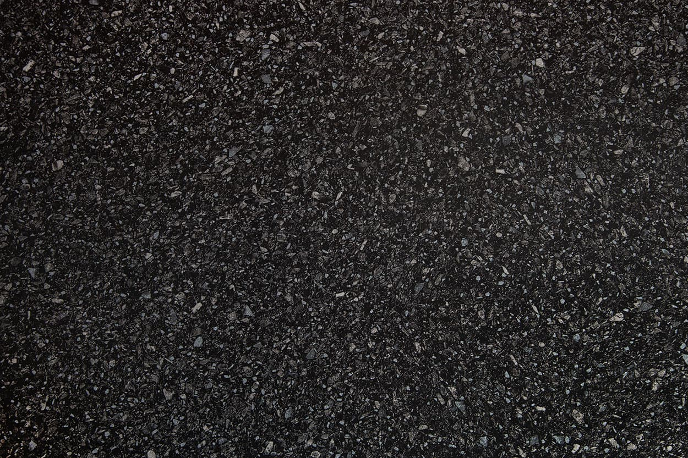
28 | Laminate worktop | Black Quartz Laminate Worktops | Black | 3M x 900 x 38mm | 38mm profile square edge. These worktops require very low maintenance. | 189
29 | Laminate worktop | Black Quartz Laminate Worktops | Black | 4.1M x 600 x 38mm | 38mm profile square edge. These worktops require very low maintenance. | 150
30 | Laminate worktop | Concrete Laminate Worktops - Grey | Grey | 3M x 600 x 38mm | 38mm profile square edge. These worktops require very low maintenance. | 130 | 
31 | Laminate worktop | Concrete Laminate Worktops - Grey | Grey | 3M x 900 x 38mm | 38mm profile square edge. These worktops require very low maintenance. | 241
32 | Laminate worktop | Concrete Laminate Worktops - Grey | Grey | 4.1M x 600 x 38mm | 38mm profile square edge. These worktops require very low maintenance. | 195

