OXFORD
Kitchen Picture | 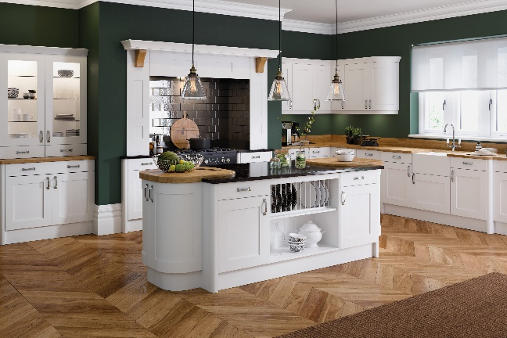
Name of kitchen | OXFORD
Kitchen Door Color | White
Kitchen Cabinet Color | White

 |  | Sr.No | UNIT | UNIT TYPE | DESCRIPTION | IMAGE | LIST PRICE | SKU
 |  | 1 | BASE UNIT | BASE UNIT | 150MM BASE UNIT | 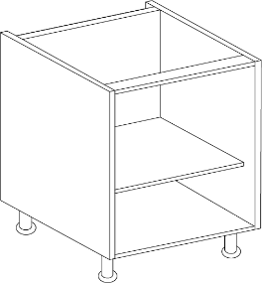 | 112.5 | JXXXU15B
 |  | 2 | BASE UNIT | BASE UNIT | 260MM BASE UNIT | 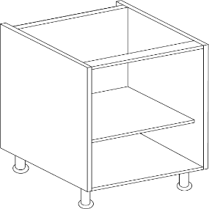 | 125.83 | JXXXU26B
 |  | 3 | BASE UNIT | BASE UNIT | 300MM BASE UNIT |  | 130.83 | JXXXU30B
 |  | 4 | BASE UNIT | BASE UNIT | 350MM BASE UNIT |  | 137.5 | JXXXU35B
 |  | 5 | BASE UNIT | BASE UNIT | 400MM BASE UNIT |  | 144.17 | JXXXU40B
 |  | 6 | BASE UNIT | BASE UNIT | 450MM BASE UNIT | 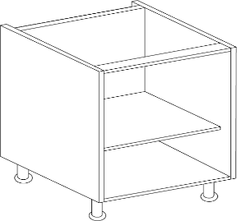 | 149.17 | JXXXU45B
 |  | 7 | BASE UNIT | BASE UNIT | 500MM BASE UNIT |  | 155.83 | JXXXU50B
 |  | 8 | BASE UNIT | BASE UNIT | 600MM BASE UNIT |  | 168.33 | JXXXU60B
 |  | 9 | BASE UNIT | BASE UNIT | 700MM BASE UNIT |  | 194.17 | JXXXU70B
 |  | 10 | BASE UNIT | BASE UNIT | 800MM BASE UNIT |  | 205.83 | JXXXU80B
 |  | 11 | BASE UNIT | BASE UNIT | 900MM BASE UNIT | 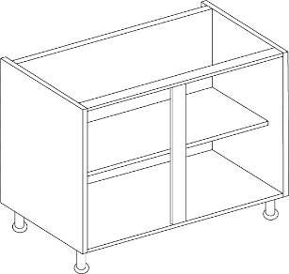 | 216.67 | JXXXU90B
 |  | 12 | BASE UNIT | BASE UNIT | 1000MM BASE UNIT |  | 225.83 | JXXXU10B
 |  | 13 | BASE UNIT | BASE UNIT | UNDER OVEN HOUSING | 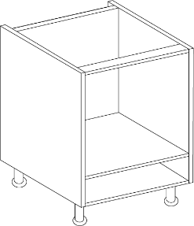 | 133.33 | JXXXUUOH
 |  | 14 | BASE UNIT | BELFAST SINK UNIT | 455MM BELFAST SINK | 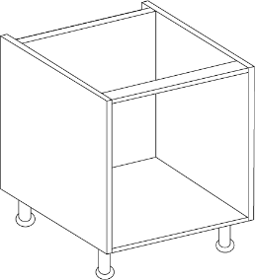 | 165 | JXXXUBEL455
 |  | 15 | BASE UNIT | BELFAST SINK UNIT | 495MM BELFAST SINK |  | 170 | JXXXUBEL495
 |  | 16 | BASE UNIT | SINK BASES | 1000MM 1 DRAWER BASE 1 | 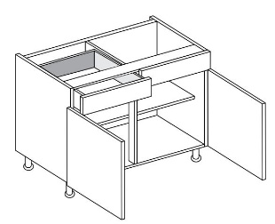 | 327.5 | JXXXU10DL1
 |  | 17 | BASE UNIT | SINK BASES | 500MM 1 DUMMY DRAWER BASE | 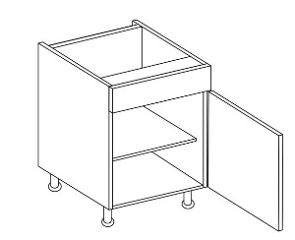 | 161.67 | JXXXU50DL0
 |  | 18 | BASE UNIT | SINK BASES | 600MM 1 DRAWER DUMMY |  | 175 | JXXXU60DL0
 |  | 19 | BASE UNIT | SINK BASES | 800MM 1 DRAWER DUMMY | 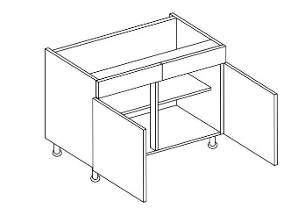 | 203.33 | JXXXU80DL0
 |  | 20 | BASE UNIT | SINK BASES | 800MM 1 DRAWER BASE 1 |  | 290.83 | JXXXU80DL1
 |  | 21 | BASE UNIT | SINK BASES | DYN UNDERSINK PULL OUT | 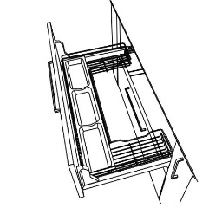 | 580.83 | JXXXUUNDSINK
 |  | 22 | BASE UNIT | CORNER & CURVE | 900MM CBASE L SHAPE | 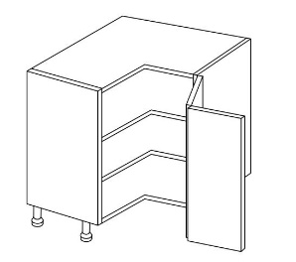 | 292.5 | JXXXUCBASE
 |  | 23 | BASE UNIT | CORNER & CURVE | CURVED BASE CAB | 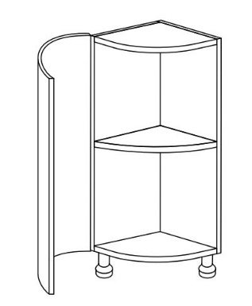 | 400.83 | JXXXUCRVB
 |  | 24 | BASE UNIT | CORNER & CURVE | 1970 BASE 260 |  | 338.33 | JXXXUETBASE26
 |  | 25 | BASE UNIT | CORNER & CURVE | 1970 RADIUS UNIT | 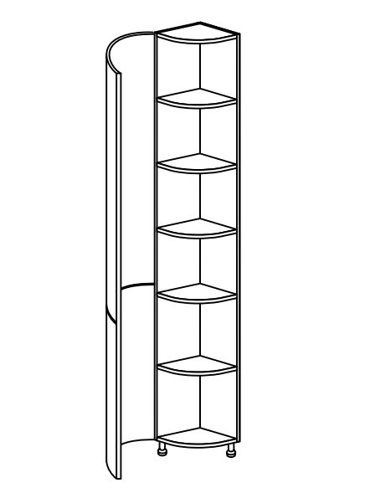 | 866.67 | JXXXUETRADIUS
 |  | 26 | BASE UNIT | CORNER & CURVE | 1000MM CBASE 500MM DOOR | 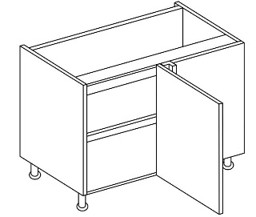 | 189.17 | JXXXU10CB5
 |  | 27 | BASE UNIT | CORNER & CURVE | 1000MM CBASE 600MM DOOR |  | 199.17 | JXXXU10CB6
 |  | 28 | BASE UNIT | CORNER & CURVE | 900MM CBASE 450MM DOOR |  | 185 | JXXXU90CB
 |  | 29 | BASE UNIT | CORNER & CURVE | 800 CORNER BASE |  | 177.5 | JXXXU80CB4
 |  | 30 | DRAWER LINE UNIT | 1 DRAWER | 300MM 1 DRAWER BASE | 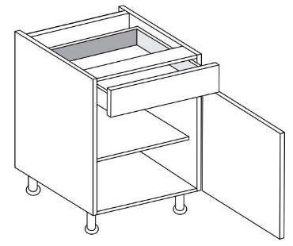 | 222.5 | JXXXU30DL1
 |  | 31 | DRAWER LINE UNIT | 1 DRAWER | 400MM 1 DRAWER BASE |  | 236.67 | JXXXU40DL1
 |  | 32 | DRAWER LINE UNIT | 1 DRAWER | 500MM 1 DRAWER BASE |  | 250.83 | JXXXU50DL1
 |  | 33 | DRAWER LINE UNIT | 1 DRAWER | 600MM 1 DRAWER BASE | 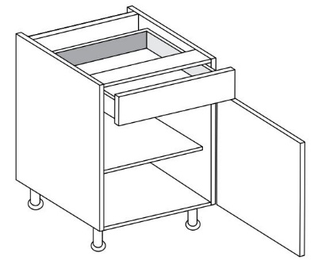 | 265 | JXXXU60DL1
 |  | 34 | DRAWER LINE UNIT | 2 DRAWER | 1000MM 2 DRAWER LINE BASE | 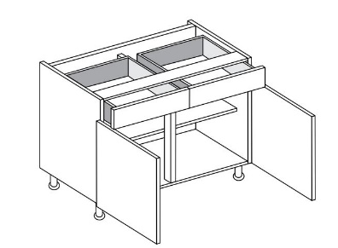 | 417.5 | JXXXU10DL2
 |  | 35 | DRAWER LINE UNIT | 2 DRAWER | 800MM 2 DRAWER LINE BASE |  | 393.33 | JXXXU80DL2
 |  | 36 | DRAWER UNIT | 2 DRAWER | 1000MM 2 DRAWER BASE | 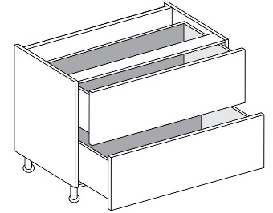 | 519.17 | JXXXU102D
 |  | 37 | DRAWER UNIT | 2 DRAWER | 500MM 2 DRAWER | 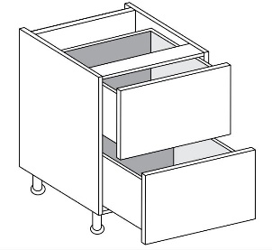 | 417.5 | JXXXU502D
 |  | 38 | DRAWER UNIT | 2 DRAWER | 600MM 2 DRAWER |  | 436.67 | JXXXU602D
 |  | 39 | DRAWER UNIT | 2 DRAWER | 800MM 2 DRAWER BAS |  | 491.67 | JXXXU802D
 |  | 40 | DRAWER UNIT | 2 DRAWER | 900MM 2 DRAWER BASE |  | 506.67 | JXXXU902D
 |  | 41 | DRAWER UNIT | 3 DRAWER | 1000MM 3 DRAWER BASE | 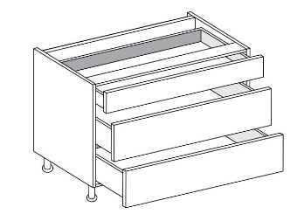 | 585.83 | JXXXU103D
 |  | 42 | DRAWER UNIT | 3 DRAWER | 500MM 3 DRAWER BASE | 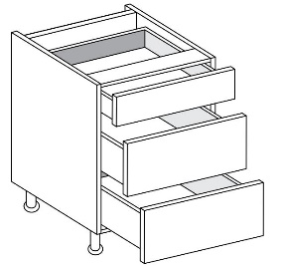 | 473.33 | JXXXU503D
 |  | 43 | DRAWER UNIT | 3 DRAWER | 600MM 3 DRAWER BASE |  | 490.83 | JXXXU603D
 |  | 44 | DRAWER UNIT | 3 DRAWER | 800MM 3 DRAWER BASE |  | 553.33 | JXXXU803D
 |  | 45 | DRAWER UNIT | 3 DRAWER | 900MM 3 DRAWER BASE |  | 570 | JXXXU903D
 |  | 46 | DRAWER UNIT | 4 DRAWER | 400MM 4 DRAWER BASE | 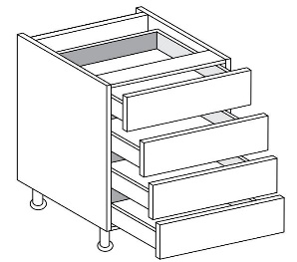 | 519.17 | JXXXU404D
 |  | 47 | DRAWER UNIT | 4 DRAWER | 500MM 4 DRAWER BASE |  | 528.33 | JXXXU504D
 |  | 48 | DRAWER UNIT | 4 DRAWER | 600MM 4 DRAWER BASE |  | 545.83 | JXXXU604D
 |  | 49 | DRAWER UNIT | 5 DRAWER | 300MM 5 DRAWER BASE | 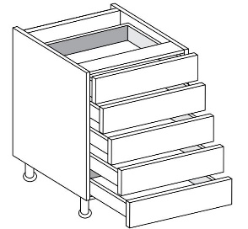 | 585.83 | JXXXU305D
 |  | 50 | DRAWER UNIT | INTERNAL DRAWER | 1000MM INTERNAL DRAWERS | 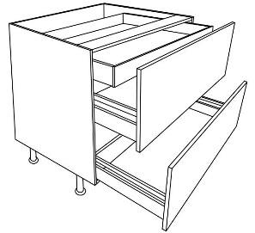 | 635 | JXXXU10INT2D
 |  | 51 | DRAWER UNIT | INTERNAL DRAWER | 500MM INTERNAL DRAWERS |  | 520 | JXXXU50INT2D
 |  | 52 | DRAWER UNIT | INTERNAL DRAWER | 600MM INTERNAL DRAWERS |  | 538.33 | JXXXU60INT2D
 |  | 53 | DRAWER UNIT | INTERNAL DRAWER | 800MM INTERNAL DRAWERS |  | 603.33 | JXXXU80INT2D
 |  | 54 | DRAWER UNIT | INTERNAL DRAWER | 900MM INTERNAL DRAWERS |  | 619.17 | JXXXU90INT2D
 |  | 55 | LARDER UNIT | LARDER UNIT | 300MM LARDER | 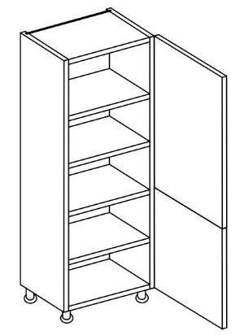 | 284.17 | JXXXUL30
 |  | 56 | LARDER UNIT | LARDER UNIT | 400MM LARDER |  | 332.5 | JXXXUL40
 |  | 57 | LARDER UNIT | LARDER UNIT | 500MM LARDER |  | 358.33 | JXXXUL50
 |  | 58 | LARDER UNIT | LARDER UNIT | 600MM LARDER |  | 400.83 | JXXXUL60
 |  | 59 | LARDER UNIT | EXTRA TALL LARDER UNIT | 300MM TALL LARDER | 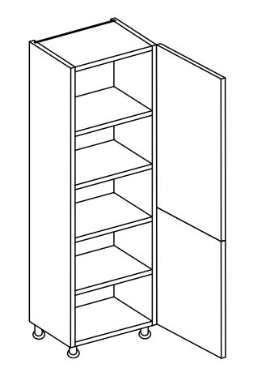 | 292.5 | JXXXUTL30
 |  | 60 | LARDER UNIT | EXTRA TALL LARDER UNIT | 400MM TALL LARDER |  | 333.33 | JXXXUTL40
 |  | 61 | LARDER UNIT | EXTRA TALL LARDER UNIT | 500MM TALL LARDER |  | 371.67 | JXXXUTL50
 |  | 62 | LARDER UNIT | EXTRA TALL LARDER UNIT | 600MM TALL LARDER |  | 417.5 | JXXXUTL60
 |  | 63 | WALL UNIT | WALL UNIT | 1000MM WALL UNIT |  | 226.67 | JXXXU10W
 |  | 64 | WALL UNIT | WALL UNIT | 300MM WALL UNIT | 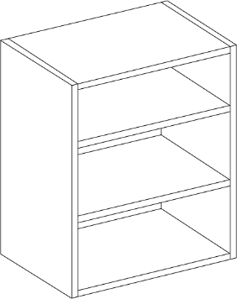 | 120 | JXXXU30W
 |  | 65 | WALL UNIT | WALL UNIT | 350MM WALL UNIT |  | 128.33 | JXXXU35W
 |  | 66 | WALL UNIT | WALL UNIT | 400MM WALL UNIT |  | 132.5 | JXXXU40W
 |  | 67 | WALL UNIT | WALL UNIT | 450MM WALL UNIT |  | 137.5 | JXXXU45W
 |  | 68 | WALL UNIT | WALL UNIT | 500MM WALL UNIT |  | 144.17 | JXXXU50W
 |  | 69 | WALL UNIT | WALL UNIT | 600MM WALL UNIT |  | 158.33 | JXXXU60W
 |  | 70 | WALL UNIT | WALL UNIT | 700MM WALL UNIT | 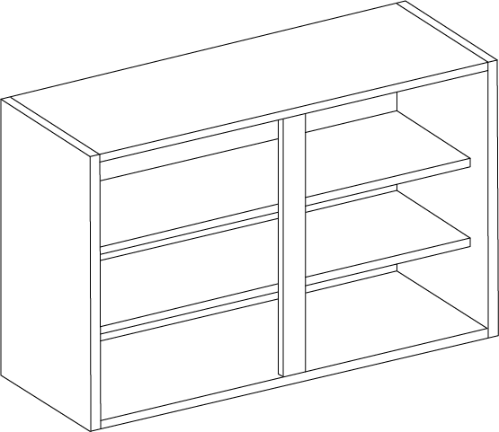 | 194.17 | JXXXU70W
 |  | 71 | WALL UNIT | WALL UNIT | 800MM WALL UNIT |  | 206.67 | JXXXU80W
 |  | 72 | WALL UNIT | WALL UNIT | 900MM WALL UNIT |  | 218.33 | JXXXU90W
 |  | 73 | WALL UNIT | CORNER & CURVE | 600MM STD CNR WALL 300 D | 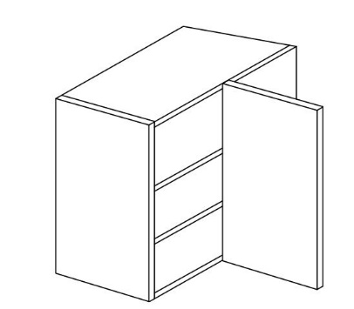 | 257.5 | JXXXU30D60W
 |  | 74 | WALL UNIT | CORNER & CURVE | CURVED WALL CAB | 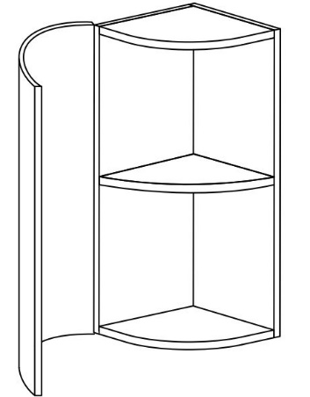 | 395.83 | JXXXUCRVW
 |  | 75 | WALL UNIT | CORNER & CURVE | CORNER WALL L-SHAPE | 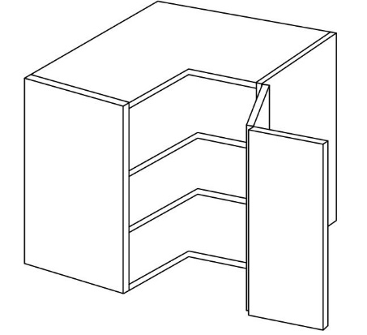 | 276.67 | JXXXUCWL
 |  | 76 | WALL UNIT | CORNER & CURVE | CORNER WALL SPLAY | 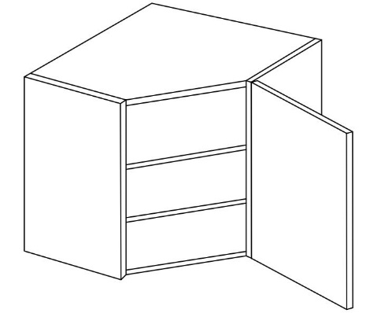 | 256.67 | JXXXUCWS
 |  | 77 | WALL UNIT | BRIDGING UNIT | 1000MM BRIDGE | 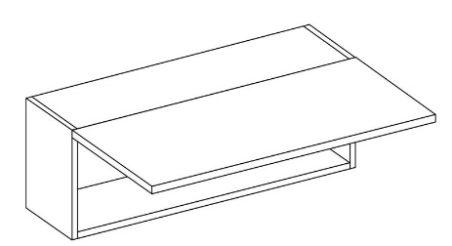 | 236.67 | JXXXU10BR
 |  | 78 | WALL UNIT | BRIDGING UNIT | 500MM BRIDGE | 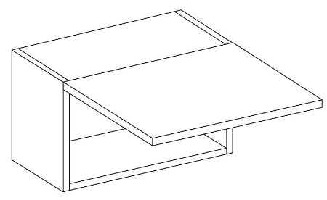 | 140.83 | JXXXU50BR
 |  | 79 | WALL UNIT | BRIDGING UNIT | 600MM BRIDGE |  | 145.83 | JXXXU60BR
 |  | 80 | WALL UNIT | BRIDGING UNIT | 800MM BRIDGE |  | 216.67 | JXXXU80BR
 |  | 81 | WALL UNIT | BRIDGING UNIT | 900MM BRIDGE |  | 226.67 | JXXXU90BR
 |  | 82 | WALL UNIT | BIFOLD UNIT | 1000MM BI-FOLD WALL CAB | 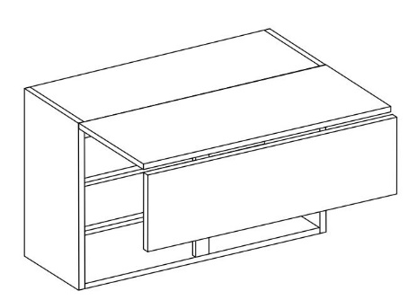 | 483.33 | JXXXU10BF
 |  | 83 | WALL UNIT | BIFOLD UNIT | 500MM BI-FOLD WALL CAB |  | 333.33 | JXXXU50BF
 |  | 84 | WALL UNIT | BIFOLD UNIT | 600MM BI-FOLD WALL CAB |  | 347.5 | JXXXU60BF
 |  | 85 | WALL UNIT | BIFOLD UNIT | 800MM BI-FOLD WALL CAB |  | 461.67 | JXXXU80BF
 |  | 86 | WALL UNIT | BIFOLD UNIT | 900MM BI-FOLD WALL CAB |  | 473.33 | JXXXU90BF
 |  | 87 | WALL UNIT | TALL WALL UNIT | 1000MM WALL 900mm high | 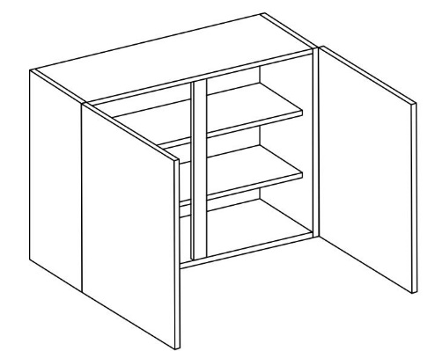 | 339.17 | JXXXU109W
 |  | 88 | WALL UNIT | TALL WALL UNIT | 300MM WALL 900mm high | 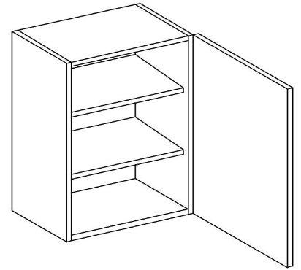 | 151.67 | JXXXU309W
 |  | 89 | WALL UNIT | TALL WALL UNIT | 400MM WALL 900mm high |  | 174.17 | JXXXU409W
 |  | 90 | WALL UNIT | TALL WALL UNIT | 450MM WALL 900mm high |  | 194.17 | JXXXU459W
 |  | 91 | WALL UNIT | TALL WALL UNIT | 500MM WALL 900mm high |  | 200 | JXXXU509W
 |  | 92 | WALL UNIT | TALL WALL UNIT | 600MM WALL 900mm high |  | 222.5 | JXXXU609W
 |  | 93 | WALL UNIT | TALL WALL UNIT | 800MM WALL 900mm high |  | 271.67 | JXXXU809W
 |  | 94 | WALL UNIT | TALL WALL UNIT | 900MM WALL 900mm high |  | 327.5 | JXXXU909W
 |  | 95 | WALL UNIT | TALL CORNER & CURVE WALL UNIT | TALL CORNER WALL SPLAY | 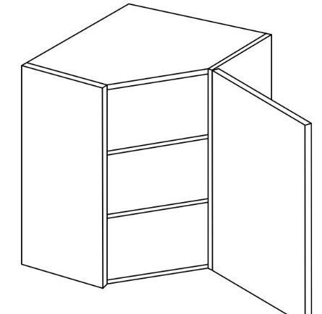 | 305.83 | JXXXU9CWS
 |  | 96 | WALL UNIT | TALL CORNER & CURVE WALL UNIT | 900mm CURVED WALL UNIT | 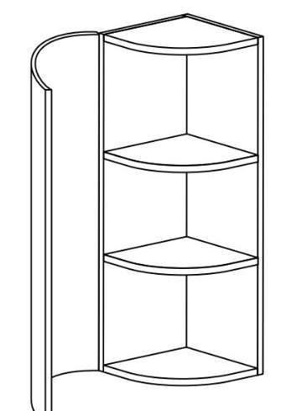 | 570.83 | JXXXUCRV90W
 |  | 97 | WALL UNIT | GLAZED UNIT | GLASS DRESSER 500MM | 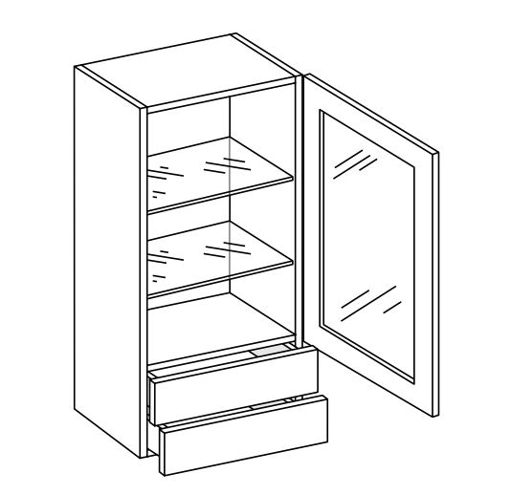 | 515 | JXXXUDRESS50G
 |  | 98 | WALL UNIT | GLAZED UNIT | 500MM GLASS WALL | 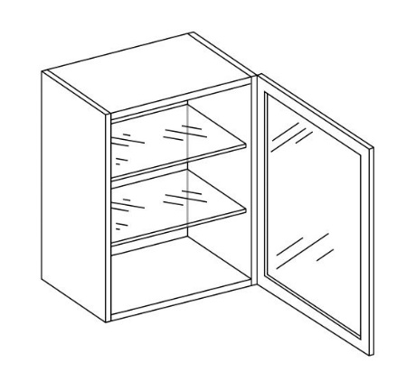 | 238.33 | JXXXUWALL50G
 |  | 99 | WALL UNIT | GLAZED UNIT | 600MM GLASS WALL |  | 267.5 | JXXXUWALL60G
 |  | 100 | APPLIANCE UNIT | APPLIANCE HOUSING | F/F HOUSING 50/50 | 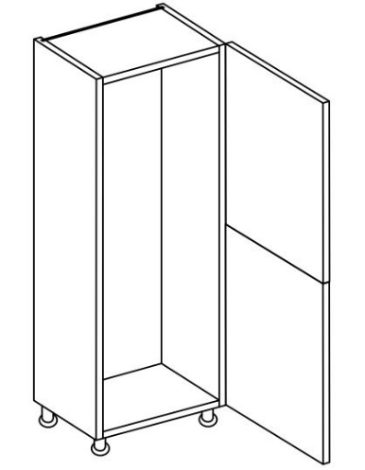 | 404.17 | JXXXUFF50
 |  | 101 | APPLIANCE UNIT | APPLIANCE HOUSING | F/FREEZER HOUSING 70/30 | 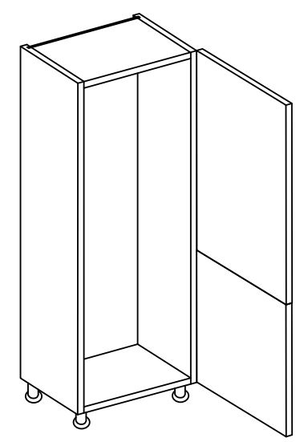 | 400.83 | JXXXUFF70
 |  | 102 | APPLIANCE UNIT | APPLIANCE HOUSING | F/F HOUSING | 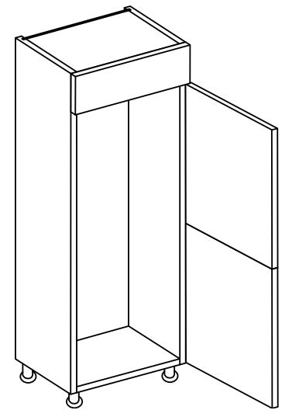 | 409.17 | JXXXUFF90
 |  | 103 | APPLIANCE UNIT | APPLIANCE HOUSING | DOUBLE OVEN HOUSING | 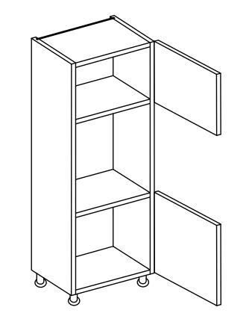 | 325 | JXXXUTOVENA
 |  | 104 | APPLIANCE UNIT | APPLIANCE HOUSING | SINGLE OVEN HOUSING | 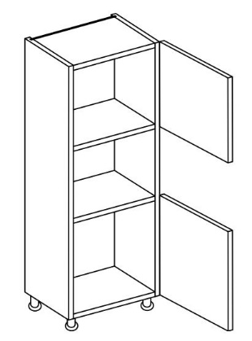 | 348.33 | JXXXUTOVENB
 |  | 105 | APPLIANCE UNIT | APPLIANCE HOUSING | OVEN & 380 MICRO HOUSING | 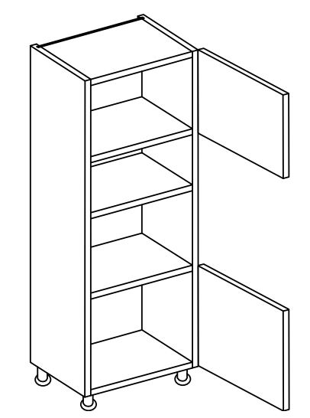 | 318.33 | JXXXUTOVENC
 |  | 106 | APPLIANCE UNIT | APPLIANCE HOUSING | OVEN & 460 MICRO HOUSING | 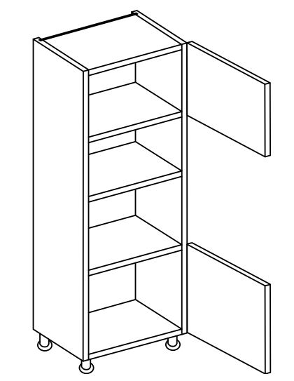 | 310.83 | JXXXUTOVEND
 |  | 107 | APPLIANCE UNIT | EXTRA TALL APPLIANCE HOUSING | EXTRA TALL F/FREEZER 50/50 | 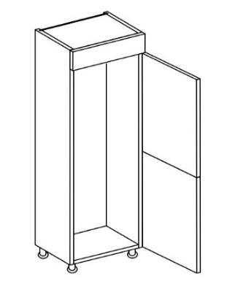 | 425 | JXXXUTFF50
 |  | 108 | APPLIANCE UNIT | EXTRA TALL APPLIANCE HOUSING | EXTRA TALL F/FREEZER 70/30 |  | 385 | JXXXUTFF70
 |  | 109 | APPLIANCE UNIT | EXTRA TALL APPLIANCE HOUSING | EXTRA TALL SINGLE OVEN HOUSING |  | 474.17 | JXXXUTTOVENA
 |  | 110 | APPLIANCE UNIT | EXTRA TALL APPLIANCE HOUSING | EXTRA TALL DBLE OV HOUSING |  | 450 | JXXXUTTOVENB
 |  | 111 | APPLIANCE UNIT | EXTRA TALL APPLIANCE HOUSING | EXTRA TALL SGLE OVEN & 380 MIC |  | 435 | JXXXUTTOVENC
 |  | 112 | APPLIANCE UNIT | EXTRA TALL APPLIANCE HOUSING | EXTRA TALL OVEN & 460 MICRO |  | 433.33 | JXXXUTTOVEND
 |  | 113 | APPLIANCE UNIT | EXTRA TALL APPLIANCE HOUSING WITH DRAWER | TALL DOUBLE OVEN |  | 550 | JXXXUTOVENE
 |  | 114 | APPLIANCE UNIT | EXTRA TALL APPLIANCE HOUSING WITH DRAWER | TALL SINGLE OVEN |  | 615.83 | JXXXUTOVENF
 |  | 115 | APPLIANCE UNIT | EXTRA TALL APPLIANCE HOUSING WITH DRAWER | TTALL DOUBLE OVEN |  | 675 | JXXXUTTOVENE
 |  | 116 | APPLIANCE UNIT | EXTRA TALL APPLIANCE HOUSING WITH DRAWER | TTALL SINGLE OVEN |  | 741.67 | JXXXUTTOVENF
 |  | 117 | WIREWORK | WIREWORK UNITS | DYNAMIC COMBI 450MM LH |  | 599.17 | JXXXUDYCOM45L
 |  | 118 | WIREWORK | WIREWORK UNITS | DYNAMIC COMBI 450MM RH |  | 599.17 | JXXXUDYCOM45R
 |  | 119 | WIREWORK | WIREWORK UNITS | DYNAMIC COMBI 500MM LH |  | 620 | JXXXUDYCOM50L
 |  | 120 | WIREWORK | WIREWORK UNITS | DYNAMIC COMBI 500MM RH |  | 620 | JXXXUDYCOM50R
 |  | 121 | WIREWORK | WIREWORK UNITS | 150 ELITE PULL OUT |  | 239.17 | JXXXUEL15
 |  | 122 | WIREWORK | WIREWORK UNITS | 300 ELITE PULL OUT |  | 300 | JXXXUEL30
 |  | 123 | WIREWORK | WIREWORK UNITS | ELITE 300mm PULL OUT |  | 857.5 | JXXXUEL30PUL
 |  | 124 | WIREWORK | WIREWORK UNITS | ELITE 500mm MAXIMA |  | 977.5 | JXXXUEL50MAX
 |  | 125 | WIREWORK | WIREWORK UNITS | ELITE MAGIC CORNER LH |  | 652.5 | JXXXUELCNRL
 |  | 126 | WIREWORK | WIREWORK UNITS | ELITE MAGIC CORNER RH |  | 652.5 | JXXXUELCNRR
 |  | 127 | WIREWORK | WIREWORK UNITS | ELITE COMBI 450MM LH |  | 610 | JXXXUELCOM45L
 |  | 128 | WIREWORK | WIREWORK UNITS | ELITE COMBI 450MM RH |  | 610 | JXXXUELCOM45R
 |  | 129 | WIREWORK | WIREWORK UNITS | ELITE COMBI 500MM LH |  | 631.67 | JXXXUELCOM50L
 |  | 130 | WIREWORK | WIREWORK UNITS | ELITE COMBI 500MM RH |  | 631.67 | JXXXUELCOM50R
 |  | 131 | WIREWORK | WIREWORK UNITS | 300MM DYNAMIC LARDER |  | 730 | JXXXUL30W
 |  | 132 | WIREWORK | WIREWORK UNITS | 400MM DYNAMIC LARDER |  | 783.33 | JXXXUL40W
 |  | 133 | WIREWORK | EXTRA TALL WIREWORK UNITS | EXTRA TALL 500 DYN MAXIMA |  | 801.67 | JXXXUTDY50MAX
 |  | 134 | WIREWORK | EXTRA TALL WIREWORK UNITS | EXTRA TALL 600 DYN MAXIMA |  | 885 | JXXXUTDY60MAX
 |  | 135 | WIREWORK | EXTRA TALL WIREWORK UNITS | EXTRA TALL 300 ELITE |  | 908.33 | JXXXUTEL30PUL
 |  | 136 | WIREWORK | EXTRA TALL WIREWORK UNITS | EXTRA TALL 500 ELITE MAXIMA |  | 1055 | JXXXUTEL50MAX
 |  | 137 | WIREWORK | EXTRA TALL WIREWORK UNITS | EXTRA TALL 300 DYN |  | 780 | JXXXUTL30W
 |  | 138 | WIREWORK | EXTRA TALL WIREWORK UNITS | EXTRA TALL 400 DYN |  | 866.67 | JXXXUTL40W
 |  | 139 | WIREWORK | WIREWORK UNITS | ½ CAROUSEL |  | 298.33 | JXXXUCAR12
 |  | 140 | WIREWORK | WIREWORK UNITS | ¾ CAROUSEL |  | 411.67 | JXXXUCAR34
 |  | 141 | WIREWORK | WIREWORK UNITS | 150 DYNAMIC PULL OUT |  | 197.5 | JXXXUDY15
 |  | 142 | WIREWORK | WIREWORK UNITS | 150 DYNAMIC TOWEL RAIL |  | 221.67 | JXXXUDY15TOW
 |  | 143 | WIREWORK | WIREWORK UNITS | 300 DYNAMIC PULL OUT |  | 247.5 | JXXXUDY30
 |  | 144 | WIREWORK | WIREWORK UNITS | 500 DYNAMIC MAXIMA |  | 723.33 | JXXXUDY50MAX
 |  | 145 | WIREWORK | WIREWORK UNITS | 600 DYNAMIC MAXIMA |  | 780 | JXXXUDY60MAX
 |  | 146 | WIREWORK | WIREWORK UNITS | LEFT CBASE 500MM DOOR |  | 579.17 | JXXXUDYCNRL
 |  | 147 | WIREWORK | WIREWORK UNITS | RIGHT CBASE 500MM DOOR |  | 579.17 | JXXXUDYCNRR
 |  | 145 | PANEL | WALL END PANELS | 792x350x20 EP |  | 60.83 | JXXX792E
 |  | 146 | PANEL | BASE END PANEL | 900x650x20 EP |  | 70 | JXXX90E
 |  | 147 | PANEL | LARDER END PANEL | 2400x650x20 EP |  | 199.17 | JXXX240E
 |  | 148 | PANEL | PLINTHS 2800MM | 2800MM |  | 42.5 | JXXXPLI
 |  | 149 | PANEL | PELMET 3000MM | 3000MM |  | 40.83 | JXXXCOR
 |  | 150 | PANEL | CURVED PLINTH FOR CURVED UNITS |  |  | 70 | JXXXCRVPLI
 |  | 151 | PANEL | CURVED PELMET FOR CURVED WALL UNITS |  |  | 88.33 | JXXXCRVCNRSQ
 |  | 153 | EXTRA DOORS | FULL SIZE DISHWASHER & WASHING MACHINE DOOR | 715x596MM |  | 69.17 | JXXX71559
 |  | 154 | EXTRA DOORS | 980X596MM DOOR | 980X596MM |  | 93.33 | JXXX98059
 |  | 155 | EXTRA DOORS | 895X596MM DOOR | 895X596MM |  | 85.83 | JXXX89559
 |  | 156 | EXTRA DOORS | 645X596MM DOOR | 645X596MM |  | 62.5 | JXXX64559
 |  | 157 | EXTRA DOORS | 570X596MM DOOR | 570X596MM |  | 57.5 | JXXX57059
 |  | 158 | EXTRA DOORS | 490X596MM DOOR | 490X596MM |  | 50 | JXXX49059
 |  | 159 | EXTRA DOORS | INTEGRATED SLIM DISHWASHER DOOR | 450X596MM |  | 45.83 | JXXX45059

