Refrigeration
Sr. No | Appliance Name | Brand Name | Category | Description | Picture | Type | Price
1 | Montpellier MBUL100 MONTPELLIER BUILT UNDER FRIDGE | Montpellier | FRIDGE | The Montpellier MBUL100 is a built-under larder fridge with a 128Ltr capacity. It features 3 glass shelves and a salad crisper cover. The door has storage for tall bottles and smaller items such as jars in the top compartment. It has an internal light and a concealed salad crisper compartment. With its auto-defrost technology, you won’t need to worry about a build-up of frost or ice. A reversible door, A+ energy and a 5 year guarantee for peace of mind. | 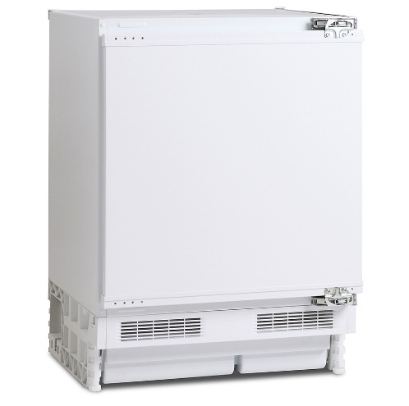 | Built In | 269
2 | Montpellier MITL122 MONTPELLIER 122CM IN COLUMN LARDER FRIDGE | Montpellier | LARDER FRIDGE | This In-column Larder Fridge has a 197 Ltr net capacity meaning there is plenty of space for all of your chilled foods. With a salad crisper, and in door storage this model makes use of all of the space inside. With it’s A+ energy rating, the MITL122 means you can keep your energy bills lower, with this level of efficiency. This product comes with a 5 year guarantee, which means you have extra peace of mind. | 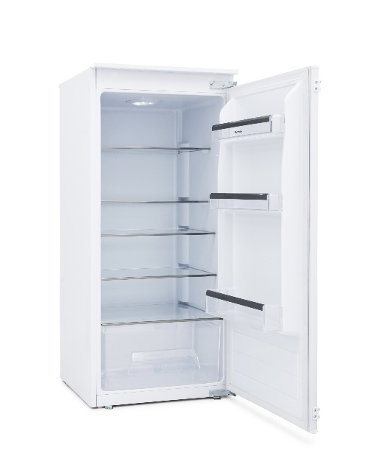 | Built In | 329
3 | Hotpoint HS12A1D HOTPOINT IN COLUMN TALL LARDER FRIDGE | Hotpoint | LARDER FRIDGE | This spacious larder fridge from Hotpoint is great for keeping stocked up on their favourite drinks, snacks and everyday essentials. It boasts an overall capacity of 210 litres, which gives you plenty of room to store up to 11 bags of groceries - perfect for small to medium sized families. The fridge consists of four toughened glass shelves, a series of in-door balconies and an LED light, which makes it easy to see and organise your items inside. There's also a full width salad crisper at the bottom to keep your fruit and veg separate from other produce. | 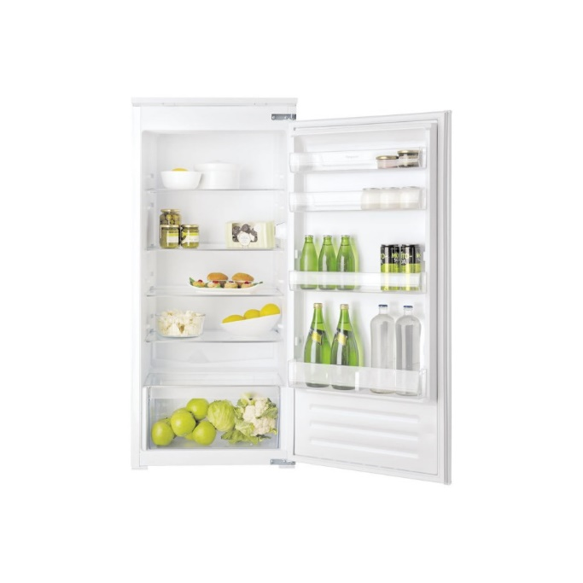 | Built In | 359
4 | Hotpoint HLA1 HOTPOINT BUILT UNDER LARDER FRIDGE | Hotpoint | LARDER FRIDGE | Super-compact for apartment living, the Aquarius HFA1 Fridge Freezer offers everything you need for efficient A+ grade cooling. Offering you space for all the essentials, the 126L storage gives you a glass shelf for meats, cheeses and milk, whilst the 2 salad bins will help to preserve your fresh produce for longer. | 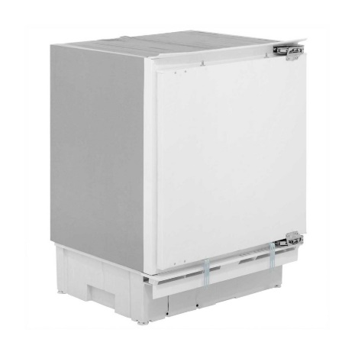 | Built In | 319
5 | Neff K1514X7GB NEFF SERIES 1 87CM TALL INTEGRATED LARDER FRIDGE | Neff | LARDER FRIDGE | Neff's K1514X7GB integrated fridge demonstrates an A+ for energy efficiency, helping you maintain an economical home, while being kind to the environment. 4 safety glass shelves provide enough space to hold your fresh groceries, while they're also super easy to clean, catching spillages to be simply wiped away with a damp cloth. | 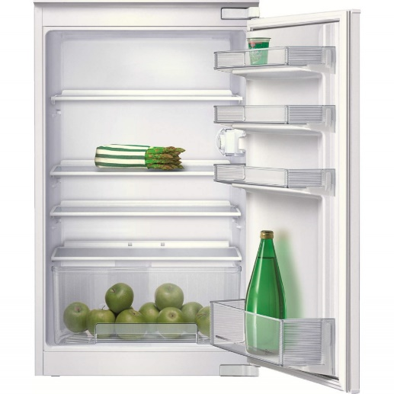 | Built In | 379
6 | Hotpoint HS1801AA HOTPOINT 177CM TALL INTEGRATED LARDER FRIDGE | Hotpoint | LARDER FRIDGE | Offering practical storage solutions for your food, Hotpoint's Day 1 HS1801AA Fridge is not only stylish, but built with excellent cooling storage in mind. Boasting 318L of capacity across five storage shelves there's ample room for all your fresh ingredients and produce. At 70cm depth, this fridge sits perfectly flush alongside your worktop for a seamless look. Including a Food Care zone, the coolest place in your fridge, ideal for preserving your meat and fish. Interior ventilation provides better conditions to preserve your food by ensuring a constant temperature and humidity. |  | Built In | 429
7 | Montpellier MBUR200 MONTPELLIER BUILT UNDER FRIDGE WITH 4* ICEBOX | Montpellier | ICEBOX | The Montpellier MBUR200 is a built-under 4* Icebox Fridge with a 18/105Ltr capacity. It features 2 glass shelves and a salad crisper cover. The door has storage for tall bottles and smaller items such as jars in the top compartment. It has an internal light and a concealed salad crisper compartment. With its auto-defrost technology, you won’t need to worry about a build-up of frost or ice. Reversible door, A+ Energy and a 5 year guarantee for peace of mind. | 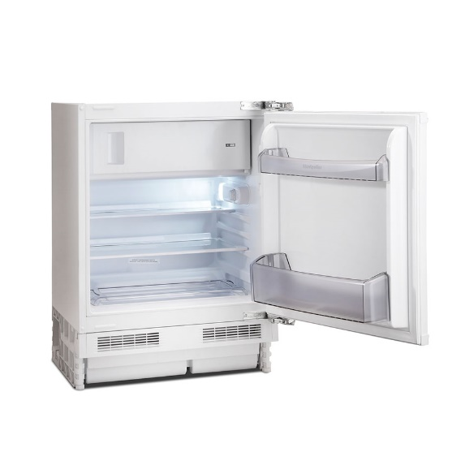 | Built In | 299
9 | Neff K4336X8GB NEFF SERIES 1 BUILT UNDER FRIDGE WITH 4 STAR ICE BOX | Neff | ICEBOX | This undercounter refrigerator with ****freezer compartment keeps produce at its freshest, and is also available with stainless steel door. FreshSafe: Stores your fruit and vegetables safely Adjustable Glass Shelves – Height adjustable shelves create the space you need for inspiring dishes in your fridge Our safety glass shelves happily shoulder generous loads of delicacies in your fridge LED Lighting: Bright light in the entire fridge with long-life LEDs. | 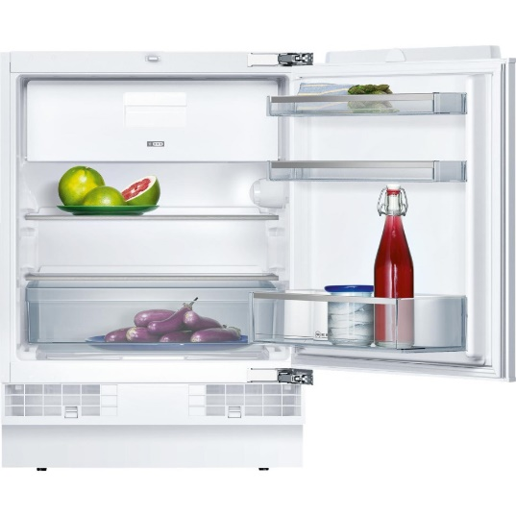 | Built In | 449
10 | Hotpoint HSZ12A1DH HOTPOINT IN COLUMN TALL ICE BOX FRIDGE | Hotpoint | ICEBOX | Hotpoint HSZ12A1DH 54cm Wide Integrated In-Column Fridge - White Ice Box: You can store those essential items or freeze leftovers in the integrated ice box at the top of this Hotpoint HSZ12A1D integrated fridge, with a spacious 18 litre capacity. Salad Crisper: Make sure that your fruits and vegetables last longer, in the large salad crisper at the base of the fridge. This compartment ensures an ideal temperature and humidity level to prolong the life of your fresh produc. Great Energy Efficiency: This built-in fridge features an A+ energy efficiency rating – which will save you money while being kinder to the environ | 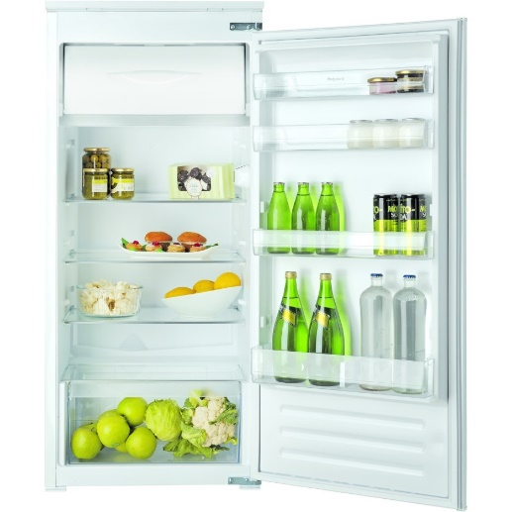 | Built In | 359
11 | Hotpoint HFA1 HOTPOINT BUILT UNDER ICE BOX FRIDGE | Hotpoint | ICEBOX | This Hotpoint HFA1.UK.1 integrated undercounter fridge with icebox is the perfect place to store your fresh produce after a little shop. With a capacity of 126 litres, you can buy 7 bags full of meat, vegetables and milk products and store it all in your new fridge. It also has an icebox which is a great place to store your delicious ice cream and your ice cubes. | 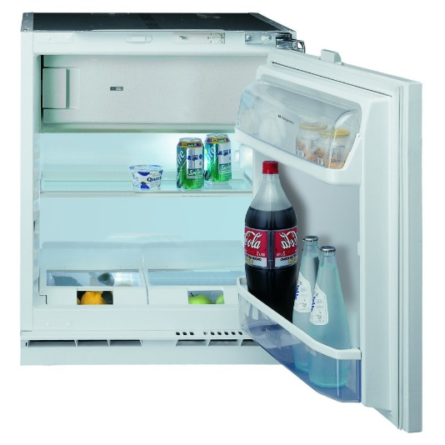 | Built In | 339
12 | Hotpoint HSZ1801AA HOTPOINT 177CM TALL INTEGRATED ICEBOX FRIDGE | Hotpoint | ICEBOX | With a 262 litre capacity, the Hotpoint HSZ 1801 AA.UK.1 Integrated Tall Fridge has plenty of room for everything to feed big families. Need to squeeze in the chicken for the Sunday roast? Adjustable shelves let you customise your fridge setup, so even bulky items fit just right. Make your food last longer Hotpoint call it Day 1 Freshness. What it means for you is that your fridge will create the perfect conditions to keep your food fresh, so you can create tasty healthy meals without rushing to use your ingredients. | 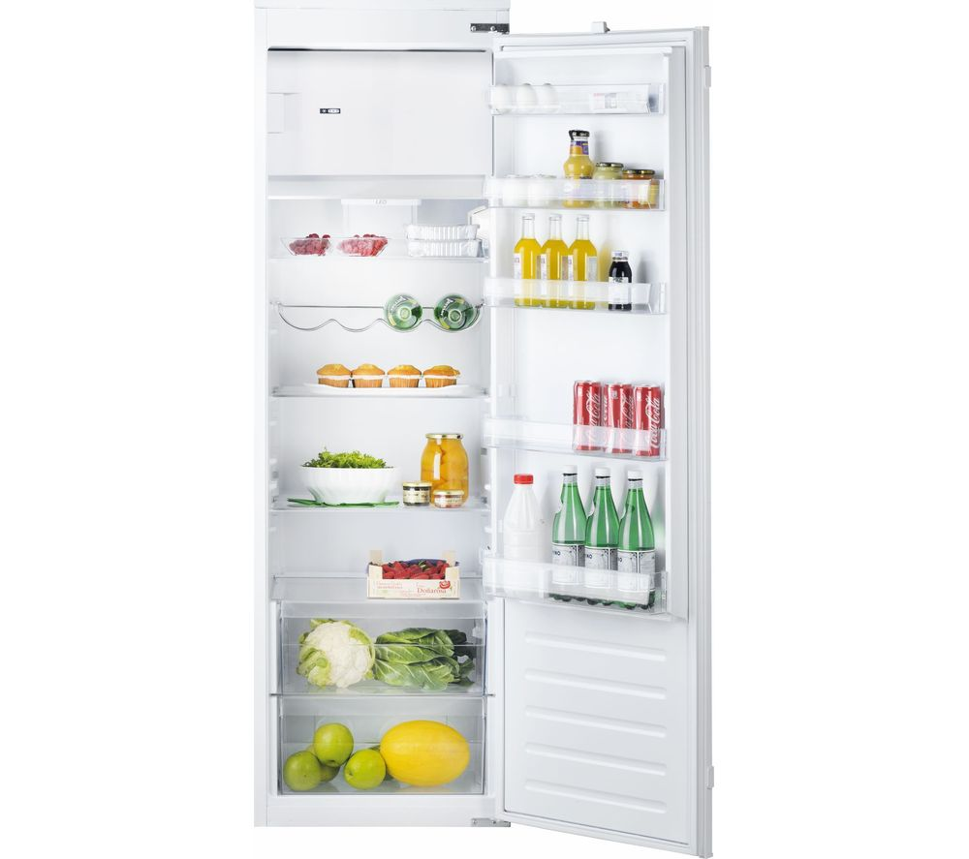 | Built In | 479
13 | Montpellier MITF88 MONTPELLIER IN COLUMN FREEZER | Montpellier | FREEZER | The Montpellier MITL88 is an 86 Ltr under counter in-column freezer. It features 4 compartments, perfect for storing and organising your frozen items. With it’s 4 star freezer rating it can safely store your frozen items up to 12 months. This appliance comes with slider fixings and a reversible door for ease of use. With an A+ energy rating and a 5 year guarantee, it’s sure to offer peace of mind. | 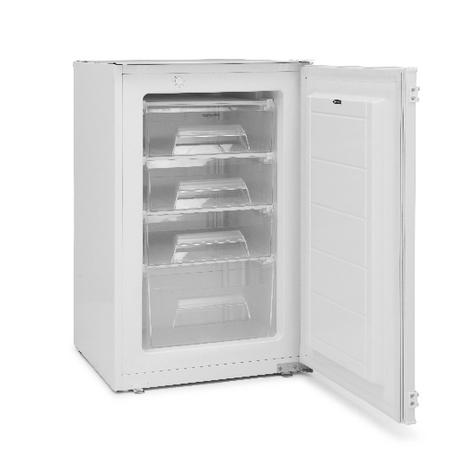 | Built In | 279
14 | Montpellier MITF122 MONTPELLIER IN COLUMN 122CM FREEZER | Montpellier | FREEZER | This In-column Freezer has a good amount of space with it’s 5 compartments totalling 130 Ltr capacity – perfect for storing all your frozen foods. With it’s A+ energy rating, the MITF122 means you can keep your energy bills lower, with this level of efficiency. This product comes with a 5 year guarantee, which means you have extra peace of mind. | 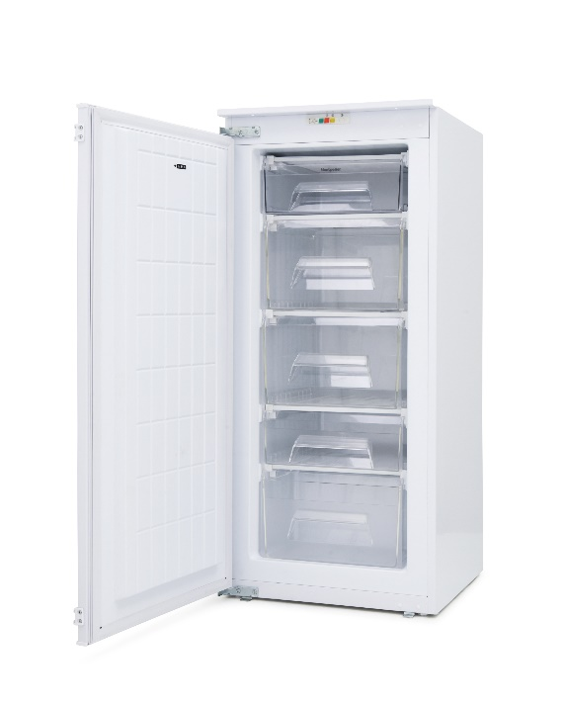 | Built In | 339
15 | Hotpoint HZA1 HOTPOINT BUILT UNDER FREEZER | Hotpoint | FREEZER | Hotpoint’s HZA1 built under freezer is a compact model perfectly suited to apartment living. With 91 litres of freezing capacity distributed across 3 deep, clear fronted drawers, you can easily find room for all your essentials, locating them efficiently when you’re ready to cook. Featuring low frost technology, ice formation is greatly reduced. By building the evaporator into the outside structure of the unit opposed to traditional grills on the inside ice formation is greatly reduced, with any build-up easily removed due to the flat surfaces. | 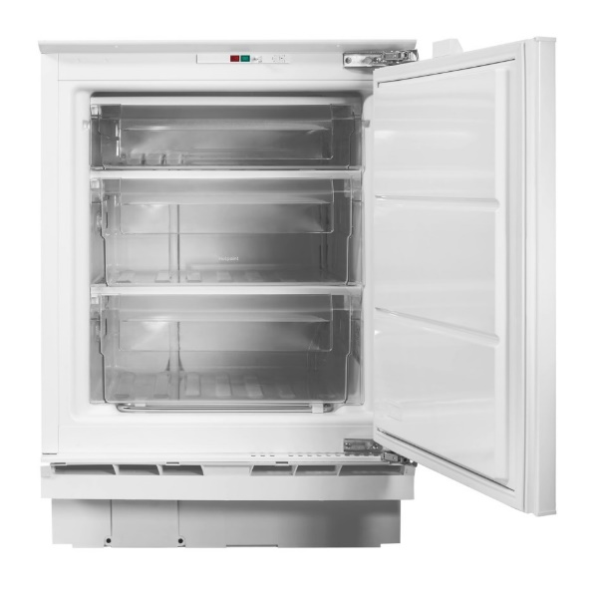 | Built In | 339
16 | Hotpoint HU12A1D HOTPOINT 122CM IN COLUMN FREEZER | Hotpoint | FREEZER | White Hotpoint Built-in Freezer HU12A1D.UK. This A+ energy rated model comes with 120 litres freezer net capacity. This Hotpoint freezer has install dimensions of 54cm (width) x 122cm (height) x 62cm (depth) and an operating noise level of 42dB. The HU12A1D.UK model also comes with 5 number of drawers; frost free system; temperature adjustable freezer. Key Features 120L capacity 5 sturdy drawers Adjustable Thermostat | 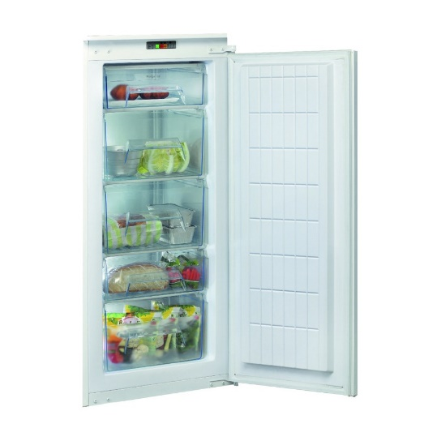 | Built In | 459
17 | Hotpoint HF1801EFAA HOTPOINT 177CM TALL INTEGRATED FROST FREE FREEZER | Hotpoint | FREEZER | Created with Frost Free technology to eliminate the build-up of ice, the Hotpoint HF1801EFAA.UK.1 integrated freezer with Fast Freeze function, has an A+ energy rating, a visible temperature warning and a usable capacity of 210L. A cupboard door can be attached directly onto the freezer’s door, to give a complete, integrated look to your kitchen. | 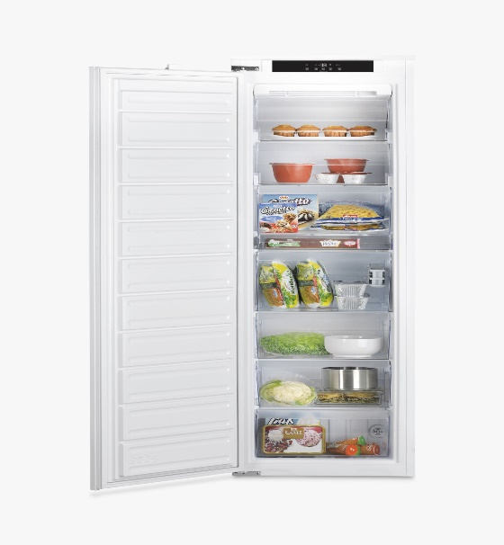 | Built In | 519
18 | Montpellier MIFF501 MONTPELLIER STATIC INTEGRATED 50/50 FRIDGE FREEZER | Montpellier | FRIDGE FREEZER | The Montpellier MIFF501 is a built-in static fridge freezer with a 163/102Ltr capacity. With a 50/50 split, it combines two appliances in one. The fridge offers 3 glass shelves, a salad crisper drawer and cover. There is an internal light and the door gives you further tall bottle storage and compartments for those small items. The freezer has 4 drawers, with the fourth offering more room for bulkier frozen items. It comes with reversible doors, slider fixings, is A+ energy | 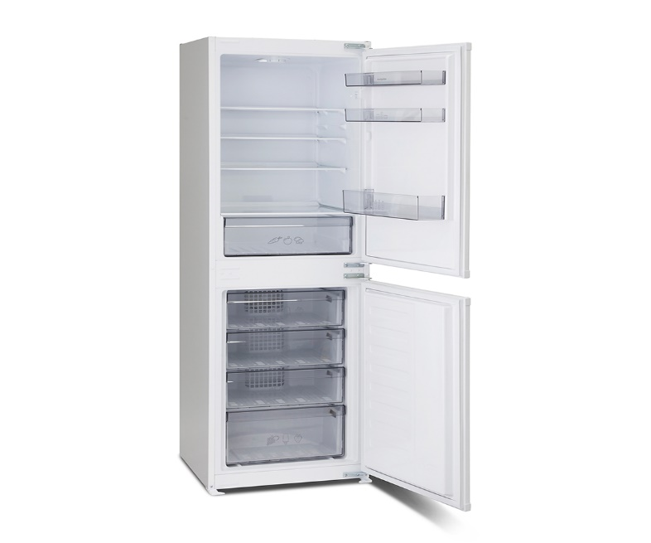 | Built In | 399
19 | Montpellier MIFF701 MONTPELLIER STATIC INTEGRATED 70/30 FRIDGE FREEZER | Montpellier | FRIDGE FREEZER | The Montpellier MIFF701 is a built-in static freezer with a 193/78Ltr capacity. With a 70/30 split, it combines two appliances in one but with a larger fridge unit. The fridge offers 3 glass shelves, a salad crisper drawer and cover. There is an internal light and the door gives you further tall bottle storage and compartments for those small items. The freezer has 3 drawers, with the third offering more room for bulkier frozen items. It comes with reversible doors, slider fixings, is A+ energy | 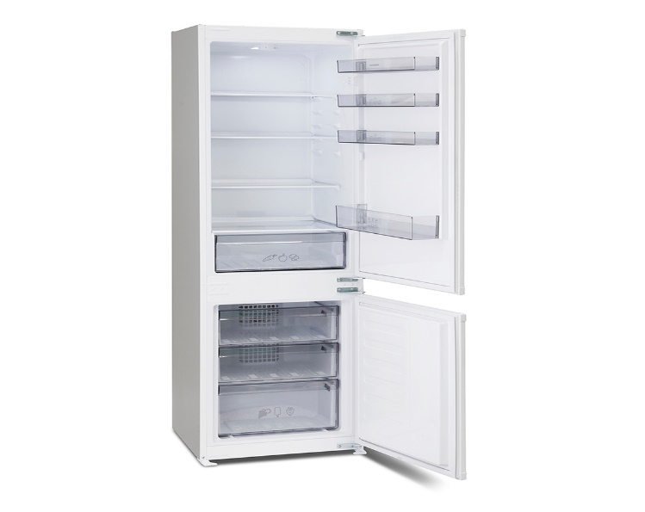 | Built In | 349
20 | Montpellier MIFF5051F MONTPELLIER FROST FROST FREE 50/50 SPLIT INTEGRATED FRIDGE FREEZER | Montpellier | FRIDGE FREEZER | The Montpellier MIFF5051F is a built-in frost free fridge freezer with a 163/102Ltr capacity. With a 50/50 split, it combines two appliances in one. The fridge offers 3 glass shelves, a salad crisper drawer and cover. There is an internal light and the door gives you further tall bottle storage and compartments for those small items. The freezer has 4 drawers, with the fourth offering more room for bulkier frozen items. It comes with reversible doors, slider fixings, is A+ energy | 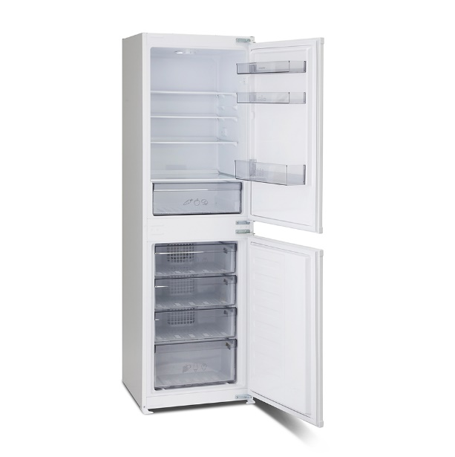 | Built In | 439
21 | Montpellier MIFF7301F MONTPELLIER FROST FREE INTEGRATED 70/30 FRIDGE FREEZER | Montpellier | FRIDGE FREEZER | The Montpellier MIFF7301F is a built-in frost free freezer with a 193/78Ltr capacity. With a 70/30 split, it combines two appliances in one but with a larger fridge unit. The fridge offers 3 glass shelves, a salad crisper drawer and cover. There is an internal light and the door gives you further tall bottle storage and compartments for those small items. The freezer has 3 drawers, with the third offering more room for bulkier frozen items. It comes with reversible doors, slider fixings, is A+ energy | 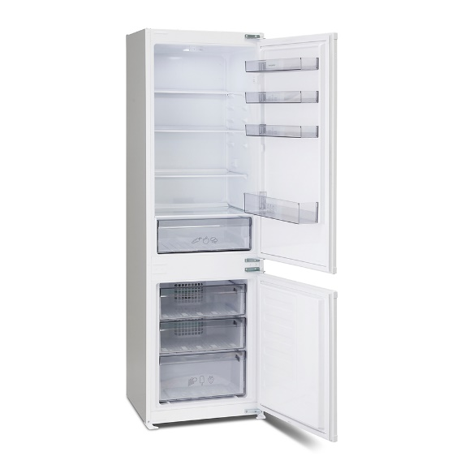 | Built In | 439
22 | Neff KI6863F30G NEFF LOW FROST BUILT IN FRIDGE FREEZER | Neff | FRIDGE FREEZER | A classic fridge freezer with 5 shelves, CircoCool technology and a manual defrost freezer that has three spacious drawers with the intelligent SuperFreeze function. This Neff KI6863F30G will be a welcome addition to any busy kitchen. CircoCool shelving in the fridge is designed to circulate cold air from the back of the shelves to avoid hotspots, create better air circulation, keeping food fresher for longer wherever placed in the fridge. The easily removable vegetable drawer features a ripple base allowing air to circulate under the chilled produce, keeping it fresh and crisp for longer. | 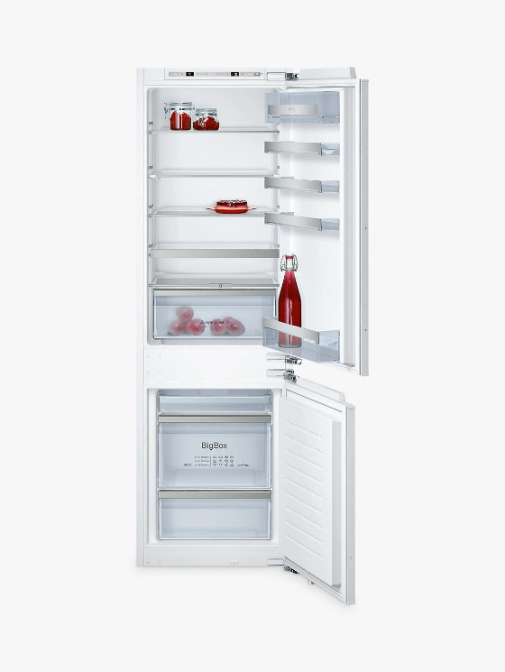 | Built In | 759
23 | Montpellier MAB50C MONTPELLIER CREAM RETRO TABLE TOP LARDER FRIDGE | Montpellier | LARDER FRIDGE | If you want the retro look but don’t have the space, Montpellier’s MAB50 table top retro fridge is the perfect solution. It features a 1950’s sleek and stylish handle and is available in four great colours Cream, Red, Black & White. This model has a full metal back. | 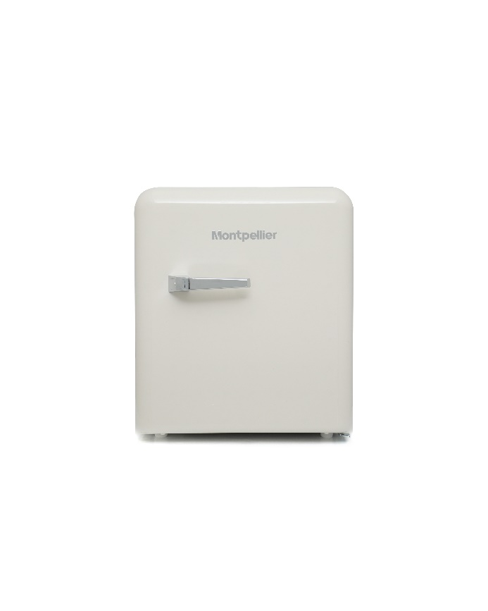 | Freestanding | 139
24 | Montpellier MAB340R MONTPELLIER RED RETRO STYLE TALL FRIDGE WITH 4* ICEBOX | Montpellier | ICEBOX | We love to add colour and style into your home and our MAB340R retro fridge does just that. Retro appliances are the statement piece of any home and will add a show-stopping focal point to your kitchen. If you have a large family or prefer to stock up on fresh foods rather then frozen then this fridge provides plenty of fridge space. It has four adjustable glass shelves and a handy folding wire rack. The door also offers ample storage with a variety of racks and balconies for tall bottle and jar storage. A large salad crisper at the bottom will ensure that your grown items stayer fresher for longer. | 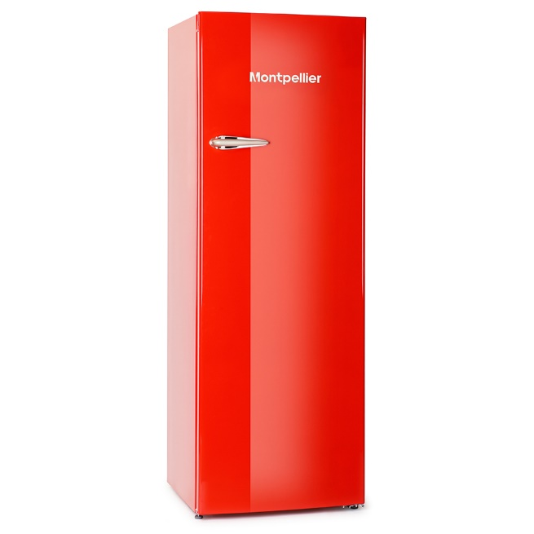 | Freestanding | 409
25 | Hotpoint UH6F1CW HOTPOINT WHITE 167CM TALL FROST FREE FREEZER | Hotpoint | FREEZER | Stock up for the long haul with the Hotpoint UH6F1CW Frost Free Tall Freezer. Frozen goods can be piled high in this slim appliance, which is self-maintaining so manual defrosting will not be required. Around 12 bags of food shopping can fit inside the freezer, which has a capacity of 222 net litres, so there's a wealth of storage space. Up to 20kg of items can be frozen in a 24-hour period and held safely, for up to a year, as assured by a four-star freezer rating. Six transparent drawers provide ample room and make up the perfect environment for your home favourites, which can stay fresh. The Fast Freeze function allows for incoming goods to by met with ultra-cold temperatures, which locks in their natural flavour and nutrients quickly. | 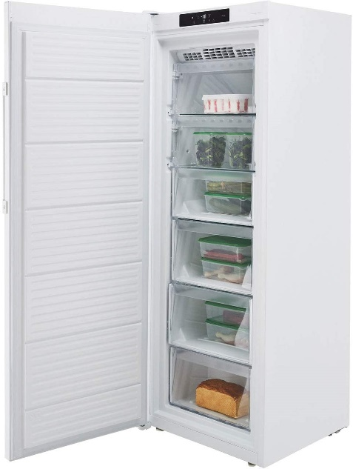 | Freestanding | 399
26 | Montpellier MCF198W-ECO MONTPELLIER ECO WHITE 198L CHEST FREEZER | Montpellier | CHEST FREEZER | Chest freezers are a simple and convenient option for those needing extra freezer space. Able to operate in temperatures down to -15oC, our Montpellier Eco range of chest freezers are suitable for outbuildings and garages. This 198 Ltr capacity model comes with a storage basket, counter-balanced lid and easy clean interior. With it’s easy use thermostat temperature control and recessed handle; it’s no frills design means you get maximum storage for all of your frozen items without any complicated extras. | 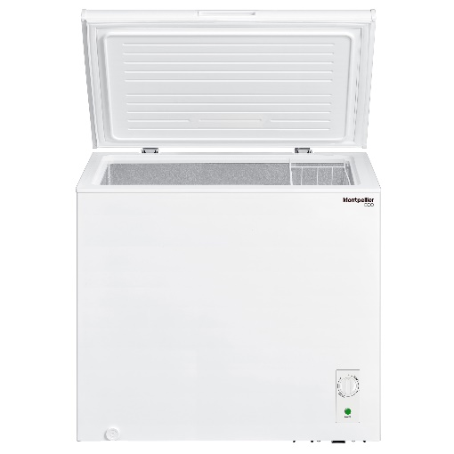 | Freestanding | 189
27 | CAP WC6113 CAPLE 46CM INTEGRATED IN COLUMN WINE COOLER | Caple | DRINK CHILLERS | Introducing the WC6113 integrated wine cooler. Boasting a generous capacity of 22 bottles across 4 dark wooden shelves with stainless steel front trims, this wine cabinet is the perfect addition to a modern kitchen. Whether you choose to store red, white or sparkling wine, they all need special care and Caple wine cabinets do just that, simulating wine cellar conditions by creating a dark, still and humid environment, whilst maintaining a constant temperature. | 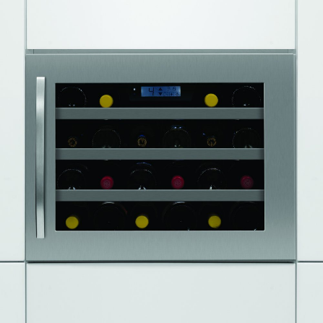 | Built In | 299
28 | Husky HU270 SAN MUGUEL TABLE TOP DRINKS COOLER | Husky | DRINK CHILLERS | Introducing the San Miguel Drinks Cooler from Husky. The white cabinet features side printing of a San Miguel chalice, whilst the glass door proudly displays the San Miguel logo and the contents waiting to be enjoyed inside. The compact, table top size is versatile for use throughout the house. It makes the perfect Christmas gift or is a great overflow Cooler for party drinks over the festive period. The impressive 46 litre capacity translates to storage of up to 40 x 330/440ml cans, perfectly chilled via an adjustable thermostat. | 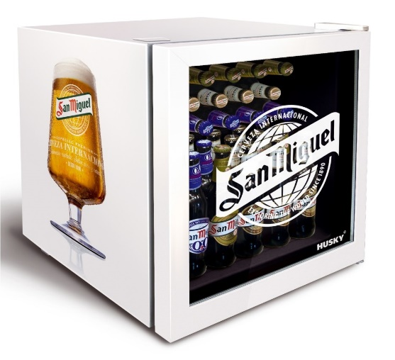 | Built In | 129

