Solid Laminate Worktops
Sr. No | Worktop Type | Worktop Name | Color | Size | Description | Price | Picture
1 | Solid Laminate Worktops | Cloudy Cement Zenith Worktops | Cloudy Cement | 3000mm x 650mm x 12mm | 12mm Ultra-slim edge profile. Solid surface needs to be cut by a professional Diamond saw blade. All types of sinks can be used with this surface. Drainer grooves can be cut into the surface. | 488 | 
2 | Solid Laminate Worktops | Cloudy Cement Zenith Worktops | Cloudy Cement | 3000mm x 950mm x 12mm | 12mm Ultra-slim edge profile. Solid surface needs to be cut by a professional Diamond saw blade. All types of sinks can be used with this surface. Drainer grooves can be cut into the surface. | 748
3 | Solid Laminate Worktops | Marble Veneto Zenith Worktops | Marble | 3000mm x 650mm x 12mm | 12mm Ultra-slim edge profile. Solid surface needs to be cut by a professional Diamond saw blade. All types of sinks can be used with this surface. Drainer grooves can be cut into the surface. | 488 | 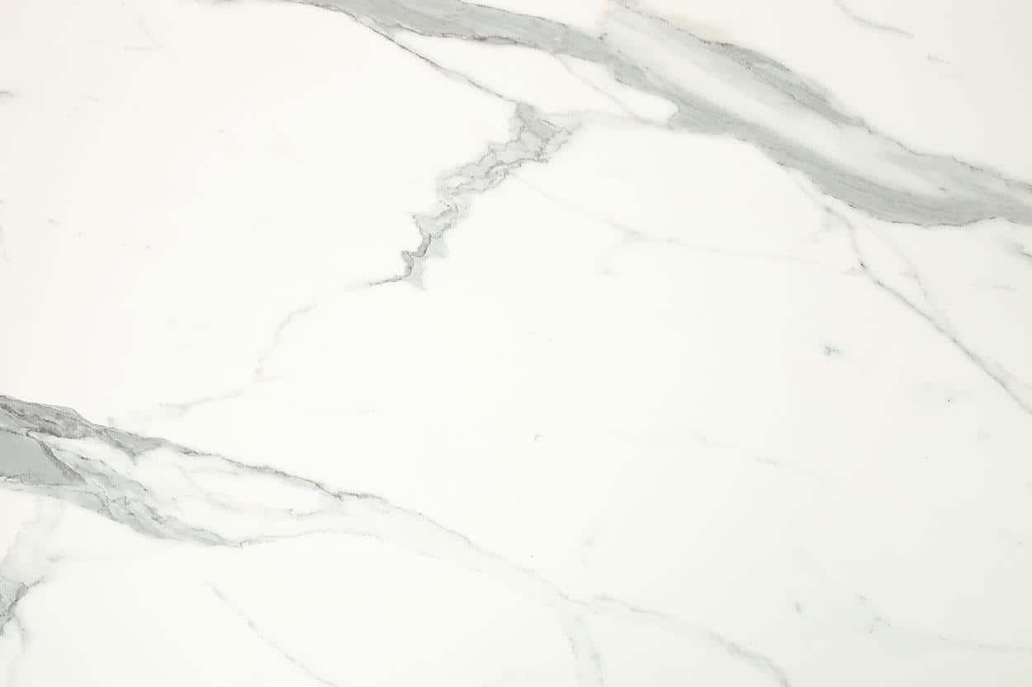
4 | Solid Laminate Worktops | Marble Veneto Zenith Worktops | Marble | 3000mm x 950mm x 12mm | 12mm Ultra-slim edge profile. Solid surface needs to be cut by a professional Diamond saw blade. All types of sinks can be used with this surface. Drainer grooves can be cut into the surface. | 748
5 | Solid Laminate Worktops | White Quartz Solid Laminate Worktops | White | 3000mm x 645mm x 12mm | 12mm Ultra-slim edge profile. Solid surface needs to be cut by a professional Diamond saw blade. All types of sinks can be used with this surface. Drainer grooves can be cut into the surface. | 462 | 
6 | Solid Laminate Worktops | White Quartz Solid Laminate Worktops | White | 3000mm x 950mm x 12mm | 12mm Ultra-slim edge profile. Solid surface needs to be cut by a professional Diamond saw blade. All types of sinks can be used with this surface. Drainer grooves can be cut into the surface. | 709
7 | Solid Laminate Worktops | Grey Marble Solid Laminate Worktops | grey and white | 3000mm x 645mm x 12mm | 12mm Ultra-slim edge profile. Solid surface needs to be cut by a professional Diamond saw blade. All types of sinks can be used with this surface. Drainer grooves can be cut into the surface. | 332
8 | Solid Laminate Worktops | Grey Marble Solid Laminate Worktops | grey and white | 3000mm x 950mm x 12mm | 12mm Ultra-slim edge profile. Solid surface needs to be cut by a professional Diamond saw blade. All types of sinks can be used with this surface. Drainer grooves can be cut into the surface. | 631 | 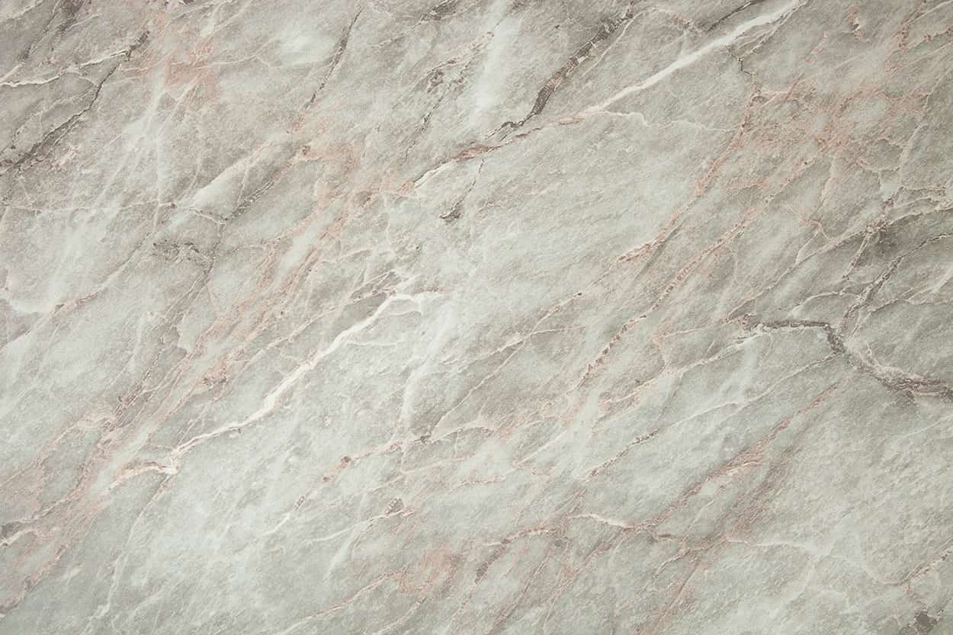
9 | Solid Laminate Worktops | Magma Zenith Worktops | grey | 3000mm x 650mm x 12mm | 12mm Ultra-slim edge profile. Solid surface needs to be cut by a professional Diamond saw blade. All types of sinks can be used with this surface. Drainer grooves can be cut into the surface. | 332 | 
10 | Solid Laminate Worktops | Magma Zenith Worktops | grey | 3000mm x 950mm x 12mm | 12mm Ultra-slim edge profile. Solid surface needs to be cut by a professional Diamond saw blade. All types of sinks can be used with this surface. Drainer grooves can be cut into the surface. | 631
11 | Solid Laminate Worktops | Rouille Zenith Worktops | copper | 3000mm x 650mm x 12mm | 12mm Ultra-slim edge profile. Solid surface needs to be cut by a professional Diamond saw blade. All types of sinks can be used with this surface. Drainer grooves can be cut into the surface. | 332 | 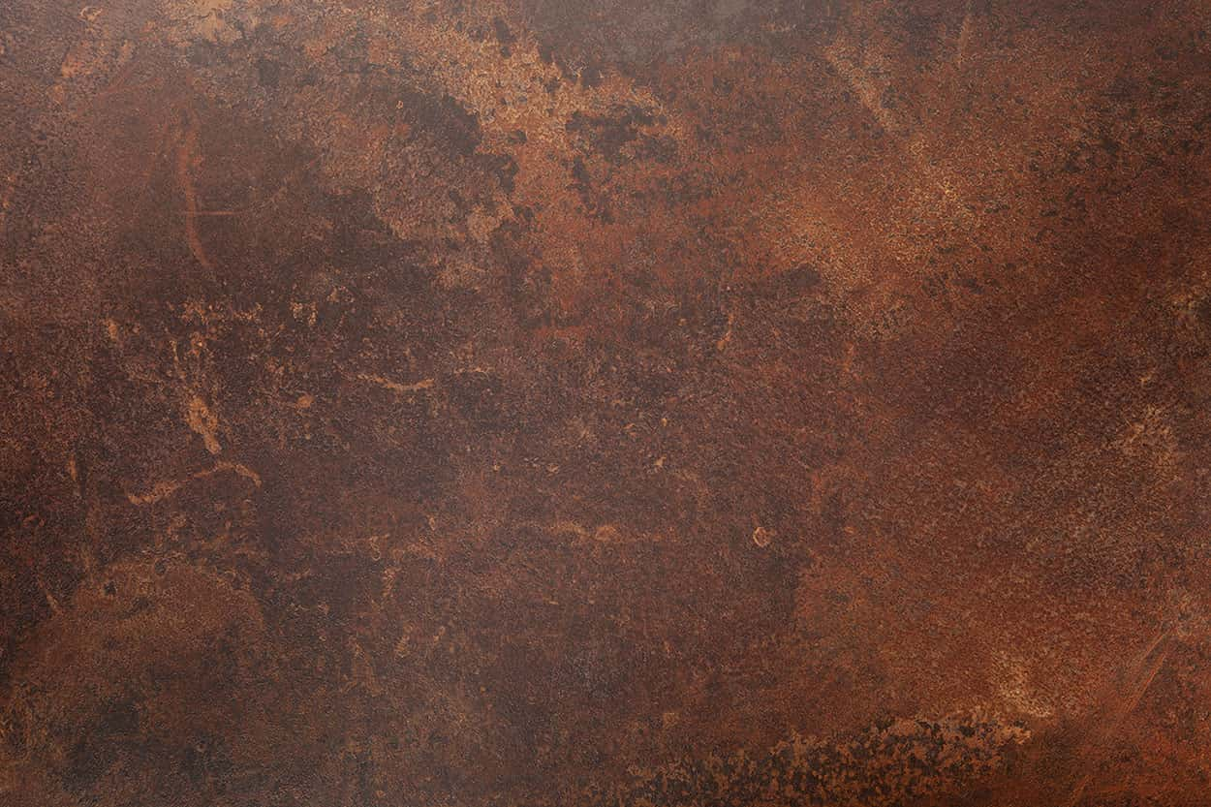
12 | Solid Laminate Worktops | Rouille Zenith Worktops | copper | 3000mm x 950mm x 12mm | 12mm Ultra-slim edge profile. Solid surface needs to be cut by a professional Diamond saw blade. All types of sinks can be used with this surface. Drainer grooves can be cut into the surface. | 631
13 | Solid Laminate Worktops | Caldeira Zenith Worktops | grey | 3000mm x 650mm x 12mm | 12mm Ultra-slim edge profile. Solid surface needs to be cut by a professional Diamond saw blade. All types of sinks can be used with this surface. Drainer grooves can be cut into the surface. | 332 | 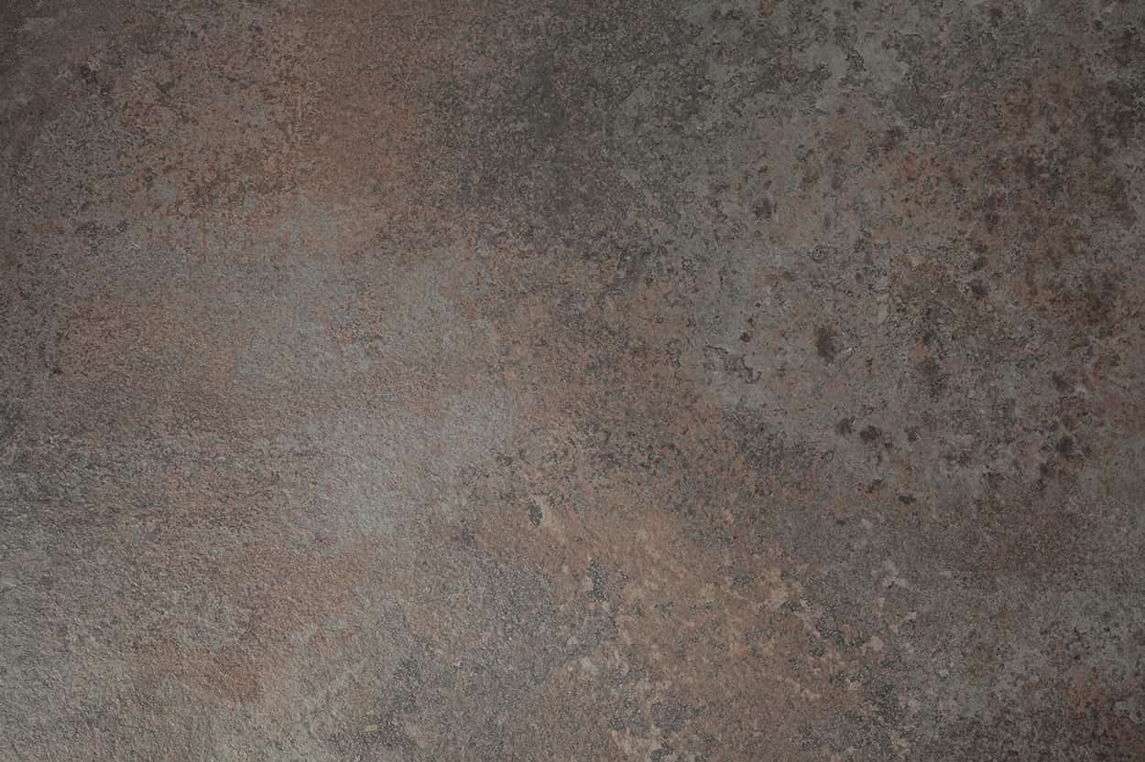
14 | Solid Laminate Worktops | Caldeira Zenith Worktops | grey | 3000mm x 950mm x 12mm | 12mm Ultra-slim edge profile. Solid surface needs to be cut by a professional Diamond saw blade. All types of sinks can be used with this surface. Drainer grooves can be cut into the surface. | 631
15 | Solid Laminate Worktops | Marmo Grigio Zenith Worktop | continental marble | 3000mm x 650mm x 12mm | 12mm Ultra-slim edge profile. Solid surface needs to be cut by a professional Diamond saw blade. All types of sinks can be used with this surface. Drainer grooves can be cut into the surface. | 488 | 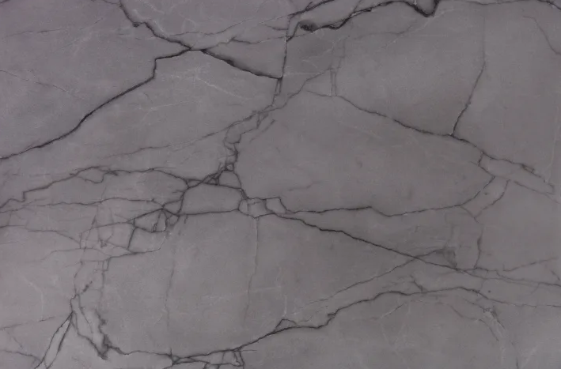
16 | Solid Laminate Worktops | Marmo Grigio Zenith Worktop | continental marble | 3000mm x 950mm x 12mm | 12mm Ultra-slim edge profile. Solid surface needs to be cut by a professional Diamond saw blade. All types of sinks can be used with this surface. Drainer grooves can be cut into the surface. | 748
17 | Solid Laminate Worktops | Concrete Solid Laminate Worktops | concrete | 3000mm x 650mm x 12mm | 12mm Ultra-slim edge profile. Solid surface needs to be cut by a professional Diamond saw blade. All types of sinks can be used with this surface. Drainer grooves can be cut into the surface. | 332 | 
18 | Solid Laminate Worktops | Concrete Solid Laminate Worktops | concrete | 3000mm x 950mm x 12mm | 12mm Ultra-slim edge profile. Solid surface needs to be cut by a professional Diamond saw blade. All types of sinks can be used with this surface. Drainer grooves can be cut into the surface. | 631
19 | Solid Laminate Worktops | Grey Sparkle Solid Laminate Worktops | Grey Sparkle | 3000mm x 645mm x 12mm | 12mm Ultra-slim edge profile. Solid surface needs to be cut by a professional Diamond saw blade. All types of sinks can be used with this surface. Drainer grooves can be cut into the surface. | 332 | 
20 | Solid Laminate Worktops | Grey Sparkle Solid Laminate Worktops | Grey Sparkle | 3000mm x 950mm x 12mm | 12mm Ultra-slim edge profile. Solid surface needs to be cut by a professional Diamond saw blade. All types of sinks can be used with this surface. Drainer grooves can be cut into the surface. | 631

