Solid Surface Worktops
Sr. No | Worktop Type | Worktop Name | Color | Size | Description | Price | Picture
1 | Solid Surface Worktops | Arctic Solid Surface Worktops | Arctic | 2M x 960 x 20mm | 20mm solid surface. Require little maintenance and easy to clean. Looks as expensive as stone but far more affordable than stone. | 644 | 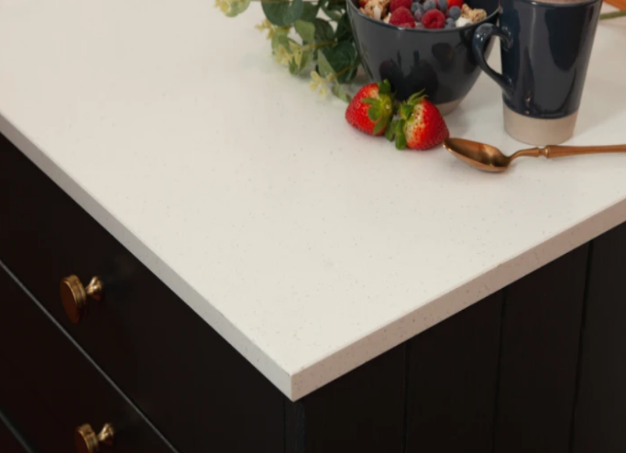
2 | Solid Surface Worktops | Arctic Solid Surface Worktops | Arctic | 3M x 650 x 20mm | 20mm solid surface. Require little maintenance and easy to clean. Looks as expensive as stone but far more affordable than stone. | 624 | 
3 | Solid Surface Worktops | Caledonia Solid Surface Worktops | Grey | 2M x 960 x 20mm | 20mm solid surface. Require little maintenance and easy to clean. Looks as expensive as stone but far more affordable than stone. | 644 | 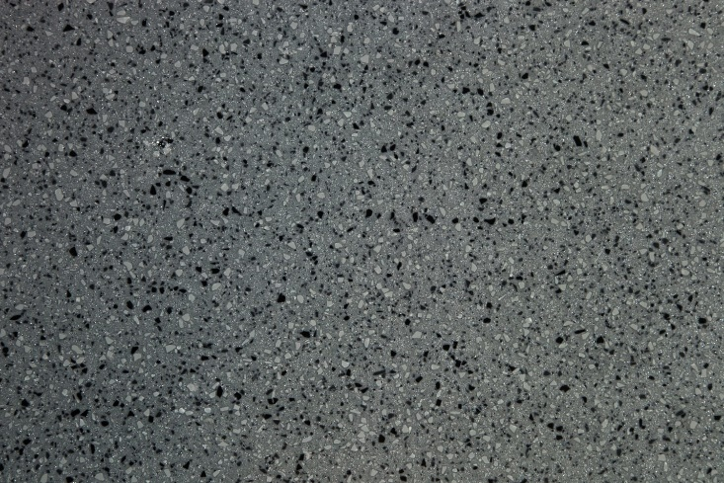
4 | Solid Surface Worktops | Caledonia Solid Surface Worktops | Grey | 3M x 650 x 20mm | 20mm solid surface. Require little maintenance and easy to clean. Looks as expensive as stone but far more affordable than stone. | 624
5 | Solid Surface Worktops | Twilight Solid Surface Worktops | Light Grey | 2M x 960 x 20mm | 20mm solid surface. Require little maintenance and easy to clean. Looks as expensive as stone but far more affordable than stone. | 644 | 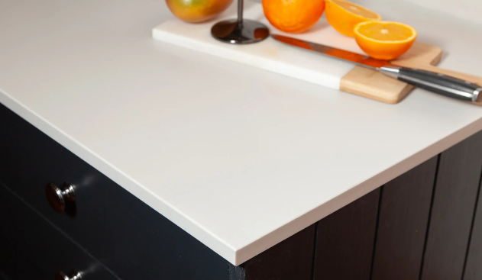
6 | Solid Surface Worktops | Twilight Solid Surface Worktops | Light Grey | 3M x 650 x 20mm | 20mm solid surface. Require little maintenance and easy to clean. Looks as expensive as stone but far more affordable than stone. | 624
7 | Solid Surface Worktops | Alpine Solid Surface Worktops | White | 2M x 960 x 20mm | 20mm solid surface. Require little maintenance and easy to clean. Looks as expensive as stone but far more affordable than stone. | 644 | 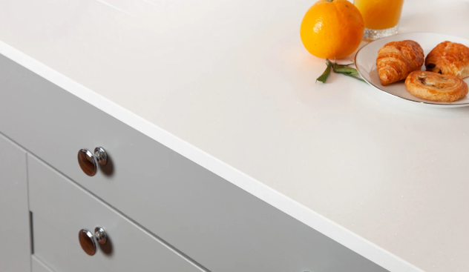
8 | Solid Surface Worktops | Alpine Solid Surface Worktops | White | 3M x 650 x 20mm | 20mm solid surface. Require little maintenance and easy to clean. Looks as expensive as stone but far more affordable than stone. | 624
9 | Solid Surface Worktops | Canella Solid Surface Worktops | granite | 3M x 650mm x 20mm | 20mm solid surface. Require little maintenance and easy to clean. Looks as expensive as stone but far more affordable than stone. | 735 | 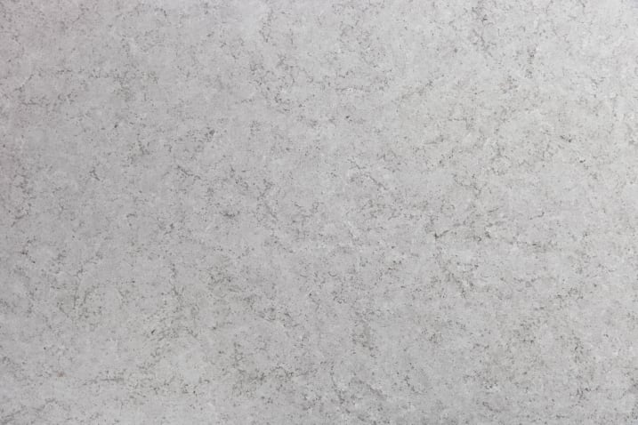
10 | Solid Surface Worktops | Canella Solid Surface Worktops | granite | 2M x 960mm x 20mm | 20mm solid surface. Require little maintenance and easy to clean. Looks as expensive as stone but far more affordable than stone. | 754
11 | Solid Surface Worktops | Carrara Solid Surface Worktops | white | 3M x 650mm x 20mm | 20mm solid surface. Require little maintenance and easy to clean. Looks as expensive as stone but far more affordable than stone. | 735 | 
12 | Solid Surface Worktops | Carrara Solid Surface Worktops | white | 2M x 960mm x 20mm | 20mm solid surface. Require little maintenance and easy to clean. Looks as expensive as stone but far more affordable than stone. | 754
13 | Solid Surface Worktops | Ferrato Solid Surface Worktops | black and white | 3M x 650mm x 20mm | 20mm solid surface. Require little maintenance and easy to clean. Looks as expensive as stone but far more affordable than stone. | 735 | 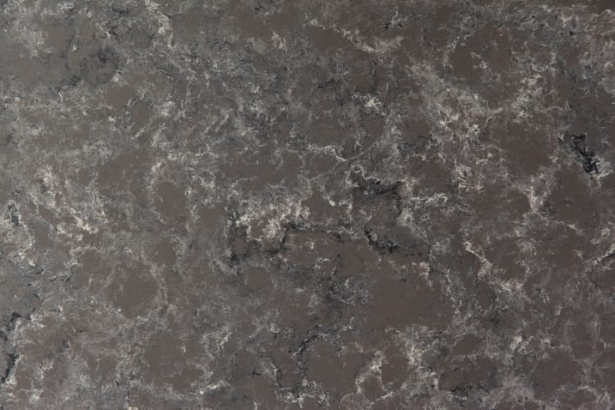
14 | Solid Surface Worktops | Ferrato Solid Surface Worktops | black and white | 2M x 960mm x 20mm | 20mm solid surface. Require little maintenance and easy to clean. Looks as expensive as stone but far more affordable than stone. | 754

