Dishwashers
Sr. No | Appliance Name | Brand Name | Category | Description | Picture | Type | Price
1 | Montpellier MDI700 MONTPELLIER FULLY INTEGRATED 12 PLACE SETTING DISHWASHER | Montpellier | FULL SIZE DISWASHER | Neatly hidden behind a standard cupboard door is the MDI700 full size integrated dishwasher. It delivers outstanding cleaning ability from behind the door with a variety of cleaning options. It can hold 12 place settings, and will wash them effortlessly with one of the 9 programmes and 5 temperatures. It will also time its cycle around your day, it offers a time delay function so that you can set it to start from 1 – 19 hours later. It’s perfect in form with its flexible baskets offering the space you need for all of your crockery. There’s a really handy internal light which makes loading and unloading so much easier. | 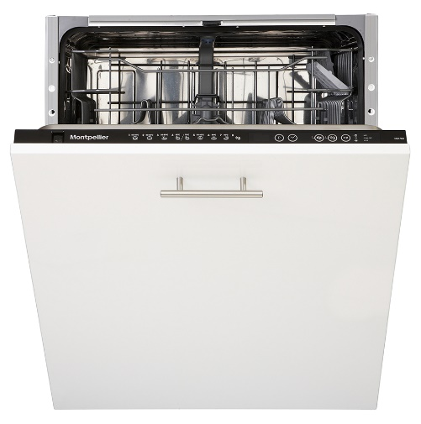 | Built In | 289
2 | Montpellier MDI800 MONTPELLIER FULLY INTEGRATED 15 PLACE SETTING DISHWASHER | Montpellier | FULL SIZE DISWASHER | Neatly hidden behind a standard cupboard door is the MDI800 full size integrated dishwasher. It delivers outstanding cleaning ability from behind the door with a variety of cleaning options. It can hold an enormous 15 place settings, and will wash them effortlessly with one of the 9 programmes and 6 temperatures. It will also time its cycle around your day, it offers a time delay function so that you can set it to start from 1 – 19 hours later. It’s perfect in form with its flexible baskets offering the space you need for all of your crockery. It features a clever InfoLED light. This shines a soft glow onto your work surface to tell you when the cycle has ended. | 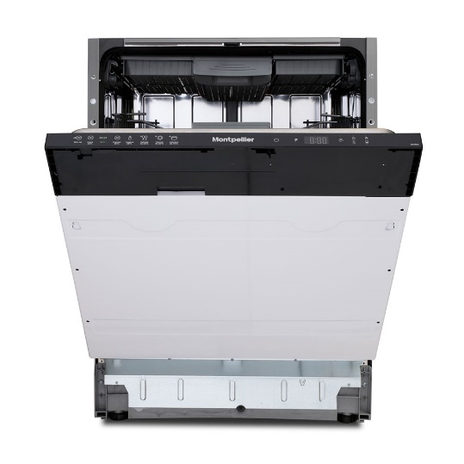 | Built In | 339
3 | Montpellier DW1254S MONTPELLIER SILVER FULL SIZE DISHWASHER | Montpellier | FULL SIZE DISHWASHER | The DW1254S is the perfect dishwasher for when you’re in a hurry. Available in White (P), Silver (S) or Black (K), it will be the perfect dishwashing partner for your home. Full size means that it can hold 12 place settings, and wash them via one of the 5 programmes and 4 temperatures. It’s perfect for busy lifestyle too, all you have to do is select the Quick Wash option and your lightly soiled dishes will be sparkling clean in just 30 minutes. It has smooth sliding lightweight adjustable racks for optimising stacking options. | 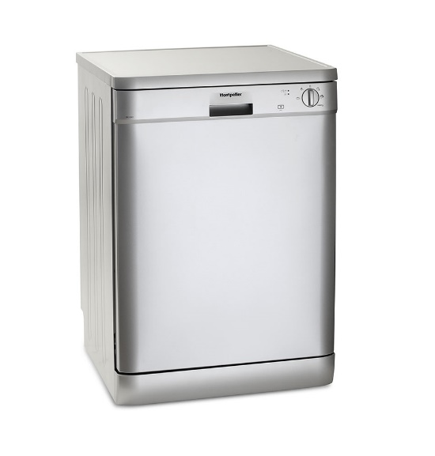 | Freestanding | 269
4 | Hotpoint HSFE1B19 HOTPOINT WHITE 10 PLACE SETTING SLIMNLINE DISHWASHER | Hotpoint | SLIMNLINE DISHWASHER | The Hotpoint Aquarius HSFE 1B19 Dishwasher comes in a classic white finish. Its A+ energy rated is great for conserving them energy bills. The multi tab function will maximise use of your tablets to give great wash results while the quick wash is ideal for smaller loads when you're in a hurry. 10 place settings is ample room for any family and its smaller compact design is great if space is an issue. Make your life easier and let the Hotpoint HSFE 1B19 do your dishes. | 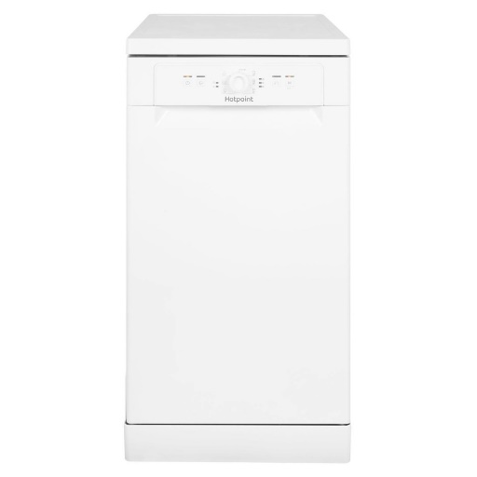 | Freestanding | 249

