Wood Worktops
Sr. No | Worktop Type | Worktop Name | Color | Size | Description | Price | Picture
1 | Wood Worktops | Oak Worktops | Oak | 2M X 620 X 40mm | Oak worktop is natural product requiring low maintenance. | 182 | 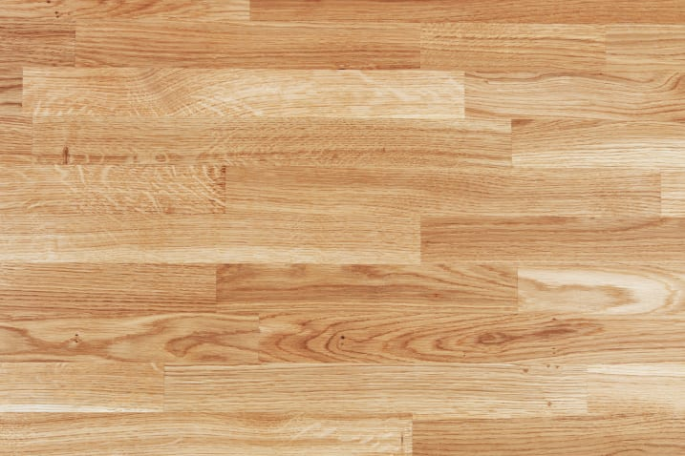
2 | Wood Worktops | Oak Worktops | Oak | 2M X 720 X 40mm | Oak worktop is natural product requiring low maintenance. | 260
3 | Wood Worktops | Oak Worktops | Oak | 2M X 960 X 40mm | Oak worktop is natural product requiring low maintenance. | 267
4 | Wood Worktops | Oak Worktops | Oak | 2M X 1240 X 40mm | Oak worktop is natural product requiring low maintenance. | 338
5 | Wood Worktops | Oak Worktops | Oak | 3M X 620 X 40mm | Oak worktop is natural product requiring low maintenance. | 247
6 | Wood Worktops | Oak Worktops | Oak | 3M X 720 X 40mm | Oak worktop is natural product requiring low maintenance. | 319
7 | Wood Worktops | Oak Worktops | Oak | 3M X 960 X 40mm | Oak worktop is natural product requiring low maintenance. | 410
8 | Wood Worktops | Oak Worktops | Oak | 4M X 620 X 40mm | Oak worktop is natural product requiring low maintenance. | 325
9 | Wood Worktops | Oak Worktops | Oak | 4M X 720 X 40mm | Oak worktop is natural product requiring low maintenance. | 410
10 | Wood Worktops | Oak Worktops | Oak | 2M X 620 X 40mm PRE-OILED | Oak worktop is natural product requiring low maintenance. | 215
11 | Wood Worktops | Oak Worktops | Oak | 2M X 960 X 40mm PRE-OILED | Oak worktop is natural product requiring low maintenance. | 293
12 | Wood Worktops | Oak Worktops | Oak | 3M X 620 X 40mm PRE-OILED | Oak worktop is natural product requiring low maintenance. | 286
13 | Wood Worktops | Oak Worktops | Oak | 3M X 960 X 40mm PRE-OILED | Oak worktop is natural product requiring low maintenance. | 455
14 | Wood Worktops | Oak Worktops | Oak | 4M X 620 X 40mm PRE-OILED | Oak worktop is natural product requiring low maintenance. | 371
15 | Wood Worktops | Oak Worktops | Oak | 3M X 1240 X 40mm | Oak worktop is natural product requiring low maintenance. | 587
16 | Wood Worktops | Oak Worktops | Oak | 2M X 620 X 27mm | Oak worktop is natural product requiring low maintenance. | 176
17 | Wood Worktops | Oak Worktops | Oak | 2M X 960 X 27mm | Oak worktop is natural product requiring low maintenance. | 236
18 | Wood Worktops | Oak Worktops | Oak | 3M X 620 X 27mm | Oak worktop is natural product requiring low maintenance. | 221
19 | Wood Worktops | Oak Worktops | Oak | 3M X 720 X 27mm | Oak worktop is natural product requiring low maintenance. | 293
20 | Wood Worktops | Oak Worktops | Oak | 3M X 960 X 27mm | Oak worktop is natural product requiring low maintenance. | 345
21 | Wood Worktops | Oak Worktops | Oak | 4M X 620 X 27mm | Oak worktop is natural product requiring low maintenance. | 299
22 | Wood Worktops | Oak Worktops | Oak | 2M X 620 X 22mm | Oak worktop is natural product requiring low maintenance. | 150
23 | Wood Worktops | Oak Worktops | Oak | 2M X 960 X 22mm | Oak worktop is natural product requiring low maintenance. | 215
24 | Wood Worktops | Oak Worktops | Oak | 3M X 620 X 22mm | Oak worktop is natural product requiring low maintenance. | 195
25 | Wood Worktops | Oak Worktops | Oak | 3M X 960 X 22mm | Oak worktop is natural product requiring low maintenance. | 293
26 | Wood Worktops | Oak Worktops | Oak | 4M X 620 X 22mm | Oak worktop is natural product requiring low maintenance. | 234
27 | Wood Worktops | Solid Walnut Worktops | Walnut | 2M X 620 X 40mm | Walnut worktop is natural product requiring low maintenance. | 280 | 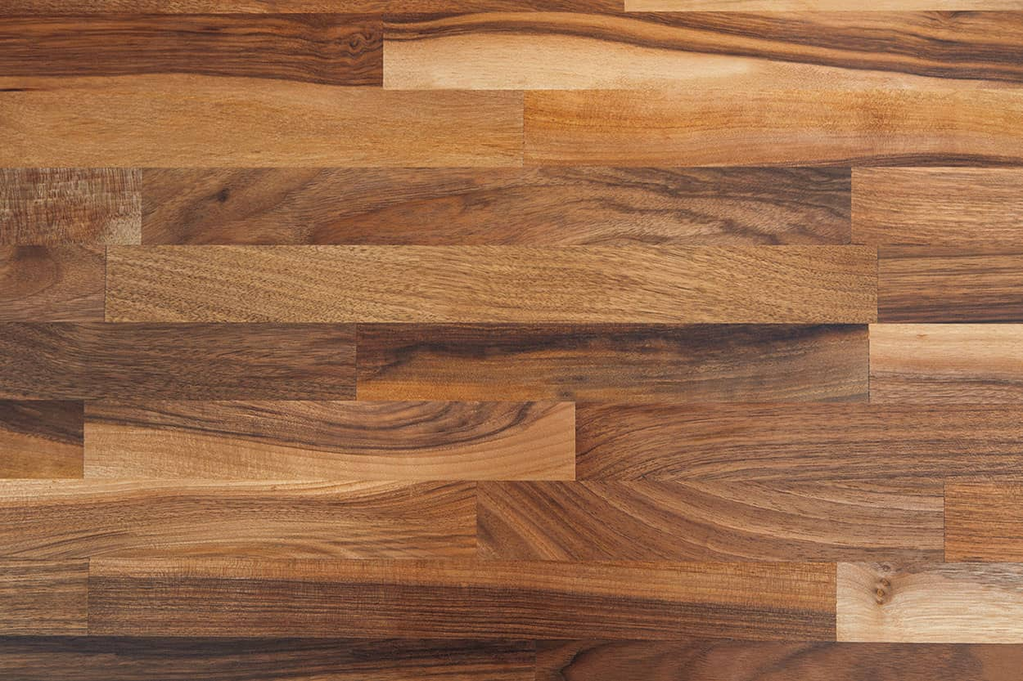
28 | Wood Worktops | Solid Walnut Worktops | Walnut | 2M X 960 X 40mm | Walnut worktop is natural product requiring low maintenance. | 364
29 | Wood Worktops | Solid Walnut Worktops | Walnut | 3M X 620 X 40mm | Walnut worktop is natural product requiring low maintenance. | 384
30 | Wood Worktops | Solid Walnut Worktops | Walnut | 3M X 720 X 40mm | Walnut worktop is natural product requiring low maintenance. | 501
31 | Wood Worktops | Solid Walnut Worktops | Walnut | 3M X 960 X 40mm | Walnut worktop is natural product requiring low maintenance. | 527
32 | Wood Worktops | Solid Walnut Worktops | Walnut | 4M X 620 X 40mm | Walnut worktop is natural product requiring low maintenance. | 494
33 | Wood Worktops | Solid Walnut Worktops | Walnut | 4M X 720 X 40mm | Walnut worktop is natural product requiring low maintenance. | 611
34 | Wood Worktops | Solid Walnut Worktops | Walnut | 3M X 620 X 27mm | Walnut worktop is natural product requiring low maintenance. | 325
35 | Wood Worktops | Solid Walnut Worktops | Walnut | 3M X 960 X 27mm | Walnut worktop is natural product requiring low maintenance. | 520
36 | Wood Worktops | Solid Walnut Worktops | Walnut | 4M X 620 X 27mm | Walnut worktop is natural product requiring low maintenance. | 429
37 | Wood Worktops | Iroko Worktops | bronze | 2M X 620 X 40mm | Iroko worktop is natural product requiring low maintenance. | 228 | 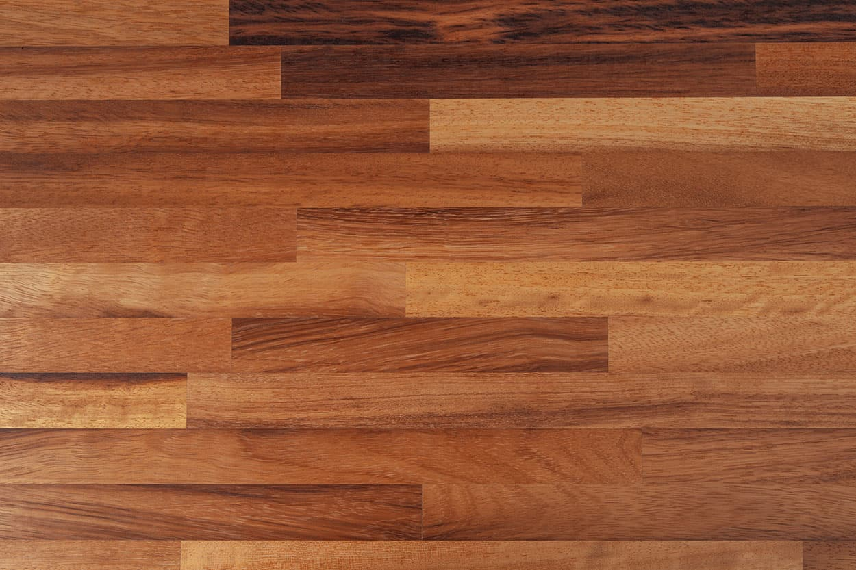
38 | Wood Worktops | Iroko Worktops | bronze | 2M X 960 X 40mm | Iroko worktop is natural product requiring low maintenance. | 364
39 | Wood Worktops | Iroko Worktops | bronze | 2M X 1240 X 40mm | Iroko worktop is natural product requiring low maintenance. | 592
40 | Wood Worktops | Iroko Worktops | bronze | 3M X 620 X 40mm | Iroko worktop is natural product requiring low maintenance. | 332
41 | Wood Worktops | Iroko Worktops | bronze | 3M X 720 X 40mm | Iroko worktop is natural product requiring low maintenance. | 436
42 | Wood Worktops | Iroko Worktops | bronze | 3M X 960 X 40mm | Iroko worktop is natural product requiring low maintenance. | 488
43 | Wood Worktops | Iroko Worktops | bronze | 4M X 620 X 40mm | Iroko worktop is natural product requiring low maintenance. | 390
44 | Wood Worktops | Iroko Worktops | bronze | 4M X 720 X 40mm | Iroko worktop is natural product requiring low maintenance. | 514
45 | Wood Worktops | Iroko Worktops | bronze | 3M X 620 X 27mm | Iroko worktop is natural product requiring low maintenance. | 267
46 | Wood Worktops | Iroko Worktops | bronze | 3M X 960 X 27mm | Iroko worktop is natural product requiring low maintenance. | 423
47 | Wood Worktops | Iroko Worktops | bronze | 4M X 620 X 27mm | Iroko worktop is natural product requiring low maintenance. | 384
48 | Wood Worktops | Solid Beech Worktops | Beech | 2M X 620 X 40mm | Solid Beech worktop is natural product requiring low maintenance. | 137 | 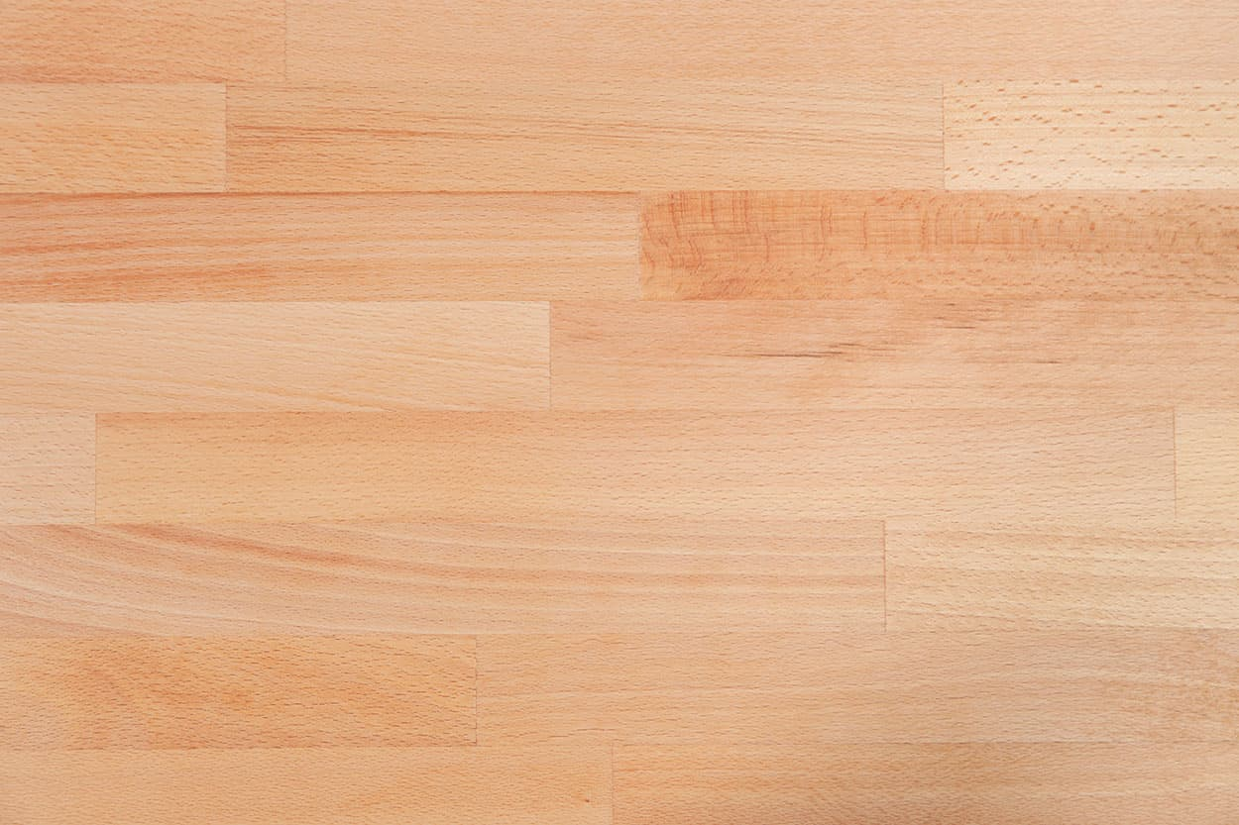
49 | Wood Worktops | Solid Beech Worktops | Beech | 2M X 960 X 40mm | Solid Beech worktop is natural product requiring low maintenance. | 228
50 | Wood Worktops | Solid Beech Worktops | Beech | 3M X 620 X 40mm | Solid Beech worktop is natural product requiring low maintenance. | 189
51 | Wood Worktops | Solid Beech Worktops | Beech | 3M X 720 X 40mm | Solid Beech worktop is natural product requiring low maintenance. | 208
52 | Wood Worktops | Solid Beech Worktops | Beech | 3M X 960 X 40mm | Solid Beech worktop is natural product requiring low maintenance. | 280
53 | Wood Worktops | Solid Beech Worktops | Beech | 4M X 620 X 40mm | Solid Beech worktop is natural product requiring low maintenance. | 241
54 | Wood Worktops | Solid Beech Worktops | Beech | 4M X 720 X 40mm | Solid Beech worktop is natural product requiring low maintenance. | 293
55 | Wood Worktops | Solid Beech Worktops | Beech | 3M X 620 X 27mm | Solid Beech worktop is natural product requiring low maintenance. | 124
56 | Wood Worktops | Solid Beech Worktops | Beech | 4M X 620 X 27mm | Solid Beech worktop is natural product requiring low maintenance. | 228
57 | Wood Worktops | Black American Walnut Worktops | Black Walnut | 2M X 620 X 40mm | Black American Walnut worktop is natural product requiring low maintenance. | 397 | 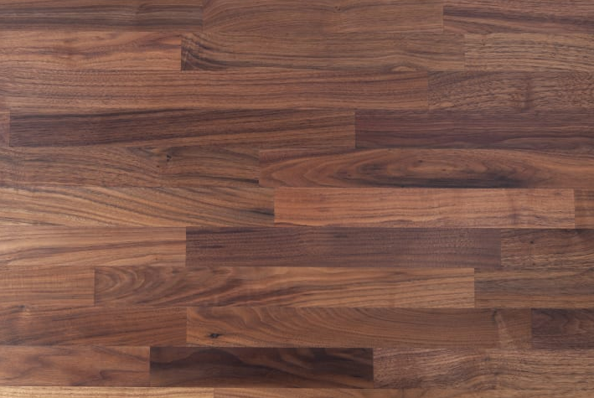
58 | Wood Worktops | Black American Walnut Worktops | Black Walnut | 2M X 960 X 40mm | Black American Walnut worktop is natural product requiring low maintenance. | 553
59 | Wood Worktops | Black American Walnut Worktops | Black Walnut | 3M X 620 X 40mm | Black American Walnut worktop is natural product requiring low maintenance. | 540
60 | Wood Worktops | Black American Walnut Worktops | Black Walnut | 3M X 720 X 40mm | Black American Walnut worktop is natural product requiring low maintenance. | 683
61 | Wood Worktops | Black American Walnut Worktops | Black Walnut | 3M X 960 X 40mm | Black American Walnut worktop is natural product requiring low maintenance. | 735
62 | Wood Worktops | Black American Walnut Worktops | Black Walnut | 4M X 620 X 40mm | Black American Walnut worktop is natural product requiring low maintenance. | 644
63 | Wood Worktops | Black American Walnut Worktops | Black Walnut | 3M X 620 X 27mm | Black American Walnut worktop is natural product requiring low maintenance. | 462
64 | Wood Worktops | Solid Ash Worktops | timber | 2M X 620 X 40mm | Solid Ash worktop is natural product requiring low maintenance. | 195 | 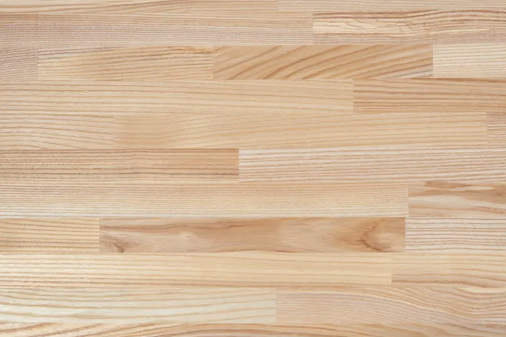
65 | Wood Worktops | Solid Ash Worktops | timber | 2M X 960 X 40mm | Solid Ash worktop is natural product requiring low maintenance. | 299
66 | Wood Worktops | Solid Ash Worktops | timber | 3M X 620 X 40mm | Solid Ash worktop is natural product requiring low maintenance. | 292.5
67 | Wood Worktops | Solid Ash Worktops | timber | 3M X 720 X 40mm | Solid Ash worktop is natural product requiring low maintenance. | 351
68 | Wood Worktops | Solid Ash Worktops | timber | 3M X 960 X 40mm | Solid Ash worktop is natural product requiring low maintenance. | 410
69 | Wood Worktops | Solid Ash Worktops | timber | 4M X 620 X 40mm | Solid Ash worktop is natural product requiring low maintenance. | 345
70 | Wood Worktops | Solid Ash Worktops | timber | 3M X 620 X 27mm | Solid Ash worktop is natural product requiring low maintenance. | 195
71 | Wood Worktops | Caramel Bamboo Worktops | Caramel | 2M X 620 X 40mm | Caramel Bamboo worktop is natural product requiring low maintenance. | 218 | 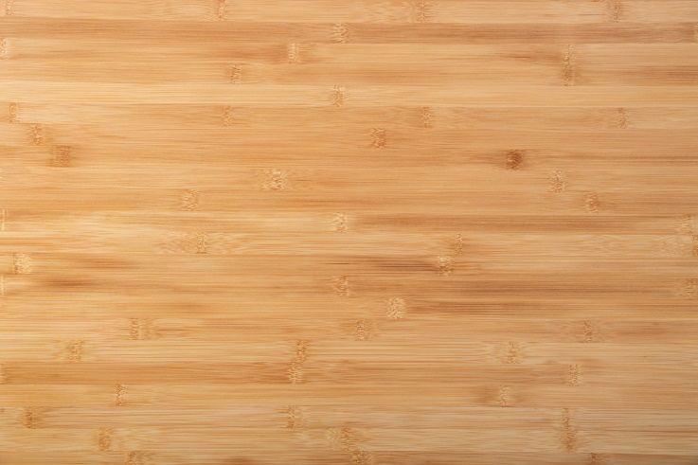
72 | Wood Worktops | Caramel Bamboo Worktops | Caramel | 3M X 620 X 40mm | Caramel Bamboo worktop is natural product requiring low maintenance. | 306
73 | Wood Worktops | Caramel Bamboo Worktops | Caramel | 3M X 960 X 40mm | Caramel Bamboo worktop is natural product requiring low maintenance. | 440
74 | Wood Worktops | Caramel Bamboo Worktops | Caramel | 4M X 620 X 40mm | Caramel Bamboo worktop is natural product requiring low maintenance. | 409
75 | Wood Worktops | Black Oak Worktops | Black Oak | 2M X 620 X 40mm | Black Oak worktop is natural product requiring low maintenance. | 325 | 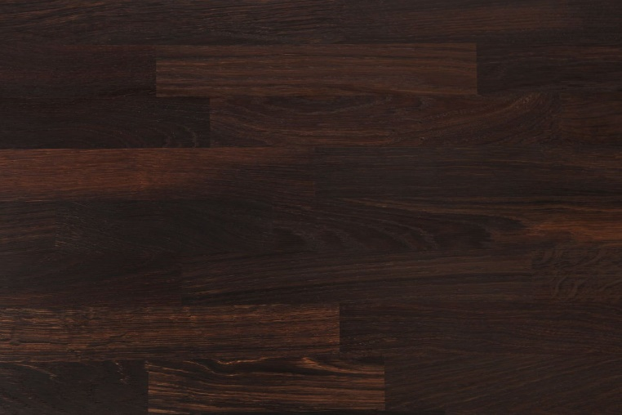
76 | Wood Worktops | Black Oak Worktops | Black Oak | 3M X 620 X 40mm | Black Oak worktop is natural product requiring low maintenance. | 488
77 | Wood Worktops | Black Oak Worktops | Black Oak | 3M X 960 X 40mm | Black Oak worktop is natural product requiring low maintenance. | 793
78 | Wood Worktops | Black Oak Worktops | Black Oak | 4M X 620 X 40mm | Black Oak worktop is natural product requiring low maintenance. | 683
79 | Wood Worktops | Zebrano Worktops | pale golden colour | 2M X 620 X 40mm | Zebrano worktop is natural product requiring low maintenance. | 475 | 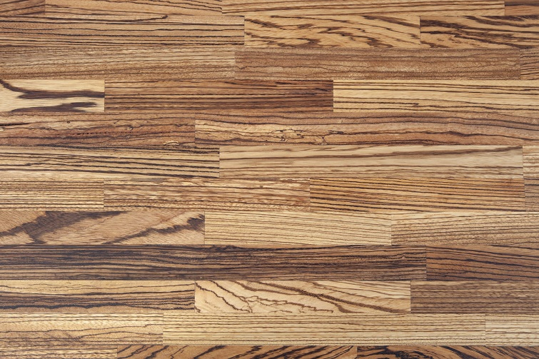
80 | Wood Worktops | Zebrano Worktops | pale golden colour | 3M X 620 X 40mm | Zebrano worktop is natural product requiring low maintenance. | 657
81 | Wood Worktops | Zebrano Worktops | pale golden colour | 3M X 960 X 40mm | Zebrano worktop is natural product requiring low maintenance. | 852
82 | Wood Worktops | Zebrano Worktops | pale golden colour | 4M X 620 X 40mm | Zebrano worktop is natural product requiring low maintenance. | 826
83 | Wood Worktops | Maple Worktops | Maple | 2M X 620 X 40mm | Maple worktop is natural product requiring low maintenance. | 182 | 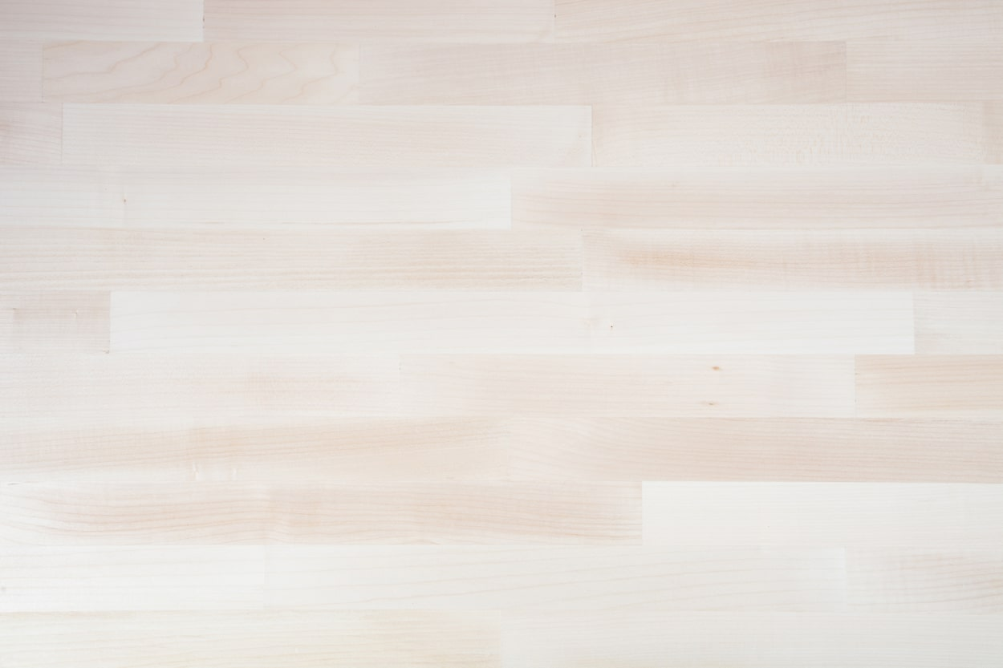
84 | Wood Worktops | Maple Worktops | Maple | 3M X 620 X 40mm | Maple worktop is natural product requiring low maintenance. | 286
85 | Wood Worktops | Maple Worktops | Maple | 3M X 960 X 40mm | Maple worktop is natural product requiring low maintenance. | 449
86 | Wood Worktops | Maple Worktops | Maple | 4M X 620 X 40mm | Maple worktop is natural product requiring low maintenance. | 377
87 | Wood Worktops | Maple Worktops | Maple | 3M X 620 X 27mm | Maple worktop is natural product requiring low maintenance. | 286

