6.Star Schema
Star Schema

Star Schema Image | Possible Star Schema Queries
 | Sno | Business Question Addressed | SQL query
 | 1 | Most used aircraft analysis: Total Number of Flights by Aircraft | SELECT da.aircraft_name, COUNT(fo.flight_operation_id) AS total_flights FROM flight_operations fo JOIN dimAircraft da ON fo.aircraft_id = da.aircraftid GROUP BY da.aircraft_name ORDER BY total_flights DESC;
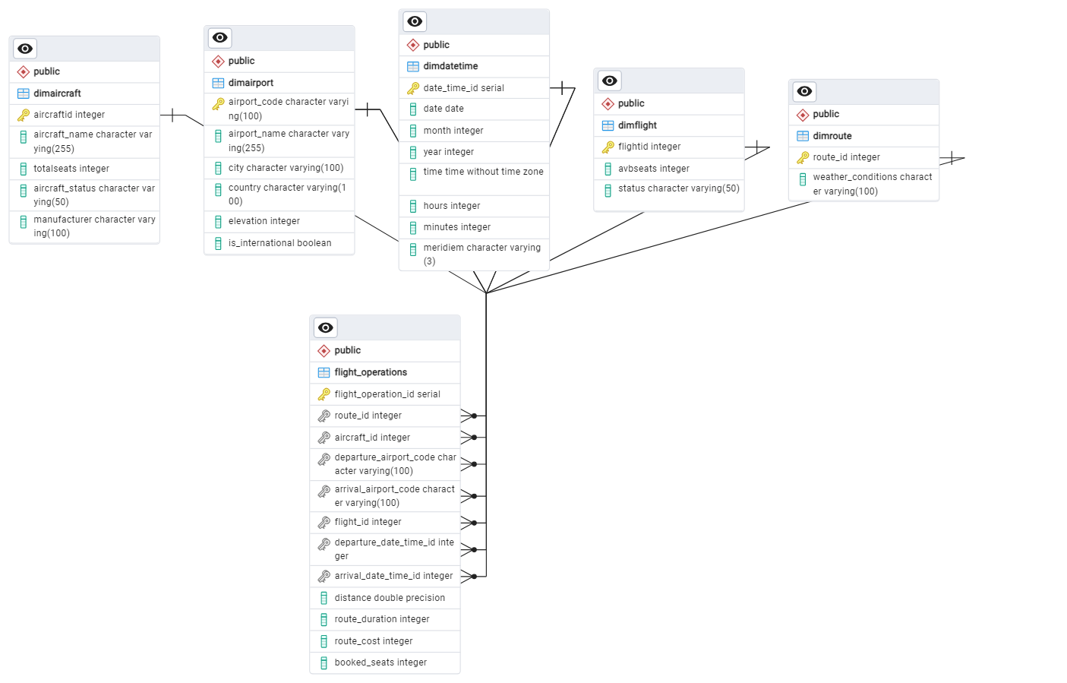 | 2 | Departure Airport Route Duration analysis: Average Route Duration by Departure Airport | SELECT dap.airport_name AS departure_airport, AVG(fo.route_duration) AS avg_duration FROM flight_operations fo JOIN dimAirport dap ON fo.departure_airport_code = dap.airport_code GROUP BY dap.airport_name ORDER BY avg_duration DESC;
 | 3 | Monthly based route cost analysis per different routes: Total Route Cost by Route and Month | SELECT dr.route_id, dd.month, SUM(fo.route_cost) AS total_route_cost FROM flight_operations fo JOIN dimRoute dr ON fo.route_id = dr.route_id JOIN dimDateTime dd ON fo.departure_date_time_id = dd.date_time_id GROUP BY dr.route_id, dd.month ORDER BY dr.route_id, dd.month;
 | 4 | Booked Seats per status of different Flight Analysis/Number of passenger on time or delayed: Booked Seats by Flight Status and Aircraft | SELECT df.status, da.aircraft_name, SUM(fo.booked_seats) AS total_booked_seats FROM flight_operations fo JOIN dimFlight df ON fo.flight_id = df.flightid JOIN dimAircraft da ON fo.aircraft_id = da.aircraftid GROUP BY df.status, da.aircraft_name ORDER BY total_booked_seats DESC;
 | 5 | International vs Domestic Flights number: | SELECT dap.is_international, COUNT(fo.flight_operation_id) AS total_flights FROM flight_operations fo JOIN dimAirport dap ON fo.departure_airport_code = dap.airport_code GROUP BY dap.is_international ORDER BY total_flights DESC

