Step 0 - Prerequisites
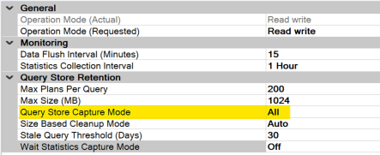
STEP 0 - Prerequisites

a.Perform a Database refresh of AXDB from Production to Sandbox environment (e.g : PITR PROD to Sandbox)- This is required to collect latest statistics by running queries provided with the tool

b. Need access to production BYOD database and setup “Query store capture mode” to All - This is required to collect query statistics to understand the read patterns on the BYOD database in production

Step 2 - Azure Services Price
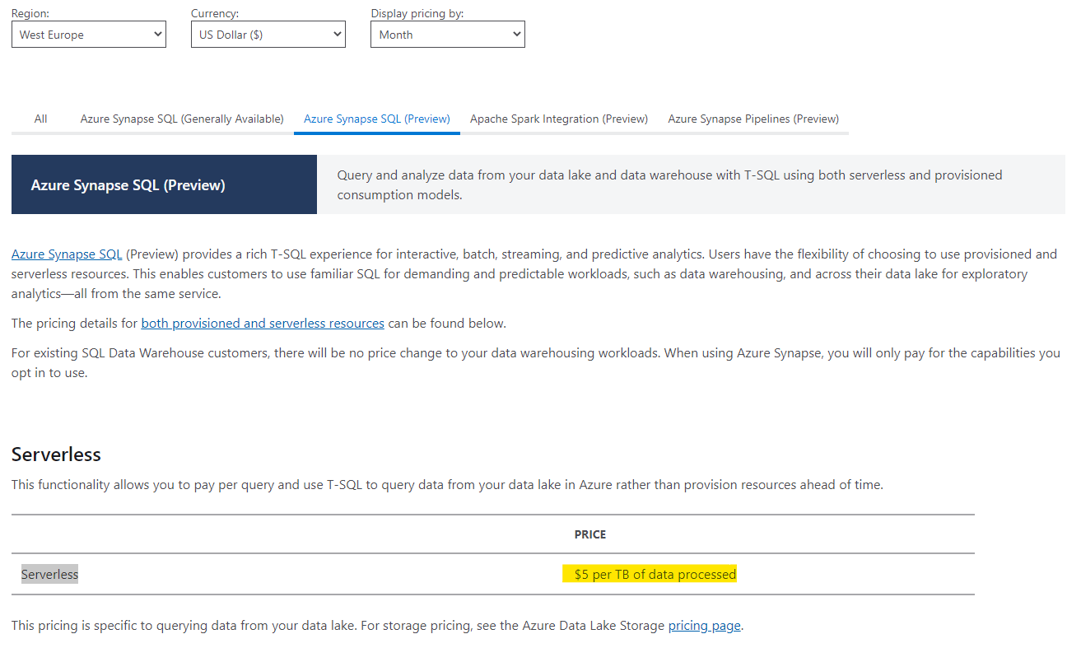
Step 2 - Azure Services Price
The input fields on this tab are the unitary prices from the Azure pricing details page linked below. Mandatory settings : Type = Data Lake Storage Gen2 FILE STRUCTURE = Hierarchical Namespace Consider the selections in the Azure calculator carefully, as they impact performance, availability, and pricing.
https://azure.microsoft.com/en-us/pricing/details/storage/data-lake/
https://azure.microsoft.com/en-us/pricing/details/synapse-analytics/

Azure Storage Gen 2 | Cost | Base Unit | Unit
Storage Capacity Cost / Month | 0.0196 | 1 | gb-Month
Write Operations cost | 0.0702 | 10000 | Operaiton
Read Operations Cost | 0.0056 | 10000 | Operaiton
Other operation | 0.00559 | 10000 | Operation

Synapse SQL-OD | Cost | Base Unit | Unit
Data scanned | 5 | 1 | $-TB

Below screenshots are extracted from Azure pricing details page to illustrate an example of pricing. Set your parameters to reflect your lake requirements, and then extract the values as highlighted in below sample. Every factor influences the unitary cost please choose them carefully (e.g as the BYOD cost you entered in step 1 is based on your current expenditure, The comparison should be evaluated using similar Azure Data lake Gen 2 availability options as they have impact on cost local redundancy vs Geo redundancy to name them.

https://azure.microsoft.com/en-us/pricing/details/storage/data-lake/ |  |  |  | https://azure.microsoft.com/en-us/pricing/details/synapse-analytics/

