Sheet1
 | parameters | bs | lr | input size | optmizer | aug
1 | 1800k | 64 | 0.001 | 128 | Adam | mixup + all
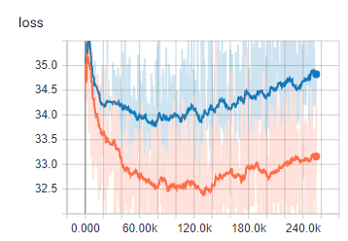
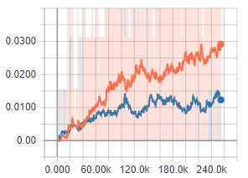

2 | 1800k | 64 | 0.00001 | 128 | Adam | mixup + all
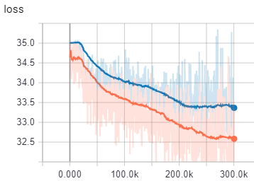
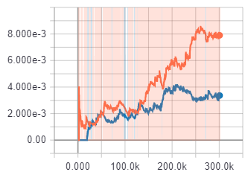

3 | 1800k | 64 | 0.001 | 128 | Adam | no aug
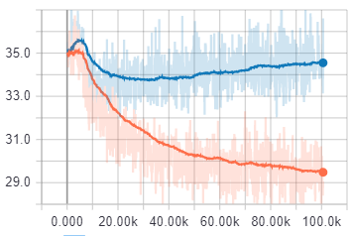
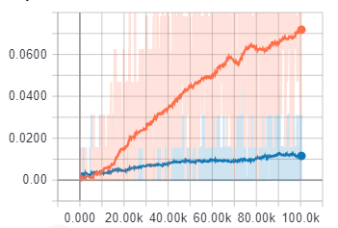

4 | 1800k | 64 | 0.0001 | 128 | Adam | mixup + all
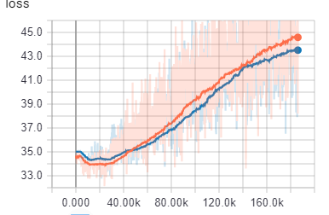

5 | 1800k | 256 | 0.0001 | 128 | Adam | mixup + 1-11
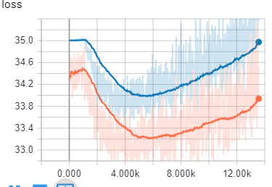

6 | 1800k | 256 | 0.0001 | 128 | Adam | only 1-11
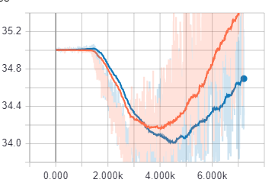

 | 1800k | 512 | 0.0001 | 128 | Adam | no aug
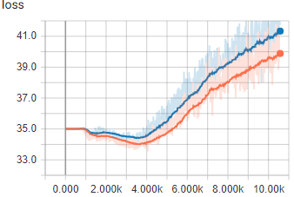

 | 1800k | 512 | 0.0001 | 128 | Adam | no aug | whole data size is 512
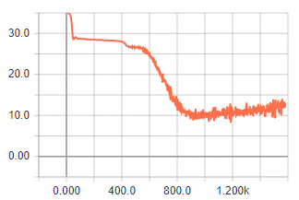
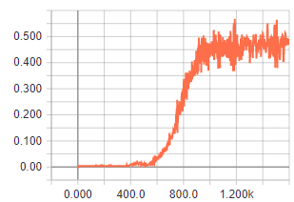

 | 1800k | 512 | 0.0001 | 128 | Adam | no aug | whole data size is 512 | no weight penalty
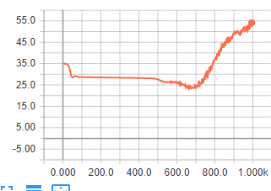

 | 1800k | 512 | 0.0001 | 128 | Adam | no aug | whole data size is 512 | no weight penalty |  | no focal
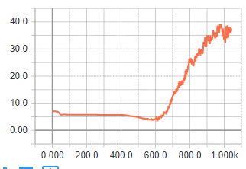

 | 1800k | 512 | 0.0001 | 128 | Adam | no aug | whole data size is 512 | no weight penalty |  | no focal |  | no dropout
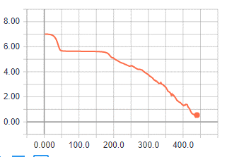
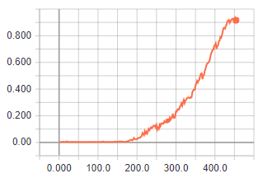

 | 1800k | 512 | 0.0001 | 128 | Adam | no aug | whole data size is 512 |  |  |  |  | no dropout
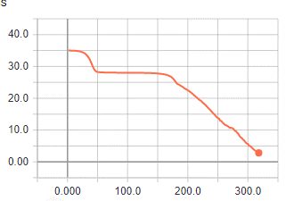
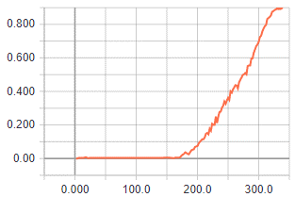

 | 1800k | 512 | 0.0001 | 128 | Adam | mixup + all | no dropout
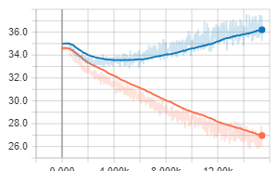

_v1 | 1800k | 512 | 0.0001 | 128 | Adam | mixup + all | dropout only in last layer
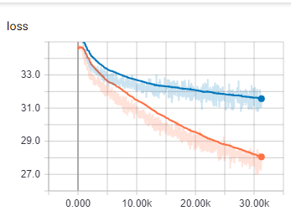
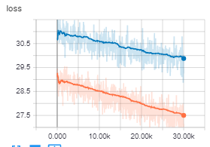

_v2 | 6600k | 256 | 0.001 | 128 | Adam | mixup + all | dropout only in last layer |  | weights std: 0.1

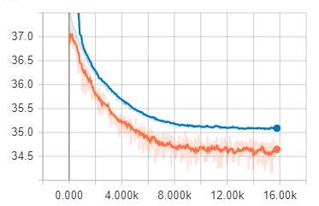

_v3 | 1800k | 512 | 0.001 | 128 | Adam | mixup + all | dropout only in last layer | combine site 1 and 2 in input
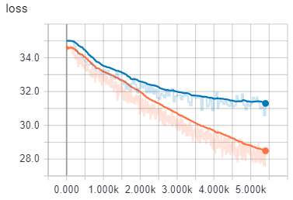

_v4 | 500k | 512 | 0.001 | 128 | Adam | mixup + all | dropout only in last layer | combine site 1 and 2 in input |  |  | train with each experiment |  | mixup with prob 3/4 |  | augmentation on all data
 |  | 128 |  |  |  |  | no focal |  |  |  |  |  |  | prob 1
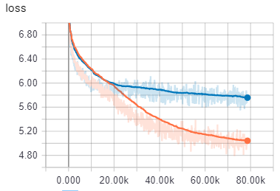
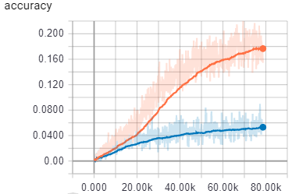

_v5 | 24,000k | 128 | 0.001 | 128 | Adam | mixup + all | dropout only in last layer | combine site 1 and 2 in input |  |  | train with each experiment |  | mixup with prob 3/4 |  | augmentation on all data
 |  |  |  |  |  |  | no focal
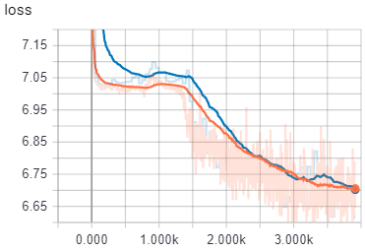

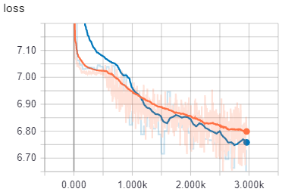
_v5 | 24,000k | 128 | 0.001 | 128 | Adam | mixup + all | dropout only in last layer | combine site 1 and 2 in input |  |  | train with each experiment |  | mixup with prob 1 |  | augmentation on all data
 |  |  |  |  |  |  | no focal

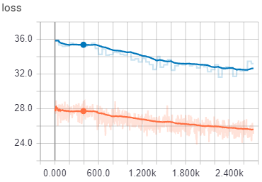
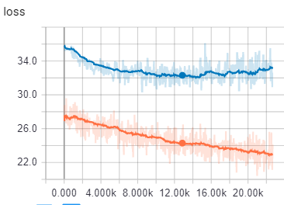
_v5 | 24,000k | 128 | 0.001 | 128 | Adam | mixup + all | dropout only in last layer | combine site 1 and 2 in input |  |  | train with each experiment |  | mixup with prob 1 |  | augmentation on all data
 |  |  |  |  |  |  | with focal

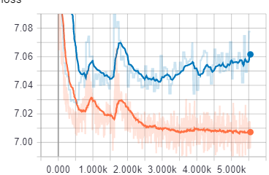
_v5 | 24,000k | 128 | 0.001 | 128 | Adam | mixup + all | dropout only in last layer | combine site 1 and 2 in input |  |  | train with each experiment |  | mixup with prob 1 |  | augmentation on all data
 |  |  |  |  |  |  | no focal

