DONE
https://wholesale.emirati.coffee/ecommerce


DONE
BOOK AN APPOINTMENT
CLIENT CARE

 | DONE

 | BOOK AN APPOINTMENT
 | THE REQUEST SHOULD BE DIRECTED TO THE COFFEE ADVISOR
 | CATEGORY SHOULD BE CLICKABLE AND WHEN THEY CLICK EACH CATEGORY HAS SAYING "BOOK AN APPPOINTMENT"
 | THEN THIS CALENDAR WILL SHOW GREEN COLOR FOR "AVAILABLE SLOT" RED COLOR FOR "OCCUPIED SLOT"
 | AFTER SELECTING THE DATE NEXT THE TIME WILL POP UP THE TIME SELECTION SHOULD BE ACCUMULATED TO OUR OFFICE HOURS "SATURDAY -SUNDAY" "FRIDAY OFF" TIMING 9AM TO 7PM"
 | AFTER SELECTING THE TIME BELOW SHOULD HAVE THE BUTTON "CONFIRM BOOKING / CANCEL BOOKING

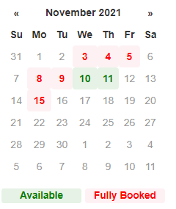
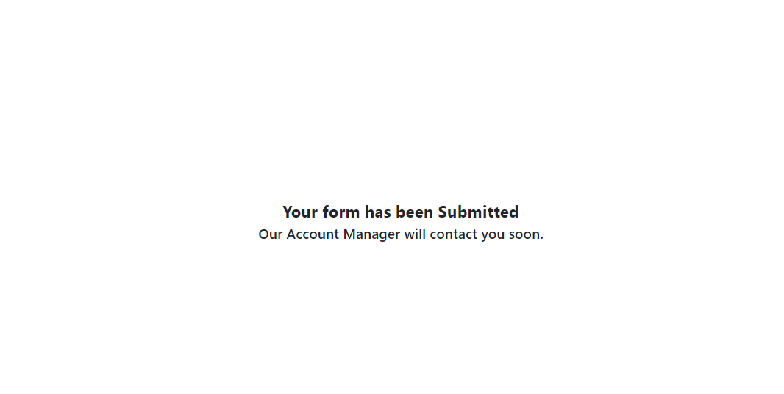
 |  | WHEN THEY CONFIRM WILL SHOW THIS "SAYING YOUR BOOKING APPOINTMENT HAS BEEN SUBMITTED OUR COFFEE ADVISOR WILL CONTACT YOU SOON."
 |  |  |  | EXAMPLE 2

 | OUR SERVICES
 | TRAINING FOR BARISTAS
 | QUALITY CONTROL VISIT
 | CALIBRATION OF MACHINES
 | COFFEE TASTING
 | ROASTERY VISIT

 | CLIENT CARE
 | FEEDBACK
 | COMPLAIN

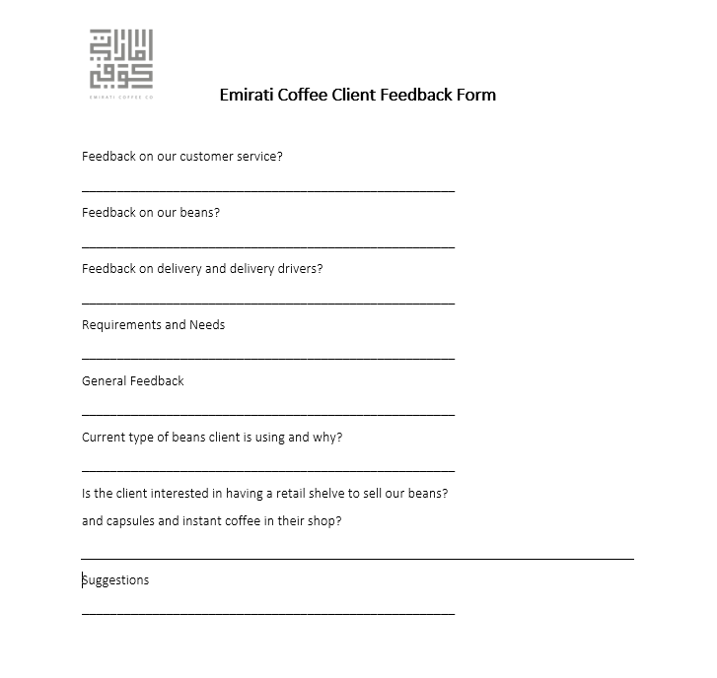
 | SAMPLE
 | FEEBBACK |  | COMPLAIN
 |  |  | Thank you for your support in using our products and services.
 |  |  | We appreciate hearing from you and will review your comments carefully.
 |  |  | PLEASE ADD COMMMENT BELOW :

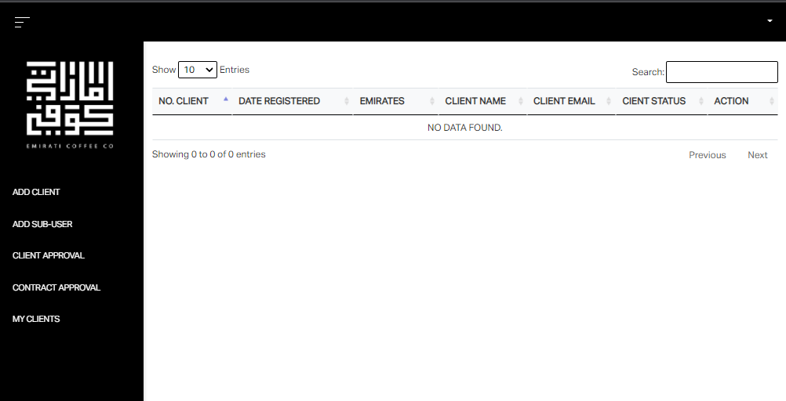

DONE

BOOK AN APPOINTMENT
CLIENT CARE

NEW
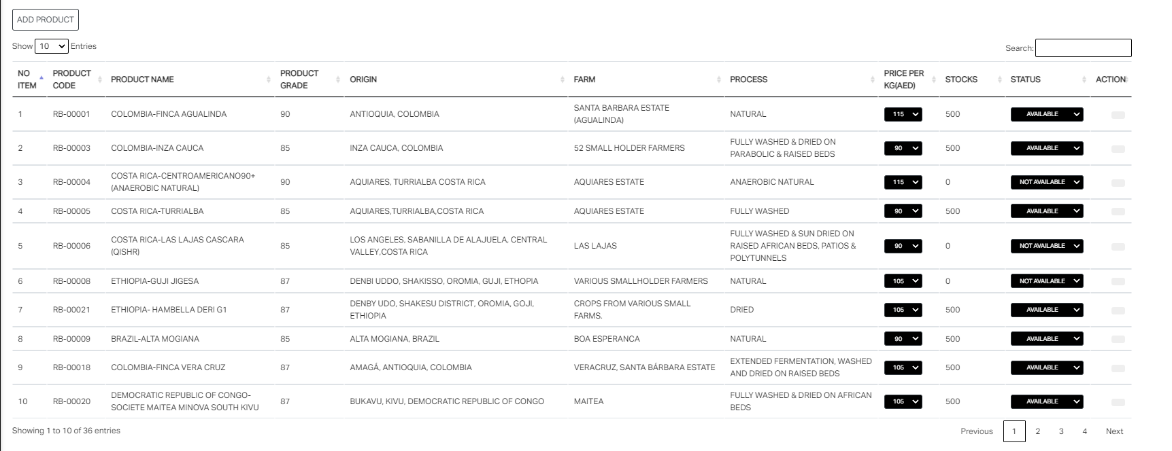
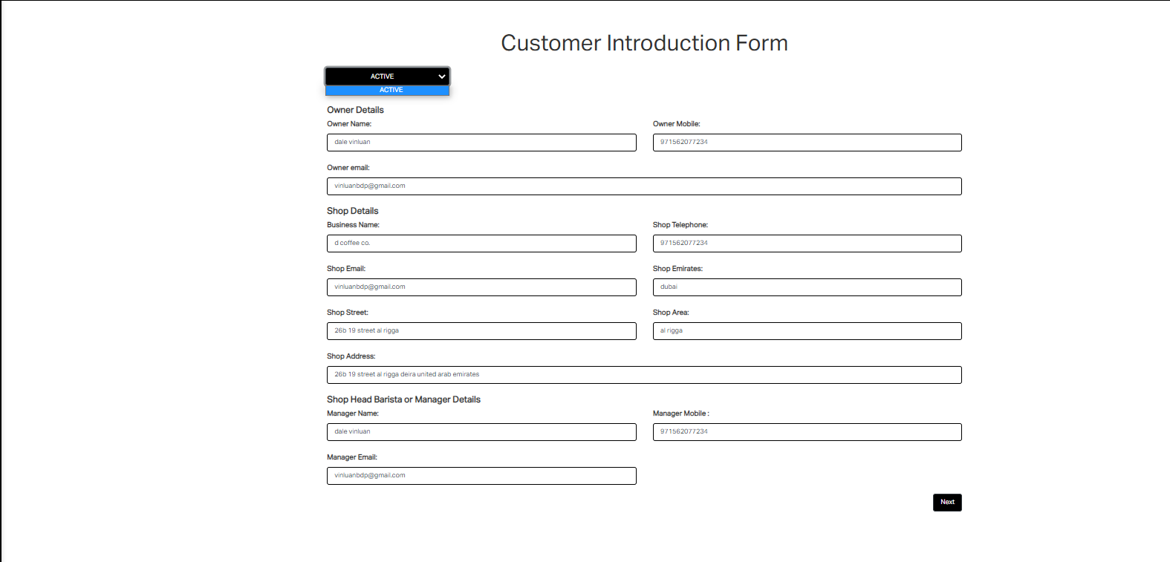
DONE | CHANGE GHAYA@EMIRATICOFFEE.COM TO IZABELA@EMIRATICOFFEE.COM | WHERE WAS THE INACTIVE? WHY ACTIVE ONLY?
2 | DATE SHOULD BE DD/MM/YY | https://wholesale.emirati.coffee/account/91/edit |  | THIS FORM SHOULD BE OPTIONAL TO FILL AND IF CLIENT WANTS TO HAVE CREDIT APPLICATION
3 | HEADERS SHOULD BE IN CAPSLOCK AND THE REST SHOULD BE IN AUTOMATIC STANDARD FORMAT |  |  | https://wholesale.emirati.coffee/account/91/edit
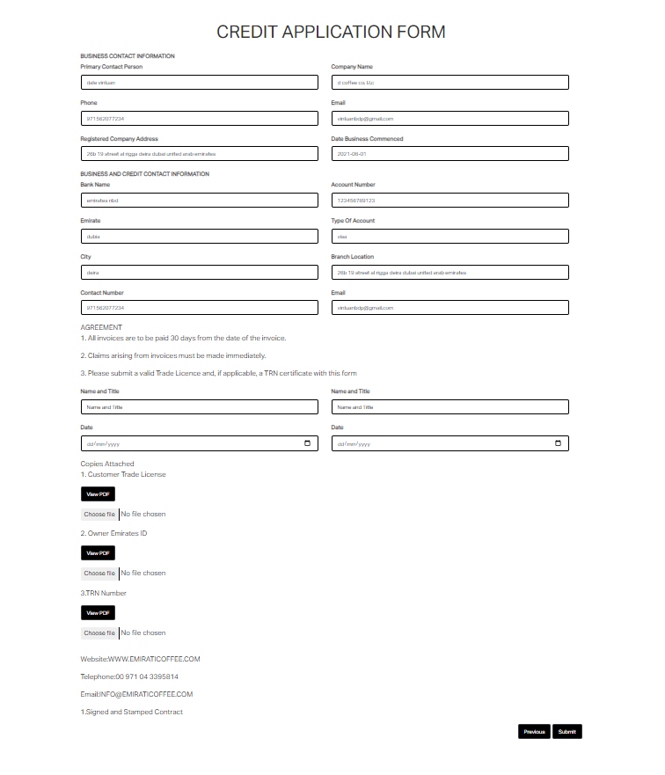
4 | MAKE EMIRATI COFFEE LOGO ON STANDARD SIZE
DONE | WHEN I LOG IN IN PORTAL WILL LAUNCH IN OTHER WINDOW SHOULD BE IN THE SAME WINDOW
6 | GIVE LOUIE ACCESS SAME AS MINE NOW
7
8
9
10
11
 |  |  |  |  | THIS ONE SHOULD HAVE SOMETHING TO ASK LIKE
 |  |  |  |  | YOU WANT TO APPLY FOR A CREDIT ? IF YES CLICK PROCEED IF NO CLICK SKIP.

 |  |  |  |  | TRANSFER THIS TOGETHER WITH ATTACHEMENTS BELOW

 |  |  |  |  | REMOVEW THIS SECTION ITS NOT MAKING ANY SENSE

 |  |  |  |  | CAN WE TRANSFER THE ATTACHEMENTS TO CUSTOMERS INFORMATIONFORM TO MAKE THE OPTIONAL FILL OF CREDIT APPLICATION

 |  |  | SHOULD HAVE EDIT /SAVE
 |  |  |  |  | SHOULD HAVE EDIT /SAVE
 |  | IN THIS MENU CAN YOU PLEASE
 |  | https://wholesale.emirati.coffee/account/91/edit
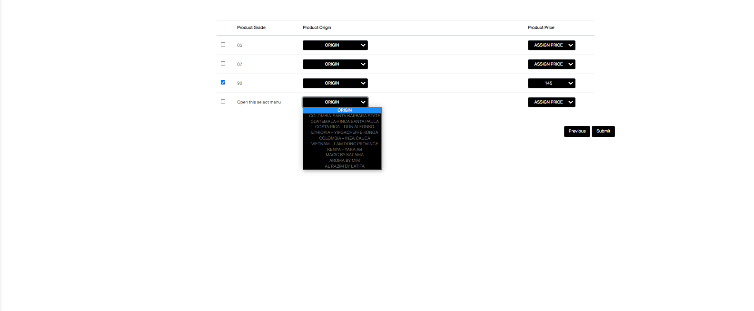

 |  | WHEN CLIENT FILL THIS REQUEST SHOULD BE FILLED ALREADY SOME DETAILS IN THE CUSTOMERS INFO FORM
 |  | FOR THE LOCATION CAN WE REMOVE THE CITY CAUSE WE HAVE BY "EMIRATES"
 |  | https://wholesale.emirati.coffee/account
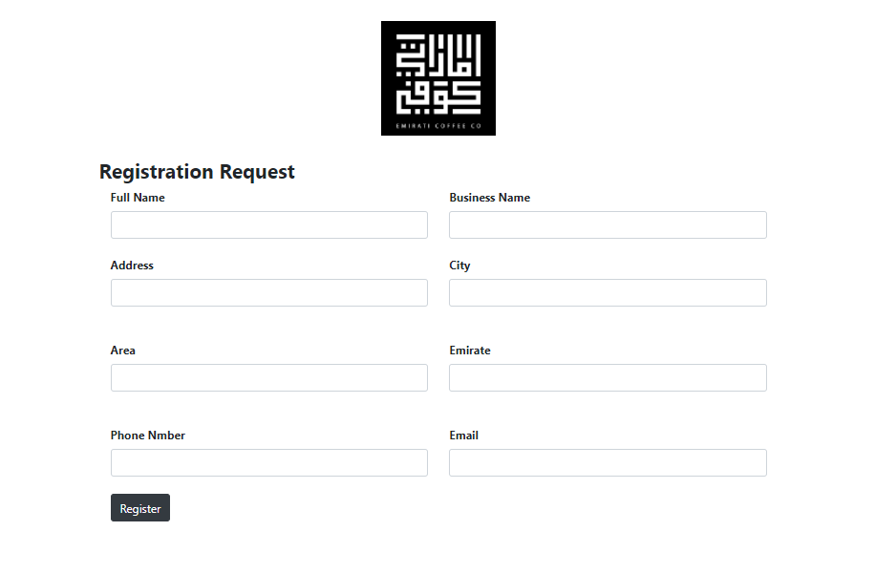

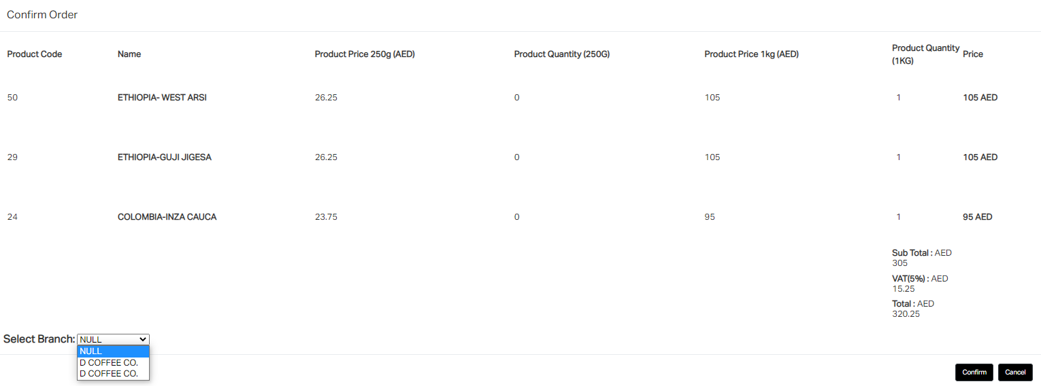

 |  |  |  | SHOULD HAVE AUTOMATICALLY DELIVERY CHARGE BELOW 10 KG

 |  | HIDE THIS DETAILS TO CLIENT PRODUCTS WE GOT THIS SUGGESTION FROM OUR CLIENTS

NEW 19102021
COFFEE ADVISOR ACCOUNT |  | CLIENT ACCOUNT

FOR CLIENT CARE AND APPOINTMENT |  | FOR CLIENT CARE AND APPOINTMENT
WHEN COFFEE ADVISOR LOG IN THE PORTAL SHOULD HAVE INDICATED THAT THERE IS A NEW NOTIFICATION. |  | ALL BOOK APPOINTMENT SHOULD BE MY BOOKED APPOINTMENTS
CLIENT CARE AND APPOINTMENT SHOULD BE IN THE ACCOUNT OF LOUIE@EMIRATICOFFEE.COM AND IZABELA@EMIRATICOFFEE.COM |  | USERNAME SHOULD BE SHOP NAME
USERNAME SHOULD BE SHOP NAME |  | SOURCE SHOULD BE SERVICE
SOURCE SHOULD BE SERVICE |  | ADD COLUMN ALSO "STATUS" AT THE LAST IF THE COFFEE ADVISOR MARKS IF THE CLIENT IS DONE OR NOT OR CANCELLED THE APPOINTMENT
ADD COLUMN ALSO "STATUS" AT THE LAST IF THE COFFEE ADVISOR IS DONE OR NOT FOR THE CLIENT DROP DOWN DONE/PENDING/CANCELLED |  | ID SHOULD BE NO.
ALL BOOK APPOINTMENT SHOULD BE SHEDULED APPOINTMENT
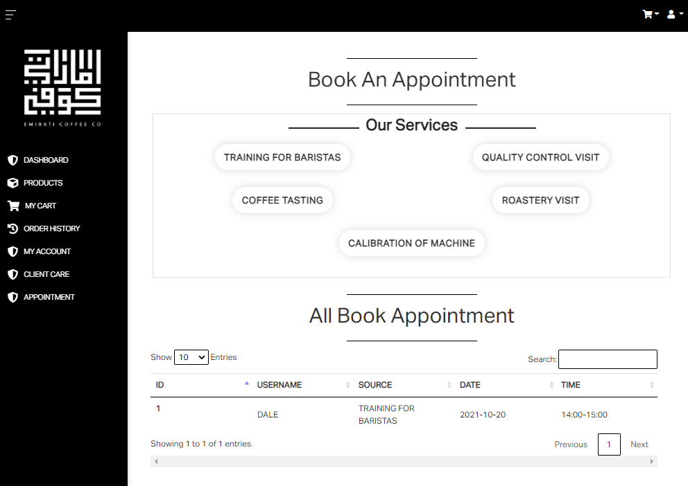
ID SHOULD BE NO.
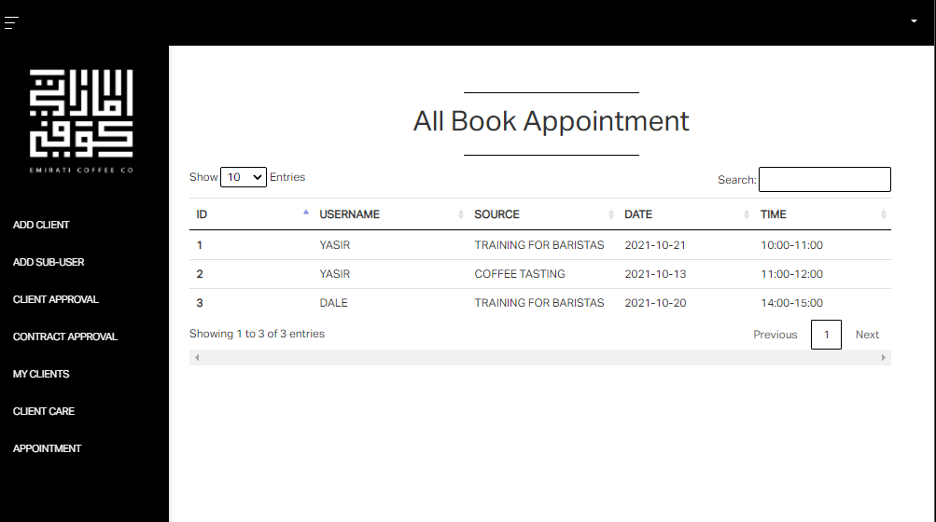

CLIENT AND COFFEE ADVISOR ACCOUNT |  | CLIENT ACCOUNT

S.NO SHOULD BE NO. ONLY |  | REMOVE THE EMIRATI COFFEE WITH THE RED CIRCLE
USER NAME SHOULD BE NAME ONLY |  | COUTOMER SHOULD BE CUSTOMER WITH THE RED CIRCLE
MOBILE NUMBER SHOULD BE CONTACT NO. |  | GENTERAL FEEDBACK SHOULD BE GENERAL FEEDBACK WITH THE RED CIRCLE
SHOW FEEDBACK SHOULD BE SHOW MESSAGE
CAN WE HAVE OPTION LIKE CAN WE EXPORT THE CLIENTS FEED BACK AND COMPLAIN FOR THE MOTH END? (ONLY FOR COFFEE ADVISOR)
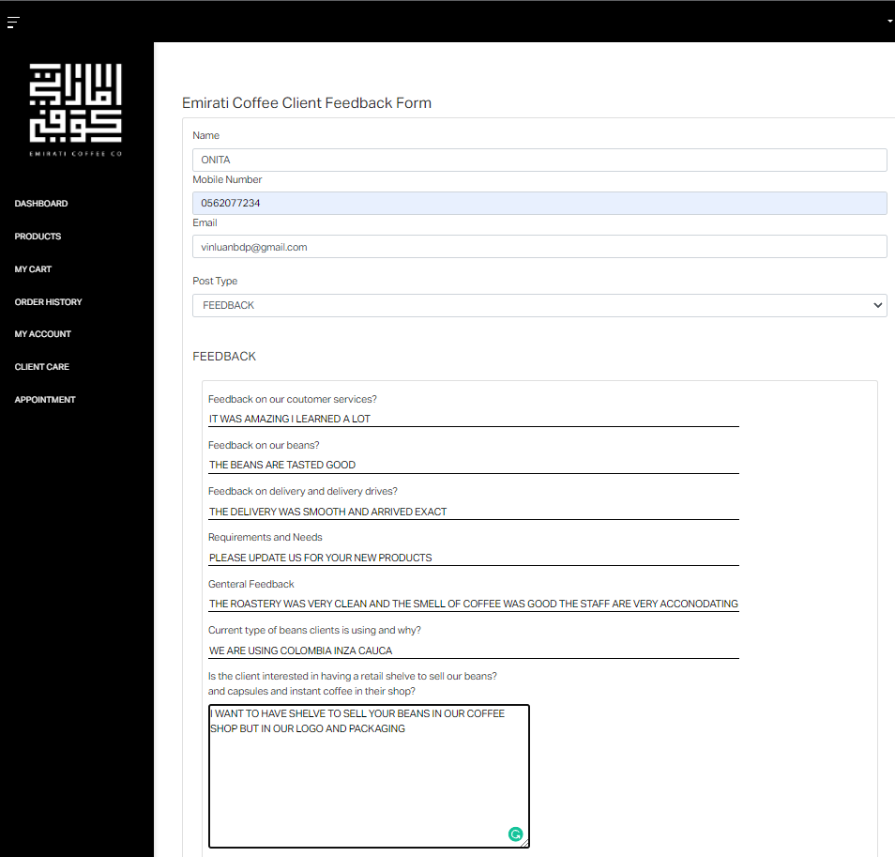
ADD COLUMN ''DATE'' BEFORE POST TYPE
IF THE POST TYPE IS COMPLAIN SHOULD BE THE TEXT BOX SHOW COMPLAIN
IF THE POST TYPE IS COMPLAIN SHOULD BE THE TEXT BOX SHOW SHOW FEEDBACK
FEEDBACK HISTORY SHOULD BE CLIENT CARE
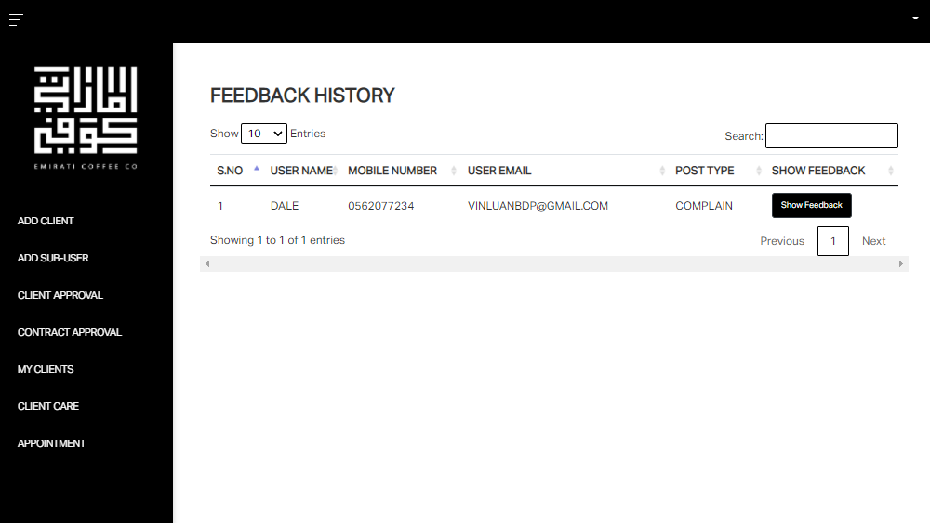

FOR THE PRODUCTS PLEASE REMOVE THE FOLLOWING FOR THE CLIENT ACCOUNT ONLY
WE JUST HAVE SOME FEEDVBACK TO CLIENT FOR THIS
PRODUCT CODE
ORIGIN
FARM
PROCESS
WHEN PRODUCTION UPDATING THE PRICE AND PRODUCTS AVAILABILITY IT WILL BE UPDATED ALSO IN CLIENTS ACCOUNT
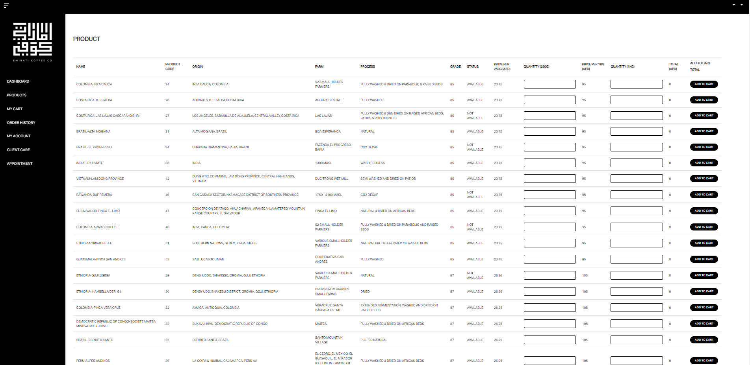

PLEASE FIX THE FOLLOWING
UNPAID SHOULD BE DAYS OVERDUE
BUT WHEN CLIENT PAID SHOULD BE STOP THE DAYS COUNT
BUT WHEN CLIENT STILL UNPAID SHOULD BE COUNT THE 30 DAYS LEFT
WHEN CLIENT STILL NOT PAID AFTER 30 DAYS FINANCE WILL NOTIFY THAT THIS CLIENTS NEEDS TO BE CONTACT FOR COLLECTION
WHEN THE ORDER IS ALREADY PAID IT WILL GO TO THE ORDER HISTORY
WHEN THE ORDER STILL NOT PAID WILL REMAIN IN THE DASHBOARD
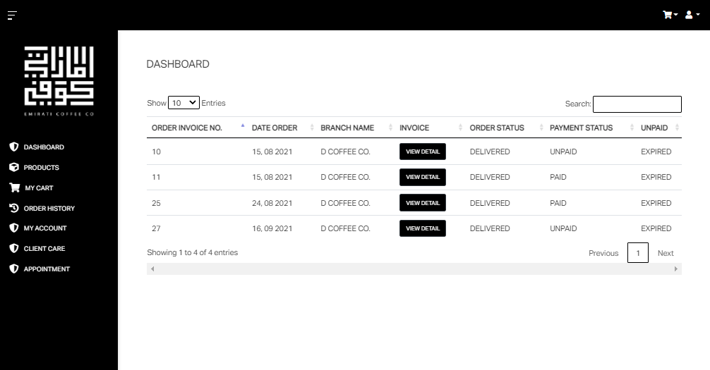

COFFEE ADVISOR ACCOUNT

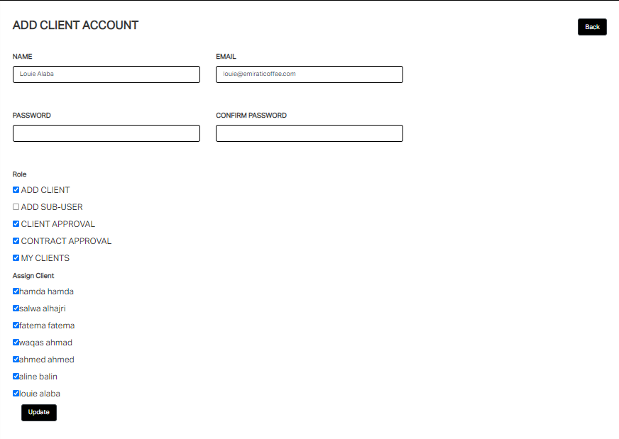
https://wholesale.emirati.coffee/client-account/63/edit

 | SHOULD BE THE SHOP NAME

COFFEE ADVISOR
PROCESS
WHEN THE CLIENT FILL UP THE I WOULD LIKE TO SIGN UP AND SUBMIT COFFEE ADVISOR WILL RECEIVED A EMAIL OF COPY THEN WILL COPY PAST THE DETAILS TO PORTAL THEN WIL REGISTERED IT
THEN CLIENT WILL RECEIVED A EMAIL TRIGGER THAT THEY ARE APPROVE AND THEY WILL FILL UP THE CUSTOMERS INTRO AND CREDIT APPLICATION FORM AND UPLOAD THE TAA/EID/TRN (CONSIDER THE FILE FORMAT PDF/JPEG/JPG) THEN SUMBIT
CLENT WILL RECEIVE THE EMAIL FOR SIGNING UP THE TERMS AND AGREEMENT
AND WHEN THE AGREEMENT IS RECEIVED BY CLIENT AND THEY ALREADY REUPLOADED WITH SIGN (CONSIDER THE FILE FORMAT PDF/JPEG/JPG)IT WILL GO TO THE TERMS AND AGREEMENT APPROVAL
THEN CLIENT WILL RECEIVED AN EMAIL RESET PASSWORD SO CLIENT WILL HAVE THEIR USER ACCOUNT IN PORTAL
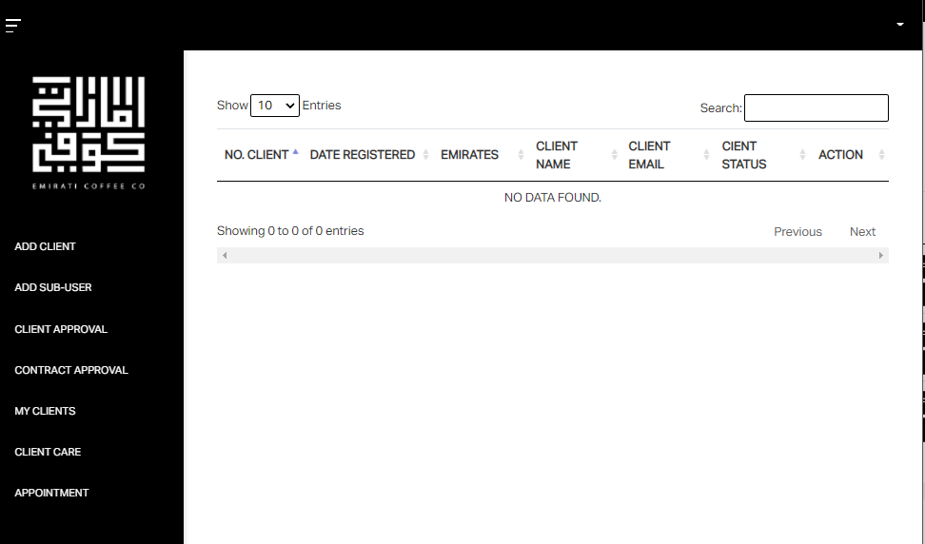

TERMS & AGREEMENT APPROVAL

NOTHING TO FOLLOWS

PRODUCTION
PROCESS
WHEN CLIENT DONE PLACING ORDER AUTOMATICALLY GO TO ORDERS
PRODUCTION WILL MARKS ROASTED AUTOMATICALLY GO TO DISPATCH ORDERS
PRODUCTION WILL MARKS DISPATCHED AND ASSIGN DRIVER AUTOMATICALLY GO TO DRIVERS ACCOUNT
DISPATCHED ORDERS WILL REMAIN IN THE DISPATCH ORDER SECTION SO PRODUCTION HAS TRACK WHAT THEY DISPATCHED
PRODUCTION ALWAYS UPDATE THE PRODUCTS PROCESS SO CLIENTS ARE UPDATED ON OUR CHANGES AND NEW
 |  | PLEASE ADD THIS COLUMN THEN DROP DOWN THE NAMES OF DRIVERS WILL SHOW THERE AND AUTOMATICALLY GOES DRIVERS ACCOUNT
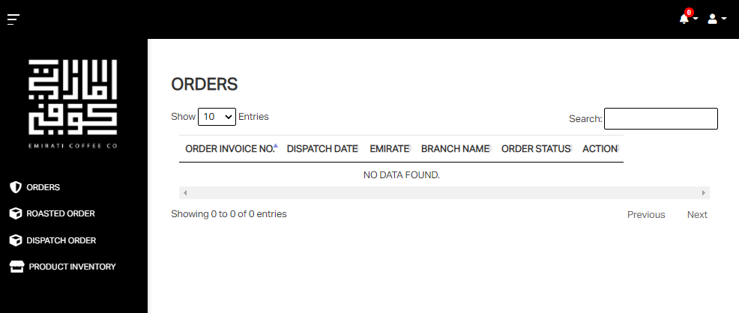

SAUD@EMIRATICOFFEE.COM
ALFAZ@EMIRATICOFFEE.COM
JABIR@EMIRATICOFFEE.COM

ASSIGN TO

ALFAZ JABIR SAUD
 |  |  | FOR EACH NAME CLICKABLE PRODUCTON CAN CHANGE DRIVERS TO ANOTHER
 |  |  | AUTOMATICALLY REMOVE TO DRIVERS ACCOUNT

 | NOTHING TO FOLLOWS

LOGISTICS
PROCESS
WHEN PRODUCTION MARKS FOR DELIVERY AND ASSIGN THE ORDERS PER DRIVERS
WILL GO THE ASSIGNED DRIVERS ACCOUNT BUT WHEN PRODUCTION CHANGE THE DRIVER AUTOMATICALLY DISAPPEAR TO THE OLD DRIVERS ACCOUNT MOVE TO NEW ASSIGNED DRIVER ACCOUNT
WHEN DRIVERS MARK THE ORDER DELIVERED AND GIVE PAYMENT STATUS PAID/ UNPAID(PLEASE ADD COLUMM AFTER THE ORDER STATUS ''PAYMENT STATUS'' AFTER THE PAYMENT STATUS ADD MODE OF PAYMENT IF ITS CASH OR BANK TRANSFER)
WHEN DRIVERS MARK DELIVERED AND PAID WILL AUTOMATICALLY SENT A COPY TO FINANCE ACCOUNT
BUT WHEN THE DRIVERS MARK DELIVERED AND UNPAID WILL SENT ALSO TO FINANCE ACCOUNT AND THERE START TO COUNT THE 30 DAYS DUE AND FINANCE WILL SET PAYMENT STATUS IF THE CLIENT IS PAID
ALL MARKS DELIVERED AND PAID/UNPAID ARE GOING TO THE DELIVERY HISTORY
SINCE THE PORTAL IS MOBILE FRIENDLY THEY CAN USE THE PORTAL ON THEIR PHONE THEY HAVE SIM DATA
 | SHOULD BE ORDER STATUS
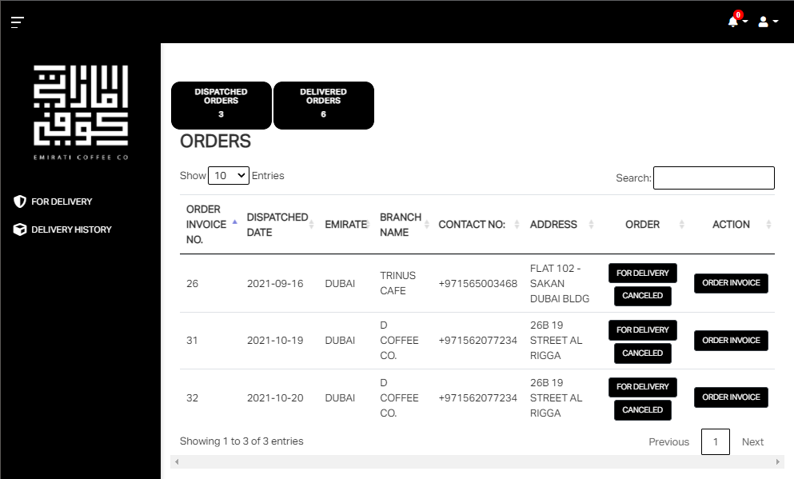

NOTHING TO FOLLOWS

FINANCE
PROCESS
WHEN DRIVERS MARK DELIVERED AND PAID WILL AUTOMATICALLY SENT A COPY TO FINANCE ACCOUNT
BUT WHEN THE DRIVERS MARK DELIVERED AND UNPAID WILL SENT ALSO TO FINANCE ACCOUNT AND THERE START TO COUNT THE 30 DAYS DUE AND FINANCE WILL SET PAYMENT STATUS IF THE CLIENT IS PAID
THEN WHEN THE 30 DAYS COUNT FINISH AND THE CLIENT IS NOT PAID FINANCE WILL GET EMAIL TRIGGER THAT THE CLIENT IS OVER DUE AND FOR COLLECTION
ADD OVERDUE DAYS AFTERAFTER MODE OF PAYMENT PAYMENT STATUS/AFTER ACTION ADD ASSIGNED DRIVER

IN ORDER STATUS SHOULD BE DELIVERED
 | https://wholesale.emirati.coffee/recent | THE STATUS SHOULD BE DELIVERED | OVERDUE DAYS
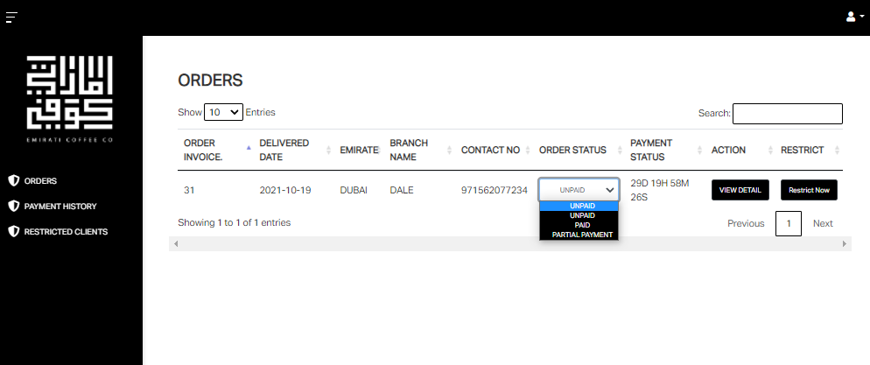

DELIVERED ORDERS
PENDING PAYMENTS UNPAID/PARTIAL WILL GO HERE AND COUNTDOWN OF OVERDUE
ALL PAID ORDERS WILL GO HERE

NOTHING TO FOLLOWS

