Page9_Visual_Reference
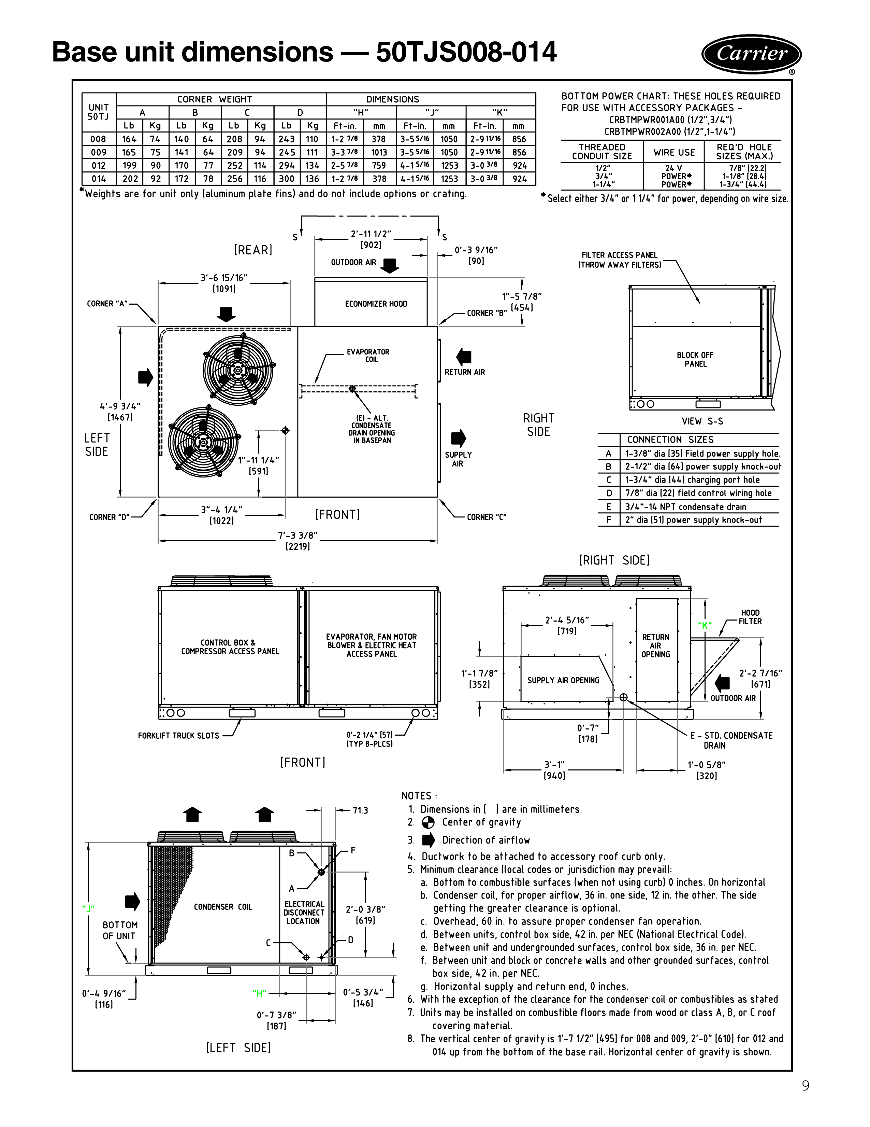
Reference | Details
Source page | PDF page 9: Base unit dimensions — 50TJS008-014
Weight note | Weights are for the unit only (aluminum plate fins) and do not include options or crating.
Dimension note | Dimensions in the drawing are in inches; bracketed values are millimeters.
Model coverage | Corner-weight and H/J/K table covers 50TJS008, 009, 012, and 014.
Visual source | The full page 9 drawing is embedded below for visual verification.

Page8_Visual_Reference
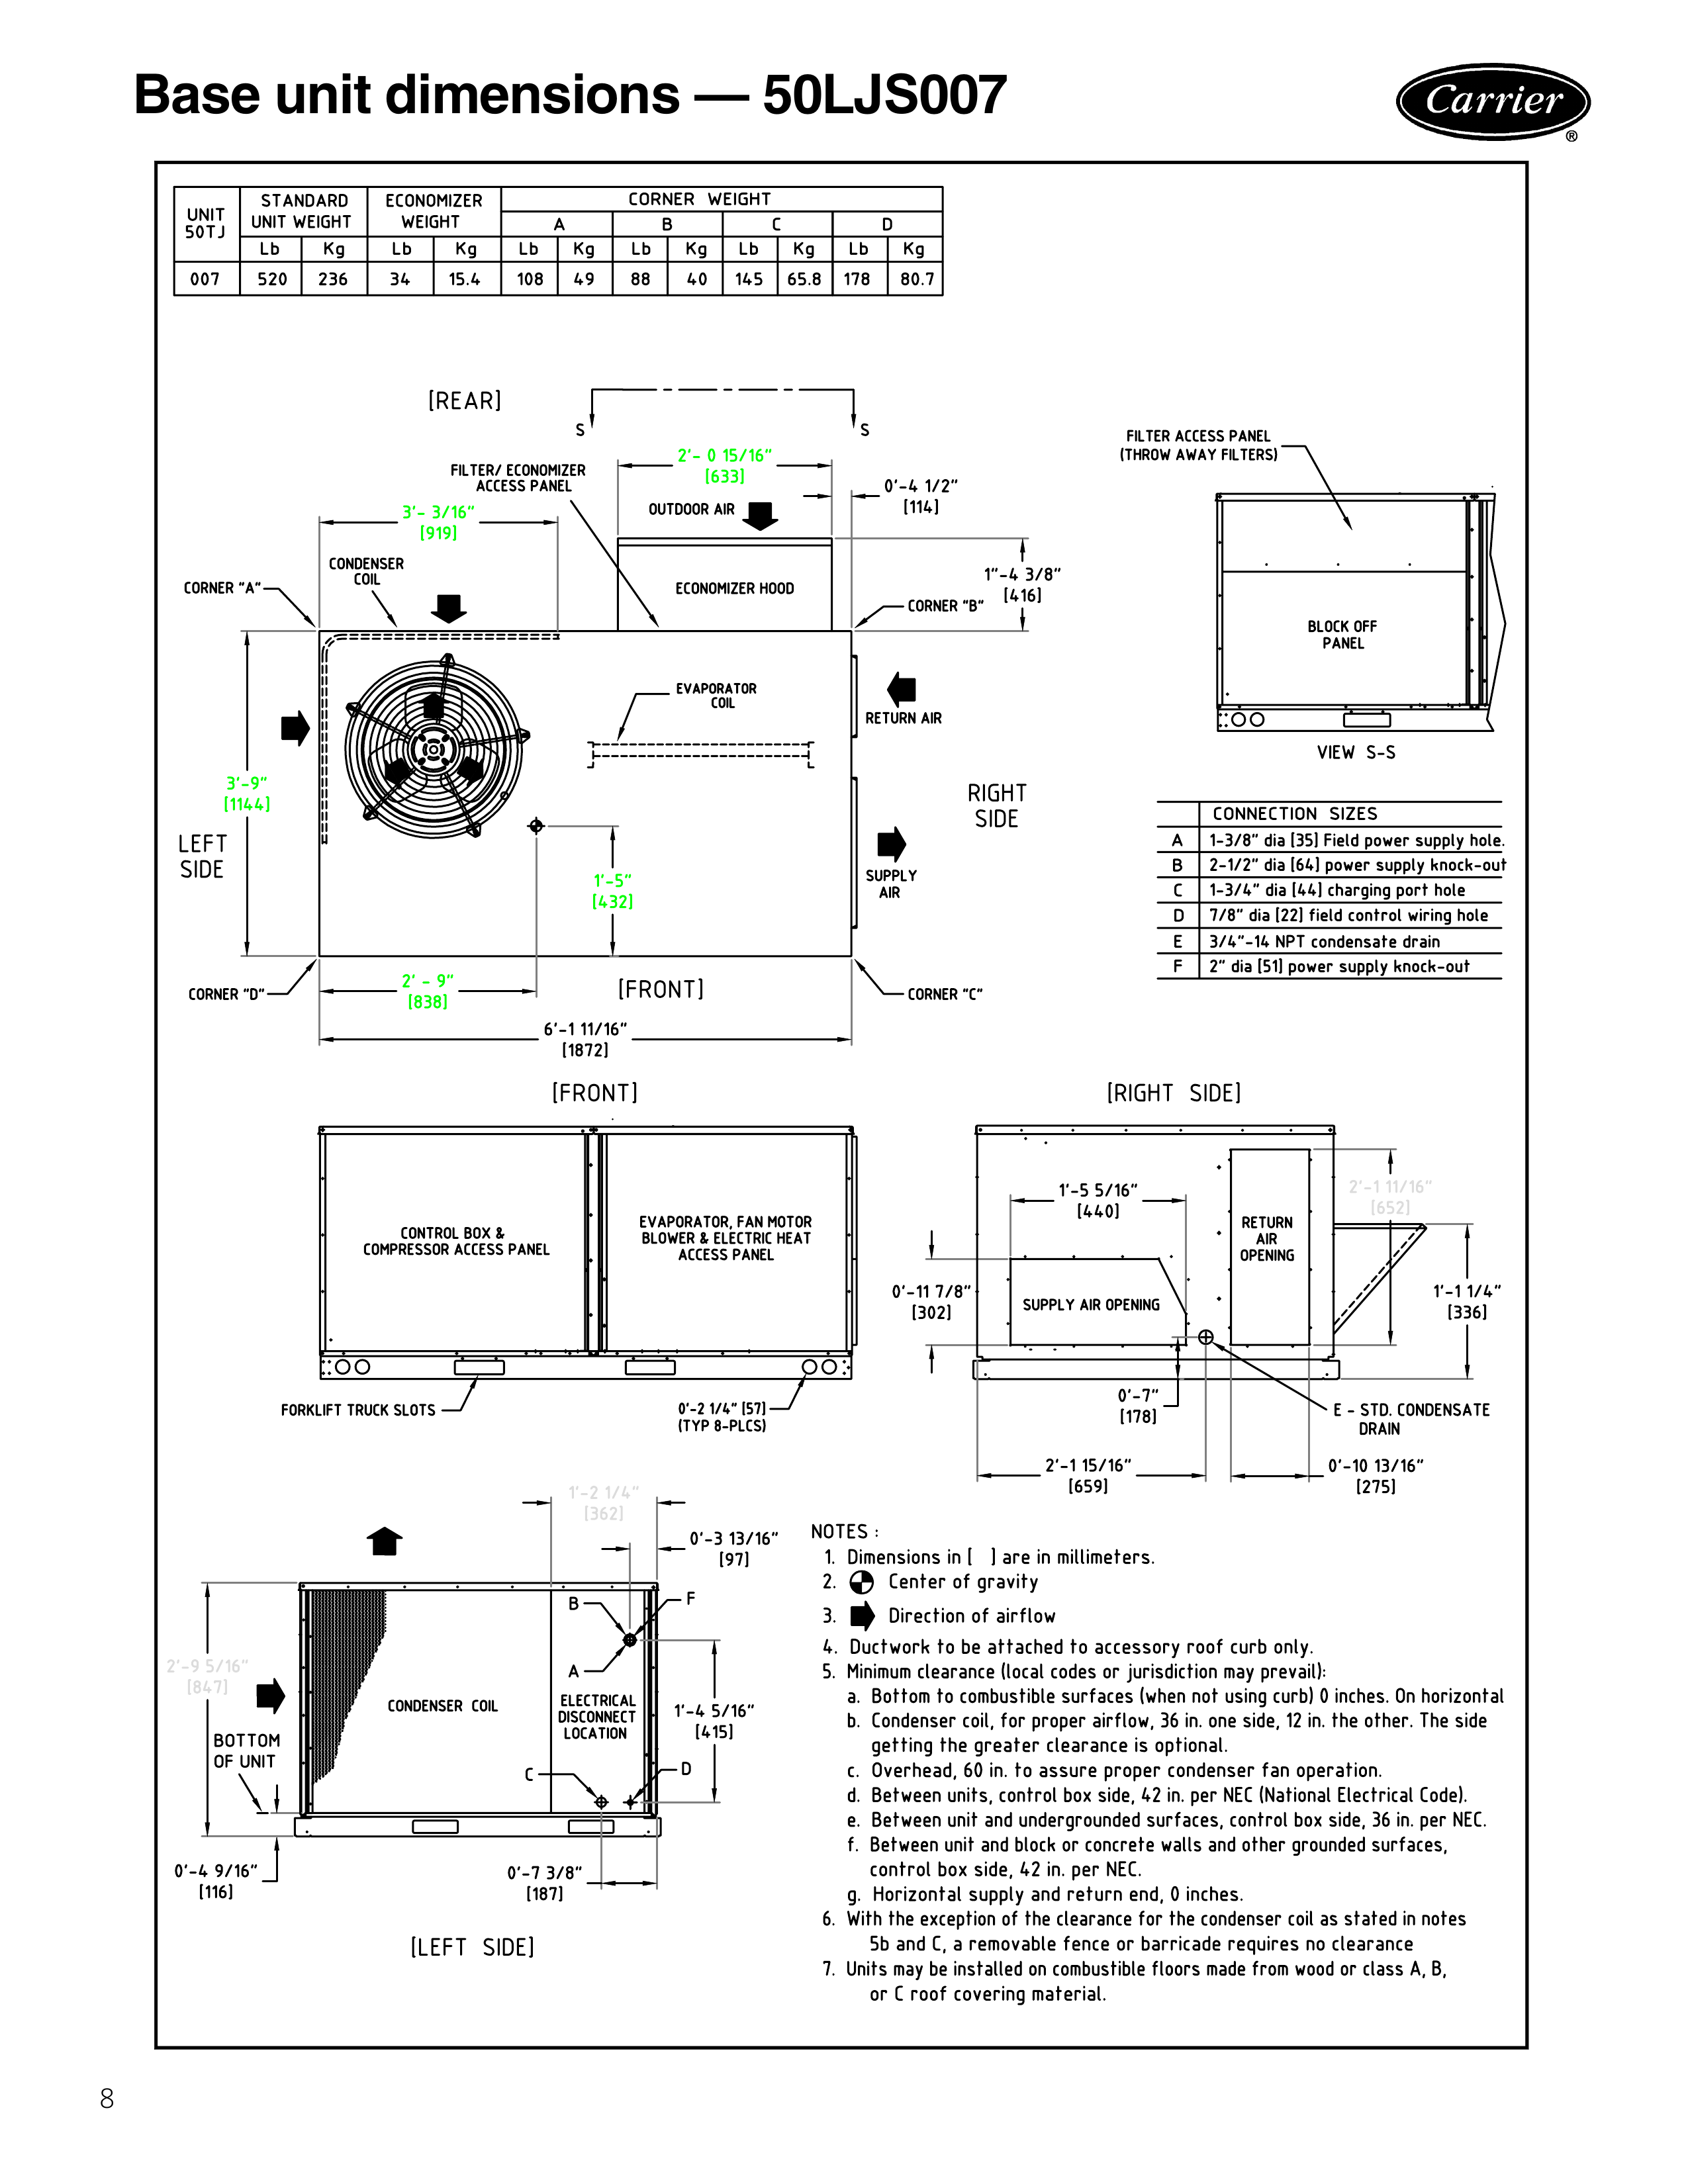
Reference | Details
Source page | PDF page 8: Base unit dimensions — 50LJS007
Weight note | Weights are for the unit only; economizer weight is listed separately. Options and crating are not included.
Dimension note | Dimensions in the drawing are in inches; bracketed values are millimeters.
Model coverage | This page applies to 50LJS007 only.
Connection sizes | The A-F connection sizes are the same connection-size schedule shown on the page.
Visual source | The full page 8 drawing is embedded below for visual verification.

