Sheet1
UNIVERSITY OF SARGODHA
 |  | BIO DATA FORM FOR THE STUDENT OF SEMESTER SYSTEM OF EXAMINATION
 |  | (FOR THE RECORD OF OFFICE OF THE CONTROLLER OF EXAMINATION)
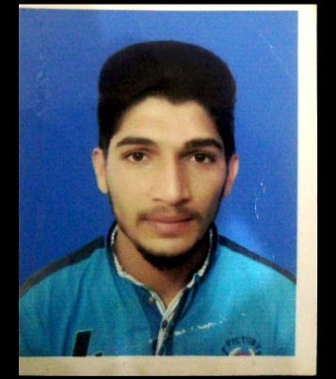
 |  |  |  |  |  |  | Must Scanned here a recent coloured Photograph Do not staple or pin up Without Attestation |  |  | Attach here a recent coloured photograph Do not staple or pin up Attested by the Chairman/Incharge (Front Side)
Programme: |  | BS-IT

Session: |  | 2017-2021

Department: |  | CS & IT

Sub-Campus/College: |  | Lahore Campus

1. Registration No. (University of Sargodha) |  |  |  | 17F-US-L-CSC-426

2. Name of the Student (in block letters) |  |  |  | Ali Hassan

3. Student’s N.I.C. No./Form-B No. |  |  |  | 31203-8739653-9

4. Father’s Name (in block letters) |  |  |  | Rahmat - Ali

5. Date of Birth According to Matriculation Certificate (DD/MM/YYYY): |  |  |  |  |  |  | 1998-10-01

6. Class Roll Number: |  | BSIT-F17-LC-068 |  |  |  | 7. Gender (Male/Female) : |  |  |  | Male

8. Phone Number of Student: |  |  | 0303-7638786 |  | 9. Phone Number of Parent/Guardian: |  |  |  | 0301-6598168

10. Detail of Academic Qualification: |  |  |  |  | 11. Student's e-mail: |  |  | alihasanuos@gmail.com

Sr. No. | Certificate/Degree |  |  | Board/University |  |  |  | Year of Passing |  | %age of Marks Obtained/CGPA
1 | SSC/Matric or equivalent |  |  | B.I.S.E Bhawalpure |  |  |  | 2015 |  | 76%
2 | HSSC/FA/FSc or equivalent |  |  | B.I.S.E Bhawalpure |  |  |  | 2017 |  | 58%
3 | BA/BSc or equivalent
4 | BS (4-Years)/BSc (Hons.) or equivalent
5 | MA/MSc or equivalent
6 | Any other Diploma etc.

12. Postal Address: |  | 186 Murad , Tahsil Khas Hasilpur, District Bhawalpur

Important Instructions (Read Carefully):
Without submission of this form student cannot appear in the examination/obtain official transcript & degree.
This office will not receive any form directly from the students. All forms must be submitted through respective Sub-Campuses/Departments/Institutes/Colleges with covering letters addressed to Controller of Examinations.

1. The following documents must be attached with this form:
a. Attested copy of Registration Card (for those who were registered as Regular students) or B.A/B.Sc Result Card (for those who have graduated from University of Sargodha as Private candidate).
b. Attested copies of CNIC/Form-B.
c. Attested copies of all Academic documents (mentioned above).
d. One coloured Photograph (Passport Size) Attested by the chairman at the front side and one coloured
e. The student must deposit Rs. 500/- as transcript/degree notification fee in the HBL University of Sargodha branch and paste original chanllan at the back side of this form.

2. The students are directed to fill in the form carefully. The above mentioned particulars will also be used for the
issuance of Transcript/Degree and correspondence. In case of any change/correction in the above mentioned
particulars, the student will have to pay the prescribed fee of examination.
Declaration:
I declare that I have read all instructions carefully and all the particulars mentioned above are correct and in case of any difficulty arising out of inaccuracy therein, I shall be responsible for the same.
Signature of the Student ____________________
Certified that the above mentioned information is correct as per office/department record and to the best of my knowledge.

 |  |  | Signature of the Director/Principal with office stamp

