Spreadsheet 01
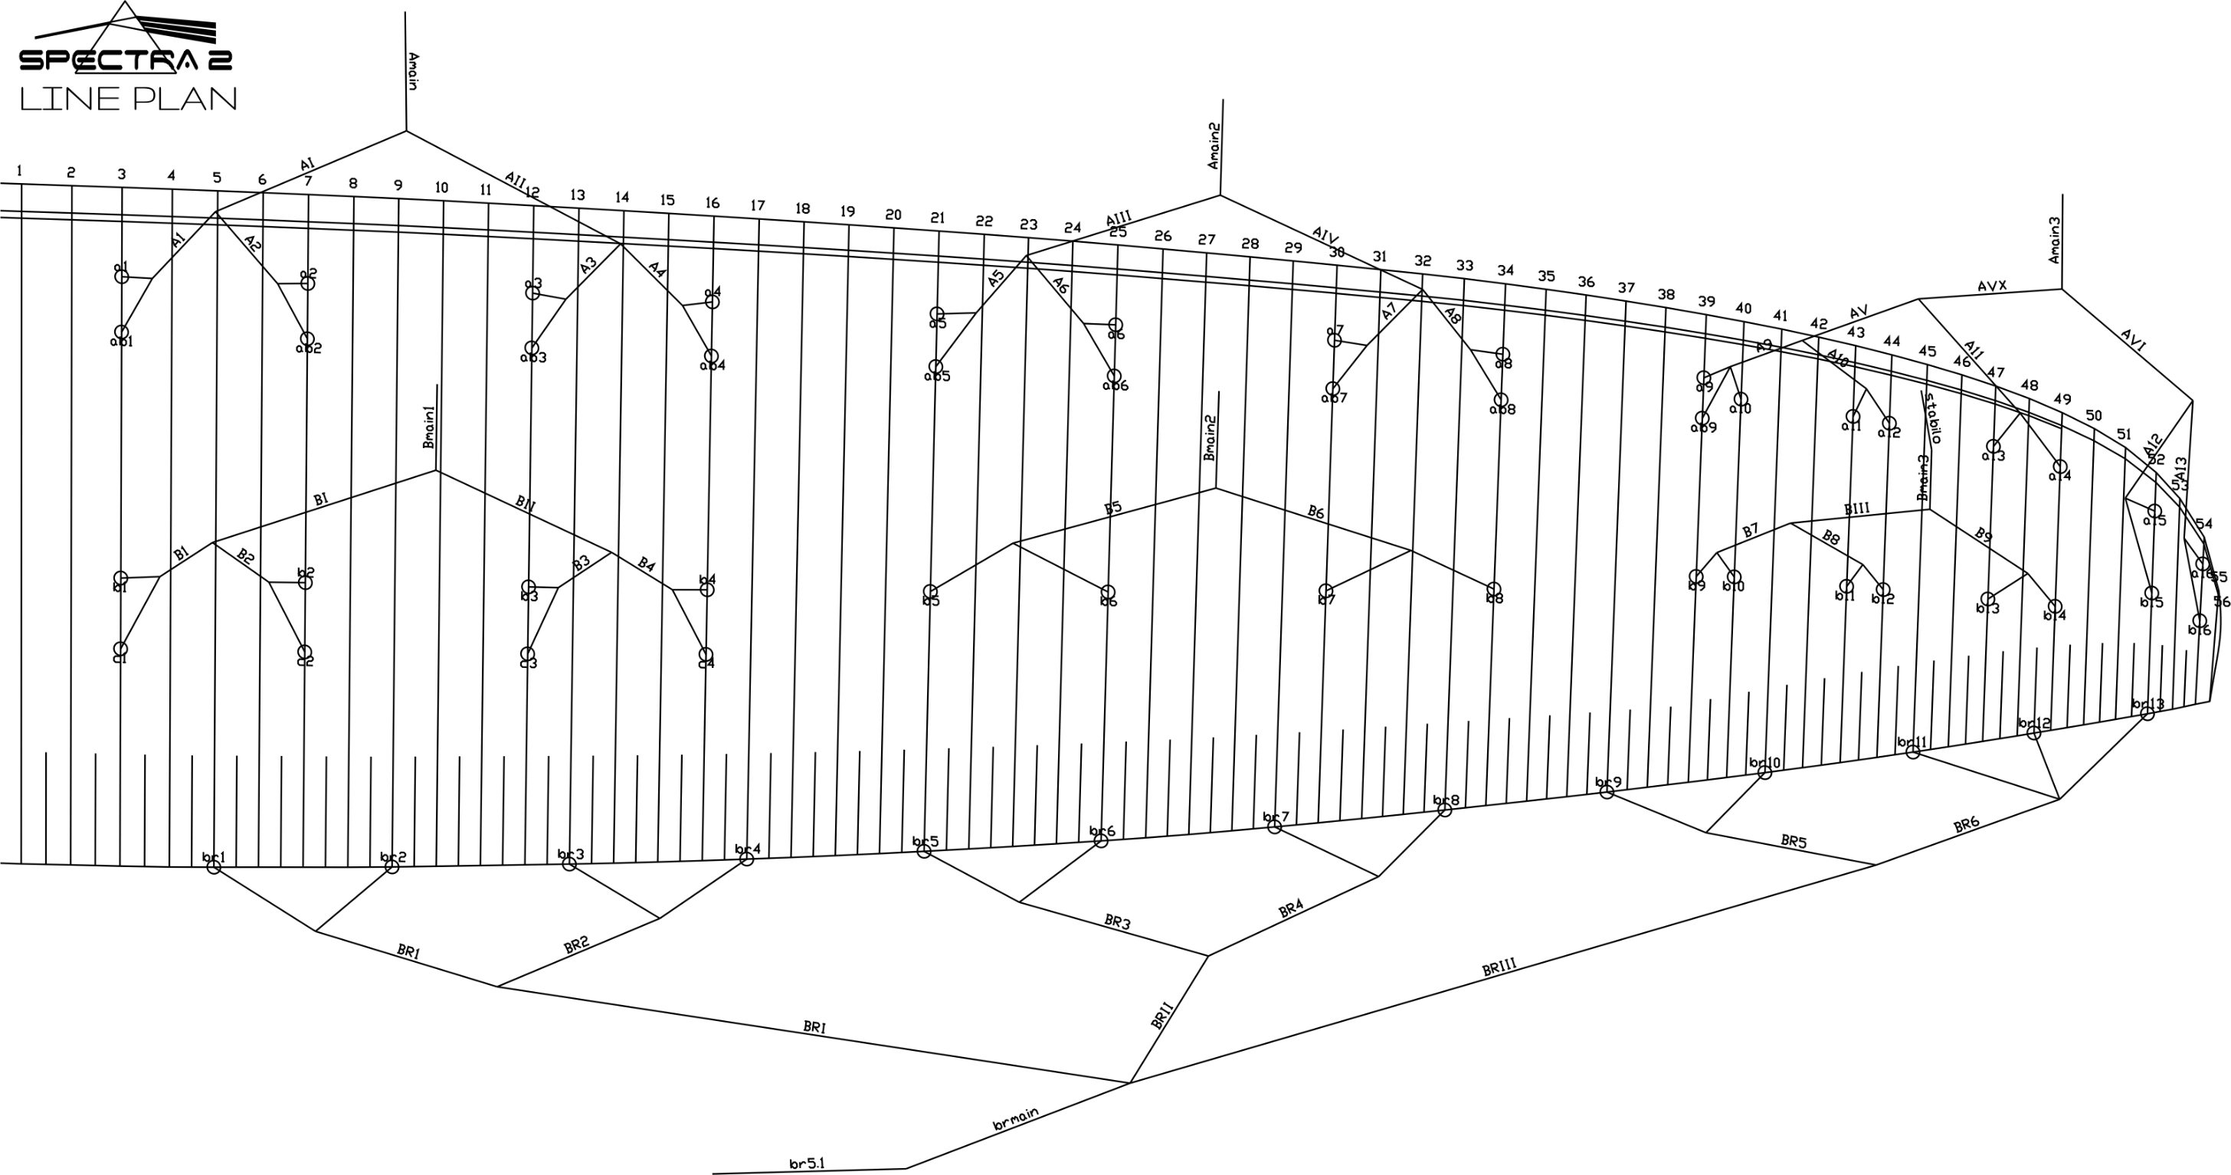
 | A |  |  |  |  |  | A' |  |  |  |  |  | B |  |  |  |  |  | C |  |  |  |  |  | brake |  |  |  |  |  | A | A` | B | C
 | factory | LEFT | RIGHT | left | right | symet | factory | LEFT | RIGHT | left | right | symet. | factory | LEFT | RIGHT | left | dir. | symet | factory | LEFT | RIGHT | left. | right | symet | factory | LEFT | RIGHT | left. | right | symet
1 | 8283 |  |  | -8283 | -8283 | 0 | 8240 |  |  | -8240 | -8240 | 0 | 8298 |  |  | -8298 | -8298 | 0 | 8371 |  |  | -8371 | -8371 | 0 | 8538 |  |  | -8538 | -8538 | 0 | 8283 | 8240 | 8298 | 8371
2 | 8147 |  |  | -8147 | -8147 | 0 | 8101 |  |  | -8101 | -8101 | 0 | 8143 |  |  | -8143 | -8143 | 0 | 8219 |  |  | -8219 | -8219 | 0 | 8307 |  |  | -8307 | -8307 | 0 | 8147 | 8101 | 8143 | 8219
3 | 8109 |  |  | -8109 | -8109 | 0 | 8066 |  |  | -8066 | -8066 | 0 | 8080 |  |  | -8080 | -8080 | 0 | 8158 |  |  | -8158 | -8158 | 0 | 8189 |  |  | -8189 | -8189 | 0 | 8109 | 8066 | 8080 | 8158
4 | 8186 |  |  | -8186 | -8186 | 0 | 8143 |  |  | -8143 | -8143 | 0 | 8111 |  |  | -8111 | -8111 | 0 | 8179 |  |  | -8179 | -8179 | 0 | 8184 |  |  | -8184 | -8184 | 0 | 8186 | 8143 | 8111 | 8179
5 | 8081 |  |  | -8081 | -8081 | 0 | 8047 |  |  | -8047 | -8047 | 0 | 8077 |  |  | -8077 | -8077 | 0 |  |  |  |  |  |  | 8014 |  |  | -8014 | -8014 | 0 | 8081 | 8047 | 8077
6 | 7919 |  |  | -7919 | -7919 | 0 | 7886 |  |  | -7886 | -7886 | 0 | 7920 |  |  | -7920 | -7920 | 0 |  |  |  |  |  |  | 7816 |  |  | -7816 | -7816 | 0 | 7919 | 7886 | 7920
7 | 7821 |  |  | -7821 | -7821 | 0 | 7790 |  |  | -7790 | -7790 | 0 | 7825 |  |  | -7825 | -7825 | 0 |  |  |  |  |  |  | 7725 |  |  | -7725 | -7725 | 0 | 7821 | 7790 | 7825
8 | 7842 |  |  | -7842 | -7842 | 0 | 7812 |  |  | -7812 | -7812 | 0 | 7846 |  |  | -7846 | -7846 | 0 |  |  |  |  |  |  | 7750 |  |  | -7750 | -7750 | 0 | 7842 | 7812 | 7846
9 | 7572 |  |  | -7572 | -7572 | 0 | 7545 |  |  | -7545 | -7545 | 0 | 7621 |  |  | -7621 | -7621 | 0 |  |  |  |  |  |  | 7621 |  |  | -7621 | -7621 | 0 | 7572 | 7545 | 7621
10 | 7519 |  |  | -7519 | -7519 | 0 |  |  |  |  |  |  | 7573 |  |  | -7573 | -7573 | 0 |  |  |  |  |  |  | 7507 |  |  | -7507 | -7507 | 0 | 7519 |  | 7573
11 | 7433 |  |  | -7433 | -7433 | 0 |  |  |  |  |  |  | 7474 |  |  | -7474 | -7474 | 0 |  |  |  |  |  |  | 7427 |  |  | -7427 | -7427 | 0 | 7433 |  | 7474
12 | 7429 |  |  | -7429 | -7429 | 0 |  |  |  |  |  |  | 7462 |  |  | -7462 | -7462 | 0 |  |  |  |  |  |  | 7446 |  |  | -7446 | -7446 | 0 | 7429 |  | 7462
13 | 7375 |  |  | -7375 | -7375 | 0 |  |  |  |  |  |  | 7411 |  |  | -7411 | -7411 | 0 |  |  |  |  |  |  | 7633 |  |  | -7633 | -7633 | 0 | 7375 |  | 7411
14 | 7397 |  |  | -7397 | -7397 | 0 |  |  |  |  |  |  | 7419 |  |  | -7419 | -7419 | 0 |  |  |  |  |  |  |  |  |  |  |  |  | 7397 |  | 7419
15 | 7311 |  |  | -7311 | -7311 | 0 |  |  |  |  |  |  | 7346 |  |  | -7346 | -7346 | 0 |  |  |  |  |  |  |  |  |  |  |  |  | 7311 |  | 7346
16 | 7357 |  |  | -7357 | -7357 | 0 |  |  |  |  |  |  | 7403 |  |  | -7403 | -7403 | 0 |  |  |  |  |  |  |  |  |  |  |  |  | 7357 |  | 7403
17
18

 |  |  |  |  |  |  |  |  |  |  |  | RISER |  |  |  |  |  | TRIM LEFT SIDE |  |  | TRIM RIGHT SIDE
 |  |  |  |  |  |  |  |  |  |  |  | 0 |  |  |  | SECTION |  | 3 | 2 | 1 | 1 | 2 | 3
 |  |  |  |  |  |  |  |  |  |  |  |  |  |  |  | A average |  | -7454.3 | -7915.8 | -8181.3 | -8181.3 | -7915.8 | -7454.3
 |  |  |  |  |  |  |  |  |  |  |  |  |  |  |  | B average |  | -7493.3 | -7916.9 | -8158.0 | -8158.0 | -7916.9 | -7493.3
 |  |  |  |  |  |  |  |  |  |  |  |  |  |  |  | FINAL TRIM |  | 39.1 | 1.1 | -23.2 | -23.2 | 1.1 | 39.1

