Spreadsheet 01
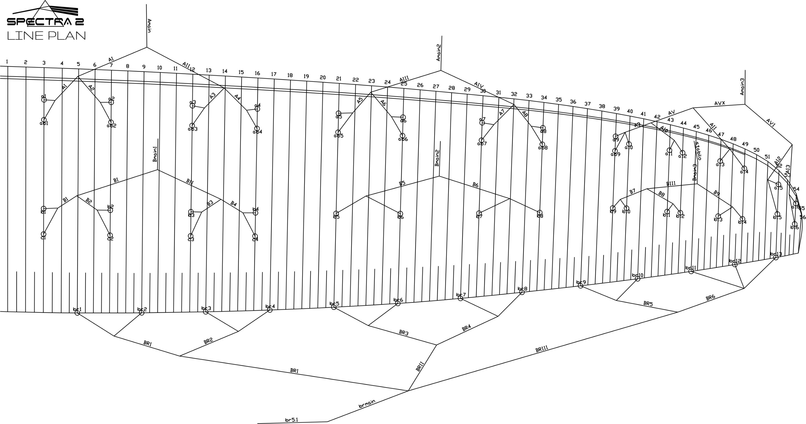
 | A |  |  |  |  |  | A' |  |  |  |  |  | B |  |  |  |  |  | C |  |  |  |  |  | brake |  |  |  |  |  | A | A, | B | C
 | factory | LEFT | RIGHT | left | right | symet | factory | LEFT | RIGHT | left | right | symet. | factory | LEFT | RIGHT | left | dir. | symet | factory | LEFT | RIGHT | left. | right | symet | factory | LEFT | RIGHT | left. | right | symet
1 | 8140 |  |  | -8140 | -8140 | 0 | 8112 |  |  | -8112 | -8112 | 0 | 8147 |  |  | -8147 | -8147 | 0 | 8374 |  |  | -8374 | -8374 | 0 | 8535 |  |  | -8535 | -8535 | 0 | 8140 | 8112 | 8147 | 8374
2 | 8009 |  |  | -8009 | -8009 | 0 | 7973 |  |  | -7973 | -7973 | 0 | 7991 |  |  | -7991 | -7991 | 0 | 8223 |  |  | -8223 | -8223 | 0 | 8304 |  |  | -8304 | -8304 | 0 | 8009 | 7973 | 7991 | 8223
3 | 7970 |  |  | -7970 | -7970 | 0 | 7939 |  |  | -7939 | -7939 | 0 | 7931 |  |  | -7931 | -7931 | 0 | 8160 |  |  | -8160 | -8160 | 0 | 8186 |  |  | -8186 | -8186 | 0 | 7970 | 7939 | 7931 | 8160
4 | 8043 |  |  | -8043 | -8043 | 0 | 8009 |  |  | -8009 | -8009 | 0 | 7958 |  |  | -7958 | -7958 | 0 | 8183 |  |  | -8183 | -8183 | 0 | 8181 |  |  | -8181 | -8181 | 0 | 8043 | 8009 | 7958 | 8183
5 | 7947 |  |  | -7947 | -7947 | 0 | 7921 |  |  | -7921 | -7921 | 0 | 7933 |  |  | -7933 | -7933 | 0 |  |  |  |  |  |  | 8011 |  |  | -8011 | -8011 | 0 | 7947 | 7921 | 7933
6 | 7782 |  |  | -7782 | -7782 | 0 | 7753 |  |  | -7753 | -7753 | 0 | 7775 |  |  | -7775 | -7775 | 0 |  |  |  |  |  |  | 7813 |  |  | -7813 | -7813 | 0 | 7782 | 7753 | 7775
7 | 7695 |  |  | -7695 | -7695 | 0 | 7667 |  |  | -7667 | -7667 | 0 | 7682 |  |  | -7682 | -7682 | 0 |  |  |  |  |  |  | 7722 |  |  | -7722 | -7722 | 0 | 7695 | 7667 | 7682
8 | 7712 |  |  | -7712 | -7712 | 0 | 7688 |  |  | -7688 | -7688 | 0 | 7702 |  |  | -7702 | -7702 | 0 |  |  |  |  |  |  | 7747 |  |  | -7747 | -7747 | 0 | 7712 | 7688 | 7702
9 | 7446 |  |  | -7446 | -7446 | 0 | 7426 |  |  | -7426 | -7426 | 0 | 7475 |  |  | -7475 | -7475 | 0 |  |  |  |  |  |  | 7618 |  |  | -7618 | -7618 | 0 | 7446 | 7426 | 7475
10 | 7394 |  |  | -7394 | -7394 | 0 |  |  |  |  |  |  | 7430 |  |  | -7430 | -7430 | 0 |  |  |  |  |  |  | 7504 |  |  | -7504 | -7504 | 0 | 7394 |  | 7430
11 | 7310 |  |  | -7310 | -7310 | 0 |  |  |  |  |  |  | 7331 |  |  | -7331 | -7331 | 0 |  |  |  |  |  |  | 7424 |  |  | -7424 | -7424 | 0 | 7310 |  | 7331
12 | 7310 |  |  | -7310 | -7310 | 0 |  |  |  |  |  |  | 7320 |  |  | -7320 | -7320 | 0 |  |  |  |  |  |  | 7443 |  |  | -7443 | -7443 | 0 | 7310 |  | 7320
13 | 7257 |  |  | -7257 | -7257 | 0 |  |  |  |  |  |  | 7270 |  |  | -7270 | -7270 | 0 |  |  |  |  |  |  | 7630 |  |  | -7630 | -7630 | 0 | 7257 |  | 7270
14 | 7278 |  |  | -7278 | -7278 | 0 |  |  |  |  |  |  | 7282 |  |  | -7282 | -7282 | 0 |  |  |  |  |  |  |  |  |  |  |  |  | 7278 |  | 7282
15 | 7164 |  |  | -7164 | -7164 | 0 |  |  |  |  |  |  | 7197 |  |  | -7197 | -7197 | 0 |  |  |  |  |  |  |  |  |  |  |  |  | 7164 |  | 7197
16 | 7183 |  |  | -7183 | -7183 | 0 |  |  |  |  |  |  | 7226 |  |  | -7226 | -7226 | 0 |  |  |  |  |  |  |  |  |  |  |  |  | 7183 |  | 7226
17
18

 |  |  |  |  |  |  |  |  |  |  |  | RISER |  |  |  |  |  | TRIM LEFT SIDE |  |  | TRIM RIGHT SIDE
 |  |  |  |  |  |  |  |  |  |  |  | 0 |  |  |  | SECTION |  | 3 | 2 | 1 | 1 | 2 | 3
 |  |  |  |  |  |  |  |  |  |  |  |  |  |  |  | A average |  | -7332.6 | -7784.2 | -8040.4 | -8040.4 | -7784.2 | -7332.6
 |  |  |  |  |  |  |  |  |  |  |  |  |  |  |  | B average |  | -7351.3 | -7773.1 | -8006.8 | -8006.8 | -7773.1 | -7351.3
 |  |  |  |  |  |  |  |  |  |  |  |  |  |  |  | FINAL TRIM |  | 18.8 | -11.1 | -33.7 | -33.7 | -11.1 | 18.8

