Spreadsheet 01
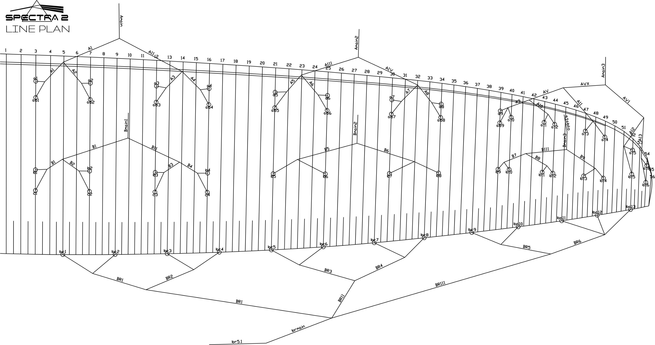
 | A |  |  |  |  |  | A' |  |  |  |  |  | B |  |  |  |  |  | C |  |  |  |  |  | brake |  |  |  |  |  | A | A, | B | C
 | factory | LEFT | RIGHT | left | right | symet | factory | LEFT | RIGHT | left | right | symet. | factory | LEFT | RIGHT | left | dir. | symet | factory | LEFT | RIGHT | left. | right | symet | factory | LEFT | RIGHT | left. | right | symet
1 | 7642 | 8,269 |  | 627 | -7642 | 8269 | 7612 |  |  | -7612 | -7612 | 0 | 7648 |  |  | -7648 | -7648 | 0 | 7725 |  |  | -7725 | -7725 | 0 | 7,851 |  |  | -7851 | -7851 | 0 | 7641.55 | 7612.35 | 7647.85 | 7724.6
2 | 7512 | 8,139 |  | 627 | -7512 | 8139 | 7478 |  |  | -7478 | -7478 | 0 | 7502 |  |  | -7502 | -7502 | 0 | 7586 |  |  | -7586 | -7586 | 0 | 7,632 |  |  | -7632 | -7632 | 0 | 7512.1 | 7478.25 | 7501.85 | 7585.65
3 | 7478 | 8,106 |  | 628 | -7478 | 8106 | 7446 |  |  | -7446 | -7446 | 0 | 7441 |  |  | -7441 | -7441 | 0 | 7521 |  |  | -7521 | -7521 | 0 | 7,525 |  |  | -7525 | -7525 | 0 | 7478.3 | 7445.9 | 7440.65 | 7521.45
4 | 7546 | 8,173 |  | 628 | -7546 | 8173 | 7514 |  |  | -7514 | -7514 | 0 | 7464 |  |  | -7464 | -7464 | 0 | 7537 |  |  | -7537 | -7537 | 0 | 7,523 |  |  | -7523 | -7523 | 0 | 7545.8 | 7514.4 | 7464.1 | 7536.75
5 | 7460 | 8,080 |  | 621 | -7460 | 8080 | 7430 |  |  | -7430 | -7430 | 0 | 7432 |  |  | -7432 | -7432 | 0 |  |  |  |  |  |  | 7,366 |  |  | -7366 | -7366 | 0 | 7459.7 | 7429.5 | 7431.5
6 | 7302 | 7,925 |  | 623 | -7302 | 7925 | 7273 |  |  | -7273 | -7273 | 0 | 7280 |  |  | -7280 | -7280 | 0 |  |  |  |  |  |  | 7,166 |  |  | -7166 | -7166 | 0 | 7301.8 | 7272.85 | 7279.85
7 | 7218 | 7,826 |  | 608 | -7218 | 7826 | 7191 |  |  | -7191 | -7191 | 0 | 7194 |  |  | -7194 | -7194 | 0 |  |  |  |  |  |  | 7,090 |  |  | -7090 | -7090 | 0 | 7217.55 | 7191.25 | 7193.8
8 | 7239 | 7,848 |  | 610 | -7239 | 7848 | 7214 |  |  | -7214 | -7214 | 0 | 7217 |  |  | -7217 | -7217 | 0 |  |  |  |  |  |  | 7,135 |  |  | -7135 | -7135 | 0 | 7238.6 | 7213.7 | 7217
9 | 6974 | 7,583 |  | 609 | -6974 | 7583 | 6957 |  |  | -6957 | -6957 | 0 | 7004 |  |  | -7004 | -7004 | 0 |  |  |  |  |  |  | 6,999 |  |  | -6999 | -6999 | 0 | 6974.05 | 6956.55 | 7003.5
10 | 6927 | 7,530 |  | 603 | -6927 | 7530 |  |  |  |  |  |  | 6962 |  |  | -6962 | -6962 | 0 |  |  |  |  |  |  | 6,899 |  |  | -6899 | -6899 | 0 | 6926.65 |  | 6961.9
11 | 6852 | 7,447 |  | 595 | -6852 | 7447 |  |  |  |  |  |  | 6864 |  |  | -6864 | -6864 | 0 |  |  |  |  |  |  | 6,825 |  |  | -6825 | -6825 | 0 | 6851.55 |  | 6863.85
12 | 6848 | 7,443 |  | 595 | -6848 | 7443 |  |  |  |  |  |  | 6855 |  |  | -6855 | -6855 | 0 |  |  |  |  |  |  | 6,853 |  |  | -6853 | -6853 | 0 | 6848.4 |  | 6855.3
13 | 6797 | 7,395 |  | 597 | -6797 | 7395 |  |  |  |  |  |  | 6814 |  |  | -6814 | -6814 | 0 |  |  |  |  |  |  | 7042 |  |  | -7042 | -7042 | 0 | 6797.4 |  | 6813.95
14 | 6822 | 7,415 |  | 593 | -6822 | 7415 |  |  |  |  |  |  | 6830 |  |  | -6830 | -6830 | 0 |  |  |  |  |  |  |  |  |  |  |  |  | 6822 |  | 6830.15
15 | 6717 | 7,309 |  | 591 | -6717 | 7309 |  |  |  |  |  |  | 6748 |  |  | -6748 | -6748 | 0 |  |  |  |  |  |  |  |  |  |  |  |  | 6717.35 |  | 6748.1
16 | 6736 | 7,329 |  | 592 | -6736 | 7329 |  |  |  |  |  |  | 6777 |  |  | -6777 | -6777 | 0 |  |  |  |  |  |  |  |  |  |  |  |  | 6736.45 |  | 6776.9
17
18

 |  |  |  |  |  |  |  |  |  |  |  | RISER COMPESATOR |  |  |  |  |  | TRIM LEFT SIDE |  |  | TRIM RIGHT SIDE
 |  |  |  |  |  |  |  |  |  |  |  | 0 |  |  |  | SECTION |  | 3 | 2 | 1 | 1 | 2 | 3
 |  |  |  |  |  |  |  |  |  |  |  |  |  |  |  | A average |  | 598.7 | 615.5 | 627.4 | -7544.4 | -7304.4 | -6870.0
 |  |  |  |  |  |  |  |  |  |  |  |  |  |  |  | B average |  | -6888.1 | -7280.5 | -7513.6 | -7513.6 | -7280.5 | -6888.1
 |  |  |  |  |  |  |  |  |  |  |  |  |  |  |  | FINAL TRIM |  | 7486.8 | 7896.1 | 8141.0 | -30.8 | -23.9 | 18.1

