Spreadsheet 01
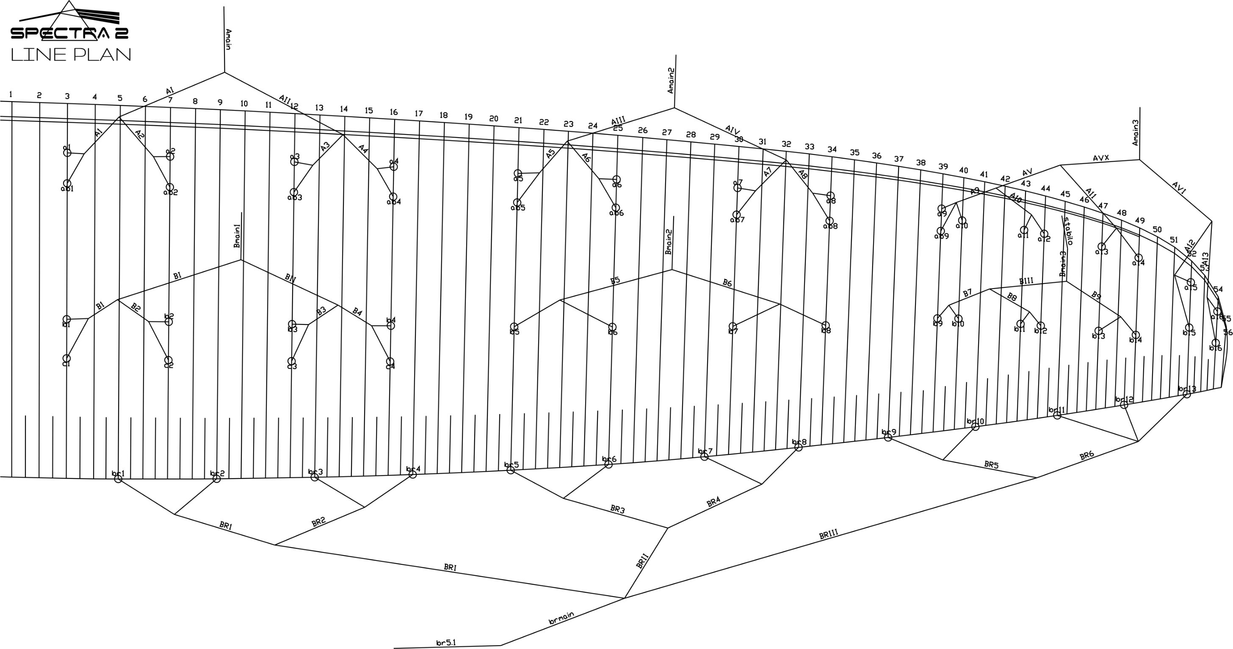
 | A |  |  |  |  |  | A' |  |  |  |  |  | B |  |  |  |  |  | C |  |  |  |  |  | brake |  |  |  |  |  | A | A, | B | C
 | factory | LEFT | RIGHT | left | right | symet | factory | LEFT | RIGHT | left | right | symet. | factory | LEFT | RIGHT | left | dir. | symet | factory | LEFT | RIGHT | left. | right | symet | factory | LEFT | RIGHT | left. | right | symet
1 | 7980 |  |  | -7980 | -7980 | 0 | 7946 |  |  | -7946 | -7946 | 0 | 7986 |  |  | -7986 | -7986 | 0 | 8062 |  |  | -8062 | -8062 | 0 | 8234 |  |  | -8234 | -8234 | 0 | 7980 | 7946 | 7986 | 8062
2 | 7849 |  |  | -7849 | -7849 | 0 | 7817 |  |  | -7817 | -7817 | 0 | 7833 |  |  | -7833 | -7833 | 0 | 7922 |  |  | -7922 | -7922 | 0 | 8022 |  |  | -8022 | -8022 | 0 | 7849 | 7817 | 7833 | 7922
3 | 7811 |  |  | -7811 | -7811 | 0 | 7781 |  |  | -7781 | -7781 | 0 | 7776 |  |  | -7776 | -7776 | 0 | 7856 |  |  | -7856 | -7856 | 0 | 7907 |  |  | -7907 | -7907 | 0 | 7811 | 7781 | 7776 | 7856
4 | 7887 |  |  | -7887 | -7887 | 0 | 7855 |  |  | -7855 | -7855 | 0 | 7802 |  |  | -7802 | -7802 | 0 | 7878 |  |  | -7878 | -7878 | 0 | 7906 |  |  | -7906 | -7906 | 0 | 7887 | 7855 | 7802 | 7878
5 | 7787 |  |  | -7787 | -7787 | 0 | 7759 |  |  | -7759 | -7759 | 0 | 7774 |  |  | -7774 | -7774 | 0 |  |  |  |  |  |  | 7742 |  |  | -7742 | -7742 | 0 | 7787 | 7759 | 7774 | 10
6 | 7631 |  |  | -7631 | -7631 | 0 | 7603 |  |  | -7603 | -7603 | 0 | 7618 |  |  | -7618 | -7618 | 0 |  |  |  |  |  |  | 7542 |  |  | -7542 | -7542 | 0 | 7631 | 7603 | 7618 | 10
7 | 7538 |  |  | -7538 | -7538 | 0 | 7510 |  |  | -7510 | -7510 | 0 | 7528 |  |  | -7528 | -7528 | 0 |  |  |  |  |  |  | 7460 |  |  | -7460 | -7460 | 0 | 7538 | 7510 | 7528 | 10
8 | 7555 |  |  | -7555 | -7555 | 0 | 7531 |  |  | -7531 | -7531 | 0 | 7546 |  |  | -7546 | -7546 | 0 |  |  |  |  |  |  | 7502 |  |  | -7502 | -7502 | 0 | 7555 | 7531 | 7546 | 10
9 | 7285 |  |  | -7285 | -7285 | 0 | 7259 |  |  | -7259 | -7259 | 0 | 7332 |  |  | -7332 | -7332 | 0 |  |  |  |  |  |  | 7375 |  |  | -7375 | -7375 | 0 | 7285 | 7259 | 7332 | 10
10 | 7236 |  |  | -7236 | -7236 | 0 |  |  |  |  |  |  | 7286 |  |  | -7286 | -7286 | 0 |  |  |  |  |  |  | 7265 |  |  | -7265 | -7265 | 0 | 7236 |  | 7286 | 10
11 | 7154 |  |  | -7154 | -7154 | 0 |  |  |  |  |  |  | 7188 |  |  | -7188 | -7188 | 0 |  |  |  |  |  |  | 7181 |  |  | -7181 | -7181 | 0 | 7154 |  | 7188 | 10
12 | 7152 |  |  | -7152 | -7152 | 0 |  |  |  |  |  |  | 7176 |  |  | -7176 | -7176 | 0 |  |  |  |  |  |  | 7205 |  |  | -7205 | -7205 | 0 | 7152 |  | 7176 | 10
13 | 7095 |  |  | -7095 | -7095 | 0 |  |  |  |  |  |  | 7126 |  |  | -7126 | -7126 | 0 |  |  |  |  |  |  | 7393 |  |  | -7393 | -7393 | 0 | 7095 |  | 7126 | 10
14 | 7124 |  |  | -7124 | -7124 | 0 |  |  |  |  |  |  | 7132 |  |  | -7132 | -7132 | 0 |  |  |  |  |  |  |  |  |  |  |  |  | 7124 |  | 7132 | 10
15 | 7008 |  |  | -7008 | -7008 | 0 |  |  |  |  |  |  | 7046 |  |  | -7046 | -7046 | 0 |  |  |  |  |  |  |  |  |  |  |  |  | 7008 |  | 7046 | 10
16 | 7029 |  |  | -7029 | -7029 | 0 |  |  |  |  |  |  | 7073 |  |  | -7073 | -7073 | 0 |  |  |  |  |  |  |  |  |  |  |  |  | 7029 |  | 7073 | 10
17
18

 |  |  |  |  |  |  |  |  |  |  |  | RISER |  |  |  |  |  | TRIM LEFT SIDE |  |  | TRIM RIGHT SIDE
 |  |  |  |  |  |  |  |  |  |  |  | 0 |  |  |  | SECTION |  | 3 | 2 | 1 | 1 | 2 | 3
 |  |  |  |  |  |  |  |  |  |  |  | COMPESSATOR |  |  |  | A average |  | -7174.3 | -7627.9 | -7881.9 | -7881.9 | -7627.9 | -7174.3
 |  |  |  |  |  |  |  |  |  |  |  |  |  |  |  | B average |  | -7206.8 | -7616.7 | -7849.5 | -7849.5 | -7616.7 | -7206.8
 |  |  |  |  |  |  |  |  |  |  |  |  |  |  |  | FINAL TRIM |  | 32.5 | -11.2 | -32.4 | -32.4 | -11.2 | 32.5

