Sheet 01
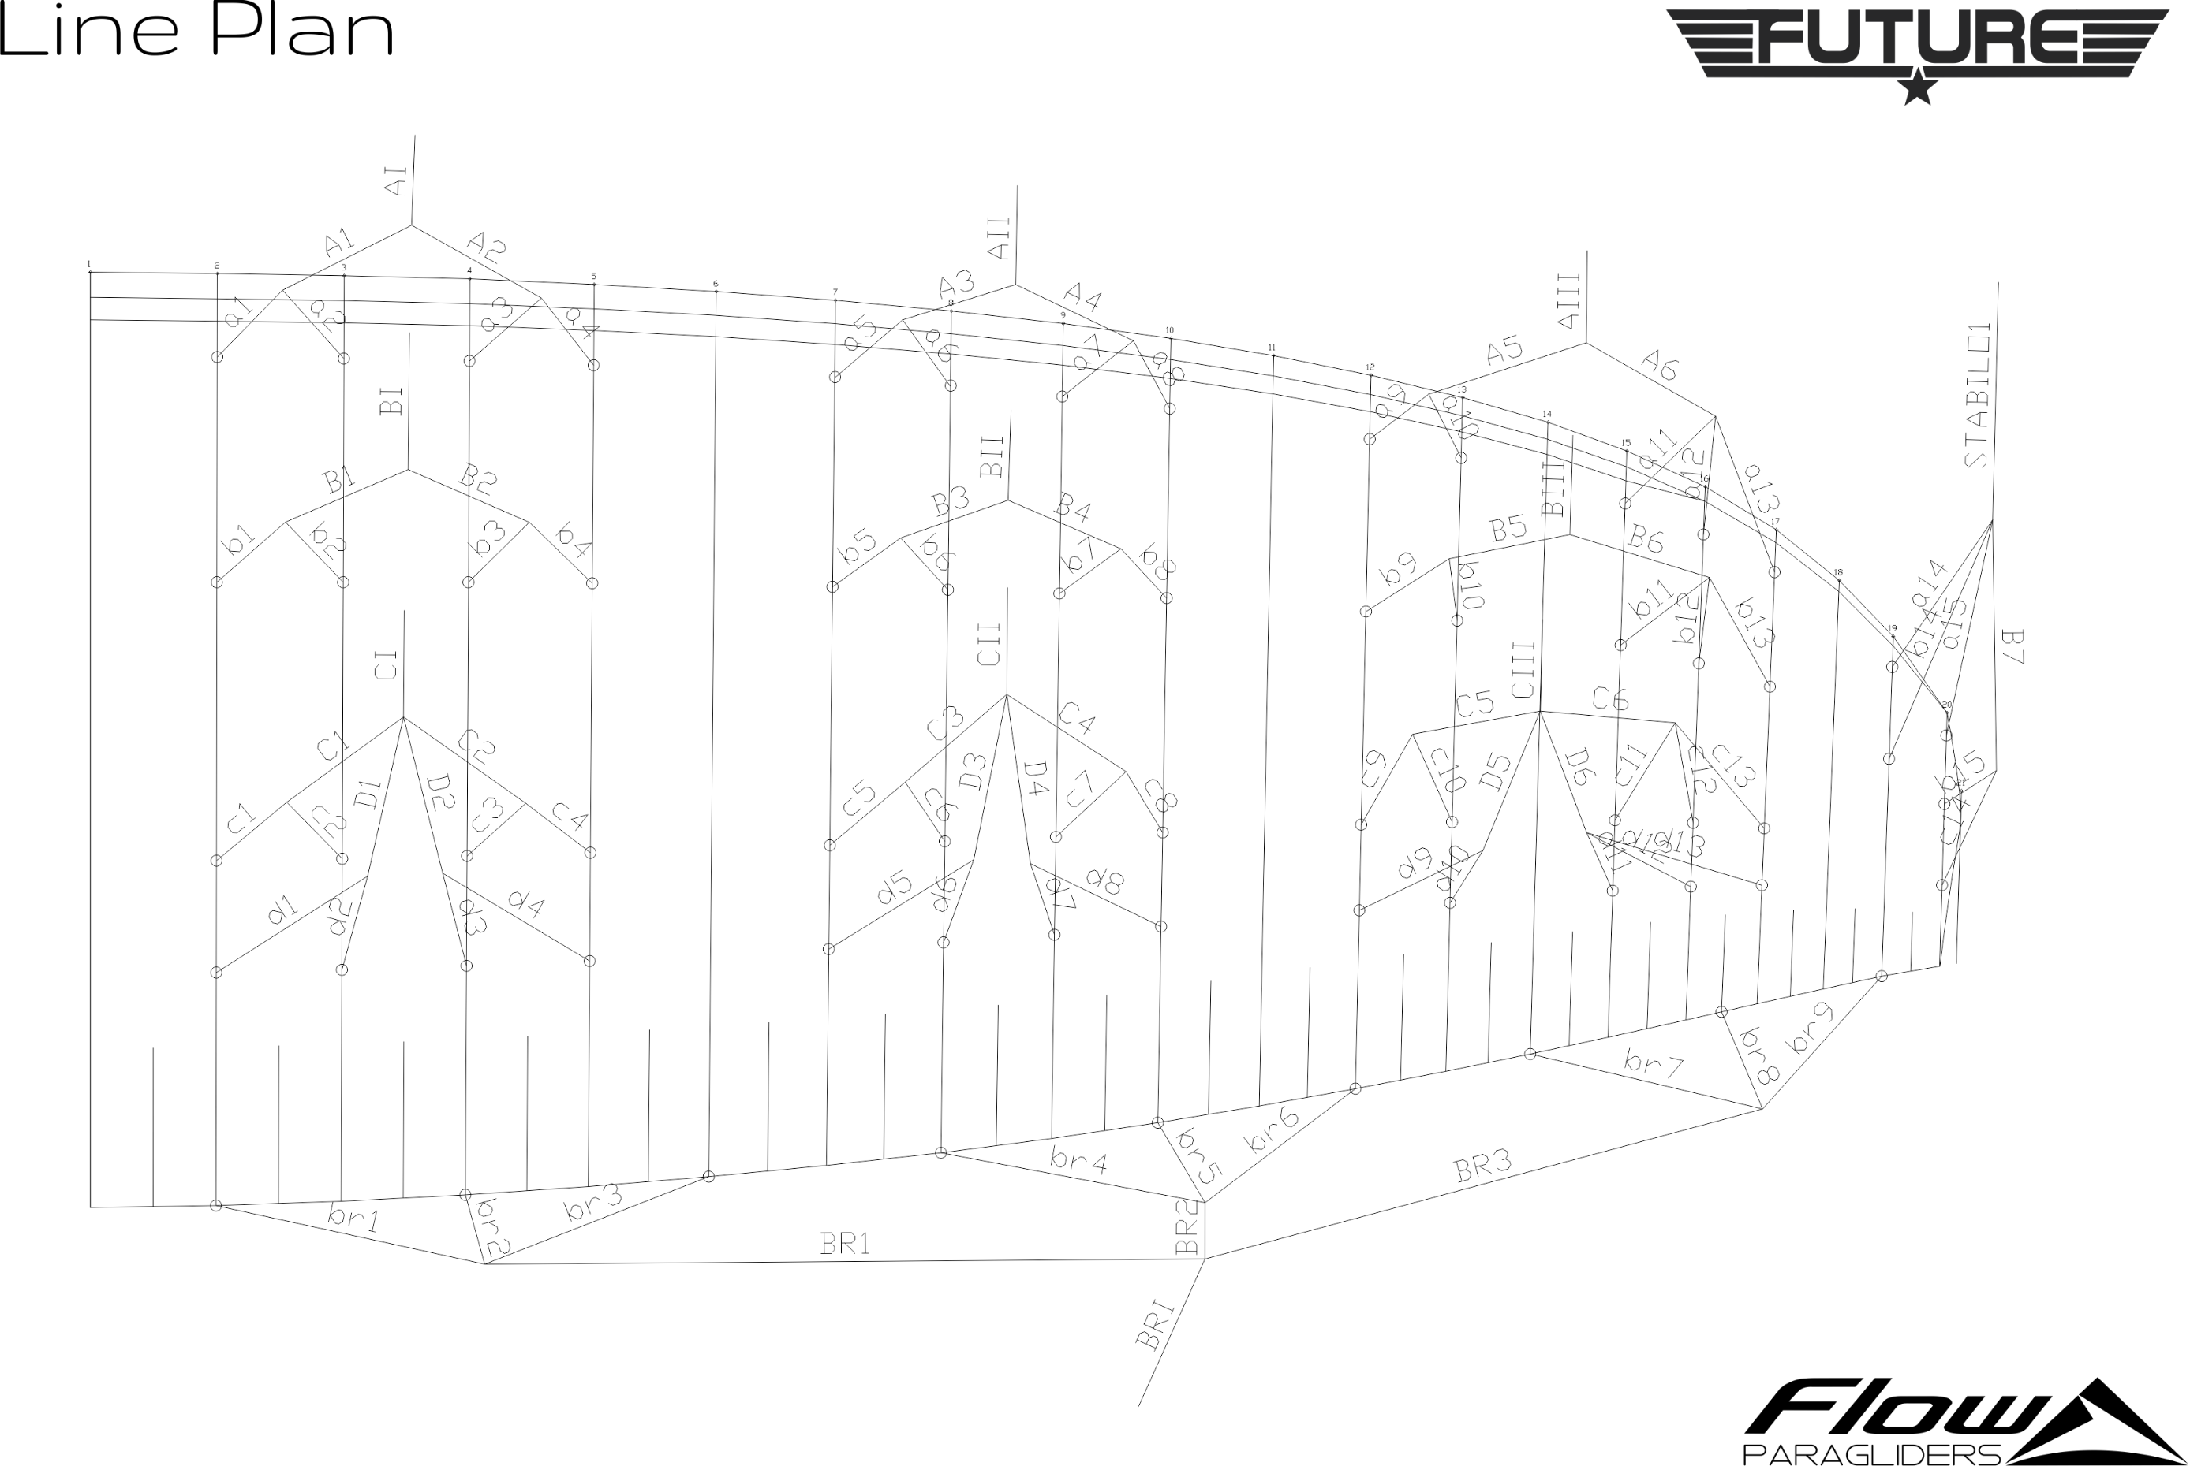
 | A |  |  |  |  |  | B |  |  |  |  |  | C |  |  |  |  |  | D |  |  |  |  |  | BRAKES |  |  |  |  |  |  | A | B | C | D | BRAKE
 | factory | LEFT | RIGHT | left | right | symet | factory | LEFT | RIGHT | left | right | symet. | factory | LEFT | RIGHT | left | dir. | symet | factory | LEFT | RIGHT | left. | right | symet | factory | LEFT | RIGHT | left. | right | symet
1 | 7411 |  |  | -7411 | -7411 | 0 | 7299 |  |  | -7299 | -7299 | 0 | 7395 |  |  | -7395 | -7395 | 0 | 7489 |  |  | -7489 | -7489 | 0 | 7846 |  |  | -7846 | -7846 | 0 | 1 | 7411 | 7299 | 7395 | 7489 | 7846
2 | 7385 |  |  | -7385 | -7385 | 0 | 7278 |  |  | -7278 | -7278 | 0 | 7369 |  |  | -7369 | -7369 | 0 | 7453 |  |  | -7453 | -7453 | 0 | 7421 |  |  | -7421 | -7421 | 0 | 2 | 7385 | 7278 | 7369 | 7453 | 7421
3 | 7377 |  |  | -7377 | -7377 | 0 | 7271 |  |  | -7271 | -7271 | 0 | 7360 |  |  | -7360 | -7360 | 0 | 7450 |  |  | -7450 | -7450 | 0 | 7463 |  |  | -7463 | -7463 | 0 | 3 | 7377 | 7271 | 7360 | 7450 | 7463
4 | 7395 |  |  | -7395 | -7395 | 0 | 7288 |  |  | -7288 | -7288 | 0 | 7377 |  |  | -7377 | -7377 | 0 | 7462 |  |  | -7462 | -7462 | 0 | 7294 |  |  | -7294 | -7294 | 0 | 4 | 7395 | 7288 | 7377 | 7462 | 7294
5 | 7365 |  |  | -7365 | -7365 | 0 | 7273 |  |  | -7273 | -7273 | 0 | 7352 |  |  | -7352 | -7352 | 0 | 7439 |  |  | -7439 | -7439 | 0 | 7113 |  |  | -7113 | -7113 | 0 | 5 | 7365 | 7273 | 7352 | 7439 | 7113
6 | 7365 |  |  | -7365 | -7365 | 0 | 7275 |  |  | -7275 | -7275 | 0 | 7354 |  |  | -7354 | -7354 | 0 | 7426 |  |  | -7426 | -7426 | 0 | 7301 |  |  | -7301 | -7301 | 0 | 6 | 7365 | 7275 | 7354 | 7426 | 7301
7 | 7358 |  |  | -7358 | -7358 | 0 | 7271 |  |  | -7271 | -7271 | 0 | 7340 |  |  | -7340 | -7340 | 0 | 7409 |  |  | -7409 | -7409 | 0 | 7142 |  |  | -7142 | -7142 | 0 | 7 | 7358 | 7271 | 7340 | 7409 | 7142
8 | 7379 |  |  | -7379 | -7379 | 0 | 7294 |  |  | -7294 | -7294 | 0 | 7357 |  |  | -7357 | -7357 | 0 | 7419 |  |  | -7419 | -7419 | 0 | 7024 |  |  | -7024 | -7024 | 0 | 8 | 7379 | 7294 | 7357 | 7419 | 7024
9 | 7359 |  |  | -7359 | -7359 | 0 | 7263 |  |  | -7263 | -7263 | 0 | 7311 |  |  | -7311 | -7311 | 0 | 7380 |  |  | -7380 | -7380 | 0 | 7123 |  |  | -7123 | -7123 | 0 | 9 | 7359 | 7263 | 7311 | 7380 | 7123
10 | 7305 |  |  | -7305 | -7305 | 0 | 7217 |  |  | -7217 | -7217 | 0 | 7260 |  |  | -7260 | -7260 | 0 | 7321 |  |  | -7321 | -7321 | 0 |  |  |  |  |  |  | 10 | 7305 | 7217 | 7260 | 7321
11 | 7210 |  |  | -7210 | -7210 | 0 | 7141 |  |  | -7141 | -7141 | 0 | 7170 |  |  | -7170 | -7170 | 0 | 7231 |  |  | -7231 | -7231 | 0 |  |  |  |  |  |  | 11 | 7210 | 7141 | 7170 | 7231
12 | 7154 |  |  | -7154 | -7154 | 0 | 7097 |  |  | -7097 | -7097 | 0 | 7119 |  |  | -7119 | -7119 | 0 | 7170 |  |  | -7170 | -7170 | 0 |  |  |  |  |  |  | 12 | 7154 | 7097 | 7119 | 7170
13 | 7150 |  |  | -7150 | -7150 | 0 | 7094 |  |  | -7094 | -7094 | 0 | 7104 |  |  | -7104 | -7104 | 0 | 7150 |  |  | -7150 | -7150 | 0 |  |  |  |  |  |  | 13 | 7150 | 7094 | 7104 | 7150
14 | 6898 |  |  | -6898 | -6898 | 0 | 6844 |  |  | -6844 | -6844 | 0 | 6864 |  |  | -6864 | -6864 | 0 |  |  |  |  |  |  |  |  |  |  |  |  | 14 | 6898 | 6844 | 6864
15 | 6748 |  |  | -6748 | -6748 | 0 | 6762 |  |  | -6762 | -6762 | 0 |  |  |  |  |  |  |  |  |  |  |  |  |  |  |  |  |  |  | 15 | 6748 | 6762
16
17
18

 |  |  | RIGHT |  |  |  | LEFT |  |  |  |  | offset
 |  | A | X | X | X | X | X | X | AS+ | 30
 |  | B | X | X | X | X | X | X | AS | 22
 |  | C | X | X | X | X | X | X | DL | 15

