Tab 01
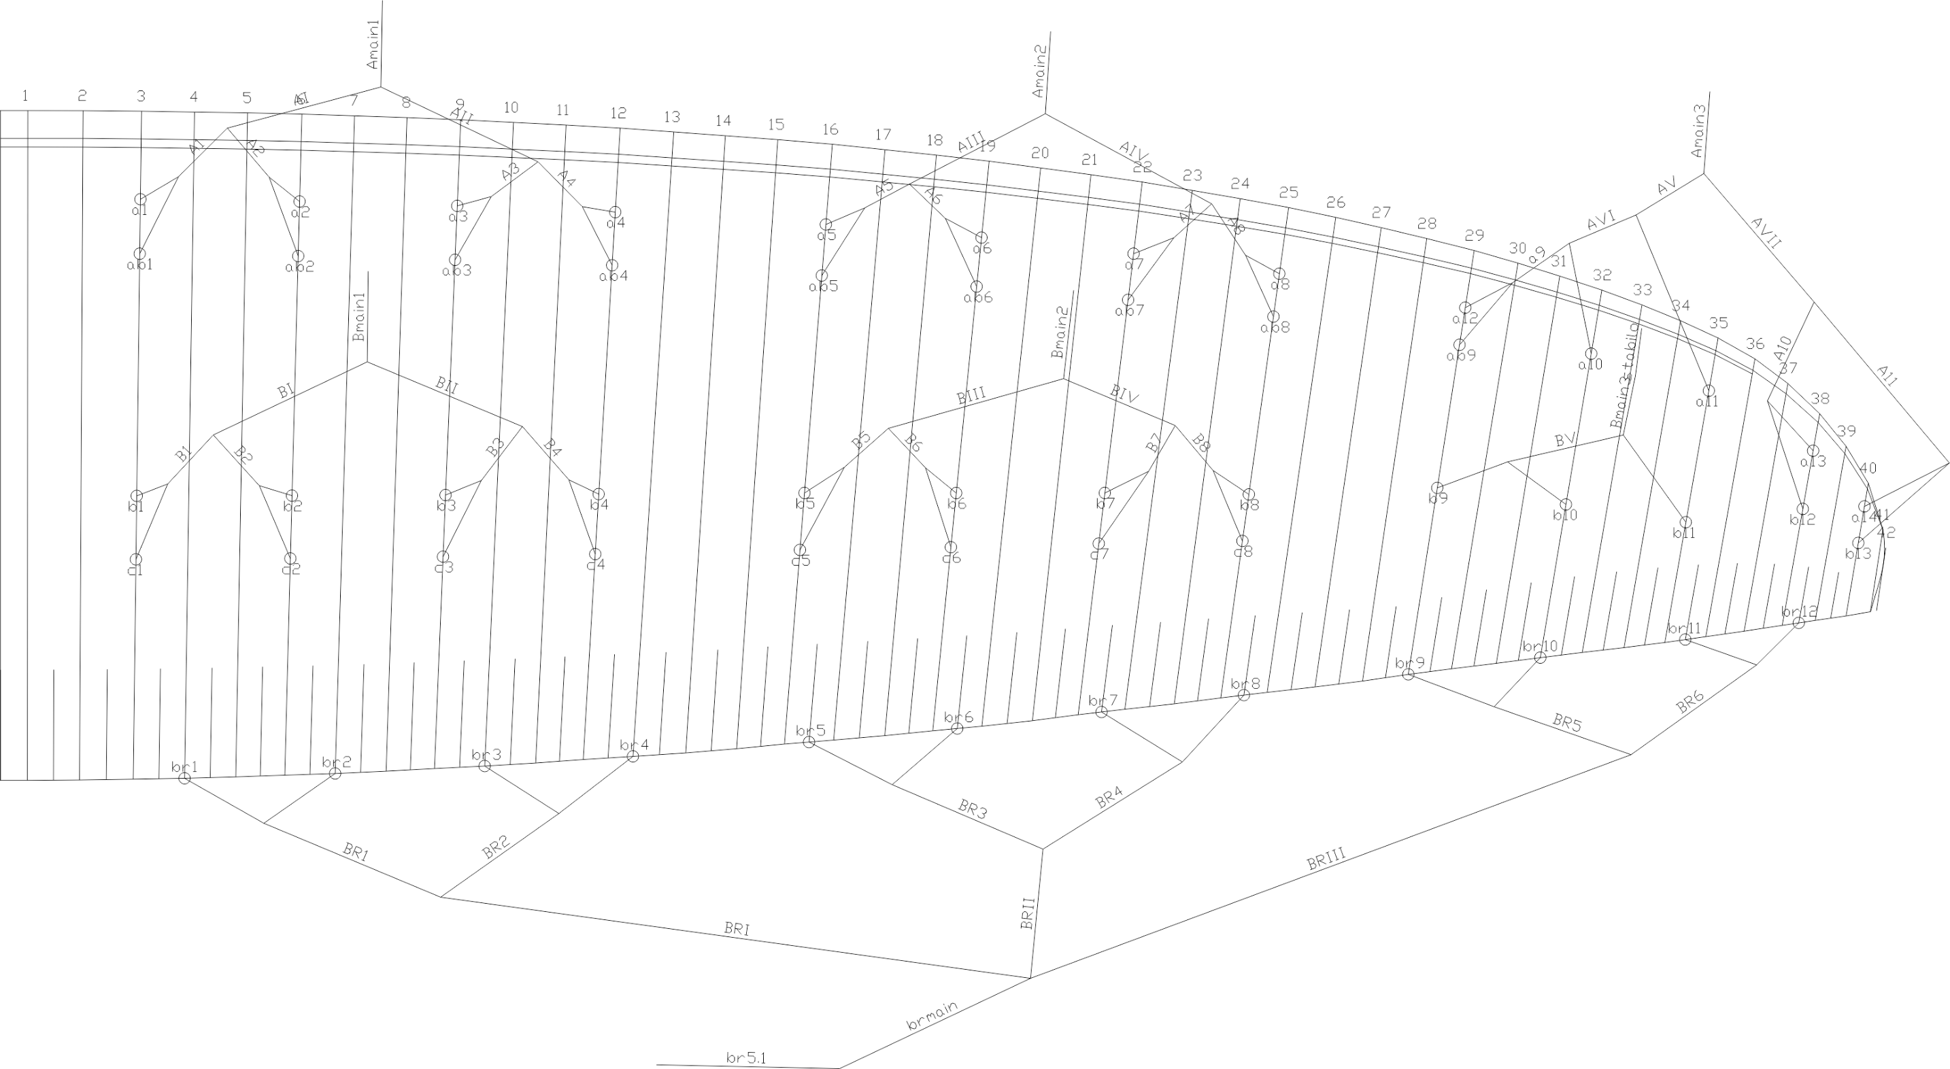
 | A |  |  |  |  |  | A' |  |  |  |  |  | B |  |  |  |  |  | C |  |  |  |  |  | brake |  |  |  |  |  | A | A, | B | C
 | factory | LEFT | RIGHT | left | right | symet | factory | LEFT | RIGHT | left | right | symet. | factory | LEFT | RIGHT | left | dir. | symet | factory | LEFT | RIGHT | left. | right | symet | factory | LEFT | RIGHT | left. | right | symet
1 | 7953 |  |  | -7953 | -7953 | 0 | 7920 |  |  | -7920 | -7920 | 0 | 7972 |  |  | -7972 | -7972 | 0 | 8068 |  |  | -8068 | -8068 | 0 | 8130 |  |  | -8130 | -8130 | 0 | 7953 | 7920 | 7972 | 8068 | 8143
2 | 7844 |  |  | -7844 | -7844 | 0 | 7807 |  |  | -7807 | -7807 | 0 | 7835 |  |  | -7835 | -7835 | 0 | 7933 |  |  | -7933 | -7933 | 0 | 7903 |  |  | -7903 | -7903 | 0 | 7844 | 7807 | 7835 | 7933 | 7917
3 | 7819 |  |  | -7819 | -7819 | 0 | 7785 |  |  | -7785 | -7785 | 0 | 7785 |  |  | -7785 | -7785 | 0 | 7879 |  |  | -7879 | -7879 | 0 | 7774 |  |  | -7774 | -7774 | 0 | 7819 | 7785 | 7785 | 7879 | 7778
4 | 7881 |  |  | -7881 | -7881 | 0 | 7852 |  |  | -7852 | -7852 | 0 | 7819 |  |  | -7819 | -7819 | 0 | 7902 |  |  | -7902 | -7902 | 0 | 7766 |  |  | -7766 | -7766 | 0 | 7881 | 7852 | 7819 | 7902 | 7763
5 | 7784 |  |  | -7784 | -7784 | 0 | 7761 |  |  | -7761 | -7761 | 0 | 7776 |  |  | -7776 | -7776 | 0 | 7871 |  |  | -7871 | -7871 | 0 | 7565 |  |  | -7565 | -7565 | 0 | 7784 | 7761 | 7776 | 7871 | 7562
6 | 7628 |  |  | -7628 | -7628 | 0 | 7606 |  |  | -7606 | -7606 | 0 | 7635 |  |  | -7635 | -7635 | 0 | 7721 |  |  | -7721 | -7721 | 0 | 7465 |  |  | -7465 | -7465 | 0 | 7628 | 7606 | 7635 | 7721 | 7466
7 | 7561 |  |  | -7561 | -7561 | 0 | 7540 |  |  | -7540 | -7540 | 0 | 7573 |  |  | -7573 | -7573 | 0 | 7656 |  |  | -7656 | -7656 | 0 | 7390 |  |  | -7390 | -7390 | 0 | 7561 | 7540 | 7573 | 7656 | 7374
8 | 7591 |  |  | -7591 | -7591 | 0 | 7575 |  |  | -7575 | -7575 | 0 | 7594 |  |  | -7594 | -7594 | 0 | 7661 |  |  | -7661 | -7661 | 0 | 7495 |  |  | -7495 | -7495 | 0 | 7591 | 7575 | 7594 | 7661 | 7481
9 | 7339 |  |  | -7339 | -7339 | 0 | 7330 |  |  | -7330 | -7330 | 0 | 7387 |  |  | -7387 | -7387 | 0 |  |  |  |  |  |  | 7315 |  |  | -7315 | -7315 | 0 | 7339 | 7330 | 7387 |  | 7285
10 | 7255 |  |  | -7255 | -7255 | 0 |  |  |  |  |  |  | 7290 |  |  | -7290 | -7290 | 0 |  |  |  |  |  |  | 7268 |  |  | -7268 | -7268 | 0 | 7255 |  | 7290 |  | 7227
11 | 7219 |  |  | -7219 | -7219 | 0 |  |  |  |  |  |  | 7253 |  |  | -7253 | -7253 | 0 |  |  |  |  |  |  | 7218 |  |  | -7218 | -7218 | 0 | 7219 |  | 7253 |  | 7169
12 | 7137 |  |  | -7137 | -7137 | 0 |  |  |  |  |  |  | 7193 |  |  | -7193 | -7193 | 0 |  |  |  |  |  |  | 7331 |  |  | -7331 | -7331 | 0 | 7137 |  | 7193 |  | 7303
13 | 7184 |  |  | -7184 | -7184 | 0 |  |  |  |  |  |  | 7251 |  |  | -7251 | -7251 | 0 |  |  |  |  |  |  |  |  |  |  |  |  | 7184 |  | 7251

 |  |  |  |  |  |  |  |  |  |  |  | Offset |  |  |  |  |  | TRIM LEFT SIDE |  |  | TRIM RIGHT SIDE |  |  |  | * BRAKES ARE MEASURED FROM KNOT ON BRAKE HANDLE TO TRAILING EDGE
 |  |  |  |  |  |  |  |  |  |  |  | 0 |  |  |  | SECTION |  | 3 | 2 | 1 | 1 | 2 | 3
 |  |  |  |  |  |  |  |  |  |  |  |  |  |  |  | A average |  | -7270.8 | -7641.3 | -7874.2 | -7874.2 | -7641.3 | -7270.8
 |  |  |  |  |  |  |  |  |  |  |  |  |  |  |  | B average |  | -7310.0 | -7644.4 | -7852.7 | -7852.7 | -7644.4 | -7310.0
 |  |  |  |  |  |  |  |  |  |  |  |  |  |  |  | FINAL TRIM |  | 39.2 | 3.1 | -21.5 | -21.5 | 3.1 | 39.2

 | Line plan

