Sheet1
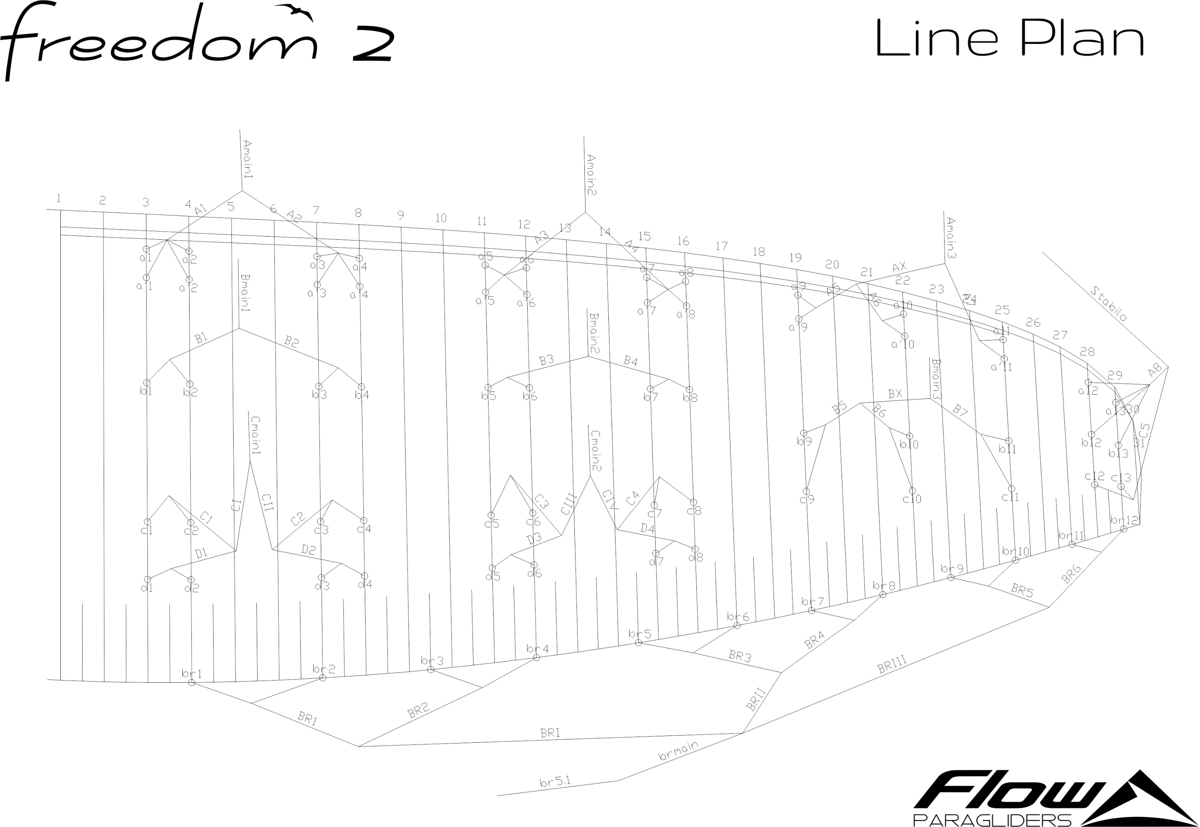
 | A |  |  |  |  |  | A' |  |  |  |  |  | B |  |  |  |  |  | C |  |  |  |  |  | D |  |  |  |  |  | brake |  |  |  |  |  | A | A' | B | C | D
 | factory | LEFT | RIGHT | left | right | symet | factory | LEFT | RIGHT | left | right | symet. | factory | LEFT | RIGHT | left | dir. | symet | factory | LEFT | RIGHT | left. | right | symet | factory | LEFT | RIGHT | left. | right | symet | factory | LEFT | RIGHT | left. | right | symet
1 | 7202 |  |  | -7202 | -7202 | 0 | 7165 |  |  | -7165 | -7165 | 0 | 7058 |  |  | -7058 | -7058 | 0 | 7148 |  |  | -7148 | -7148 | 0 | 7253 |  |  | -7253 | -7253 | 0 | 7326 |  |  | 7326 | 7326 | 0 | 7202 | 7165 | 7058 | 7148 | 7253 | 30
2 | 7164 |  |  | -7164 | -7164 | 0 | 7126 |  |  | -7126 | -7126 | 0 | 7029 |  |  | -7029 | -7029 | 0 | 7110 |  |  | -7110 | -7110 | 0 | 7218 |  |  | -7218 | -7218 | 0 | 7103 |  |  | 7103 | 7103 | 0 | 7164 | 7126 | 7029 | 7110 | 7218
3 | 7126 |  |  | -7126 | -7126 | 0 | 7086 |  |  | -7086 | -7086 | 0 | 6992 |  |  | -6992 | -6992 | 0 | 7062 |  |  | -7062 | -7062 | 0 | 7168 |  |  | -7168 | -7168 | 0 | 6927 |  |  | 6927 | 6927 | 0 | 7126 | 7086 | 6992 | 7062 | 7168
4 | 7146 |  |  | -7146 | -7146 | 0 | 7110 |  |  | -7110 | -7110 | 0 | 7012 |  |  | -7012 | -7012 | 0 | 7078 |  |  | -7078 | -7078 | 0 | 7177 |  |  | -7177 | -7177 | 0 | 6974 |  |  | 6974 | 6974 | 0 | 7146 | 7110 | 7012 | 7078 | 7177
5 | 7064 |  |  | -7064 | -7064 | 0 | 7029 |  |  | -7029 | -7029 | 0 | 6937 |  |  | -6937 | -6937 | 0 | 7004 |  |  | -7004 | -7004 | 0 | 7102 |  |  | -7102 | -7102 | 0 | 6734 |  |  | 6734 | 6734 | 0 | 7064 | 7029 | 6937 | 7004 | 7102
6 | 7019 |  |  | -7019 | -7019 | 0 | 6983 |  |  | -6983 | -6983 | 0 | 6889 |  |  | -6889 | -6889 | 0 | 6949 |  |  | -6949 | -6949 | 0 | 7047 |  |  | -7047 | -7047 | 0 | 6621 |  |  | 6621 | 6621 | 0 | 7019 | 6983 | 6889 | 6949 | 7047
7 | 6948 |  |  | -6948 | -6948 | 0 | 6901 |  |  | -6901 | -6901 | 0 | 6828 |  |  | -6828 | -6828 | 0 | 6872 |  |  | -6872 | -6872 | 0 | 6960 |  |  | -6960 | -6960 | 0 | 6539 |  |  | 6539 | 6539 | 0 | 6948 | 6901 | 6828 | 6872 | 6960
8 | 6951 |  |  | -6951 | -6951 | 0 | 6913 |  |  | -6913 | -6913 | 0 | 6837 |  |  | -6837 | -6837 | 0 | 6873 |  |  | -6873 | -6873 | 0 | 6940 |  |  | -6940 | -6940 | 0 | 6588 |  |  | 6588 | 6588 | 0 | 6951 | 6913 | 6837 | 6873 | 6940
9 | 6816 |  |  | -6816 | -6816 | 0 | 6794 |  |  | -6794 | -6794 | 0 | 6736 |  |  | -6736 | -6736 | 0 | 6830 |  |  | -6830 | -6830 | 0 |  |  |  |  |  |  | 6469 |  |  | 6469 | 6469 | 0 | 6816 | 6794 | 6736 | 6830
10 | 6652 |  |  | -6652 | -6652 | 0 | 6631 |  |  | -6631 | -6631 | 0 | 6575 |  |  | -6575 | -6575 | 0 | 6678 |  |  | -6678 | -6678 | 0 |  |  |  |  |  |  | 6426 |  |  | 6426 | 6426 | 0 | 6652 | 6631 | 6575 | 6678
11 | 6554 |  |  | -6554 | -6554 | 0 | 6540 |  |  | -6540 | -6540 | 0 | 6519 |  |  | -6519 | -6519 | 0 | 6592 |  |  | -6592 | -6592 | 0 |  |  |  |  |  |  | 6409 |  |  | 6409 | 6409 | 0 | 6554 | 6540 | 6519 | 6592
12 | 6342 |  |  | -6342 | -6342 | 0 |  |  |  |  |  |  | 6386 |  |  | -6386 | -6386 | 0 | 6508 |  |  | -6508 | -6508 | 0 |  |  |  |  |  |  | 6501 |  |  | -6501 | 6501 | 0 | 6342 |  | 6386 | 6508
13 | 6312 |  |  | -6312 | -6312 | 0 |  |  |  |  |  |  | 6395 |  |  | -6395 | -6395 | 0 | 6495 |  |  | -6495 | -6495 | 0 |  |  |  |  |  |  |  |  |  |  |  |  | 6312 |  | 6395 | 6495

 |  |  | RIGHT |  |  |  | LEFT |  |  |  |  | Offset
 |  | A | X | X | X | X | X | X | AS+ | 30
 |  | B | X | X | X | X | X | X | AS | 22
 |  | C | X | X | X | X | X | X | DL | 15

