Sheet1
 | A |  |  |  |  |  | A' |  |  |  |  |  | B |  |  |  |  |  | C |  |  |  |  |  | D |  |  |  |  |  | brake |  |  |  |  |  | A | A' | B | C | D
 | factory | LEFT | RIGHT | left | right | symet | factory | LEFT | RIGHT | left | right | symet. | factory | LEFT | RIGHT | left | dir. | symet | factory | LEFT | RIGHT | left. | right | symet | factory | LEFT | RIGHT | left. | right | symet | factory | LEFT | RIGHT | left. | right | symet
1 | 7736 |  |  | -7736 | -7736 | 0 | 7707 |  |  | -7707 | -7707 | 0 | 7588 |  |  | -7588 | -7588 | 0 | 7677 |  |  | -7677 | -7677 | 0 | 7794 |  |  | -7794 | -7794 | 0 | 7907 |  |  | 7907 | 7907 | 0 | 7736 | 7707 | 7588 | 7677 | 7794 | 30
2 | 7695 |  |  | -7695 | -7695 | 0 | 7664 |  |  | -7664 | -7664 | 0 | 7558 |  |  | -7558 | -7558 | 0 | 7637 |  |  | -7637 | -7637 | 0 | 7756 |  |  | -7756 | -7756 | 0 | 7656 |  |  | 7656 | 7656 | 0 | 7695 | 7664 | 7558 | 7637 | 7756
3 | 7661 |  |  | -7661 | -7661 | 0 | 7628 |  |  | -7628 | -7628 | 0 | 7518 |  |  | -7518 | -7518 | 0 | 7592 |  |  | -7592 | -7592 | 0 | 7705 |  |  | -7705 | -7705 | 0 | 7483 |  |  | 7483 | 7483 | 0 | 7661 | 7628 | 7518 | 7592 | 7705
4 | 7681 |  |  | -7681 | -7681 | 0 | 7649 |  |  | -7649 | -7649 | 0 | 7542 |  |  | -7542 | -7542 | 0 | 7614 |  |  | -7614 | -7614 | 0 | 7719 |  |  | -7719 | -7719 | 0 | 7520 |  |  | 7520 | 7520 | 0 | 7681 | 7649 | 7542 | 7614 | 7719
5 | 7600 |  |  | -7600 | -7600 | 0 | 7569 |  |  | -7569 | -7569 | 0 | 7470 |  |  | -7470 | -7470 | 0 | 7546 |  |  | -7546 | -7546 | 0 | 7655 |  |  | -7655 | -7655 | 0 | 7286 |  |  | 7286 | 7286 | 0 | 7600 | 7569 | 7470 | 7546 | 7655
6 | 7552 |  |  | -7552 | -7552 | 0 | 7518 |  |  | -7518 | -7518 | 0 | 7422 |  |  | -7422 | -7422 | 0 | 7488 |  |  | -7488 | -7488 | 0 | 7595 |  |  | -7595 | -7595 | 0 | 7161 |  |  | 7161 | 7161 | 0 | 7552 | 7518 | 7422 | 7488 | 7595
7 | 7468 |  |  | -7468 | -7468 | 0 | 7435 |  |  | -7435 | -7435 | 0 | 7349 |  |  | -7349 | -7349 | 0 | 7406 |  |  | -7406 | -7406 | 0 | 7509 |  |  | -7509 | -7509 | 0 | 7065 |  |  | 7065 | 7065 | 0 | 7468 | 7435 | 7349 | 7406 | 7509
8 | 7470 |  |  | -7470 | -7470 | 0 | 7446 |  |  | -7446 | -7446 | 0 | 7356 |  |  | -7356 | -7356 | 0 | 7410 |  |  | -7410 | -7410 | 0 | 7485 |  |  | -7485 | -7485 | 0 | 7100 |  |  | 7100 | 7100 | 0 | 7470 | 7446 | 7356 | 7410 | 7485
9 | 7348 |  |  | -7348 | -7348 | 0 | 7327 |  |  | -7327 | -7327 | 0 | 7247 |  |  | -7247 | -7247 | 0 | 7354 |  |  | -7354 | -7354 | 0 |  |  |  |  |  |  | 6962 |  |  | 6962 | 6962 | 0 | 7348 | 7327 | 7247 | 7354
10 | 7169 |  |  | -7169 | -7169 | 0 | 7158 |  |  | -7158 | -7158 |  | 7077 |  |  | -7077 | -7077 | 0 | 7192 |  |  | -7192 | -7192 | 0 |  |  |  |  |  |  | 6893 |  |  | 6893 | 6893 | 0 | 7169 | 7158 | 7077 | 7192
11 | 7057 |  |  | -7057 | -7057 | 0 | 7054 |  |  | -7054 | -7054 |  | 7004 |  |  | -7004 | -7004 | 0 | 7084 |  |  | -7084 | -7084 | 0 |  |  |  |  |  |  | 6875 |  |  | 6875 | 6875 | 0 | 7057 | 7054 | 7004 | 7084
12 | 6818 |  |  | -6818 | -6818 | 0 |  |  |  |  |  |  | 6863 |  |  | -6863 | -6863 | 0 | 7005 |  |  | -7005 | -7005 | 0 |  |  |  |  |  |  | 6959 |  |  | 6959 | 6959 | 0 | 6818 |  | 6863 | 7005
13 | 6784 |  |  | -6784 | -6784 | 0 |  |  |  |  |  |  | 6874 |  |  | -6874 | -6874 | 0 | 6993 |  |  | -6993 | -6993 | 0 |  |  |  |  |  |  | 7466 |  |  | 7466 | 7466 | 0 | 6784 |  | 6874 | 6993

 |  |  | RIGHT |  |  |  | LEFT |  |  |  |  | Offset
 |  | A | X | X | X | X | X | X | AS+ | 30 |  | 0
 |  | B | X | X | X | X | X | X | AS | 22
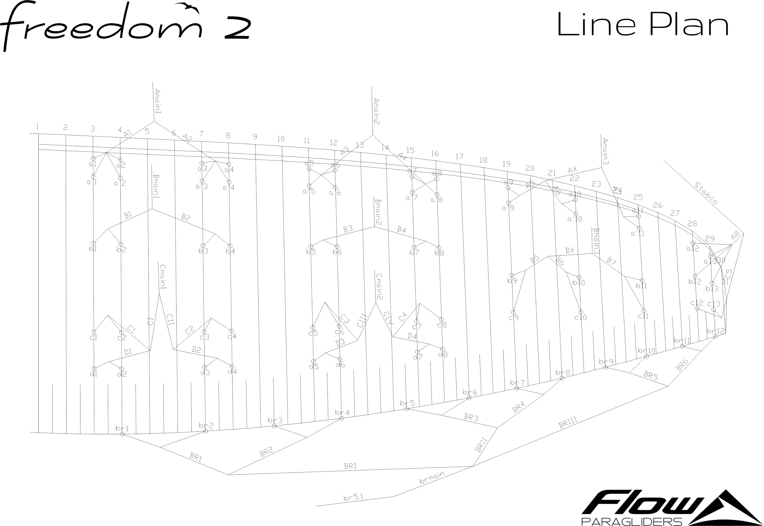
 |  | C | X | X | X | X | X | X | DL | 15

