Sheet1
 | A |  |  |  |  |  | A` |  |  |  |  |  | B |  |  |  |  |  | C |  |  |  |  |  | D |  |  |  |  |  | BRAKES |  |  |  |  |  | A | A' | B | C | D | BRAKES
 | factory | LEFT | RIGHT | left | right | symet | factory | LEFT | RIGHT | left | right | symet. | factory | LEFT | RIGHT | left | dir. | symet | factory | LEFT | RIGHT | left | dir. | symet | factory | LEFT | RIGHT | left. | right | symet | factory | LEFT | RIGHT | left. | right | symet
1 | 6946 |  |  | -6946 | -6946 | 0 | 6886 |  |  | -6886 | -6886 | 0 | 6816 |  |  | -6816 | -6816 | 0 | 6906 |  |  | -6906 | -6906 | 0 | 7008 |  |  | -7008 | -7008 | 0 | 7011 |  |  | -7011 | -7011 | 0 | 6946 | 6886 | 6816 | 6906 | 7008 | 7011 | 7434.65
2 | 6919 |  |  | -6919 | -6919 | 0 | 6854 |  |  | -6854 | -6854 | 0 | 6788 |  |  | -6788 | -6788 | 0 | 6870 |  |  | -6870 | -6870 | 0 | 6972 |  |  | -6972 | -6972 | 0 | 6844 |  |  | -6844 | -6844 | 0 | 6919 | 6854 | 6788 | 6870 | 6972 | 6844 | 7398.6
3 | 6880 |  |  | -6880 | -6880 | 0 | 6816 |  |  | -6816 | -6816 | 0 | 6752 |  |  | -6752 | -6752 | 0 | 6826 |  |  | -6826 | -6826 | 0 | 6923 |  |  | -6923 | -6923 | 0 | 6675 |  |  | -6675 | -6675 | 0 | 6880 | 6816 | 6752 | 6826 | 6923 | 6675 | 7346.35
4 | 6895 |  |  | -6895 | -6895 | 0 | 6835 |  |  | -6835 | -6835 | 0 | 6771 |  |  | -6771 | -6771 | 0 | 6845 |  |  | -6845 | -6845 | 0 | 6934 |  |  | -6934 | -6934 | 0 | 6742 |  |  | -6742 | -6742 | 0 | 6895 | 6835 | 6771 | 6845 | 6934 | 6742 | 7369.4
5 | 6829 |  |  | -6829 | -6829 | 0 | 6774 |  |  | -6774 | -6774 | 0 | 6703 |  |  | -6703 | -6703 | 0 | 6772 |  |  | -6772 | -6772 | 0 | 6864 |  |  | -6864 | -6864 | 0 | 6508 |  |  | -6508 | -6508 | 0 | 6829 | 6774 | 6703 | 6772 | 6864 | 6508 | 7290.15
6 | 6785 |  |  | -6785 | -6785 | 0 | 6724 |  |  | -6724 | -6724 | 0 | 6658 |  |  | -6658 | -6658 | 0 | 6720 |  |  | -6720 | -6720 | 0 | 6809 |  |  | -6809 | -6809 | 0 | 6409 |  |  | -6409 | -6409 | 0 | 6785 | 6724 | 6658 | 6720 | 6809 | 6409 | 7235
7 | 6713 |  |  | -6713 | -6713 | 0 | 6656 |  |  | -6656 | -6656 | 0 | 6596 |  |  | -6596 | -6596 | 0 | 6646 |  |  | -6646 | -6646 | 0 | 6730 |  |  | -6730 | -6730 | 0 | 6331 |  |  | -6331 | -6331 | 0 | 6713 | 6656 | 6596 | 6646 | 6730 | 6331 | 7151.9
8 | 6714 |  |  | -6714 | -6714 | 0 | 6668 |  |  | -6668 | -6668 | 0 | 6604 |  |  | -6604 | -6604 | 0 | 6647 |  |  | -6647 | -6647 | 0 | 6710 |  |  | -6710 | -6710 | 0 | 6388 |  |  | -6388 | -6388 | 0 | 6714 | 6668 | 6604 | 6647 | 6710 | 6388 | 7153.3
9 | 6601 |  |  | -6601 | -6601 | 0 | 6550 |  |  | -6550 | -6550 | 0 | 6505 |  |  | -6505 | -6505 | 0 | 6598 |  |  | -6598 | -6598 | 0 |  |  |  |  |  |  | 6266 |  |  | -6266 | -6266 | 0 | 6601 | 6550 | 6505 | 6598 |  | 6266 | 7109.6
10 | 6429 |  |  | -6429 | -6429 | 0 | 6410 |  |  | -6410 | -6410 | 0 | 6352 |  |  | -6352 | -6352 | 0 | 6450 |  |  | -6450 | -6450 | 0 |  |  |  |  |  |  | 6217 |  |  | -6217 | -6217 | 0 | 6429 | 6410 | 6352 | 6450 |  | 6217 | 6959.85
11 | 6337 |  |  | -6337 | -6337 | 0 | 6303 |  |  | -6303 | -6303 | 0 | 6292 |  |  | -6292 | -6292 | 0 | 6366 |  |  | -6366 | -6366 | 0 |  |  |  |  |  |  | 6202 |  |  | -6202 | -6202 | 0 | 6337 | 6303 | 6292 | 6366 |  | 6202 | 6867.65
12 | 6123 |  |  | -6123 | -6123 | 0 |  |  |  |  |  |  | 6168 |  |  | -6168 | -6168 | 0 | 6296 |  |  | -6296 | -6296 | 0 |  |  |  |  |  |  | 6286 |  |  | -6286 | -6286 | 0 | 6123 |  | 6168 | 6296 |  | 6286 | 6779.9
13 | 6094 |  |  | -6094 | -6094 | 0 |  |  |  |  |  |  | 6183 |  |  | -6183 | -6183 | 0 | 6285 |  |  | -6285 | -6285 | 0 |  |  |  |  |  |  |  |  |  |  |  |  | 6094 |  | 6183 | 6285 |  |  | 6762.7

 |  |  | RIGHT |  |  |  | LEFT |  |  |  |  | OFFSET
 |  | A | X | X | X | X | X | X | AS+ | 30
 |  | B | X | X | X | X | X | X | AS | 22
 |  | C | X | X | X | X | X | X | DL | 15
 |  |  |  |  |  |  |  |  |  |  |  |  |  |  |  |  |  | TRIM LEFT SIDE |  |  | TRIM RIGHT SIDE
 |  |  |  |  |  |  |  |  |  |  |  |  |  |  |  | SECTION |  | 3 | 2 | 1 | 1 | 2 | 3
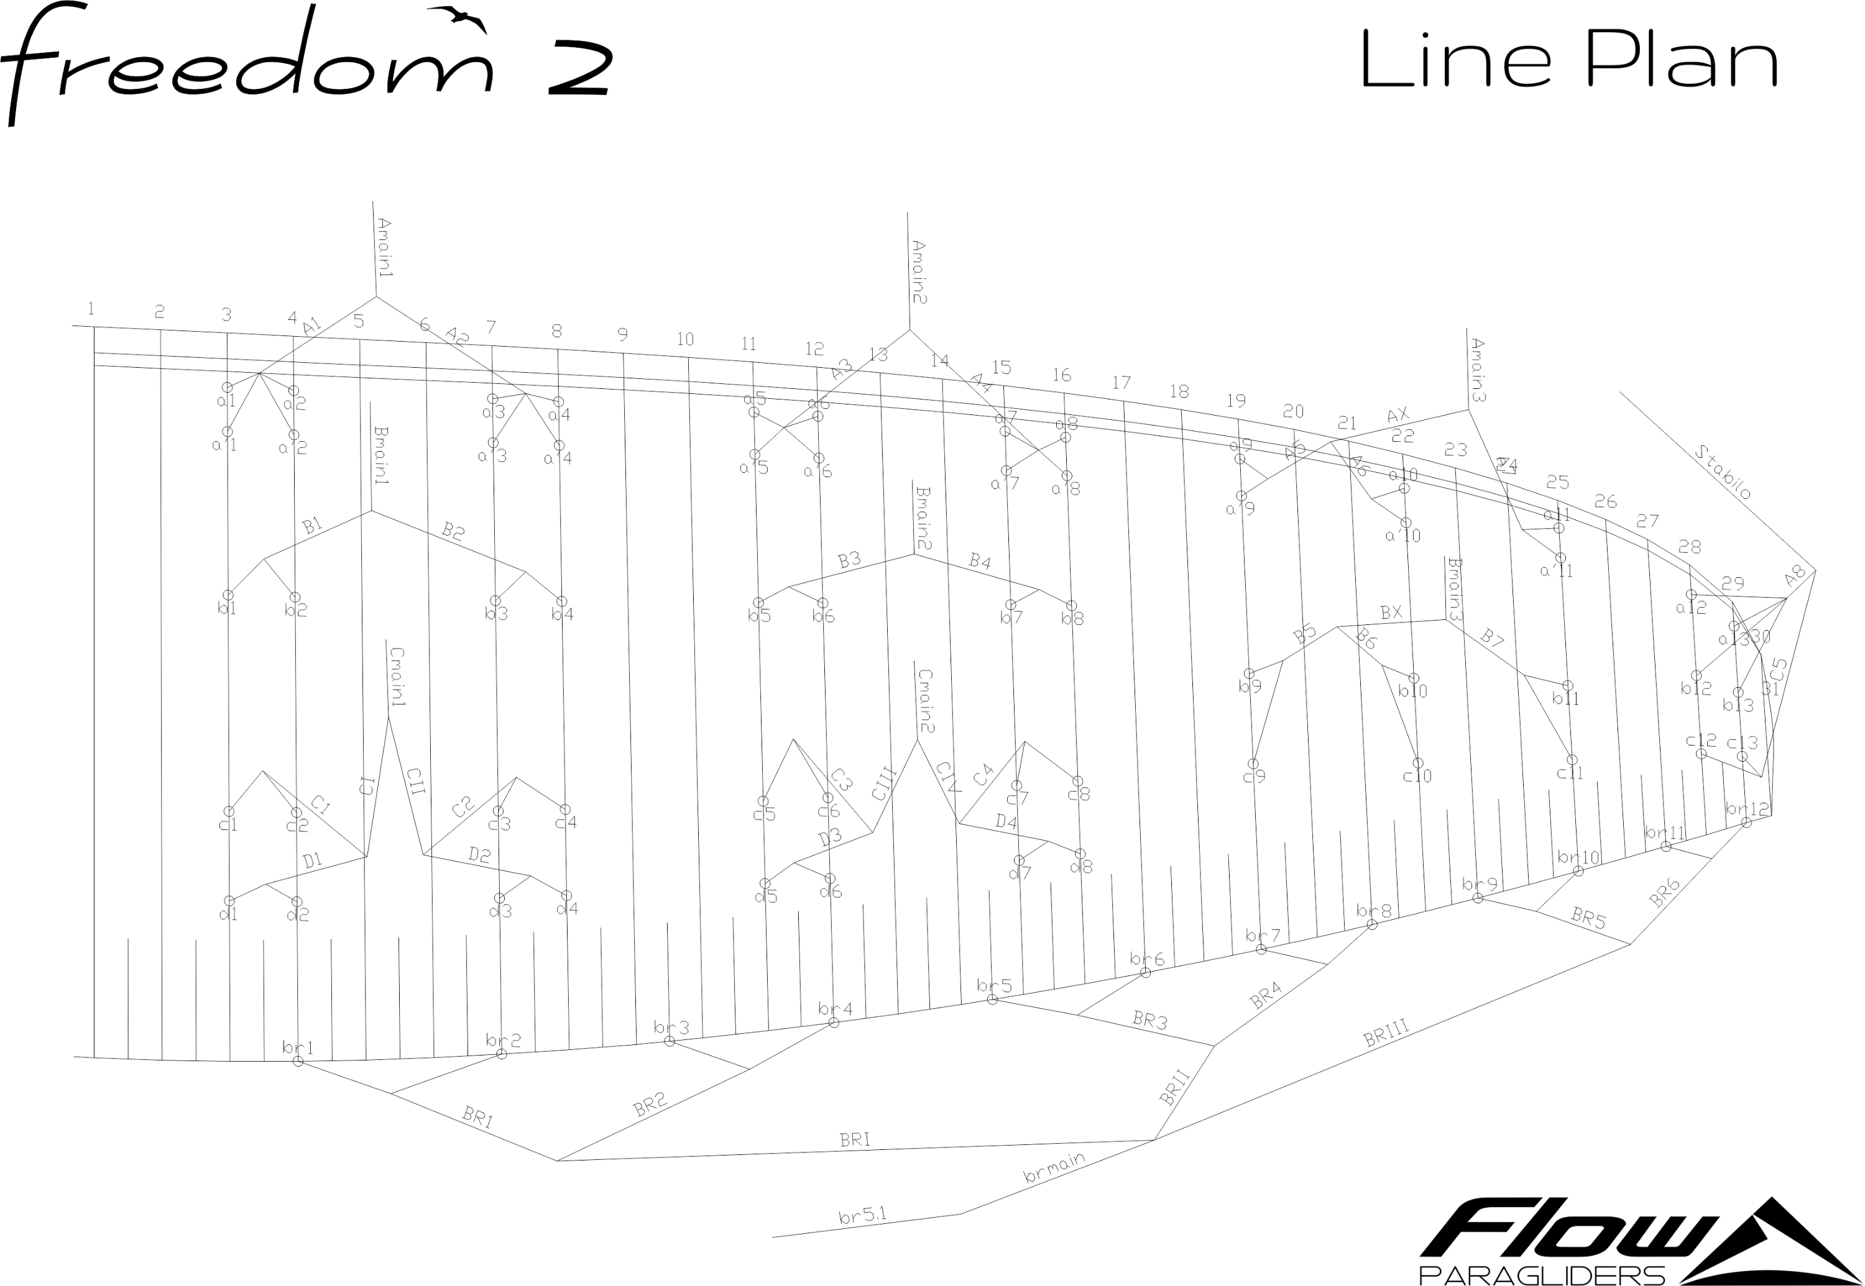
 |  |  |  |  |  |  |  |  |  |  |  |  |  |  |  | A average |  | 0.0 | 0.0 | 0.0 | 0.0 | 0.0 | 0.0
 |  |  |  |  |  |  |  |  |  |  |  |  |  |  |  | B average |  | 0.0 | 0.0 | 0.0 | 0.0 | 0.0 | 0.0
 |  |  |  |  |  |  |  |  |  |  |  |  |  |  |  | FINAL TRIM |  | 0.0 | 0.0 | 0.0 | 0.0 | 0.0 | 0.0

 |  |  |  |  |  |  |  |  |  |  |  |  |  |  |  |  |  |  |  |  |  |  |  |  |  |  |  |  |  |  |  |  |  |  |  |  |  |  |  |  | 20

