XS
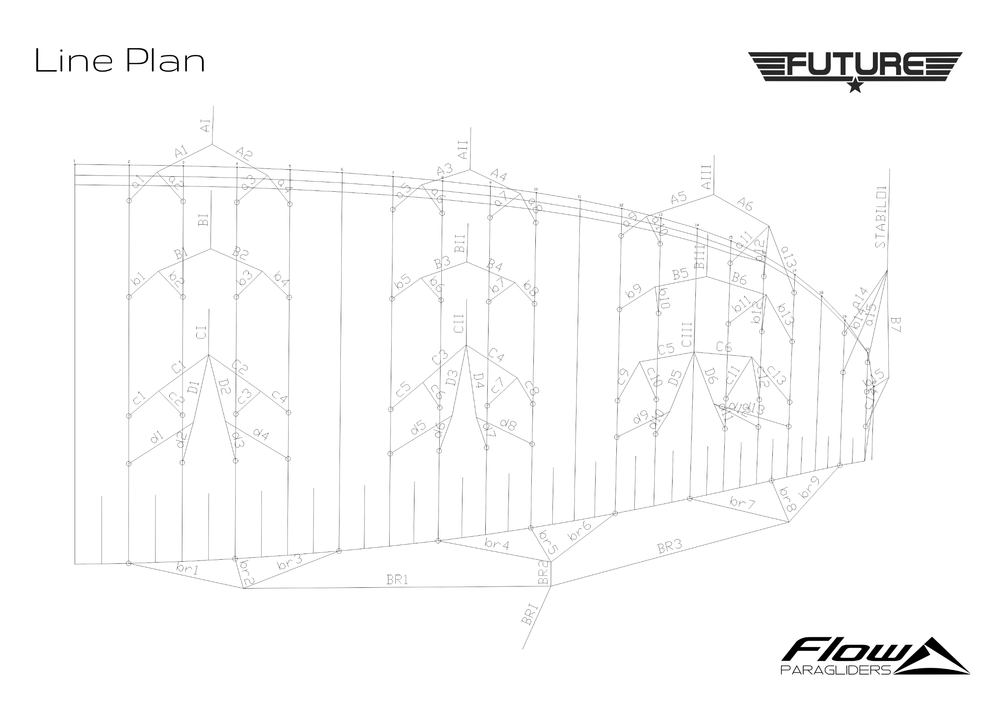
Bridle Table FUTURE XS

Name | Length | Colour | Manufacturer | Name | Length | Colour | Manufacturer | Name | Length | Colour | Manufacturer | Name | Length | Colour | Manufacturer | Name | Length | Colour | Manufacturer

a1 | 416 | Red | PPSLS 65 | b1 | 410 | Blue | PPSLS 65 | c1 | 416 | Cyan | PPSLS 65 | d1 | 429 | Green | PPSLS 65 | br1 | 1608 | Yellow | PPSLS 65
a2 | 392 | Red | PPSLS 65 | b2 | 386 | Blue | PPSLS 65 | c2 | 388 | Cyan | PPSLS 65 | d2 | 401 | Green | PPSLS 65 | br2 | 1216 | Yellow | PPSLS 65
a3 | 394 | Red | PPSLS 65 | b3 | 387 | Blue | PPSLS 65 | c3 | 393 | Cyan | PPSLS 65 | d3 | 408 | Green | PPSLS 65 | br3 | 1193 | Yellow | PPSLS 65
a4 | 409 | Red | PPSLS 65 | b4 | 404 | Blue | PPSLS 65 | c4 | 405 | Cyan | PPSLS 65 | d4 | 416 | Green | PPSLS 65 | br4 | 1106 | Yellow | PPSLS 65
a5 | 397 | Red | PPSLS 65 | b5 | 390 | Blue | PPSLS 65 | c5 | 396 | Cyan | PPSLS 65 | d5 | 410 | Green | PPSLS 65 | br5 | 981 | Yellow | PPSLS 65
a6 | 394 | Red | PPSLS 65 | b6 | 390 | Blue | PPSLS 65 | c6 | 390 | Cyan | PPSLS 65 | d6 | 398 | Green | PPSLS 65 | br6 | 1127 | Yellow | PPSLS 65
a7 | 384 | Red | PPSLS 65 | b7 | 377 | Blue | PPSLS 65 | c7 | 381 | Cyan | PPSLS 65 | d7 | 395 | Green | PPSLS 65 | br7 | 1079 | Yellow | PPSLS 65
a8 | 400 | Red | PPSLS 65 | b8 | 396 | Blue | PPSLS 65 | c8 | 395 | Cyan | PPSLS 65 | d8 | 402 | Green | PPSLS 65 | br8 | 991 | Yellow | PPSLS 65
a9 | 455 | Red | PPSLS 65 | b9 | 444 | Blue | PPSLS 65 | c9 | 451 | Cyan | PPSLS 65 | d9 | 462 | Green | PPSLS 65 | br9 | 1067 | Yellow | PPSLS 65
a10 | 404 | Red | PPSLS 65 | b10 | 399 | Blue | PPSLS 65 | c10 | 400 | Cyan | PPSLS 65 | d10 | 406 | Green | PPSLS 65
a11 | 798 | Red | PPSLS 65 | b11 | 784 | Blue | PPSLS 65 | c11 | 793 | Cyan | PPSLS 65 | d11 | 814 | Green | PPSLS 65
a12 | 746 | Red | PPSLS 65 | b12 | 742 | Blue | PPSLS 65 | c12 | 744 | Cyan | PPSLS 65 | d12 | 757 | Green | PPSLS 65
a13 | 739 | Red | PPSLS 65 | b13 | 737 | Blue | PPSLS 65 | c13 | 729 | Cyan | PPSLS 65 | d13 | 736 | Green | PPSLS 65
a14 | 779 | Red | PPSLS 65 | b14 | 719 | Blue | PPSLS 65 | c14 | 456 | Cyan | PPSLS 65
a15 | 637 | Red | PPSLS 65 | b15 | 358 | Blue | PPSLS 65

A1 | 1668 | Red | PPSLS 125 | B1 | 1640 | Blue | PPSLS 125 | C1 | 1659 | Cyan | PPSLS 125 | D1 | 1723 | Green | PPSLS 125 | BR1 | 2757 | Yellow | PPSLS 65
A2 | 1657 | Red | PPSLS 125 | B2 | 1630 | Blue | PPSLS 125 | C2 | 1643 | Cyan | PPSLS 125 | D2 | 1703 | Green | PPSLS 125 | BR2 | 2722 | Yellow | PPSLS 65
A3 | 1653 | Red | PPSLS 125 | B3 | 1625 | Blue | PPSLS 125 | C3 | 1640 | Cyan | PPSLS 125 | D3 | 1695 | Green | PPSLS 125 | BR3 | 2664 | Yellow | PPSLS 65
A4 | 1654 | Red | PPSLS 125 | B4 | 1631 | Blue | PPSLS 125 | C4 | 1636 | Cyan | PPSLS 125 | D4 | 1680 | Green | PPSLS 125
A5 | 1645 | Red | PPSLS 125 | B5 | 1616 | Blue | PPSLS 125 | C5 | 1630 | Cyan | PPSLS 125 | D5 | 1665 | Green | PPSLS 125
A6 | 1162 | Red | PPSLS 125 | B6 | 1155 | Blue | PPSLS 125 | C6 | 1153 | Cyan | PPSLS 125 | D6 | 1168 | Green | PPSLS 125
 |  |  |  | B7 | 300 | Blue | PPSLS 125
AI | 4231 | Red | PPSL 275
AII | 4223 | Red | PPSL 275 | BI | 4160 | Blue | PPSLS 180 | CI | 4209 | Cyan | PPSLS 180 |  |  |  |  | BRI | 2773 | Yellow | DFLP 200/35
AIII | 4137 | Red | PPSLS 180 | BII | 4156 | Blue | PPSLS 180 | CII | 4190 | Cyan | PPSLS 125
 |  |  |  | BIII | 4090 | Blue | PPSLS 125 | CIII | 4101 | Cyan | PPSLS 125

 |  |  |  | STABILO1 | 5024 | Orange | PPSLS 125

