Spreadsheet 01
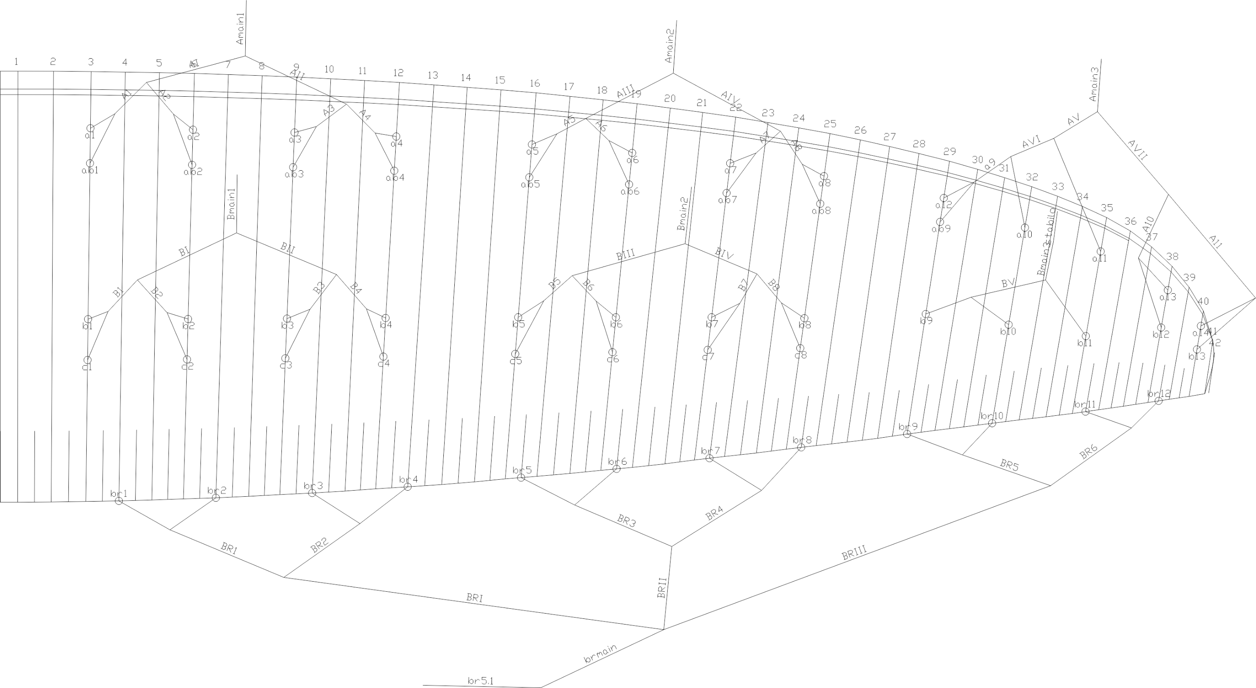
 | A |  |  |  |  |  | A' |  |  |  |  |  | B |  |  |  |  |  | C |  |  |  |  |  | brake |  |  |  |  |  | A | A, | B | C
 | factory | LEFT | RIGHT | left | right | symet | factory | LEFT | RIGHT | left | right | symet. | factory | LEFT | RIGHT | left | dir. | symet | factory | LEFT | RIGHT | left. | right | symet | factory | LEFT | RIGHT | left. | right | symet
1 | 7478 |  |  | -7478 | -7478 | 0 | 7438 |  |  | -7438 | -7438 | 0 | 7482 |  |  | -7482 | -7482 | 0 | 7575 |  |  | -7575 | -7575 | 0 | 7739 |  |  | -7739 | -7739 | 0 | 7478 | 7438 | 7482 | 7575 | 7649
2 | 7369 |  |  | -7369 | -7369 | 0 | 7328 |  |  | -7328 | -7328 | 0 | 7352 |  |  | -7352 | -7352 | 0 | 7440 |  |  | -7440 | -7440 | 0 | 7529 |  |  | -7529 | -7529 | 0 | 7369 | 7328 | 7352 | 7440 | 7442
3 | 7342 |  |  | -7342 | -7342 | 0 | 7301 |  |  | -7301 | -7301 | 0 | 7296 |  |  | -7296 | -7296 | 0 | 7389 |  |  | -7389 | -7389 | 0 | 7404 |  |  | -7404 | -7404 | 0 | 7342 | 7301 | 7296 | 7389 | 7322
4 | 7403 |  |  | -7403 | -7403 | 0 | 7364 |  |  | -7364 | -7364 | 0 | 7327 |  |  | -7327 | -7327 | 0 | 7413 |  |  | -7413 | -7413 | 0 | 7395 |  |  | -7395 | -7395 | 0 | 7403 | 7364 | 7327 | 7413 | 7311
5 | 7308 |  |  | -7308 | -7308 | 0 | 7282 |  |  | -7282 | -7282 | 0 | 7298 |  |  | -7298 | -7298 | 0 | 7383 |  |  | -7383 | -7383 | 0 | 7179 |  |  | -7179 | -7179 | 0 | 7308 | 7282 | 7298 | 7383 | 7099
6 | 7161 |  |  | -7161 | -7161 | 0 | 7134 |  |  | -7134 | -7134 | 0 | 7165 |  |  | -7165 | -7165 | 0 | 7244 |  |  | -7244 | -7244 | 0 | 7085 |  |  | -7085 | -7085 | 0 | 7161 | 7134 | 7165 | 7244 | 7011
7 | 7089 |  |  | -7089 | -7089 | 0 | 7071 |  |  | -7071 | -7071 | 0 | 7108 |  |  | -7108 | -7108 | 0 | 7180 |  |  | -7180 | -7180 | 0 | 7015 |  |  | -7015 | -7015 | 0 | 7089 | 7071 | 7108 | 7180 | 6937
8 | 7115 |  |  | -7115 | -7115 | 0 | 7097 |  |  | -7097 | -7097 | 0 | 7132 |  |  | -7132 | -7132 | 0 | 7189 |  |  | -7189 | -7189 | 0 | 7108 |  |  | -7108 | -7108 | 0 | 7115 | 7097 | 7132 | 7189 | 7036
9 | 6881 |  |  | -6881 | -6881 | 0 | 6865 |  |  | -6865 | -6865 | 0 | 6913 |  |  | -6913 | -6913 | 0 |  |  |  |  |  |  | 6950 |  |  | -6950 | -6950 | 0 | 6881 | 6865 | 6913 |  | 6879
10 | 6806 |  |  | -6806 | -6806 | 0 |  |  |  |  |  |  | 6824 |  |  | -6824 | -6824 | 0 |  |  |  |  |  |  | 6909 |  |  | -6909 | -6909 | 0 | 6806 |  | 6824 |  | 6837
11 | 6772 |  |  | -6772 | -6772 | 0 |  |  |  |  |  |  | 6788 |  |  | -6788 | -6788 | 0 |  |  |  |  |  |  | 6869 |  |  | -6869 | -6869 | 0 | 6772 |  | 6788 |  | 6795
12 | 6685 |  |  | -6685 | -6685 | 0 |  |  |  |  |  |  | 6738 |  |  | -6738 | -6738 | 0 |  |  |  |  |  |  | 6976 |  |  | -6976 | -6976 | 0 | 6685 |  | 6738 |  | 6908
13 | 6729 |  |  | -6729 | -6729 | 0 |  |  |  |  |  |  | 6790 |  |  | -6790 | -6790 | 0 |  |  |  |  |  |  |  |  |  |  |  |  | 6729 |  | 6790

 |  |  |  |  |  |  |  |  |  |  |  | Offset |  |  |  |  |  | TRIM LEFT SIDE |  |  | TRIM RIGHT SIDE |  |  |  | * BRAKES ARE MEASURED FROM KNOT ON BRAKE HANDLE TO TRAILING EDGE
 |  |  |  |  |  |  |  |  |  |  |  |  |  |  |  | SECTION |  | 3 | 2 | 1 | 1 | 2 | 3
 |  |  |  |  |  |  |  |  |  |  |  |  |  |  |  | A average |  | -6819.7 | -7168.2 | -7398.0 | -7398.0 | -7168.2 | -6819.7
 |  |  |  |  |  |  |  |  |  |  |  |  |  |  |  | B average |  | -6841.7 | -7175.6 | -7364.1 | -7364.1 | -7175.6 | -6841.7
 |  |  |  |  |  |  |  |  |  |  |  |  |  |  |  | FINAL TRIM |  | 22.0 | 7.5 | -33.9 | -33.9 | 7.5 | 22.0

 | Line plan

