Spreadsheet 01
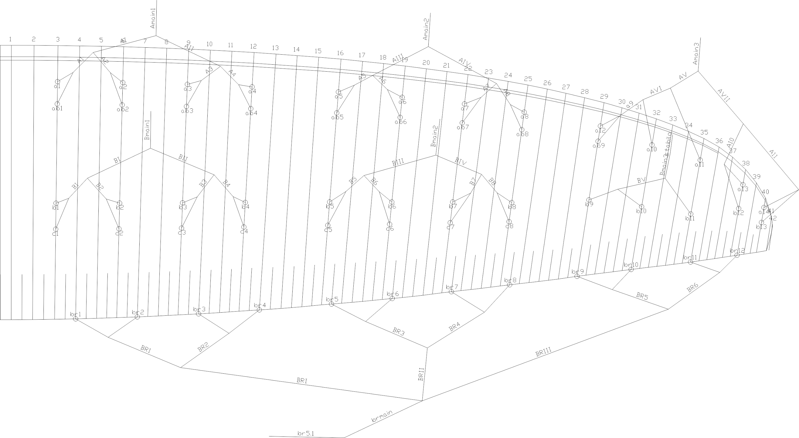
 | A |  |  |  |  |  | A' |  |  |  |  |  | B |  |  |  |  |  | C |  |  |  |  |  | brake |  |  |  |  |  | A | A, | B | C
 | factory | LEFT | RIGHT | left | right | symet | factory | LEFT | RIGHT | left | right | symet. | factory | LEFT | RIGHT | left | dir. | symet | factory | LEFT | RIGHT | left. | right | symet | factory | LEFT | RIGHT | left. | right | symet
1 | 7655 |  |  | -7655 | -7655 | 0 | 7618 |  |  | -7618 | -7618 | 0 | 7660 |  |  | -7660 | -7660 | 0 | 7753 |  |  | -7753 | -7753 | 0 | 7794 |  |  | -7794 | -7794 | 0 | 7655 | 7618 | 7660 | 7753 | 7794
2 | 7543 |  |  | -7543 | -7543 | 0 | 7507 |  |  | -7507 | -7507 | 0 | 7527 |  |  | -7527 | -7527 | 0 | 7623 |  |  | -7623 | -7623 | 0 | 7582 |  |  | -7582 | -7582 | 0 | 7543 | 7507 | 7527 | 7623 | 7582
3 | 7516 |  |  | -7516 | -7516 | 0 | 7481 |  |  | -7481 | -7481 | 0 | 7471 |  |  | -7471 | -7471 | 0 | 7567 |  |  | -7567 | -7567 | 0 | 7456 |  |  | -7456 | -7456 | 0 | 7516 | 7481 | 7471 | 7567 | 7456
4 | 7577 |  |  | -7577 | -7577 | 0 | 7545 |  |  | -7545 | -7545 | 0 | 7505 |  |  | -7505 | -7505 | 0 | 7591 |  |  | -7591 | -7591 | 0 | 7459 |  |  | -7459 | -7459 | 0 | 7577 | 7545 | 7505 | 7591 | 7459
5 | 7480 |  |  | -7480 | -7480 | 0 | 7458 |  |  | -7458 | -7458 | 0 | 7475 |  |  | -7475 | -7475 | 0 | 7568 |  |  | -7568 | -7568 | 0 | 7240 |  |  | -7240 | -7240 | 0 | 7480 | 7458 | 7475 | 7568 | 7240
6 | 7334 |  |  | -7334 | -7334 | 0 | 7311 |  |  | -7311 | -7311 | 0 | 7337 |  |  | -7337 | -7337 | 0 | 7425 |  |  | -7425 | -7425 | 0 | 7147 |  |  | -7147 | -7147 | 0 | 7334 | 7311 | 7337 | 7425 | 7147
7 | 7266 |  |  | -7266 | -7266 | 0 | 7245 |  |  | -7245 | -7245 | 0 | 7278 |  |  | -7278 | -7278 | 0 | 7359 |  |  | -7359 | -7359 | 0 | 7062 |  |  | -7062 | -7062 | 0 | 7266 | 7245 | 7278 | 7359 | 7062
8 | 7296 |  |  | -7296 | -7296 | 0 | 7279 |  |  | -7279 | -7279 | 0 | 7303 |  |  | -7303 | -7303 | 0 | 7366 |  |  | -7366 | -7366 | 0 | 7186 |  |  | -7186 | -7186 | 0 | 7296 | 7279 | 7303 | 7366 | 7186
9 | 7061 |  |  | -7061 | -7061 | 0 | 7045 |  |  | -7045 | -7045 | 0 | 7086 |  |  | -7086 | -7086 | 0 |  |  |  |  |  |  | 7003 |  |  | -7003 | -7003 | 0 | 7061 | 7045 | 7086 |  | 7003
10 | 6983 |  |  | -6983 | -6983 | 0 |  |  |  |  |  |  | 6995 |  |  | -6995 | -6995 | 0 |  |  |  |  |  |  | 6966 |  |  | -6966 | -6966 | 0 | 6983 |  | 6995 |  | 6966
11 | 6956 |  |  | -6956 | -6956 | 0 |  |  |  |  |  |  | 6960 |  |  | -6960 | -6960 | 0 |  |  |  |  |  |  | 6919 |  |  | -6919 | -6919 | 0 | 6956 |  | 6960 |  | 6919
12 | 6871 |  |  | -6871 | -6871 | 0 |  |  |  |  |  |  | 6916 |  |  | -6916 | -6916 | 0 |  |  |  |  |  |  | 7041 |  |  | -7041 | -7041 | 0 | 6871 |  | 6916 |  | 7041
13 | 6914 |  |  | -6914 | -6914 | 0 |  |  |  |  |  |  | 6971 |  |  | -6971 | -6971 | 0 |  |  |  |  |  |  |  |  |  |  |  |  | 6914 |  | 6971

 |  |  |  |  |  |  |  |  |  |  |  | Offset |  |  |  |  |  | TRIM LEFT SIDE |  |  | TRIM RIGHT SIDE |  |  |  | * BRAKES ARE MEASURED FROM KNOT ON BRAKE HANDLE TO TRAILING EDGE
 |  |  |  |  |  |  |  |  |  |  |  |  |  |  |  | SECTION |  | 3 | 2 | 1 | 1 | 2 | 3
 |  |  |  |  |  |  |  |  |  |  |  |  |  |  |  | A average |  | -6999.8 | -7343.8 | -7572.5 | -7572.5 | -7343.8 | -6999.8
 |  |  |  |  |  |  |  |  |  |  |  |  |  |  |  | B average |  | -7013.8 | -7348.3 | -7540.8 | -7540.8 | -7348.3 | -7013.8
 |  |  |  |  |  |  |  |  |  |  |  |  |  |  |  | FINAL TRIM |  | 14.0 | 4.5 | -31.8 | -31.8 | 4.5 | 14.0

 | Line plan

