Spreadsheet 01
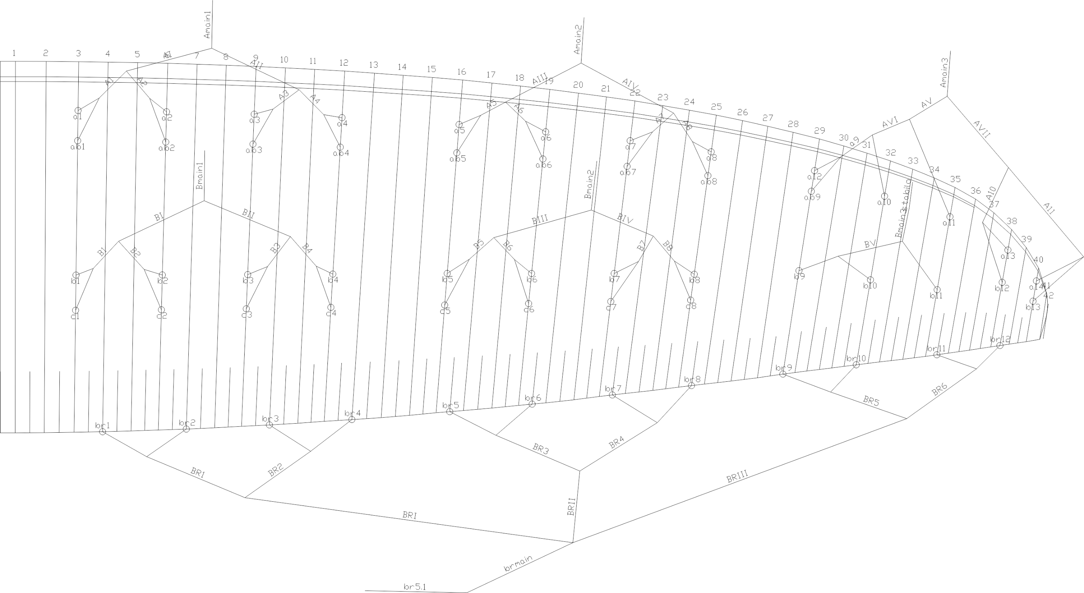
 | A |  |  |  |  |  | A' |  |  |  |  |  | B |  |  |  |  |  | C |  |  |  |  |  | brake |  |  |  |  |  | A | A, | B | C
 | factory | LEFT | RIGHT | left | right | symet | factory | LEFT | RIGHT | left | right | symet. | factory | LEFT | RIGHT | left | dir. | symet | factory | LEFT | RIGHT | left. | right | symet | factory | LEFT | RIGHT | left. | right | symet
1 | 7159 |  |  | -7159 | -7159 | 0 | 7130 |  |  | -7130 | -7130 | 0 | 7169 |  |  | -7169 | -7169 | 0 | 7269 |  |  | -7269 | -7269 | 0 | 7589 |  |  | -7589 | -7589 | 0 | 7159 | 7130 | 7169 | 7269 | 7261
2 | 7054 |  |  | -7054 | -7054 | 0 | 7017 |  |  | -7017 | -7017 | 0 | 7050 |  |  | -7050 | -7050 | 0 | 7146 |  |  | -7146 | -7146 | 0 | 7382 |  |  | -7382 | -7382 | 0 | 7054 | 7017 | 7050 | 7146 | 7060
3 | 7029 |  |  | -7029 | -7029 | 0 | 6994 |  |  | -6994 | -6994 | 0 | 6996 |  |  | -6996 | -6996 | 0 | 7096 |  |  | -7096 | -7096 | 0 | 7262 |  |  | -7262 | -7262 | 0 | 7029 | 6994 | 6996 | 7096 | 6937
4 | 7088 |  |  | -7088 | -7088 | 0 | 7057 |  |  | -7057 | -7057 | 0 | 7017 |  |  | -7017 | -7017 | 0 | 7108 |  |  | -7108 | -7108 | 0 | 7251 |  |  | -7251 | -7251 | 0 | 7088 | 7057 | 7017 | 7108 | 6920
5 | 7003 |  |  | -7003 | -7003 | 0 | 6977 |  |  | -6977 | -6977 | 0 | 6986 |  |  | -6986 | -6986 | 0 | 7079 |  |  | -7079 | -7079 | 0 | 7039 |  |  | -7039 | -7039 | 0 | 7003 | 6977 | 6986 | 7079 | 6720
6 | 6858 |  |  | -6858 | -6858 | 0 | 6830 |  |  | -6830 | -6830 | 0 | 6856 |  |  | -6856 | -6856 | 0 | 6940 |  |  | -6940 | -6940 | 0 | 6951 |  |  | -6951 | -6951 | 0 | 6858 | 6830 | 6856 | 6940 | 6624
7 | 6794 |  |  | -6794 | -6794 | 0 | 6773 |  |  | -6773 | -6773 | 0 | 6801 |  |  | -6801 | -6801 | 0 | 6878 |  |  | -6878 | -6878 | 0 | 6877 |  |  | -6877 | -6877 | 0 | 6794 | 6773 | 6801 | 6878 | 6567
8 | 6824 |  |  | -6824 | -6824 | 0 | 6808 |  |  | -6808 | -6808 | 0 | 6826 |  |  | -6826 | -6826 | 0 | 6890 |  |  | -6890 | -6890 | 0 | 6976 |  |  | -6976 | -6976 | 0 | 6824 | 6808 | 6826 | 6890 | 6662
9 | 6593 |  |  | -6593 | -6593 | 0 | 6576 |  |  | -6576 | -6576 | 0 | 6629 |  |  | -6629 | -6629 | 0 |  |  |  |  |  |  | 6819 |  |  | -6819 | -6819 | 0 | 6593 | 6576 | 6629 |  | 6508
10 | 6525 |  |  | -6525 | -6525 | 0 |  |  |  |  |  |  | 6542 |  |  | -6542 | -6542 | 0 |  |  |  |  |  |  | 6777 |  |  | -6777 | -6777 | 0 | 6525 |  | 6542 |  | 6461
11 | 6503 |  |  | -6503 | -6503 | 0 |  |  |  |  |  |  | 6512 |  |  | -6512 | -6512 | 0 |  |  |  |  |  |  | 6735 |  |  | -6735 | -6735 | 0 | 6503 |  | 6512 |  | 6420
12 | 6433 |  |  | -6433 | -6433 | 0 |  |  |  |  |  |  | 6480 |  |  | -6480 | -6480 | 0 |  |  |  |  |  |  | 6848 |  |  | -6848 | -6848 | 0 | 6433 |  | 6480 |  | 6520
13 | 6485 |  |  | -6485 | -6485 | 0 |  |  |  |  |  |  | 6544 |  |  | -6544 | -6544 | 0 |  |  |  |  |  |  |  |  |  |  |  |  | 6485 |  | 6544

 |  |  |  |  |  |  |  |  |  |  |  | Offset |  |  |  |  |  | TRIM LEFT SIDE |  |  | TRIM RIGHT SIDE |  |  |  | * BRAKES ARE MEASURED FROM KNOT ON BRAKE HANDLE TO TRAILING EDGE
 |  |  |  |  |  |  |  |  |  |  |  | 0 |  |  |  | SECTION |  | 3 | 2 | 1 | 1 | 2 | 3
 |  |  |  |  |  |  |  |  |  |  |  |  |  |  |  | A average |  | -6540.5 | -6869.5 | -7082.5 | -7082.5 | -6869.5 | -6540.5
 |  |  |  |  |  |  |  |  |  |  |  |  |  |  |  | B average |  | -6560.9 | -6867.2 | -7057.9 | -7057.9 | -6867.2 | -6560.9
 |  |  |  |  |  |  |  |  |  |  |  |  |  |  |  | FINAL TRIM |  | 20.4 | -2.2 | -24.7 | -24.7 | -2.2 | 20.4

 |  |  |  |  |  |  |  |  |  |  |  |  |  |  |  |  |  |  |  |  |  |  |  |  |  |  |  |  |  |  |  |  |  | 10

 | Line plan

