Sheet1
 | A |  |  |  |  |  | A` |  |  |  |  |  | B |  |  |  |  |  | C |  |  |  |  |  | D |  |  |  |  |  | BRAKES |  |  |  |  |  | A | A' | B | C | D | BRAKES
 | factory | LEFT | RIGHT | left | right | symet | factory | LEFT | RIGHT | left | right | symet. | factory | LEFT | RIGHT | left | dir. | symet | factory | LEFT | RIGHT | left | dir. | symet | factory | LEFT | RIGHT | left. | right | symet | factory | LEFT | RIGHT | left. | right | symet
1 | 7523 |  |  | -7523 | -7523 | 0 | 7483 |  |  | -7483 | -7483 | 0 | 7384 |  |  | -7384 | -7384 | 0 | 7465 |  |  | -7465 | -7465 | 0 | 7568 |  |  | -7568 | -7568 | 0 | 7647 |  |  | -7647 | -7647 | 0 | 7523 | 7483 | 7384 | 7465 | 7568 | 7677 | 7434.65
2 | 7483 |  |  | -7483 | -7483 | 0 | 7438 |  |  | -7438 | -7438 | 0 | 7356 |  |  | -7356 | -7356 | 0 | 7429 |  |  | -7429 | -7429 | 0 | 7530 |  |  | -7530 | -7530 | 0 | 7405 |  |  | -7405 | -7405 | 0 | 7483 | 7438 | 7356 | 7429 | 7530 | 7435 | 7398.6
3 | 7443 |  |  | -7443 | -7443 | 0 | 7398 |  |  | -7398 | -7398 | 0 | 7309 |  |  | -7309 | -7309 | 0 | 7376 |  |  | -7376 | -7376 | 0 | 7477 |  |  | -7477 | -7477 | 0 | 7230 |  |  | -7230 | -7230 | 0 | 7443 | 7398 | 7309 | 7376 | 7477 | 7260 | 7346.35
4 | 7463 |  |  | -7463 | -7463 | 0 | 7418 |  |  | -7418 | -7418 | 0 | 7334 |  |  | -7334 | -7334 | 0 | 7399 |  |  | -7399 | -7399 | 0 | 7489 |  |  | -7489 | -7489 | 0 | 7270 |  |  | -7270 | -7270 | 0 | 7463 | 7418 | 7334 | 7399 | 7489 | 7300 | 7369.4
5 | 7378 |  |  | -7378 | -7378 | 0 | 7338 |  |  | -7338 | -7338 | 0 | 7242 |  |  | -7242 | -7242 | 0 | 7320 |  |  | -7320 | -7320 | 0 | 7418 |  |  | -7418 | -7418 | 0 | 7032 |  |  | -7032 | -7032 | 0 | 7378 | 7338 | 7242 | 7320 | 7418 | 7062 | 7290.15
6 | 7330 |  |  | -7330 | -7330 | 0 | 7290 |  |  | -7290 | -7290 | 0 | 7196 |  |  | -7196 | -7196 | 0 | 7275 |  |  | -7275 | -7275 | 0 | 7363 |  |  | -7363 | -7363 | 0 | 6907 |  |  | -6907 | -6907 | 0 | 7330 | 7290 | 7196 | 7275 | 7363 | 6937 | 7235
7 | 7258 |  |  | -7258 | -7258 | 0 | 7213 |  |  | -7213 | -7213 | 0 | 7128 |  |  | -7128 | -7128 | 0 | 7192 |  |  | -7192 | -7192 | 0 | 7278 |  |  | -7278 | -7278 | 0 | 6815 |  |  | -6815 | -6815 | 0 | 7258 | 7213 | 7128 | 7192 | 7278 | 6845 | 7151.9
8 | 7258 |  |  | -7258 | -7258 | 0 | 7222 |  |  | -7222 | -7222 | 0 | 7138 |  |  | -7138 | -7138 | 0 | 7193 |  |  | -7193 | -7193 | 0 | 7259 |  |  | -7259 | -7259 | 0 | 6858 |  |  | -6858 | -6858 | 0 | 7258 | 7222 | 7138 | 7193 | 7259 | 6888 | 7153.3
9 | 7130 |  |  | -7130 | -7130 | 0 | 7095 |  |  | -7095 | -7095 | 0 | 7015 |  |  | -7015 | -7015 | 0 | 7110 |  |  | -7110 | -7110 | 0 |  |  |  |  |  |  | 6727 |  |  | -6727 | -6727 | 0 | 7130 | 7095 | 7015 | 7110 |  | 6757 | 7109.6
10 | 6953 |  |  | -6953 | -6953 | 0 | 6928 |  |  | -6928 | -6928 | 0 | 6850 |  |  | -6850 | -6850 | 0 | 6960 |  |  | -6960 | -6960 | 0 |  |  |  |  |  |  | 6677 |  |  | -6677 | -6677 | 0 | 6953 | 6928 | 6850 | 6960 |  | 6707 | 6959.85
11 | 6839 |  |  | -6839 | -6839 | 0 | 6819 |  |  | -6819 | -6819 | 0 | 6780 |  |  | -6780 | -6780 | 0 | 6853 |  |  | -6853 | -6853 | 0 |  |  |  |  |  |  | 6645 |  |  | -6645 | -6645 | 0 | 6839 | 6819 | 6780 | 6853 |  | 6675 | 6867.65
12 | 6576 |  |  | -6576 | -6576 | 0 |  |  |  |  |  |  | 6627 |  |  | -6627 | -6627 | 0 | 6765 |  |  | -6765 | -6765 | 0 |  |  |  |  |  |  | 6731 |  |  | -6731 | -6731 | 0 | 6576 |  | 6627 | 6765 |  | 6761 | 6779.9
13 | 6540 |  |  | -6540 | -6540 | 0 |  |  |  |  |  |  | 6632 |  |  | -6632 | -6632 | 0 | 6751 |  |  | -6751 | -6751 | 0 |  |  |  |  |  |  |  |  |  |  |  |  | 6540 |  | 6632 | 6751 |  |  | 6762.7

 |  |  | RIGHT |  |  |  | LEFT |  |  |  |  | OFFSET
 |  | A | X | X | X | X | X | X | AS+ | 30 |  | 0
 |  | B | X | X | X | X | X | X | AS | 22
 |  | C | X | X | X | X | X | X | DL | 15
 |  |  |  |  |  |  |  |  |  |  |  |  |  |  |  |  |  | TRIM LEFT SIDE |  |  | TRIM RIGHT SIDE
 |  |  |  |  |  |  |  |  |  |  |  |  |  |  |  | SECTION |  | 3 | 2 | 1 | 1 | 2 | 3
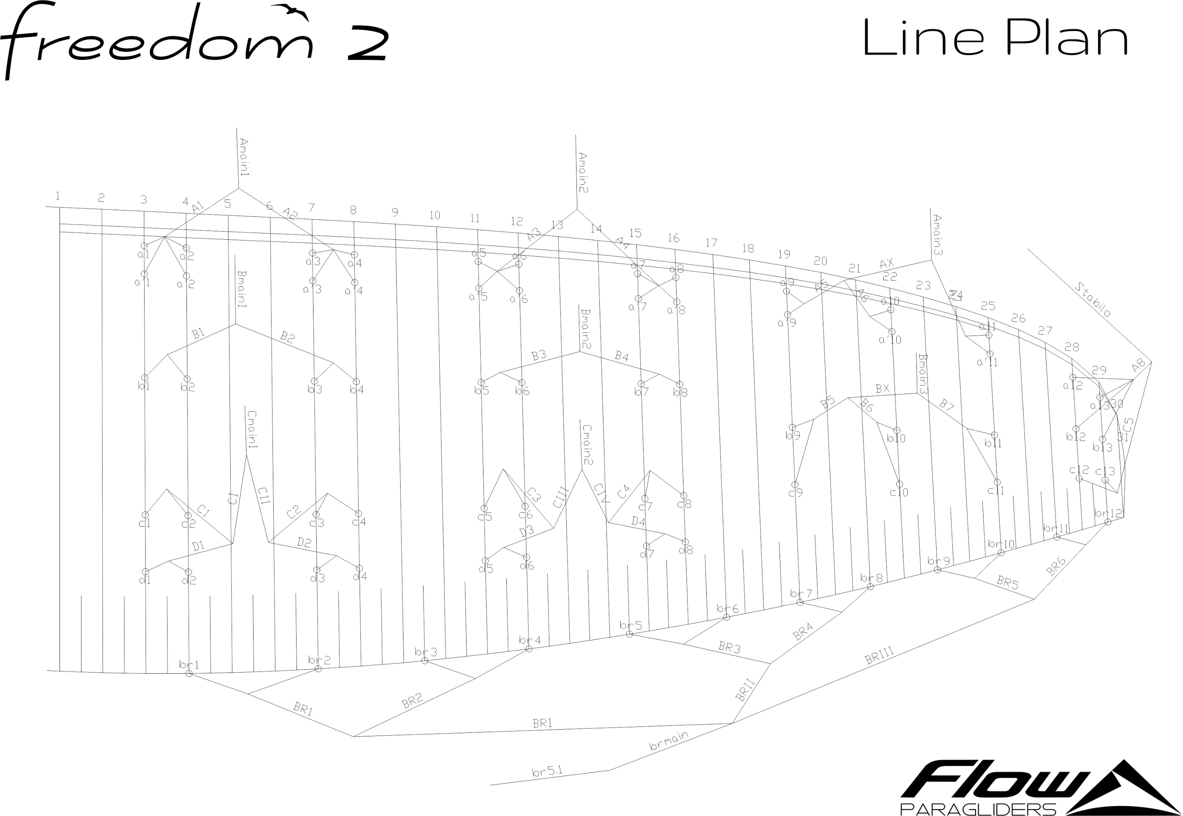
 |  |  |  |  |  |  |  |  |  |  |  |  |  |  |  | A average |  | 0.0 | 0.0 | 0.0 | 0.0 | 0.0 | 0.0
 |  |  |  |  |  |  |  |  |  |  |  |  |  |  |  | B average |  | 0.0 | 0.0 | 0.0 | 0.0 | 0.0 | 0.0
 |  |  |  |  |  |  |  |  |  |  |  |  |  |  |  | FINAL TRIM |  | 0.0 | 0.0 | 0.0 | 0.0 | 0.0 | 0.0

