Trim 01
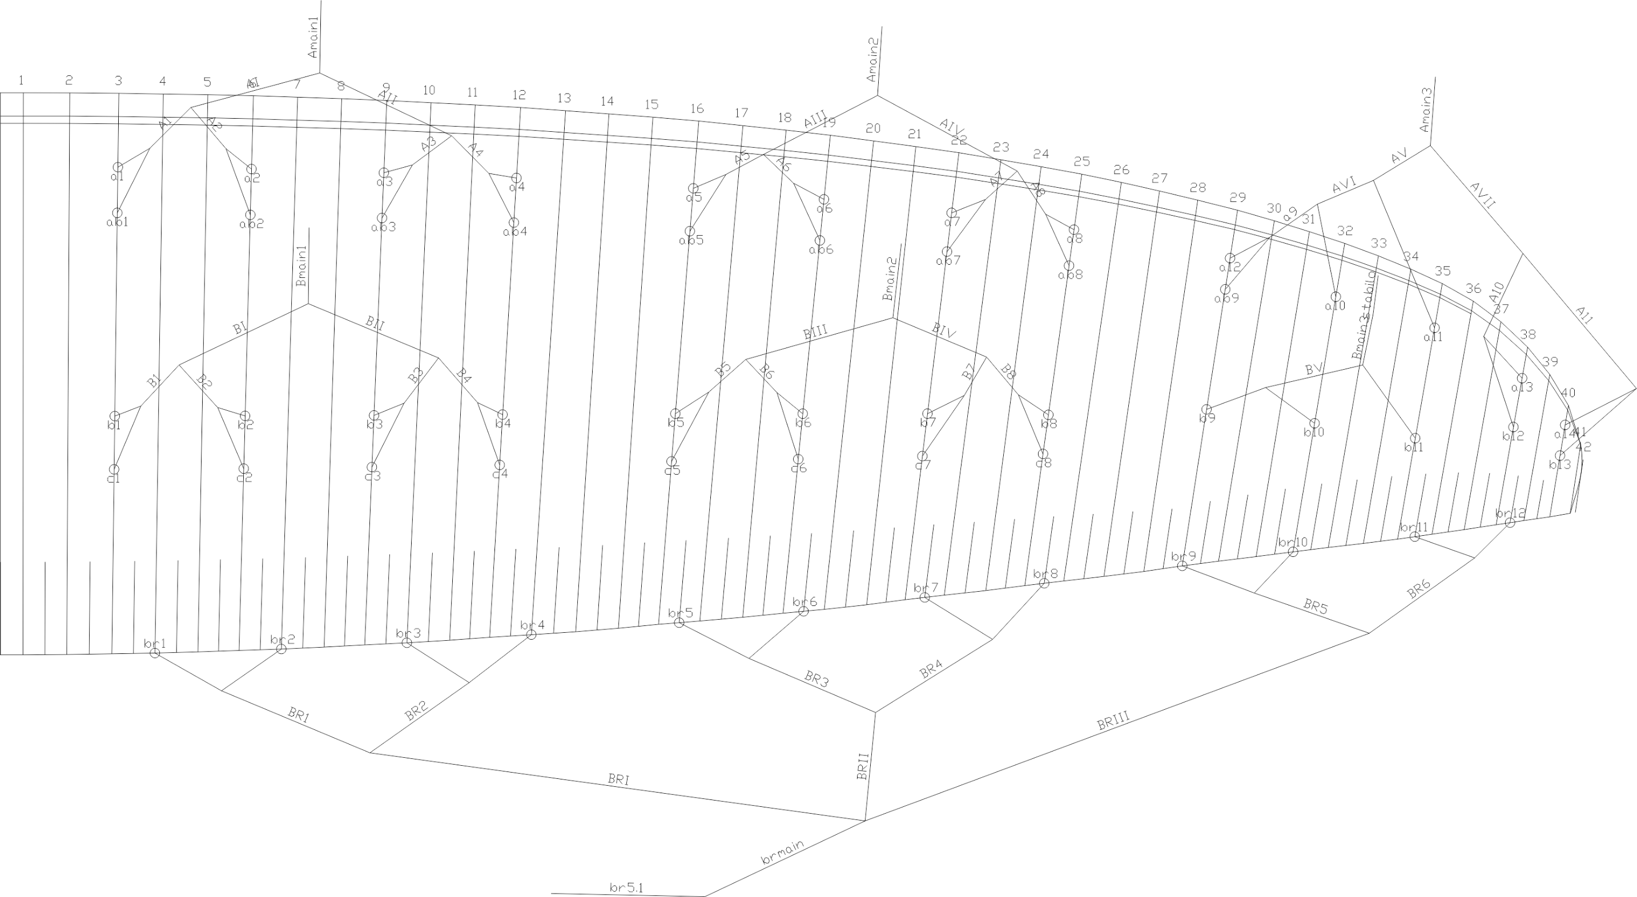
 | A |  |  |  |  |  | A' |  |  |  |  |  | B |  |  |  |  |  | C |  |  |  |  |  | brake |  |  |  |  |  | A | A, | B | C
 | factory | LEFT | RIGHT | left | right | symet | factory | LEFT | RIGHT | left | right | symet. | factory | LEFT | RIGHT | left | dir. | symet | factory | LEFT | RIGHT | left. | right | symet | factory | LEFT | RIGHT | left. | right | symet
1 | 7353 |  |  | -7353 | -7353 | 0 | 7326 |  |  | -7326 | -7326 | 0 | 7308 |  |  | -7308 | -7308 | 0 | 7400 |  |  | -7400 | -7400 | 0 | 7548 |  |  | -7548 | -7548 | 0 | 7353 | 7326 | 7308 | 7400 | 7548
2 | 7307 |  |  | -7307 | -7307 | 0 | 7277 |  |  | -7277 | -7277 | 0 | 7264 |  |  | -7264 | -7264 | 0 | 7357 |  |  | -7357 | -7357 | 0 | 7243 |  |  | -7243 | -7243 | 0 | 7307 | 7277 | 7264 | 7357 | 7243
3 | 7263 |  |  | -7263 | -7263 | 0 | 7235 |  |  | -7235 | -7235 | 0 | 7228 |  |  | -7228 | -7228 | 0 | 7311 |  |  | -7311 | -7311 | 0 | 7081 |  |  | -7081 | -7081 | 0 | 7263 | 7235 | 7228 | 7311 | 7081
4 | 7285 |  |  | -7285 | -7285 | 0 | 7256 |  |  | -7256 | -7256 | 0 | 7246 |  |  | -7246 | -7246 | 0 | 7326 |  |  | -7326 | -7326 | 0 | 7043 |  |  | -7043 | -7043 | 0 | 7285 | 7256 | 7246 | 7326 | 7043
5 | 7209 |  |  | -7209 | -7209 | 0 | 7186 |  |  | -7186 | -7186 | 0 | 7181 |  |  | -7181 | -7181 | 0 | 7283 |  |  | -7283 | -7283 | 0 | 6953 |  |  | -6953 | -6953 | 0 | 7209 | 7186 | 7181 | 7283 | 6953
6 | 7157 |  |  | -7157 | -7157 | 0 | 7135 |  |  | -7135 | -7135 | 0 | 7134 |  |  | -7134 | -7134 | 0 | 7235 |  |  | -7235 | -7235 | 0 | 6823 |  |  | -6823 | -6823 | 0 | 7157 | 7135 | 7134 | 7235 | 6823
7 | 7074 |  |  | -7074 | -7074 | 0 | 7055 |  |  | -7055 | -7055 | 0 | 7062 |  |  | -7062 | -7062 | 0 | 7159 |  |  | -7159 | -7159 | 0 | 6775 |  |  | -6775 | -6775 | 0 | 7074 | 7055 | 7062 | 7159 | 6775
8 | 7078 |  |  | -7078 | -7078 | 0 | 7060 |  |  | -7060 | -7060 | 0 | 7070 |  |  | -7070 | -7070 | 0 | 7158 |  |  | -7158 | -7158 | 0 | 6863 |  |  | -6863 | -6863 | 0 | 7078 | 7060 | 7070 | 7158 | 6863
9 | 6925 |  |  | -6925 | -6925 | 0 | 6906 |  |  | -6906 | -6906 | 0 | 6973 |  |  | -6973 | -6973 | 0 |  |  |  |  |  |  | 6716 |  |  | -6716 | -6716 | 0 | 6925 | 6906 | 6973 |  | 6716
10 | 6816 |  |  | -6816 | -6816 | 0 |  |  |  |  |  |  | 6826 |  |  | -6826 | -6826 | 0 |  |  |  |  |  |  | 6700 |  |  | -6700 | -6700 | 0 | 6816 |  | 6826 |  | 6700
11 | 6730 |  |  | -6730 | -6730 | 0 |  |  |  |  |  |  | 6748 |  |  | -6748 | -6748 | 0 |  |  |  |  |  |  | 6726 |  |  | -6726 | -6726 | 0 | 6730 |  | 6748 |  | 6726
12 | 6743 |  |  | -6743 | -6743 | 0 |  |  |  |  |  |  | 6763 |  |  | -6763 | -6763 | 0 |  |  |  |  |  |  | 6808 |  |  | -6808 | -6808 | 0 | 6743 |  | 6763 |  | 6808
13 | 6650 |  |  | -6650 | -6650 | 0 |  |  |  |  |  |  | 6693 |  |  | -6693 | -6693 | 0 |  |  |  |  |  |  |  |  |  |  |  |  | 6650 |  | 6693
14 | 6665 |  |  | -6665 | -6665 | 0 |  |  |  |  |  |  | 6713 |  |  | -6713 | -6713 | 0 |  |  |  |  |  |  |  |  |  |  |  |  | 6665 |  | 6713

 |  |  |  |  |  |  |  |  |  |  |  | Offset |  |  |  |  |  | TRIM LEFT SIDE |  |  | TRIM RIGHT SIDE |  |  |  | * BRAKES ARE MEASURED FROM KNOT ON BRAKE HANDLE TO TRAILING EDGE
 |  |  |  |  |  |  |  |  |  |  |  |  |  |  |  | SECTION |  | 3 | 2 | 1 | 1 | 2 | 3
 |  |  |  |  |  |  |  |  |  |  |  |  |  |  |  | A average |  | -6823.3 | -7129.3 | -7302.0 | -7302.0 | -7129.3 | -6823.3
 |  |  |  |  |  |  |  |  |  |  |  |  |  |  |  | B average |  | -6848.7 | -7111.6 | -7261.4 | -7261.4 | -7111.6 | -6848.7
 |  |  |  |  |  |  |  |  |  |  |  |  |  |  |  | FINAL TRIM |  | 25.3 | -17.6 | -40.6 | -40.6 | -17.6 | 25.3

 | Line plan

