Dashboard
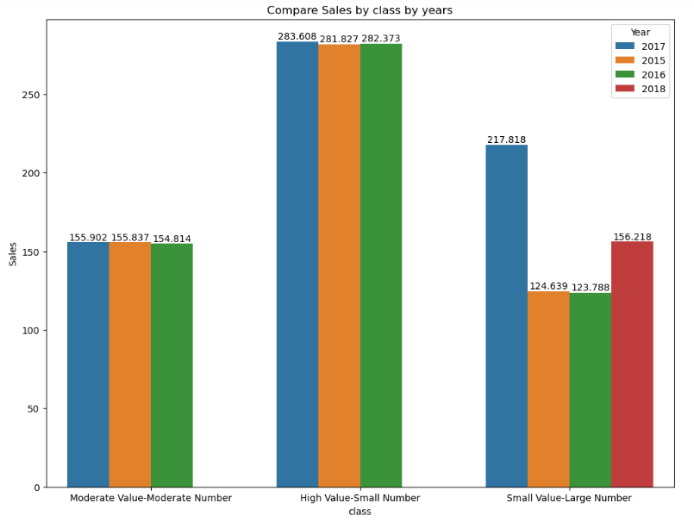
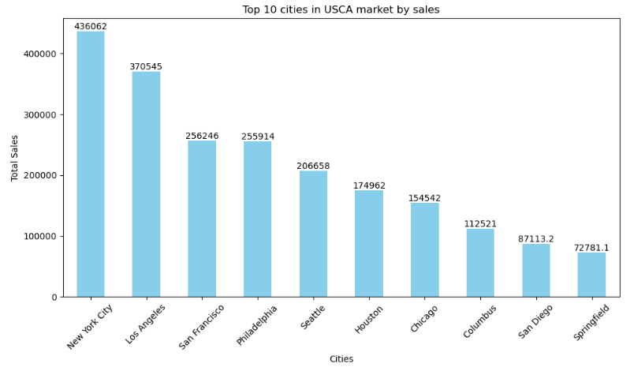
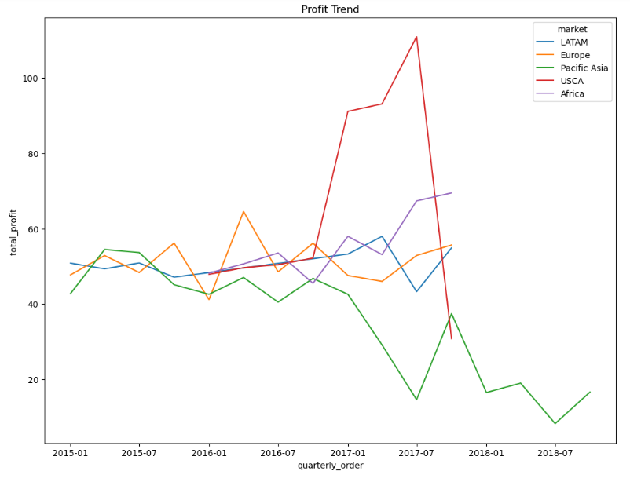
SUPPLY CHAIN DASHBOARD
TOTAL SALES VALUE
36.78 M
NUMBER OF DISTINCT PRODUCTS
118

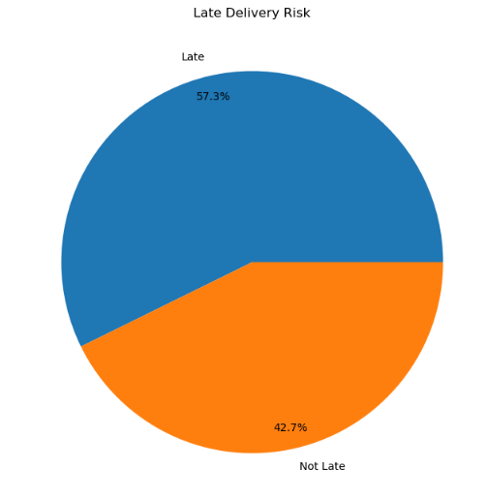
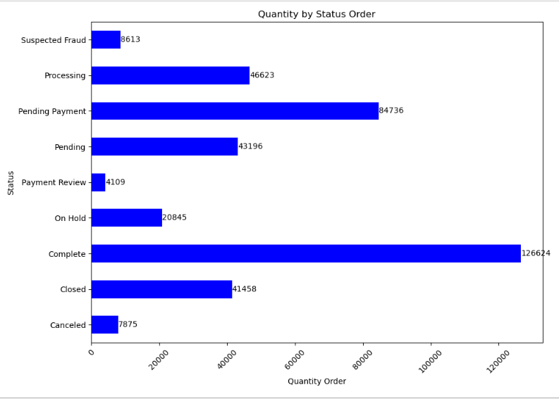
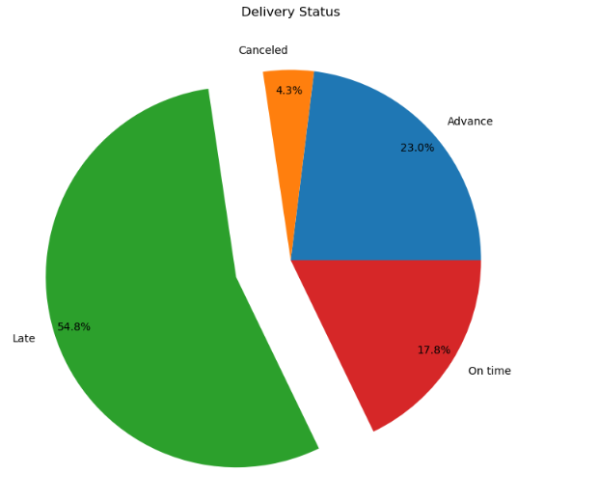

TOTAL SALES UNITS
38.4 K
NUMBER OF DISTINCT CATEGORIES
50

PROFIT VALUE
8.89 M
INVENTORY QUANTITY
18965

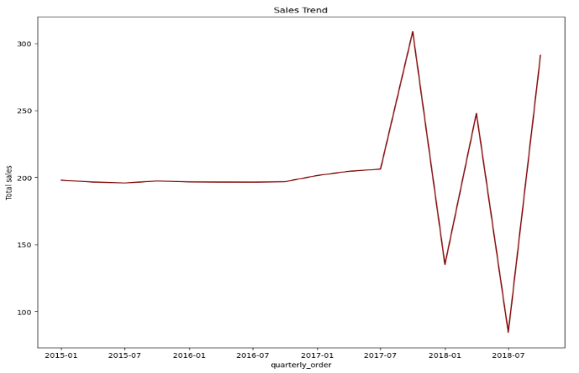
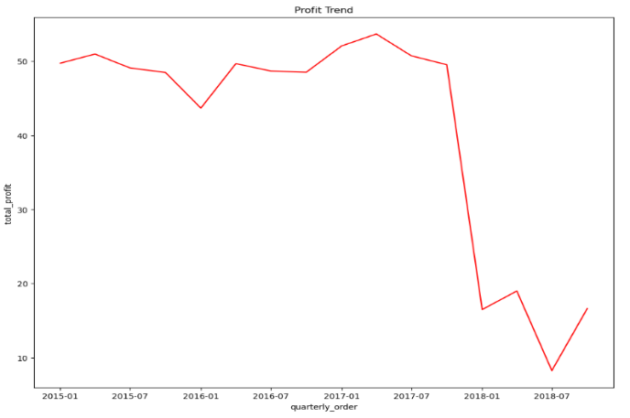
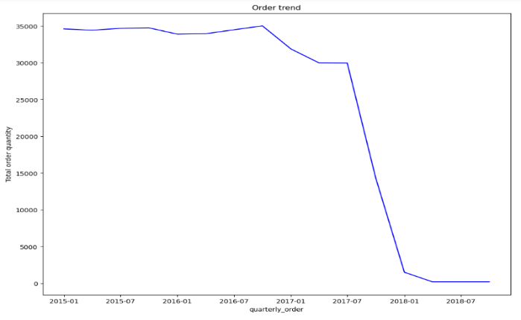

INVENTORY VALUE
36.71 M
EFFICIENT SHIPPING MODE
STANDARD CLASS
64901

