Sheet2
INCOME($100) | AGE(yrs) | AGE^2(yrs^2) | AGE^3(yrs^3) | SUMMARY OUTPUT
209.5 | 35 | 1225 | 42875
207.8 | 60 | 3600 | 216000 | Regression Statistics
AGE^2(yrs^2) Residual Plot
184.3 | 45 | 2025 | 91125 | Multiple R | 0.83652440711
198.9 | 55 | 3025 | 166375 | R Square | 0.6997730837
AGE^3(yrs^3) Residual Plot
201 | 30 | 900 | 27000 | Adjusted R Square | 0.63543874449
198.2 | 50 | 2500 | 125000 | Standard Error | 5.9996322381
188.2 | 25 | 625 | 15625 | Observations | 18
191.5 | 45 | 2025 | 91125
206 | 35 | 1225 | 42875 | ANOVA
194.7 | 50 | 2500 | 125000 |  | df | SS | MS | F | Significance F
199.1 | 25 | 625 | 15625 | Regression | 3 | 1174.5862266 | 391.52874218 | 10.877131751 | 0.00059303748483
176.7 | 20 | 400 | 8000 | Residual | 14 | 503.93821789 | 35.995586992
211.3 | 60 | 3600 | 216000 | Total | 17 | 1678.5244444
206.7 | 30 | 900 | 27000
198.6 | 40 | 1600 | 64000 |  | Coefficients | Standard Error | t Stat | P-value | Lower 95% | Upper 95% | Lower 95.0% | Upper 95.0%
189.1 | 40 | 1600 | 64000 | Intercept | -41.245021645 | 49.141619245 | -0.83930937316 | 0.41539814493 | -146.64331243 | 64.153269135 | -146.64331243 | 64.153269135
184.3 | 20 | 400 | 8000 | AGE(yrs) | 19.496048581 | 4.1241213074 | 4.7273218046 | 0.00032402194334 | 10.650688102 | 28.34140906 | 10.650688102 | 28.34140906
206.5 | 55 | 3025 | 166375 | AGE^2(yrs^2) | -0.5043001443 | 0.10829788659 | -4.6566018983 | 0.00037041642059 | -0.7365760098 | -0.2720242788 | -0.7365760098 | -0.2720242788
 |  |  |  | AGE^3(yrs^3) | 0.004162962963 | 0.00089887805106 | 4.6312878127 | 0.00038864598166 | 0.002235061285 | 0.0060908646409 | 0.002235061285 | 0.0060908646409
Residual Histogram for Third Order

 |  |  |  | RESIDUAL OUTPUT

 |  |  |  | Observation | Predicted INCOME($100) | Residuals
 |  |  |  | 1 | 201.83603896 | 7.663961039 |  | Bin | Frequency
 |  |  |  | 2 | 212.23737374 | -4.4373737374 |  | -9.9193722944 | 1
 |  |  |  | 3 | 194.21937229 | -9.9193722944 |  | -5.3501984127 | 2
 |  |  |  | 4 | 198.14267677 | 0.75732323232 |  | -0.78102453102 | 5
 |  |  |  | 5 | 202.16630592 | -1.1663059163 |  | 3.7881493506 | 4
 |  |  |  | 6 | 193.17741703 | 5.0225829726 |  | More | 6
 |  |  |  | 7 | 196.01489899 | -7.8148989899
 |  |  |  | 8 | 194.21937229 | -2.7193722944
 |  |  |  | 9 | 201.83603896 | 4.163961039 |  | Bin | Frequency
 |  |  |  | 10 | 193.17741703 | 1.5225829726 |  | -9.9193722944 | 1
Residuals Plot for Third Order
 |  |  |  | 11 | 196.01489899 | 3.0851010101 |  | -5.3501984127 | 2
 |  |  |  | 12 | 180.25959596 | -3.5595959596 |  | -0.78102453102 | 5
 |  |  |  | 13 | 212.23737374 | -0.93737373737 |  | 3.7881493506 | 4
 |  |  |  | 14 | 202.16630592 | 4.5336940837 |  | More | 6
 |  |  |  | 15 | 198.14632035 | 0.45367965368
 |  |  |  | 16 | 198.14632035 | -9.0463203463
 |  |  |  | 17 | 180.25959596 | 4.0404040404
 |  |  |  | 18 | 198.14267677 | 8.3573232323

e(t) vs e(t-1) for Thrid Order Model
 | Residuals
Residuals | 7.663961039 | Residuals
7.663961039 | -4.4373737374 | 7.663961039
-4.4373737374 | -9.9193722944 | -4.4373737374
-9.9193722944 | 0.75732323232 | -9.9193722944
0.75732323232 | -1.1663059163 | 0.75732323232
-1.1663059163 | 5.0225829726 | -1.1663059163
5.0225829726 | -7.8148989899 | 5.0225829726
-7.8148989899 | -2.7193722944 | -7.8148989899
-2.7193722944 | 4.163961039 | -2.7193722944
4.163961039 | 1.5225829726 | 4.163961039
1.5225829726 | 3.0851010101 | 1.5225829726
3.0851010101 | -3.5595959596 | 3.0851010101
-3.5595959596 | -0.93737373737 | -3.5595959596
-0.93737373737 | 4.5336940837 | -0.93737373737
4.5336940837 | 0.45367965368 | 4.5336940837
0.45367965368 | -9.0463203463 | 0.45367965368
-9.0463203463 | 4.0404040404 | -9.0463203463
4.0404040404 | 8.3573232323 | 4.0404040404
8.3573232323 |  | 8.3573232323

Scatterplot of e(t) vs e(t-1), Thrid Order Model

 | Residuals
Residuals | 7.663961039
7.663961039 | -4.4373737374
-4.4373737374 | -9.9193722944
-9.9193722944 | 0.75732323232
0.75732323232 | -1.1663059163
-1.1663059163 | 5.0225829726
5.0225829726 | -7.8148989899
-7.8148989899 | -2.7193722944
-2.7193722944 | 4.163961039
4.163961039 | 1.5225829726
1.5225829726 | 3.0851010101
3.0851010101 | -3.5595959596
-3.5595959596 | -0.93737373737
-0.93737373737 | 4.5336940837
4.5336940837 | 0.45367965368
0.45367965368 | -9.0463203463
-9.0463203463 | 4.0404040404
4.0404040404 | 8.3573232323
8.3573232323

Sheet4
INCOME($100) | AGE(yrs) | AGE^2(yrs^2) | AGE^3(yrs^3) | AGE^4(yrs^4)
209.5 | 35 | 1225 | 42875 | 1500625
207.8 | 60 | 3600 | 216000 | 12960000
184.3 | 45 | 2025 | 91125 | 4100625
198.9 | 55 | 3025 | 166375 | 9150625
201 | 30 | 900 | 27000 | 810000
198.2 | 50 | 2500 | 125000 | 6250000
188.2 | 25 | 625 | 15625 | 390625
191.5 | 45 | 2025 | 91125 | 4100625
206 | 35 | 1225 | 42875 | 1500625
194.7 | 50 | 2500 | 125000 | 6250000
199.1 | 25 | 625 | 15625 | 390625
176.7 | 20 | 400 | 8000 | 160000
211.3 | 60 | 3600 | 216000 | 12960000
206.7 | 30 | 900 | 27000 | 810000
Ressidual Histogram for Fourth Order
198.6 | 40 | 1600 | 64000 | 2560000
189.1 | 40 | 1600 | 64000 | 2560000
184.3 | 20 | 400 | 8000 | 160000
206.5 | 55 | 3025 | 166375 | 9150625

SUMMARY OUTPUT

Regression Statistics
Multiple R | 0.85293010201
R Square | 0.72748975892
Adjusted R Square | 0.64364045398
Standard Error | 5.9317600256
Observations | 18

ANOVA
 | df | SS | MS | F | Significance F
Regression | 4 | 1221.1093434 | 305.27733586 | 8.6761572965 | 0.0012247380351
Residual | 13 | 457.41510101 | 35.185777001
Total | 17 | 1678.5244444

 | Coefficients | Standard Error | t Stat | P-value | Lower 95% | Upper 95% | Lower 95.0% | Upper 95.0%
Intercept | -234.62424242 | 175.05164936 | -1.3403143774 | 0.20309829638 | -612.80033896 | 143.55185411 | -612.80033896 | 143.55185411
AGE(yrs) | 41.945572391 | 19.944682869 | 2.1030954799 | 0.05549985118 | -1.1422953432 | 85.033440124 | -1.1422953432 | 85.033440124
AGE^2(yrs^2) | -1.4287979798 | 0.81109657786 | -1.7615633191 | 0.10162727083 | -3.181065604 | 0.32346964437 | -3.181065604 | 0.32346964437
AGE^3(yrs^3) | 0.02025993266 | 0.014027061412 | 1.4443461866 | 0.17230916378 | -0.010043691157 | 0.050563556477 | -0.010043691157 | 0.050563556477
AGE^4(yrs^4) | -0.00010060606061 | 8.749300143E-05 | -1.149875521 | 0.27090978257 | -0.00028962319856 | 8.8411077344E-05 | -0.00028962319856 | 8.8411077344E-05

Residuals Plot for Fourth Order Model
RESIDUAL OUTPUT

Observation | Predicted INCOME($100) | Residuals
1 | 200.86590909 | 8.6340909091
2 | 210.72828283 | -2.9282828283
3 | 193.24924242 | -8.9492424242
4 | 200.40631313 | -1.5063131313
5 | 203.3520202 | -2.352020202
6 | 194.36313131 | 3.8368686869
7 | 198.27853535 | -10.078535354
8 | 193.24924242 | -1.7492424242
9 | 200.86590909 | 5.1340909091
10 | 194.36313131 | 0.33686868687
11 | 198.27853535 | 0.82146464646
12 | 178.75050505 | -2.0505050505
13 | 210.72828283 | 0.57171717172
14 | 203.3520202 | 3.347979798
15 | 196.20606061 | 2.3939393939 |  | Bin | Frequency
16 | 196.20606061 | -7.1060606061 |  | -10.078535354 | 1
17 | 178.75050505 | 5.5494949495 |  | -5.4003787879 | 2
18 | 200.40631313 | 6.0936868687 |  | -0.72222222222 | 5
 |  |  |  | 3.9559343434 | 6
 |  |  |  | More | 4
e(t) vs e(t-1) for Thrid Order Model

Residuals
8.6340909091 | Residuals |  |  |  |  |  |  |  | 4.6312880758
-2.9282828283 | 8.6340909091
-8.9492424242 | -2.9282828283
-1.5063131313 | -8.9492424242
-2.352020202 | -1.5063131313
3.8368686869 | -2.352020202
-10.078535354 | 3.8368686869
-1.7492424242 | -10.078535354
5.1340909091 | -1.7492424242
0.33686868687 | 5.1340909091
0.82146464646 | 0.33686868687
-2.0505050505 | 0.82146464646
0.57171717172 | -2.0505050505
3.347979798 | 0.57171717172
2.3939393939 | 3.347979798
-7.1060606061 | 2.3939393939
5.5494949495 | -7.1060606061
6.0936868687 | 5.5494949495
 | 6.0936868687

 | Residuals(t)
Residualse(t-1) | 8.6340909091
8.6340909091 | -2.9282828283
-2.9282828283 | -8.9492424242
-8.9492424242 | -1.5063131313
Scatterplot of e(t) vs e(t-1), Fourth Order Model
-1.5063131313 | -2.352020202
-2.352020202 | 3.8368686869
3.8368686869 | -10.078535354
-10.078535354 | -1.7492424242
-1.7492424242 | 5.1340909091
5.1340909091 | 0.33686868687
0.33686868687 | 0.82146464646
0.82146464646 | -2.0505050505
-2.0505050505 | 0.57171717172
0.57171717172 | 3.347979798
3.347979798 | 2.3939393939
2.3939393939 | -7.1060606061
-7.1060606061 | 5.5494949495
5.5494949495 | 6.0936868687
6.0936868687

SUMMARY OUTPUT

Regression Statistics
Multiple R | 0.57421155784
R Square | 0.32971891316
Adjusted R Square | 0.22917675013
Standard Error | 47.712484583
Observations | 24

ANOVA
 | df | SS | MS | F | Significance F
Regression | 3 | 22396.541299 | 7465.5137663 | 3.2794093864 | 0.042234752642
Residual | 20 | 45529.623701 | 2276.4811851
Total | 23 | 67926.165

 | Coefficients | Standard Error | t Stat | P-value | Lower 95% | Upper 95% | Lower 95.0% | Upper 95.0%
Intercept | 272.39932225 | 331.7624372 | 0.82106740157 | 0.42128757023 | -419.64499493 | 964.44363943 | -419.64499493 | 964.44363943
A(gallons) | -0.33247792571 | 1.0837172765 | -0.30679397011 | 0.76217151519 | -2.5930725516 | 1.9281167001 | -2.5930725516 | 1.9281167001
B(lbs) | -1.3229829269 | 5.0566126425 | -0.26163422441 | 0.79627898619 | -11.870892066 | 9.2249262124 | -11.870892066 | 9.2249262124
Order | 4.540559574 | 1.9014454291 | 2.3879515575 | 0.026922551546 | 0.57421391183 | 8.5069052362 | 0.57421391183 | 8.5069052362

RESIDUAL OUTPUT

Observation | Predicted Profit($100) | Residuals
1 | 171.1046914 | -9.1046913978
2 | 177.49742707 | -21.397427069
3 | 182.1806781 | 12.9193219
4 | 179.59650978 | 25.203490223
5 | 190.37795407 | 65.422045932
6 | 189.13339774 | -4.733397735
7 | 202.05240104 | -29.652401037
8 | 206.59296061 | 16.607039389
9 | 203.43943288 | -73.839432881
10 | 213.6792122 | 71.520787795
11 | 222.06681543 | -66.466815431
12 | 224.75519891 | 33.844801093
13 | 228.2983247 | -0.99832470393
14 | 220.53806666 | -4.7380666575
15 | 234.51129904 | -61.511299035
16 | 238.7664757 | 48.933524304
17 | 238.20627579 | -32.606275787
18 | 251.83732995 | -72.537329953
19 | 255.66583866 | 56.734161337
20 | 253.36705325 | 37.932946746
21 | 250.46980758 | 5.1301924221
22 | 264.3003485 | -46.500348499
23 | 267.98616575 | 56.413834247
24 | 275.3763352 | -6.5763352014

Sheet1
income($100) | order | age(yrs) | age^2(yrs^2) | age^3(yrs^3) |  | order |  | income($100) |  | age(yrs)
209.5 | 1 | 35 | 1225 | 42875
207.8 | 2 | 60 | 3600 | 216000 |  | Mean | 9.5 | Mean | 197.35555556 | Mean | 40
184.3 | 3 | 45 | 2025 | 91125 |  | Standard Deviation | 5.338539126 | Standard Deviation | 9.9366358505 | Standard Deviation | 13.284223283
198.9 | 4 | 55 | 3025 | 166375 |  | Minimum | 1 | Minimum | 176.7 | Minimum | 20
201 | 5 | 30 | 900 | 27000 |  | Maximum | 18 | Maximum | 211.3 | Maximum | 60
198.2 | 6 | 50 | 2500 | 125000 |  | Count | 18 | Count | 18 | Count | 18
188.2 | 7 | 25 | 625 | 15625
191.5 | 8 | 45 | 2025 | 91125
206 | 9 | 35 | 1225 | 42875
194.7 | 10 | 50 | 2500 | 125000
199.1 | 11 | 25 | 625 | 15625
176.7 | 12 | 20 | 400 | 8000 |  |  | income($100) | age(yrs) |  |  | age(yrs)
211.3 | 13 | 60 | 3600 | 216000 |  | income($100) | 1 |  |  | age(yrs) | 1
206.7 | 14 | 30 | 900 | 27000 |  | age(yrs) | 0.48440105638 | 1 |  | order | -0.2032163124
198.6 | 15 | 40 | 1600 | 64000
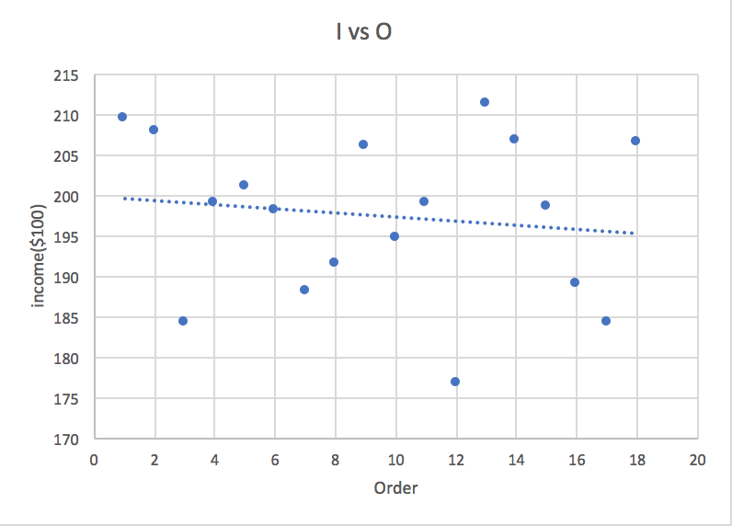
189.1 | 16 | 40 | 1600 | 64000
184.3 | 17 | 20 | 400 | 8000
206.5 | 18 | 55 | 3025 | 166375

 | order | income($100) |  |  |  |  |  |  |  |  |  | order
order | 1
income($100) | -0.13716994793 | 1 |  |  |  |  |  |  |  |  |  | 1

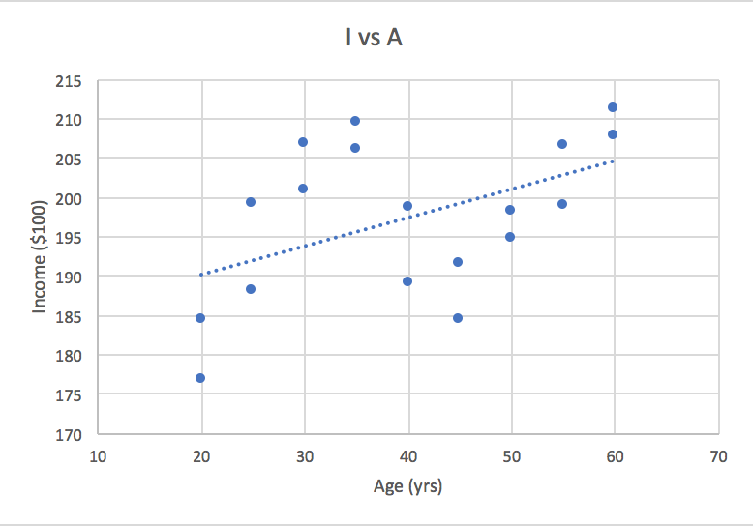

income

 |  |  |  |  |  |  |  |  |  |  | Bin
 |  |  |  |  |  |  |  |  |  |  | 176.7
 |  |  |  |  |  |  |  |  |  |  | 185.35
 |  |  |  |  |  |  |  |  |  |  | 194
 |  |  |  |  |  |  |  |  |  |  | 202.65
 |  |  |  |  |  |  |  |  |  |  | More

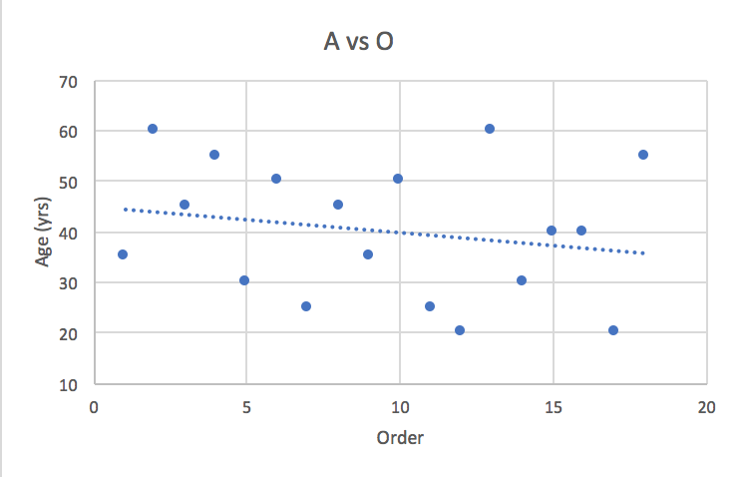

 |  |  |  |  |  |  |  |  |  |  |  | Frequency
 |  |  |  |  |  |  |  |  |  |  | Bin | 1
 |  |  |  |  |  |  |  |  |  |  | 1 | 2
 |  |  |  |  |  |  |  |  |  |  | 5.25 | 3
 |  |  |  |  |  |  |  |  |  |  | 9.5 | 6
 |  |  |  |  |  |  |  |  |  |  | 13.75 | 6
Age
 |  |  |  |  |  |  |  |  |  |  | More

 |  |  |  |  |  |  |  |  |  |  | Bin | Frequency
 |  |  |  |  |  |  |  |  |  |  | 20 | 1
 |  |  |  |  |  |  |  |  |  |  | 30 | 4
 |  |  |  |  |  |  |  |  |  |  | 40 | 4
Order
 |  |  |  |  |  |  |  |  |  |  | 50 | 4
 |  |  |  |  |  |  |  |  |  |  | More | 5

 |  |  |  |  |  |  |  |  |  |  |  | Frequency
 |  |  |  |  |  |  |  |  |  |  |  | 2
 |  |  |  |  |  |  |  |  |  |  |  | 4
Residual Plot, First Order
 |  |  |  |  |  |  |  |  |  |  |  | 4
 |  |  |  |  |  |  |  |  |  |  |  | 4
 |  |  |  |  |  |  |  |  |  |  |  | 4

First Order Model
SUMMARY OUTPUT

Regression Statistics
Multiple R | 0.48440105638
R Square | 0.23464438343
Adjusted R Square | 0.18680965739
Standard Error | 8.9605667758 |  |  |  |  | Upper 95% | Lower 95.0% | Upper 95.0%
Observations | 18 |  |  |  |  | 197.43923791 | 168.28520653 | 197.43923791
 |  |  |  |  |  | 0.70914309554 | 0.015523571131 | 0.70914309554
ANOVA
 | df | SS | MS | F | Significance F |  |  |  |  | Bin | Frequency
Regression | 1 | 393.85633333 | 393.85633333 | 4.9053146714 | 0.041633322596 |  |  |  |  | -14.867222222 | 1
Residual | 16 | 1284.6681111 | 80.291756944 |  |  |  |  |  |  | -7.6613888889 | 3
Total | 17 | 1678.5244444 |  |  |  |  |  |  |  | -0.45555555556 | 5
 |  |  |  |  |  |  |  |  |  | 6.7502777778 | 4
 | Coefficients | Standard Error | t Stat | P-value | Lower 95% |  |  |  |  | More | 5
Intercept | 182.86222222 | 6.8762579601 | 26.593275483 | 1.14E-14 | 168.28520653
age(yrs) | 0.36233333333 | 0.16359681837 | 2.2147944987 | 0.041633322596 | 0.015523571131
Residual Histogram

RESIDUAL OUTPUT

Observation | Predicted Income($100) | Residuals
1 | 195.54388889 | 13.956111111
2 | 204.60222222 | 3.1977777778
3 | 199.16722222 | -14.867222222
4 | 202.79055556 | -3.8905555556
5 | 193.73222222 | 7.2677777778
6 | 200.97888889 | -2.7788888889
7 | 191.92055556 | -3.7205555556
8 | 199.16722222 | -7.6672222222
e(t) vs e(t-1)
9 | 195.54388889 | 10.456111111
10 | 200.97888889 | -6.2788888889
11 | 191.92055556 | 7.1794444444
12 | 190.10888889 | -13.408888889
13 | 204.60222222 | 6.6977777778
14 | 193.73222222 | 12.967777778
15 | 197.35555556 | 1.2444444444
16 | 197.35555556 | -8.2555555556
17 | 190.10888889 | -5.8088888889
18 | 202.79055556 | 3.7094444444

Second Order Model
SUMMARY OUTPUT

Regression Statistics
Multiple R | 0.48970166152
R Square | 0.23980771729
Adjusted R Square | 0.13844874626
Standard Error | 9.2231640594 |  |  |  |  | Upper 95% | Lower 95.0% | Upper 95.0%
Observations | 18 |  |  |  |  | 223.91398 | 128.20931004 | 223.91398
 |  |  |  |  |  | 3.301816855 | -1.8180159892 | 3.301816855
ANOVA |  |  |  |  |  | 0.026938289313 | -0.036427466802 | 0.026938289313
 | df | SS | MS | F | Significance F
Regression | 2 | 402.52311544 | 201.26155772 | 2.3659249385 | 0.12791631013
Residual | 15 | 1276.001329 | 85.066755267
Total | 17 | 1678.5244444

 | Coefficients | Standard Error | t Stat | P-value | Lower 95%
Intercept | 176.06164502 | 22.45060648 | 7.8421776792 | 1.0996216982E-06 | 128.20931004
age(yrs) | 0.7419004329 | 1.2010213554 | 0.61772459715 | 0.54602159084 | -1.8180159892
age^2(yrs^2) | -0.0047445887446 | 0.0148644748 | -0.31918980041 | 0.75398448677 | -0.036427466802
Residuals Plot, Second Order

RESIDUAL OUTPUT

Observation | Predicted Income($100) | Residuals
1 | 196.21603896 | 13.283961039
2 | 203.49515152 | 4.3048484848
3 | 199.83937229 | -15.539372294
4 | 202.51378788 | -3.6137878788
5 | 194.04852814 | 6.9514718615
6 | 201.29519481 | -3.0951948052
7 | 191.64378788 | -3.4437878788
8 | 199.83937229 | -8.3393722944
Residual Histogram
9 | 196.21603896 | 9.783961039
10 | 201.29519481 | -6.5951948052
11 | 191.64378788 | 7.4562121212
12 | 189.00181818 | -12.301818182
13 | 203.49515152 | 7.8048484848
14 | 194.04852814 | 12.651471861
15 | 198.14632035 | 0.45367965368
16 | 198.14632035 | -9.0463203463
17 | 189.00181818 | -4.7018181818
18 | 202.51378788 | 3.9862121212

Bin | Frequency
-15.539372294 | 1
-8.333538961 | 3 |  |  |  |  | (x*-x(bar))^2 | (n-1)*S(x)^2 | (x*-x(bar))^2/((n-1)*S(x)^2) | SQRT(1+(1/n)+I185) | lower bound of CI for I | upper bound of CI for I
-1.1277056277 | 5 |  |  |  |  | 25 | 3000 | 0.0083333333333 | 1.0314498965 | 175.94895293 | 215.13414707
6.0781277056 | 3 |  |  |  |  | 100 | 3000 | 0.033333333333 | 1.0434983895 | 181.15503939 | 220.79796061
More | 6

 | Coefficients
Intercept | 182.86 |  |  |  |  | income($100) | age(yrs) | Predicted income($100) | x*-x(bar) | (x*-x(bar))^2 | (x*-x(bar))^2/((n-1)*S(x)^2)
age(yrs) | 0.36233 |  |  |  |  | 209.5 | 35 | 195.54155 | -5 | 25 | 0.0083333333333
 |  |  |  |  |  | 207.8 | 60 | 204.5998 | 20 | 400 | 0.13333333333
A | I bar | t(alpha/2) | df(error) | S(I,A) | x*-x(bar) | 184.3 | 45 | 199.16485 | 5 | 25 | 0.0083333333333 | SQRT((1/n)+I185)
35 | 195.54155 | 2.12 | 16 | 8.96 | -5 | 198.9 | 55 | 202.78815 | 15 | 225 | 0.075 | 0.2527625148
50 | 200.9765 | 2.12 | 16 | 8.96 | 10 | 201 | 30 | 193.7299 | -10 | 100 | 0.033333333333 | 0.298142397
 |  |  |  |  |  | 198.2 | 50 | 200.9765 | 10 | 100 | 0.033333333333
 |  |  |  |  |  | 188.2 | 25 | 191.91825 | -15 | 225 | 0.075
 | e(t) |  |  |  |  | 191.5 | 45 | 199.16485 | 5 | 25 | 0.0083333333333
e(t-1) | 13.956111111 | e(t)-e(t-1) | (e(t)-e(t-1))^2 | e(t)^2 |  | 206 | 35 | 195.54155 | -5 | 25 | 0.0083333333333 | SQRT((1/n)+I185) | SQRT(1+(1/n)+I185)
13.956111111 | 3.1977777778 | -10.758333333 | 115.74173611 | 10.225782716 |  | 194.7 | 50 | 200.9765 | 10 | 100 | 0.033333333333 | 0.2527625148 | 1.0314498965
3.1977777778 | -14.867222222 | -18.065 | 326.344225 | 221.0342966 |  | 199.1 | 25 | 191.91825 | -15 | 225 | 0.075 | 0.43461349368 | 1.0903618156
-14.867222222 | -3.8905555556 | 10.976666667 | 120.48721111 | 15.136422531 |  | 176.7 | 20 | 190.1066 | -20 | 400 | 0.13333333333 | 0.2527625148 | 1.0314498965
-3.8905555556 | 7.2677777778 | 11.158333333 | 124.50840278 | 52.820593827 |  | 211.3 | 60 | 204.5998 | 20 | 400 | 0.13333333333 | 0.36132472314 | 1.0632758605
7.2677777778 | -2.7788888889 | -10.046666667 | 100.93551111 | 7.7222234568 |  | 206.7 | 30 | 193.7299 | -10 | 100 | 0.033333333333 | 0.298142397 | 1.0434983895
-2.7788888889 | -3.7205555556 | -0.94166666667 | 0.88673611111 | 13.842533642 |  | 198.6 | 40 | 197.3532 | 0 | 0 | 0 | 0.298142397 | 1.0434983895
-3.7205555556 | -7.6672222222 | -3.9466666667 | 15.576177778 | 58.786296605 |  | 189.1 | 40 | 197.3532 | 0 | 0 | 0 | 0.36132472314 | 1.0632758605
-7.6672222222 | 10.456111111 | 18.123333333 | 328.45521111 | 109.33025957 |  | 184.3 | 20 | 190.1066 | -20 | 400 | 0.13333333333 | 0.2527625148 | 1.0314498965
10.456111111 | -6.2788888889 | -16.735 | 280.060225 | 39.424445679 |  | 206.5 | 55 | 202.78815 | 15 | 225 | 0.075 | 0.2527625148 | 1.0314498965
-6.2788888889 | 7.1794444444 | 13.458333333 | 181.12673611 | 51.544422531 |  |  |  |  |  |  |  | 0.298142397 | 1.0434983895
7.1794444444 | -13.408888889 | -20.588333333 | 423.87946944 | 179.79830123 |  |  |  |  |  |  |  | 0.36132472314 | 1.0632758605
-13.408888889 | 6.6977777778 | 20.106666667 | 404.27804444 | 44.86022716 |  |  |  |  |  |  |  | 0.43461349368 | 1.0903618156
6.6977777778 | 12.967777778 | 6.27 | 39.3129 | 168.16326049 |  |  |  |  |  |  |  | 0.43461349368 | 1.0903618156
12.967777778 | 1.2444444444 | -11.723333333 | 137.43654444 | 1.5486419753 |  |  |  |  |  |  |  | 0.298142397 | 1.0434983895
1.2444444444 | -8.2555555556 | -9.5 | 90.25 | 68.154197531 |  |  |  |  |  |  |  | 0.2357022604 | 1.0274023338
-8.2555555556 | -5.8088888889 | 2.4466666667 | 5.9861777778 | 33.743190123 |  |  |  |  |  |  |  | 0.2357022604 | 1.0274023338
-5.8088888889 | 3.7094444444 | 9.5183333333 | 90.598669444 | 13.759978086 |  |  |  |  |  |  |  | 0.43461349368 | 1.0903618156
3.7094444444 |  |  | 2785.8639778 | 1089.8950738 |  |  |  |  |  |  |  | 0.36132472314 | 1.0632758605
 |  |  |  | 2.5560845671

CLM-L | CLM-U | CLI-L | CLI-U | age(yrs)
190.74027548 | 200.34282452 | 175.94895293 | 215.13414707 | 35
196.34422976 | 212.85537024 | 183.88815924 | 225.31144076 | 60
194.36357548 | 203.96612452 | 179.57225293 | 218.75744707 | 45
195.92471462 | 209.65158538 | 182.59101237 | 222.98528763 | 55
188.06662554 | 199.39317446 | 173.90843939 | 213.55136061 | 30
195.31322554 | 206.63977446 | 181.15503939 | 220.79796061 | 50
185.05481462 | 198.78168538 | 171.72111237 | 212.11538763 | 25
194.36357548 | 203.96612452 | 179.57225293 | 218.75744707 | 45
190.74027548 | 200.34282452 | 175.94895293 | 215.13414707 | 35
195.31322554 | 206.63977446 | 181.15503939 | 220.79796061 | 50
185.05481462 | 198.78168538 | 171.72111237 | 212.11538763 | 25
181.85102976 | 198.36217024 | 169.39495924 | 210.81824076 | 20
196.34422976 | 212.85537024 | 183.88815924 | 225.31144076 | 60
188.06662554 | 199.39317446 | 173.90843939 | 213.55136061 | 30
192.87598842 | 201.83041158 | 177.83748719 | 216.86891281 | 40
192.87598842 | 201.83041158 | 177.83748719 | 216.86891281 | 40
181.85102976 | 198.36217024 | 169.39495924 | 210.81824076 | 20
195.92471462 | 209.65158538 | 182.59101237 | 222.98528763 | 55

Sheet3
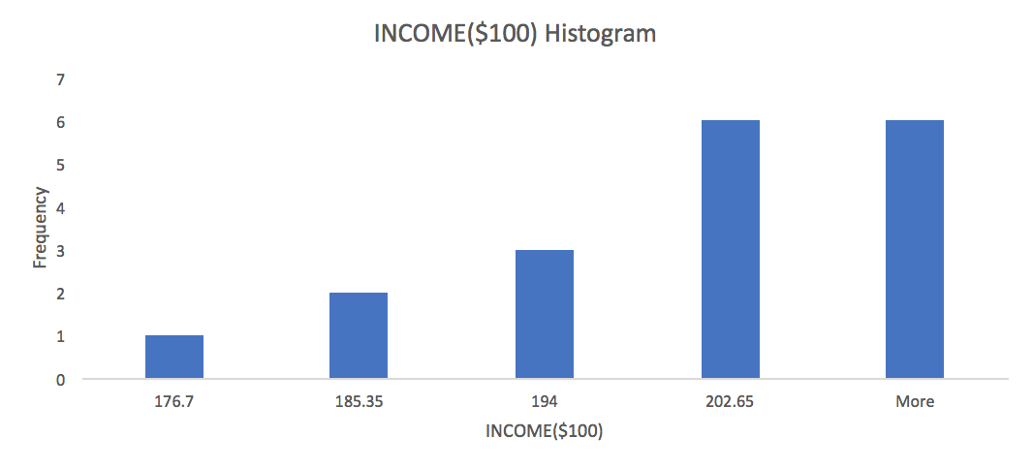
INCOME($100) | ORDER | AGE(yrs) | AGE^2(yrs^2) | AGE^3(yrs^3) | AGE^4(yrs^4)
209.5 | 1 | 35 | 1225 | 42875 | 1500625 | 1c |  | 1c
207.8 | 2 | 60 | 3600 | 216000 | 12960000
184.3 | 3 | 45 | 2025 | 91125 | 4100625
198.9 | 4 | 55 | 3025 | 166375 | 9150625
201 | 5 | 30 | 900 | 27000 | 810000
198.2 | 6 | 50 | 2500 | 125000 | 6250000
188.2 | 7 | 25 | 625 | 15625 | 390625
191.5 | 8 | 45 | 2025 | 91125 | 4100625
206 | 9 | 35 | 1225 | 42875 | 1500625
194.7 | 10 | 50 | 2500 | 125000 | 6250000
199.1 | 11 | 25 | 625 | 15625 | 390625
176.7 | 12 | 20 | 400 | 8000 | 160000
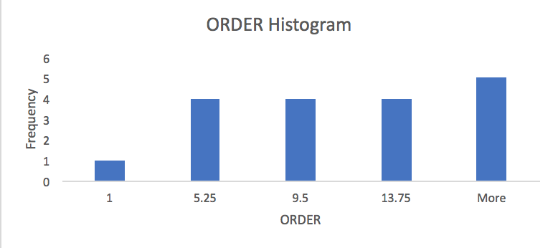
211.3 | 13 | 60 | 3600 | 216000 | 12960000
206.7 | 14 | 30 | 900 | 27000 | 810000
198.6 | 15 | 40 | 1600 | 64000 | 2560000
189.1 | 16 | 40 | 1600 | 64000 | 2560000
184.3 | 17 | 20 | 400 | 8000 | 160000
206.5 | 18 | 55 | 3025 | 166375 | 9150625
1b
income($100) |  | order |  | age(yrs)
Mean | 197.35555556 | Mean | 9.5 | Mean | 40
Std. Dev. | 9.9366358505 | Std. Dev. | 5.338539126 | Std. Dev. | 13.284223283
Minimum | 176.7 | Minimum | 1 | Minimum | 20
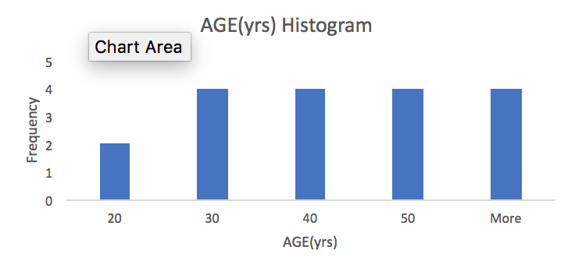
Maximum | 211.3 | Maximum | 18 | Maximum | 60
Count | 18 | Count | 18 | Count | 18
1d
 | INCOME($100) | ORDER | AGE(yrs)
INCOME($100) | 1
ORDER | -0.13716994793 | 1
AGE(yrs) | 0.48440105638 | -0.2032163124 | 1

1e

 |  |  |  |  |  | 2a-2
Residual Plot, First Order
 | Residuals
195.54388889 | 13.956111111
204.60222222 | 3.1977777778
199.16722222 | -14.867222222
202.79055556 | -3.8905555556
193.73222222 | 7.2677777778
200.97888889 | -2.7788888889
191.92055556 | -3.7205555556
199.16722222 | -7.6672222222
195.54388889 | 10.456111111
200.97888889 | -6.2788888889
191.92055556 | 7.1794444444
190.10888889 | -13.408888889
204.60222222 | 6.6977777778
193.73222222 | 12.967777778
197.35555556 | 1.2444444444
197.35555556 | -8.2555555556
190.10888889 | -5.8088888889
202.79055556 | 3.7094444444
First Order Model
SUMMARY OUTPUT
2a-1
Regression Statistics
Multiple R | 0.48440105638
R Square | 0.23464438343
Adjusted R Square | 0.18680965739
Standard Error | 8.9605667758
Observations | 18

ANOVA
 | df | SS | MS | F | Significance F
Regression | 1 | 393.85633333 | 393.85633333 | 4.9053146714 | 0.041633322596
Residual | 16 | 1284.6681111 | 80.291756944
Total | 17 | 1678.5244444 |  |  |  | 2a-3
Residual Histogram for the First Model
 | Frequency
-14.86722222 | 1
-7.661388889 | 3
-0.455555556 | 5
6.750277778 | 4
More | 5
 | Coefficients | Standard Error | t Stat | P-value | Lower 95%
Intercept | 182.86222222 | 6.8762579601 | 26.593275483 | 1.14E-14 | 168.28520653
age(yrs) | 0.36233333333 | 0.16359681837 | 2.2147944987 | 0.041633322596 | 0.015523571131

2a-4
e(t) vs e(t-1)
13.956111111 | 3.1977777778
3.1977777778 | -14.867222222
-14.867222222 | -3.8905555556
-3.8905555556 | 7.2677777778
7.2677777778 | -2.7788888889
-2.7788888889 | -3.7205555556
-3.7205555556 | -7.6672222222
-7.6672222222 | 10.456111111
10.456111111 | -6.2788888889
-6.2788888889 | 7.1794444444
7.1794444444 | -13.408888889
-13.408888889 | 6.6977777778
6.6977777778 | 12.967777778
12.967777778 | 1.2444444444
1.2444444444 | -8.2555555556
-8.2555555556 | -5.8088888889
-5.8088888889 | 3.7094444444

 |  |  |  |  |  | 2b-2
Residuals Plot, Second Order
 | Residuals
196.21603896 | 13.283961039
203.49515152 | 4.3048484848
199.83937229 | -15.539372294
202.51378788 | -3.6137878788
194.04852814 | 6.9514718615
201.29519481 | -3.0951948052
191.64378788 | -3.4437878788
199.83937229 | -8.3393722944
196.21603896 | 9.783961039
201.29519481 | -6.5951948052
191.64378788 | 7.4562121212
189.00181818 | -12.301818182
203.49515152 | 7.8048484848
194.04852814 | 12.651471861
198.14632035 | 0.45367965368
198.14632035 | -9.0463203463
189.00181818 | -4.7018181818
202.51378788 | 3.9862121212
Second Order Model
SUMMARY OUTPUT
2b-1
Regression Statistics
Multiple R | 0.48970166152
R Square | 0.23980771729
Adjusted R Square | 0.13844874626
Standard Error | 9.2231640594
Observations | 18

ANOVA
 | df | SS | MS | F | Significance F
Regression | 2 | 402.52311544 | 201.26155772 | 2.3659249385 | 0.12791631013
Residual | 15 | 1276.001329 | 85.066755267 |  |  | 2b-3
Residual Histogram for the Second Model
 | Frequency
-15.53937229 | 1
-8.333538961 | 3
-1.127705628 | 5
6.078127706 | 3
More | 6
Total | 17 | 1678.5244444

 | Coefficients | Standard Error | t Stat | P-value | Lower 95%
Intercept | 176.06164502 | 22.45060648 | 7.8421776792 | 1.0996216982E-06 | 128.20931004
age(yrs) | 0.7419004329 | 1.2010213554 | 0.61772459715 | 0.54602159084 | -1.8180159892
age^2(yrs^2) | -0.0047445887446 | 0.0148644748 | -0.31918980041 | 0.75398448677 | -0.036427466802

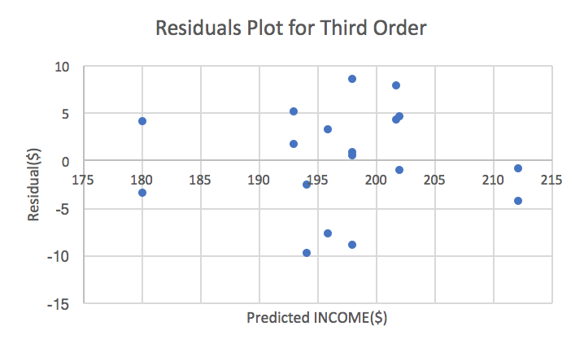
Third Order Model
SUMMARY OUTPUT |  |  |  |  |  | 2c-2
2c-1
Regression Statistics
Multiple R | 0.83652440711
R Square | 0.6997730837
Adjusted R Square | 0.63543874449
Standard Error | 5.9996322381
Observations | 18

ANOVA
 | df | SS | MS | F | Significance F
Regression | 3 | 1174.5862266 | 391.52874218 | 10.877131751 | 0.00059303748483
Residual | 14 | 503.93821789 | 35.995586992
Total | 17 | 1678.5244444

 | Coefficients | Standard Error | t Stat | P-value | Lower 95% | Upper 95% | Lower 95.0% | Upper 95.0%
Intercept | -41.245021645 | 49.141619245 | -0.83930937316 | 0.41539814493 | -146.64331243 | 64.153269135 | -146.64331243 | 64.153269135
AGE(yrs) | 19.496048581 | 4.1241213074 | 4.7273218046 | 0.00032402194334 | 10.650688102 | 28.34140906 | 10.650688102 | 28.34140906
AGE^2(yrs^2) | -0.5043001443 | 0.10829788659 | -4.6566018983 | 0.00037041642059 | -0.7365760098 | -0.2720242788 | -0.7365760098 | -0.2720242788
AGE^3(yrs^3) | 0.004162962963 | 0.00089887805106 | 4.6312878127 | 0.00038864598166 | 0.002235061285 | 0.0060908646409 | 0.002235061285 | 0.0060908646409

2c-4 |  |  |  |  |  | 2c-3
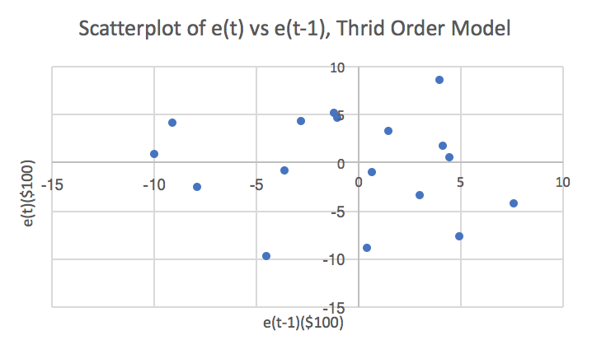
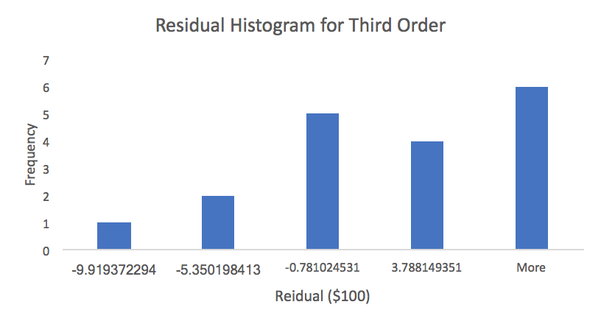

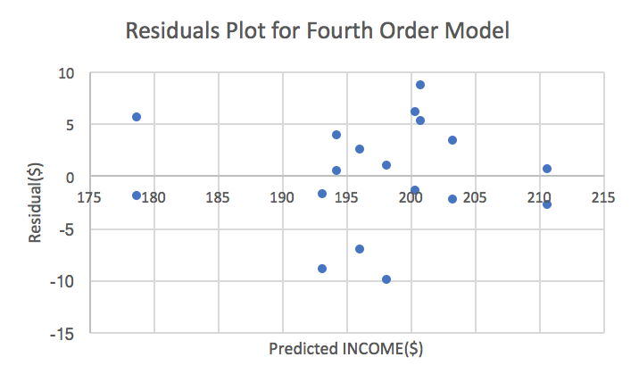
Fourth Order Model |  |  |  |  |  | 2d-2
SUMMARY OUTPUT
2d-1
Regression Statistics
Multiple R | 0.85293010201
R Square | 0.72748975892
Adjusted R Square | 0.64364045398
Standard Error | 5.9317600256
Observations | 18

ANOVA
 | df | SS | MS | F | Significance F
Regression | 4 | 1221.1093434 | 305.27733586 | 8.6761572965 | 0.0012247380351
Residual | 13 | 457.41510101 | 35.185777001
Total | 17 | 1678.5244444

 | Coefficients | Standard Error | t Stat | P-value | Lower 95% | Upper 95% | Lower 95.0% | Upper 95.0%
Intercept | -234.62424242 | 175.05164936 | -1.3403143774 | 0.20309829638 | -612.80033896 | 143.55185411 | -612.80033896 | 143.55185411
AGE(yrs) | 41.945572391 | 19.944682869 | 2.1030954799 | 0.05549985118 | -1.1422953432 | 85.033440124 | -1.1422953432 | 85.033440124
AGE^2(yrs^2) | -1.4287979798 | 0.81109657786 | -1.7615633191 | 0.10162727083 | -3.181065604 | 0.32346964437 | -3.181065604 | 0.32346964437
AGE^3(yrs^3) | 0.02025993266 | 0.014027061412 | 1.4443461866 | 0.17230916378 | -0.010043691157 | 0.050563556477 | -0.010043691157 | 0.050563556477
AGE^4(yrs^4) | -0.00010060606061 | 8.749300143E-05 | -1.149875521 | 0.27090978257 | -0.00028962319856 | 8.8411077344E-05 | -0.00028962319856 | 8.8411077344E-05
2d-4 |  |  |  |  |  | 2d-3
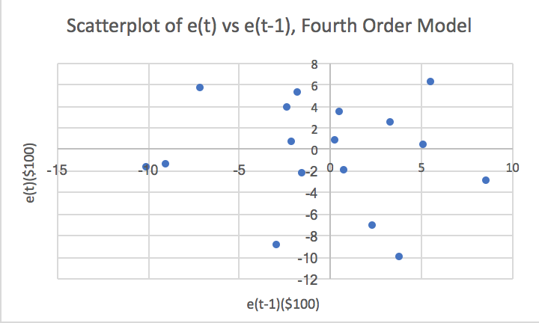
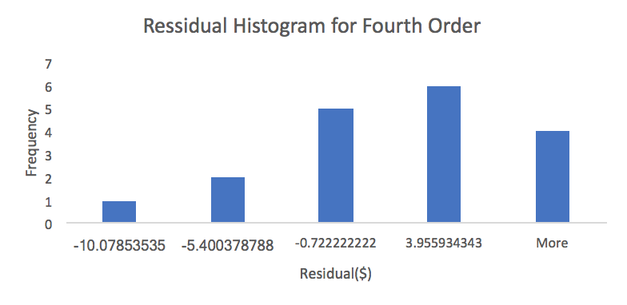

RESIDUAL OUTPUT OF THIRD ORDER MODEL
Use Regression and fit E(e(t))=beta0+beta1*e(t-1) yields r=-0.042 with p=0.88
Observation | Predicted INCOME($100) | Residuals(t)
1 | 200.86590909 | 8.6340909091 | Residuals(t-1)
2 | 210.72828283 | -2.9282828283 | 8.6340909091
3 | 193.24924242 | -8.9492424242 | -2.9282828283
4 | 200.40631313 | -1.5063131313 | -8.9492424242
5 | 203.3520202 | -2.352020202 | -1.5063131313
6 | 194.36313131 | 3.8368686869 | -2.352020202
7 | 198.27853535 | -10.078535354 | 3.8368686869
8 | 193.24924242 | -1.7492424242 | -10.078535354
9 | 200.86590909 | 5.1340909091 | -1.7492424242
10 | 194.36313131 | 0.33686868687 | 5.1340909091
11 | 198.27853535 | 0.82146464646 | 0.33686868687
12 | 178.75050505 | -2.0505050505 | 0.82146464646
13 | 210.72828283 | 0.57171717172 | -2.0505050505
14 | 203.3520202 | 3.347979798 | 0.57171717172
15 | 196.20606061 | 2.3939393939 | 3.347979798
16 | 196.20606061 | -7.1060606061 | 2.3939393939
17 | 178.75050505 | 5.5494949495 | -7.1060606061
18 | 200.40631313 | 6.0936868687 | 5.5494949495
 |  |  | 6.0936868687
2c-5
Regression Statistics
Multiple R | 0.041574353231
R Square | 0.0017284268466
Adjusted R Square | -0.069576685522
Standard Error | 4.8668242472
Observations | 16
 | Coefficients | Standard Error | t Stat | P-value | Lower 95% | Upper 95% | Lower 95.0% | Upper 95.0%
Intercept | -0.93449120438 | 1.2200267933 | -0.76595957527 | 0.4564212085 | -3.5511884295 | 1.6822060207 | -3.5511884295 | 1.6822060207
Residuals(t-1) | -0.039272525321 | 0.25224563578 | -0.15569159482 | 0.8784987116 | -0.58028560702 | 0.50174055638 | -0.58028560702 | 0.50174055638

Sheet6
age(yrs) | Predicted | CLM-L | CLM-U | CLI-L | CLI-U | income($100)
35 | 201.83603896 | 198.8027368 | 204.86934112 | 188.61418139 | 215.05789653 | 209.5
60 | 212.23737374 | 209.20407158 | 215.2706759 | 199.01551617 | 225.45923131 | 207.8
45 | 194.21937229 | 191.18607014 | 197.25267445 | 180.99751472 | 207.44122987 | 184.3
55 | 198.14267677 | 195.10937461 | 201.17597893 | 184.9208192 | 211.36453434 | 198.9
30 | 202.16630592 | 199.13300376 | 205.19960807 | 188.94444835 | 215.38816349 | 201
50 | 193.17741703 | 190.14411487 | 196.21071919 | 179.95555946 | 206.3992746 | 198.2
25 | 196.01489899 | 192.98159683 | 199.04820115 | 182.79304142 | 209.23675656 | 188.2
45 | 194.21937229 | 191.18607014 | 197.25267445 | 180.99751472 | 207.44122987 | 191.5
35 | 201.83603896 | 198.8027368 | 204.86934112 | 188.61418139 | 215.05789653 | 206
50 | 193.17741703 | 190.14411487 | 196.21071919 | 179.95555946 | 206.3992746 | 194.7
25 | 196.01489899 | 192.98159683 | 199.04820115 | 182.79304142 | 209.23675656 | 199.1
20 | 180.25959596 | 177.2262938 | 183.29289812 | 167.03773839 | 193.48145353 | 176.7
60 | 212.23737374 | 209.20407158 | 215.2706759 | 199.01551617 | 225.45923131 | 211.3
30 | 202.16630592 | 199.13300376 | 205.19960807 | 188.94444835 | 215.38816349 | 206.7
40 | 198.14632035 | 195.11301819 | 201.1796225 | 184.92446278 | 211.36817792 | 198.6
40 | 198.14632035 | 195.11301819 | 201.1796225 | 184.92446278 | 211.36817792 | 189.1
20 | 180.25959596 | 177.2262938 | 183.29289812 | 167.03773839 | 193.48145353 | 184.3
55 | 198.14267677 | 195.10937461 | 201.17597893 | 184.9208192 | 211.36453434 | 206.5
Overlay Plot-Third Order Model

