Overlay plot
Order | Predicted Profit($100) | CLM-L | CLM-U | CLI-L | CLI-U | Profit($100)
1 | 173.50030152 | 157.465314 | 189.53528904 | 93.325363924 | 253.67523912 | 162
2 | 177.60410906 | 161.56912154 | 193.63909658 | 97.429171462 | 257.77904666 | 156.1
3 | 181.7079166 | 165.67292908 | 197.74290412 | 101.532979 | 261.8828542 | 195.1
4 | 185.81172414 | 169.77673662 | 201.84671166 | 105.63678654 | 265.98666174 | 204.8
5 | 189.91553168 | 173.88054416 | 205.9505192 | 109.74059408 | 270.09046928 | 255.8
6 | 194.01933921 | 177.98435169 | 210.05432673 | 113.84440161 | 274.19427681 | 184.4
7 | 198.12314675 | 182.08815923 | 214.15813427 | 117.94820915 | 278.29808435 | 172.4
8 | 202.22695429 | 186.19196677 | 218.26194181 | 122.05201669 | 282.40189189 | 223.2
9 | 206.33076183 | 190.29577431 | 222.36574935 | 126.15582423 | 286.50569943 | 129.6
10 | 210.43456937 | 194.39958185 | 226.46955689 | 130.25963177 | 290.60950697 | 285.2
11 | 214.5383769 | 198.50338938 | 230.57336442 | 134.3634393 | 294.7133145 | 155.6
12 | 218.64218444 | 202.60719692 | 234.67717196 | 138.46724684 | 298.81712204 | 258.6
13 | 222.74599198 | 206.71100446 | 238.7809795 | 142.57105438 | 302.92092958 | 227.3
15 | 230.95360706 | 214.91861954 | 246.98859458 | 150.77866946 | 311.12854466 | 215.8
16 | 235.0574146 | 219.02242708 | 251.09240211 | 154.882477 | 315.23235219 | 173
17 | 239.16122213 | 223.12623461 | 255.19620965 | 158.98628453 | 319.33615973 | 287.7
18 | 243.26502967 | 227.23004215 | 259.30001719 | 163.09009207 | 323.43996727 | 205.6
19 | 247.36883721 | 231.33384969 | 263.40382473 | 167.19389961 | 327.54377481 | 179.3
20 | 251.47264475 | 235.43765723 | 267.50763227 | 171.29770715 | 331.64758235 | 312.4
21 | 255.57645229 | 239.54146477 | 271.61143981 | 175.40151469 | 335.75138989 | 291.3
22 | 259.68025982 | 243.6452723 | 275.71524734 | 179.50532222 | 339.85519742 | 255.6
23 | 263.78406736 | 247.74907984 | 279.81905488 | 183.60912976 | 343.95900496 | 217.8
24 | 267.8878749 | 251.85288738 | 283.92286242 | 187.7129373 | 348.0628125 | 324.4
25 | 271.99168244 | 255.95669492 | 288.02666996 | 191.81674484 | 352.16662004 | 268.8
Overlay Plot
 | Profit($100) | Predicted Profit($100) | CLM-L | CLM-U | CLI-L | CLI-U | Profit($100)
1 |  | 173.50030152 | 157.465314 | 189.53528904 | 93.325363924 | 253.67523912 | 162
2 |  | 177.60410906 | 161.56912154 | 193.63909658 | 97.429171462 | 257.77904666 | 156.1
3 |  | 181.7079166 | 165.67292908 | 197.74290412 | 101.532979 | 261.8828542 | 195.1
4 |  | 185.81172414 | 169.77673662 | 201.84671166 | 105.63678654 | 265.98666174 | 204.8
5 |  | 189.91553168 | 173.88054416 | 205.9505192 | 109.74059408 | 270.09046928 | 255.8
6 |  | 194.01933921 | 177.98435169 | 210.05432673 | 113.84440161 | 274.19427681 | 184.4
7 |  | 198.12314675 | 182.08815923 | 214.15813427 | 117.94820915 | 278.29808435 | 172.4
8 |  | 202.22695429 | 186.19196677 | 218.26194181 | 122.05201669 | 282.40189189 | 223.2
9 |  | 206.33076183 | 190.29577431 | 222.36574935 | 126.15582423 | 286.50569943 | 129.6
10 |  | 210.43456937 | 194.39958185 | 226.46955689 | 130.25963177 | 290.60950697 | 285.2
11 |  | 214.5383769 | 198.50338938 | 230.57336442 | 134.3634393 | 294.7133145 | 155.6
12 |  | 218.64218444 | 202.60719692 | 234.67717196 | 138.46724684 | 298.81712204 | 258.6
13 |  | 222.74599198 | 206.71100446 | 238.7809795 | 142.57105438 | 302.92092958 | 227.3
15 |  | 230.95360706 | 214.91861954 | 246.98859458 | 150.77866946 | 311.12854466 | 215.8
16 |  | 235.0574146 | 219.02242708 | 251.09240211 | 154.882477 | 315.23235219 | 173
17 |  | 239.16122213 | 223.12623461 | 255.19620965 | 158.98628453 | 319.33615973 | 287.7
18 |  | 243.26502967 | 227.23004215 | 259.30001719 | 163.09009207 | 323.43996727 | 205.6
19 |  | 247.36883721 | 231.33384969 | 263.40382473 | 167.19389961 | 327.54377481 | 179.3
20 |  | 251.47264475 | 235.43765723 | 267.50763227 | 171.29770715 | 331.64758235 | 312.4
21 |  | 255.57645229 | 239.54146477 | 271.61143981 | 175.40151469 | 335.75138989 | 291.3
22 |  | 259.68025982 | 243.6452723 | 275.71524734 | 179.50532222 | 339.85519742 | 255.6
23 |  | 263.78406736 | 247.74907984 | 279.81905488 | 183.60912976 | 343.95900496 | 217.8
24 |  | 267.8878749 | 251.85288738 | 283.92286242 | 187.7129373 | 348.0628125 | 324.4
25 |  | 271.99168244 | 255.95669492 | 288.02666996 | 191.81674484 | 352.16662004 | 268.8

Sheet1
Profit($100) | A(gallons) | B(lbs) | Day | A^2(gallons^2) | B^2(lbs^2) | Day^2 | A*B(gallons*lbs) | A*D(gallons) | B*D(lbs)
162 | 36.2 | 70.9 | 1 | 1310.44 | 5026.81 | 1 | 2566.58 | 36.2 | 70.9
156.1 | 36.2 | 69.5 | 2 | 1310.44 | 4830.25 | 4 | 2515.9 | 72.4 | 139
195.1 | 30.2 | 70.9 | 3 | 912.04 | 5026.81 | 9 | 2141.18 | 90.6 | 212.7
204.8 | 57.2 | 69.5 | 4 | 3271.84 | 4830.25 | 16 | 3975.4 | 228.8 | 278
255.8 | 44 | 68.1 | 5 | 1936 | 4637.61 | 25 | 2996.4 | 220 | 340.5
184.4 | 61.4 | 68.1 | 6 | 3769.96 | 4637.61 | 36 | 4181.34 | 368.4 | 408.6
172.4 | 36.2 | 68.1 | 7 | 1310.44 | 4637.61 | 49 | 2465.22 | 253.4 | 476.7
223.2 | 36.2 | 68.1 | 8 | 1310.44 | 4637.61 | 64 | 2465.22 | 289.6 | 544.8
129.6 | 48.2 | 70.9 | 9 | 2323.24 | 5026.81 | 81 | 3417.38 | 433.8 | 638.1
285.2 | 42.2 | 68.1 | 10 | 1780.84 | 4637.61 | 100 | 2873.82 | 422 | 681
155.6 | 36.2 | 66.7 | 11 | 1310.44 | 4448.89 | 121 | 2414.54 | 398.2 | 733.7
258.6 | 36.2 | 68.1 | 12 | 1310.44 | 4637.61 | 144 | 2465.22 | 434.4 | 817.2
227.3 | 39.2 | 68.1 | 13 | 1536.64 | 4637.61 | 169 | 2669.52 | 509.6 | 885.3
215.8 | 62 | 75.1 | 15 | 3844 | 5640.01 | 225 | 4656.2 | 930 | 1126.5
173 | 39.2 | 73.7 | 16 | 1536.64 | 5431.69 | 256 | 2889.04 | 627.2 | 1179.2
287.7 | 51.2 | 70.9 | 17 | 2621.44 | 5026.81 | 289 | 3630.08 | 870.4 | 1205.3
205.6 | 55.4 | 73.7 | 18 | 3069.16 | 5431.69 | 324 | 4082.98 | 997.2 | 1326.6
179.3 | 39.2 | 70.9 | 19 | 1536.64 | 5026.81 | 361 | 2779.28 | 744.8 | 1347.1
312.4 | 30.2 | 73.7 | 20 | 912.04 | 5431.69 | 400 | 2225.74 | 604 | 1474
291.3 | 45.2 | 75.1 | 21 | 2043.04 | 5640.01 | 441 | 3394.52 | 949.2 | 1577.1
255.6 | 62 | 76.5 | 22 | 3844 | 5852.25 | 484 | 4743 | 1364 | 1683
217.8 | 45.2 | 73.7 | 23 | 2043.04 | 5431.69 | 529 | 3331.24 | 1039.6 | 1695.1
324.4 | 42.2 | 75.1 | 24 | 1780.84 | 5640.01 | 576 | 3169.22 | 1012.8 | 1802.4
268.8 | 39.2 | 73.7 | 25 | 1536.64 | 5431.69 | 625 | 2889.04 | 980 | 1842.5
1b
Day |  | Profit($100) |  | A(gallons) |  | B(lbs)
Mean | 12.958333333 | Mean | 222.575 | Mean | 43.775 | Mean | 71.133333333
Standard Deviation | 7.515081455 | Standard Deviation | 54.344378934 | Standard Deviation | 9.7147691239 | Standard Deviation | 2.9385986999
Minimum | 1 | Minimum | 129.6 | Minimum | 30.2 | Minimum | 66.7
Maximum | 25 | Maximum | 324.4 | Maximum | 62 | Maximum | 76.5
Count | 24 | Count | 24 | Count | 24 | Count | 24
1c
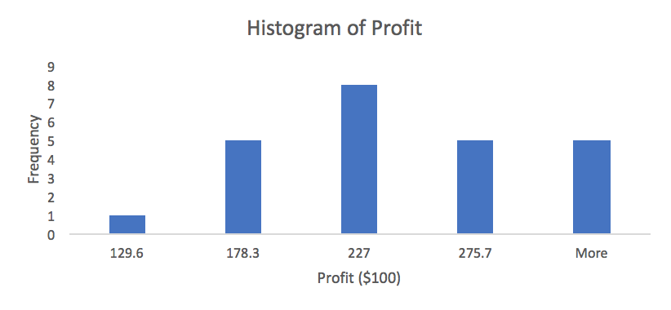
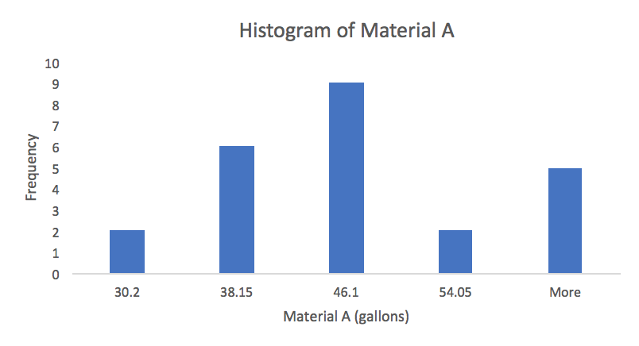

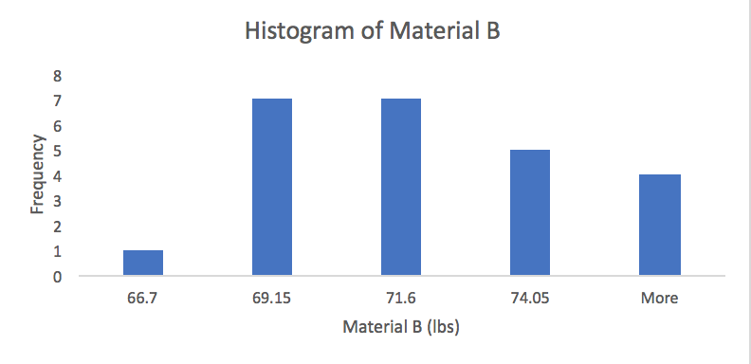
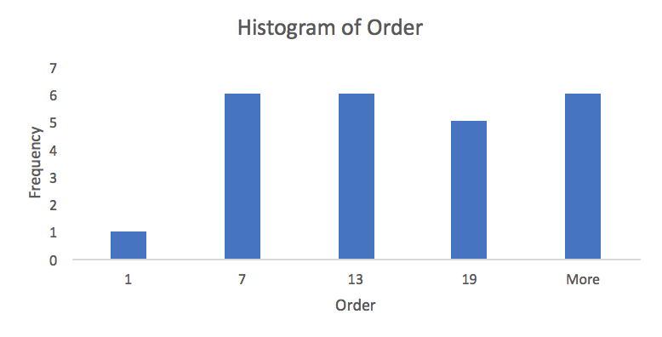

1d
 | Profit($100) | A(gallons) | B(lbs) | Day
Profit($100) | 1
A(gallons) | 0.01637404733 | 1
B(lbs) | 0.35840307225 | 0.31279337606 | 1
Day | 0.56750023699 | 0.15637213367 | 0.71434065607 | 1
1e
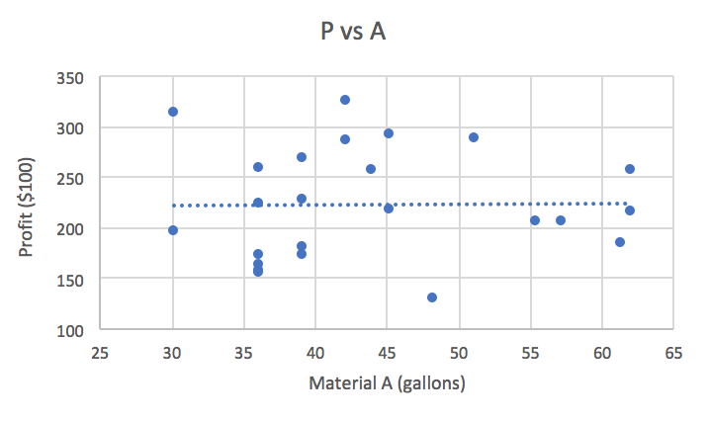
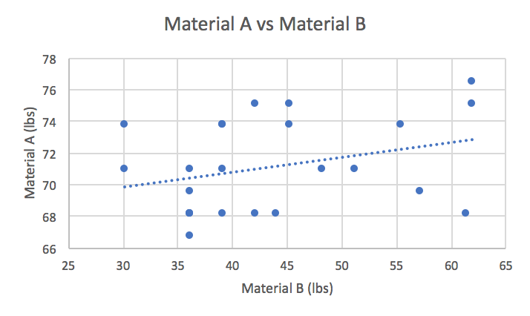

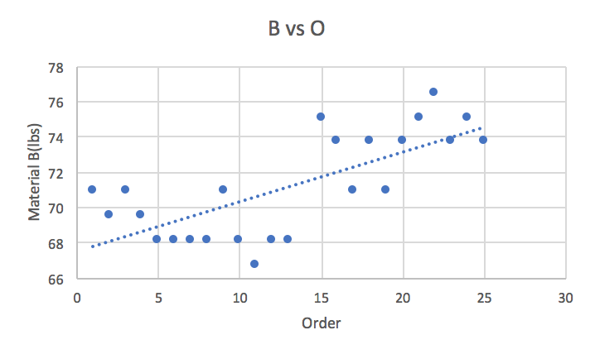
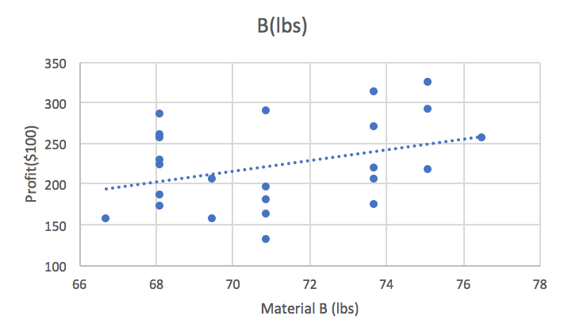

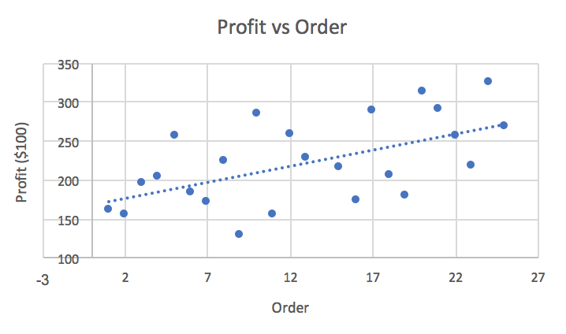
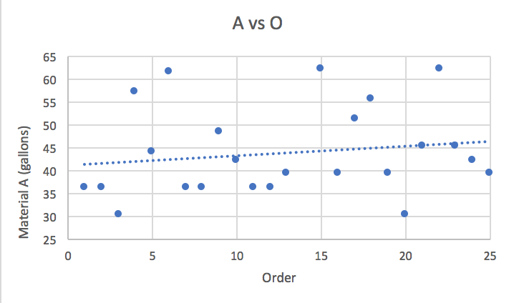

First Order Model w Day
SUMMARY OUTPUT
2a-1
Regression Statistics
Multiple R | 0.57421155784
R Square | 0.32971891316
Adjusted R Square | 0.22917675013
Standard Error | 47.712484583
Observations | 24

ANOVA
 | df | SS | MS | F | Significance F
Regression | 3 | 22396.541299 | 7465.5137663 | 3.2794093864 | 0.042234752642
Residual | 20 | 45529.623701 | 2276.4811851
Total | 23 | 67926.165

 | Coefficients | Standard Error | t Stat | P-value | Lower 95% | Upper 95% | Lower 95.0% | Upper 95.0%
Intercept | 272.39932225 | 331.7624372 | 0.82106740157 | 0.42128757023 | -419.64499493 | 964.44363943 | -419.64499493 | 964.44363943
A(gallons) | -0.33247792571 | 1.0837172765 | -0.30679397011 | 0.76217151519 | -2.5930725516 | 1.9281167001 | -2.5930725516 | 1.9281167001
B(lbs) | -1.3229829269 | 5.0566126425 | -0.26163422441 | 0.79627898619 | -11.870892066 | 9.2249262124 | -11.870892066 | 9.2249262124
Day | 4.540559574 | 1.9014454291 | 2.3879515575 | 0.026922551546 | 0.57421391183 | 8.5069052362 | 0.57421391183 | 8.5069052362

2a-2 |  |  |  |  |  | 2a-3
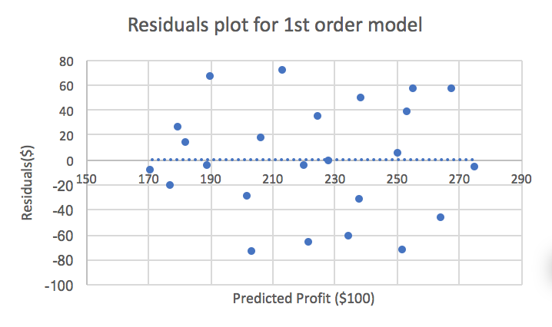
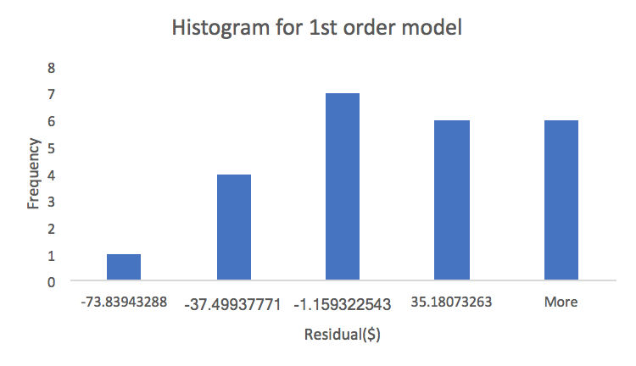

Second Order Model w Day
SUMMARY OUTPUT
2b-1
Regression Statistics
Multiple R | 0.66413030349
R Square | 0.44106906002
Adjusted R Square | 0.081756312885
Standard Error | 52.075518825
Observations | 24

ANOVA
 | df | SS | MS | F | Significance F
Regression | 9 | 29960.129747 | 3328.9033052 | 1.227535242 | 0.35258815789
Residual | 14 | 37966.035253 | 2711.8596609
Total | 23 | 67926.165

 | Coefficients | Standard Error | t Stat | P-value | Lower 95% | Upper 95% | Lower 95.0% | Upper 95.0%
Intercept | 1952.2228392 | 17938.086465 | 0.10883116452 | 0.91488088625 | -36521.146217 | 40425.591895 | -36521.146217 | 40425.591895
A(gallons) | 37.067362609 | 63.265487113 | 0.58590179734 | 0.56726767231 | -98.623611956 | 172.75833717 | -98.623611956 | 172.75833717
B(lbs) | -50.122969066 | 549.48604867 | -0.091217910242 | 0.92861175883 | -1228.6533314 | 1128.4073933 | -1228.6533314 | 1128.4073933
Day | -108.97089484 | 145.82594047 | -0.74726687506 | 0.46726857132 | -421.7364307 | 203.79464103 | -421.7364307 | 203.79464103
A^2(gallons^2) | 0.044186181224 | 0.15129225188 | 0.29205845424 | 0.77452516222 | -0.2803034266 | 0.36867578905 | -0.2803034266 | 0.36867578905
B^2(lbs^2) | 0.37981220944 | 4.1808729882 | 0.090845192025 | 0.92890259242 | -8.5872685195 | 9.3468929384 | -8.5872685195 | 9.3468929384
Day^2 | -0.21185935793 | 0.46016642643 | -0.46039725143 | 0.65230082775 | -1.1988181836 | 0.77509946771 | -1.1988181836 | 0.77509946771
A*B(gallons*lbs) | -0.60910484269 | 0.90130462036 | -0.6758035285 | 0.51017527604 | -2.5422109942 | 1.3240013088 | -2.5422109942 | 1.3240013088
A*D(gallons) | 0.13109844911 | 0.33510570842 | 0.39121520708 | 0.70152749983 | -0.58763181335 | 0.84982871158 | -0.58763181335 | 0.84982871158
B*D(lbs) | 1.5847186136 | 2.1714577057 | 0.72979483294 | 0.47754978726 | -3.072594967 | 6.2420321941 | -3.072594967 | 6.2420321941

2b-2 |  |  |  |  |  | 2b-3
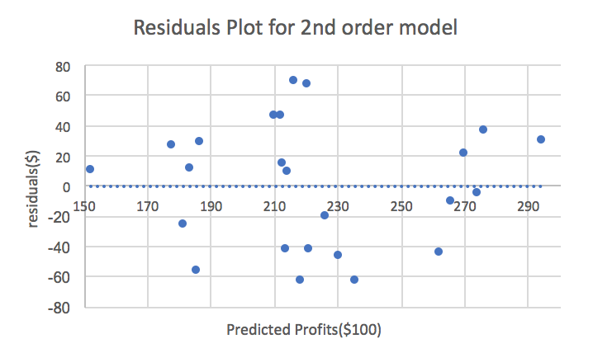
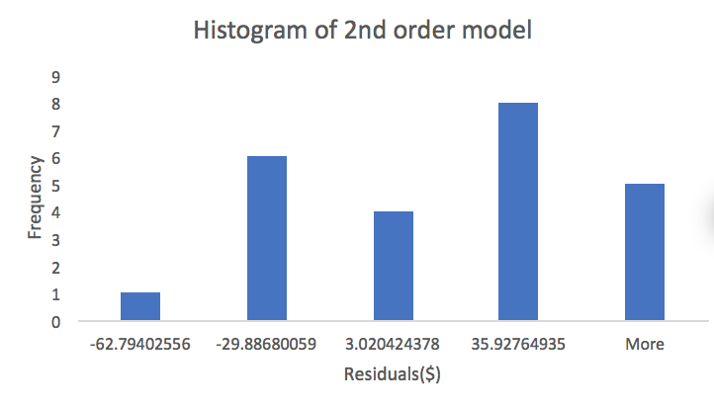

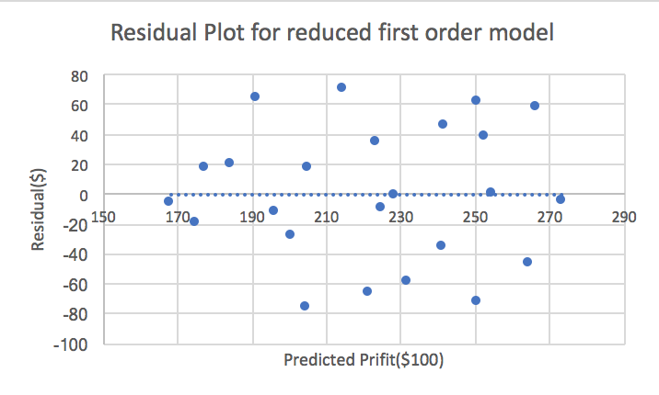
 |  |  |  |  |  |  | 3a-2
Refit of First order Model w Day
SUMMARY OUTPUT |  |  |  |  |  |  | 3a-3
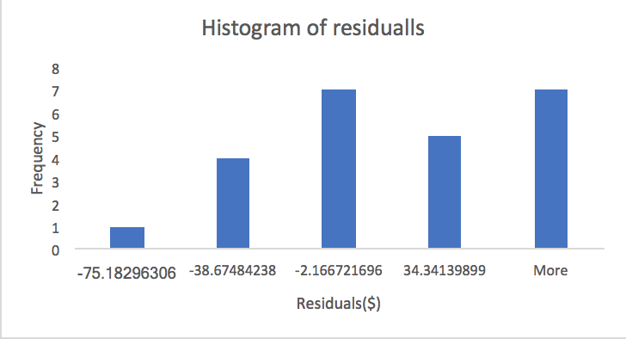
3a-1
Regression Statistics
Multiple R | 0.57145820953
R Square | 0.32656448524
Adjusted R Square | 0.26242776955
Standard Error | 46.672053376
Observations | 24

ANOVA
 | df | SS | MS | F | Significance F
Regression | 2 | 22182.273107 | 11091.136554 | 5.0916932948 | 0.015743749356
Residual | 21 | 45743.891893 | 2178.2805663
Total | 23 | 67926.165

 | Coefficients | Standard Error | t Stat | P-value | Lower 95% | Upper 95% | Lower 95.0% | Upper 95.0%
Intercept | 289.18743925 | 320.08303262 | 0.90347631639 | 0.37652080091 | -376.46166684 | 954.83654534 | -376.46166684 | 954.83654534
B(lbs) | -1.7743197884 | 4.7323834707 | -0.37493153278 | 0.71147122861 | -11.615849972 | 8.0672103958 | -11.615849972 | 8.0672103958
Day | 4.5994218674 | 1.8504890462 | 2.4855169377 | 0.021437998513 | 0.75111922734 | 8.4477245075 | 0.75111922734 | 8.4477245075
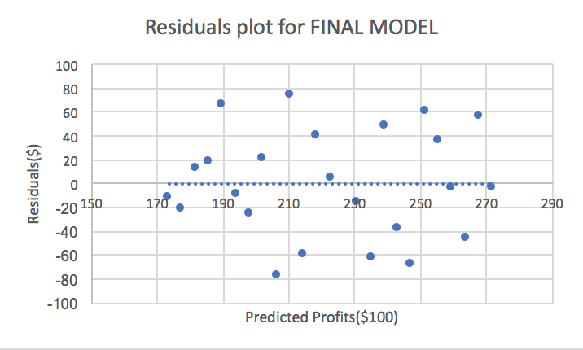

Refit of First order Model w Day
SUMMARY OUTPUT |  |  | 3b-2
3b-1
Regression Statistics
Multiple R | 0.56750023699
R Square | 0.32205651899
Adjusted R Square | 0.29124090621
Standard Error | 45.751354054
Observations | 24

ANOVA
 | df | SS | MS | F | Significance F
Regression | 1 | 21876.064248 | 21876.064248 | 10.451082747 | 0.0038243329202
Residual | 22 | 46050.100752 | 2093.1863978
Total | 23 | 67926.165

 | Coefficients | Standard Error | t Stat | P-value | Lower 95% | Upper 95% | Lower 95.0% | Upper 95.0%
Intercept | 169.39649399 | 18.915750674 | 8.9553143784 | 8.6375998713E-09 | 130.1676281 | 208.62535987 | 130.1676281 | 208.62535987
Day | 4.1038075381 | 1.2694229384 | 3.2328134414 | 0.0038243329202 | 1.4711854944 | 6.7364295818 | 1.4711854944 | 6.7364295818

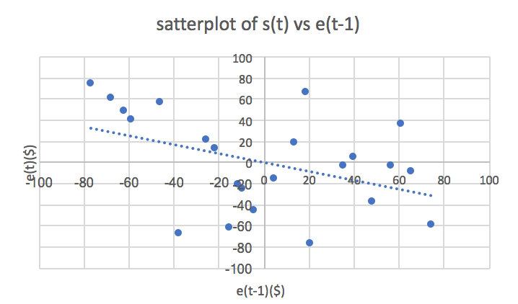
3b-3 |  |  |  |  | 3b-4
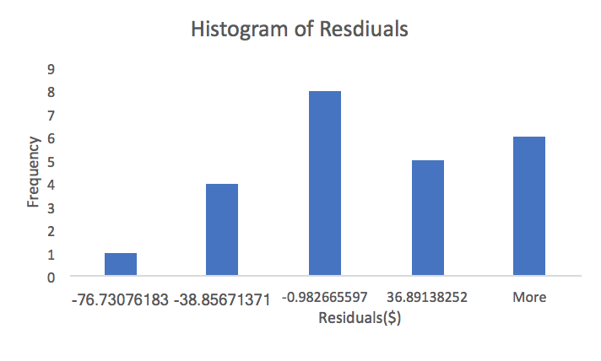

RESIDUAL OUTPUT OF THIRD ORDER MODEL
Use Regression and fit E(e(t))=beta0+beta1*e(t-1) yields r=-0.43 with p=0.044
SUMMARY OUTPUT
3b-5
Regression Statistics
Multiple R | 0.43305135046
R Square | 0.18753347214
Adjusted R Square | 0.14691014574
Standard Error | 42.948094875
Observations | 22

ANOVA
 | df | SS | MS | F | Significance F
Regression | 1 | 8515.1268097 | 8515.1268097 | 4.6163987243 | 0.044095698925
Residual | 20 | 36890.777068 | 1844.5388534
Total | 21 | 45405.903878

 | Coefficients | Standard Error | t Stat | P-value | Lower 95% | Upper 95% | Lower 95.0% | Upper 95.0%
Intercept | 1.7878457103 | 9.1575432387 | 0.19523202498 | 0.84718104834 | -17.314454752 | 20.890146173 | -17.314454752 | 20.890146173
e(t-1) | -0.43072433636 | 0.20046924482 | -2.1485806302 | 0.044095698925 | -0.84889585335 | -0.012552819366 | -0.84889585335 | -0.012552819366
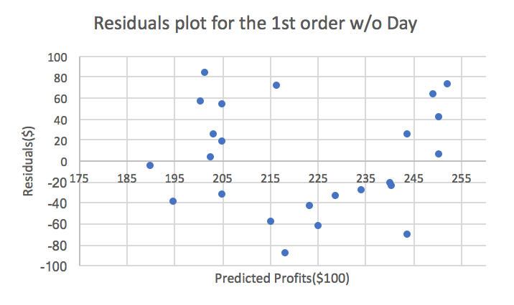

First Order Model w/o Day |  |  | 4a-2
SUMMARY OUTPUT
4a-1
Regression Statistics
Multiple R | 0.37230538196
R Square | 0.13861129744
Adjusted R Square | 0.056574278148
Standard Error | 52.7847521
Observations | 24

ANOVA
 | df | SS | MS | F | Significance F
Regression | 2 | 9415.3338607 | 4707.6669304 | 1.6896188896 | 0.2087330894
Residual | 21 | 58510.831139 | 2786.2300543
Total | 23 | 67926.165

 | Coefficients | Standard Error | t Stat | P-value | Lower 95% | Upper 95% | Lower 95.0% | Upper 95.0%
Intercept | -266.57917472 | 269.00024789 | -0.99099973627 | 0.3329677564 | -825.99581447 | 292.83746504 | -825.99581447 | 292.83746504
A(gallons) | -0.59360265527 | 1.192807133 | -0.49765183225 | 0.62390047987 | -3.0741808832 | 1.8869755727 | -3.0741808832 | 1.8869755727
B(lbs) | 7.2418809412 | 3.943323703 | 1.8364916215 | 0.080482755842 | -0.95870962573 | 15.442471508 | -0.95870962573 | 15.442471508
4a-3 |  |  |  |  |  | 4a-4
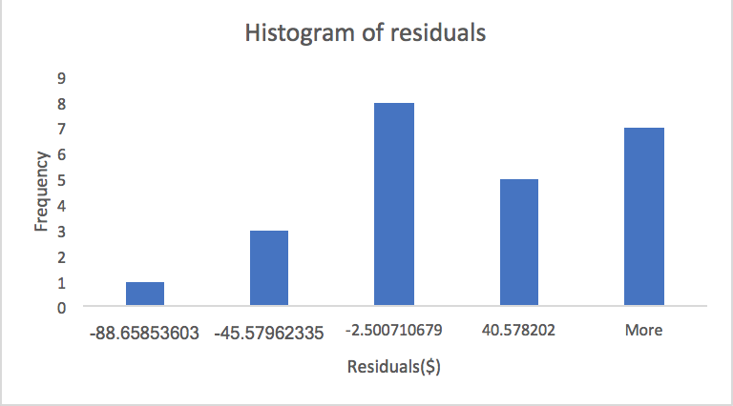
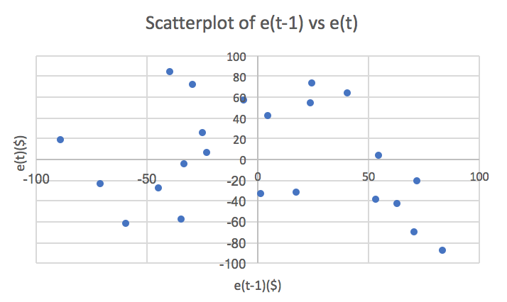

Second Order Model w/o Day
SUMMARY OUTPUT
4b-1
Regression Statistics
Multiple R | 0.58024517004
R Square | 0.33668445736
Adjusted R Square | 0.15243013996
Standard Error | 50.031368492
Observations | 24

ANOVA
 | df | SS | MS | F | Significance F
Regression | 5 | 22869.684004 | 4573.9368007 | 1.8272812388 | 0.15815313019
Residual | 18 | 45056.480996 | 2503.1378331
Total | 23 | 67926.165

 | Coefficients | Standard Error | t Stat | P-value | Lower 95% | Upper 95% | Lower 95.0% | Upper 95.0%
Intercept | 18573.67223 | 9136.2847788 | 2.0329567959 | 0.057075319819 | -620.94982756 | 37768.294288 | -620.94982756 | 37768.294288
A(gallons) | 57.481599541 | 31.757521395 | 1.8100152977 | 0.087021790423 | -9.2384771014 | 124.20167618 | -9.2384771014 | 124.20167618
B(lbs) | -558.45985374 | 265.74181349 | -2.1015129174 | 0.049942142711 | -1116.7626867 | -0.1570207626 | -1116.7626867 | -0.1570207626
A^2(gallons^2) | -0.085937723188 | 0.12283215565 | -0.69963539055 | 0.49309839381 | -0.34399850624 | 0.17212305986 | -0.34399850624 | 0.17212305986
B^2(lbs^2) | 4.1908834505 | 1.9323192813 | 2.1688359119 | 0.043735531629 | 0.13123128366 | 8.2505356174 | 0.13123128366 | 8.2505356174
A*B(gallons*lbs) | -0.70782930283 | 0.42854674039 | -1.6516968539 | 0.11593386333 | -1.608172595 | 0.19251398932 | -1.608172595 | 0.19251398932
4b-2 |  |  |  |  | 4b-3
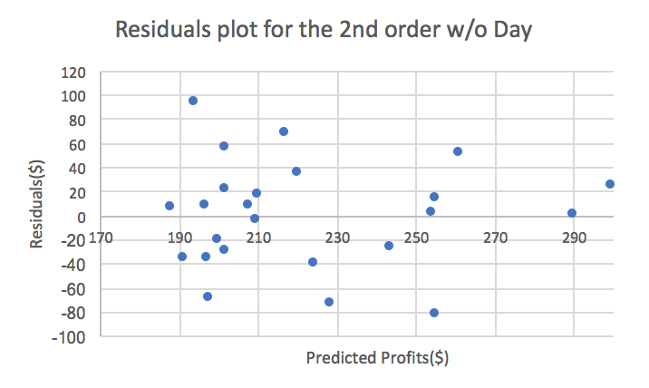
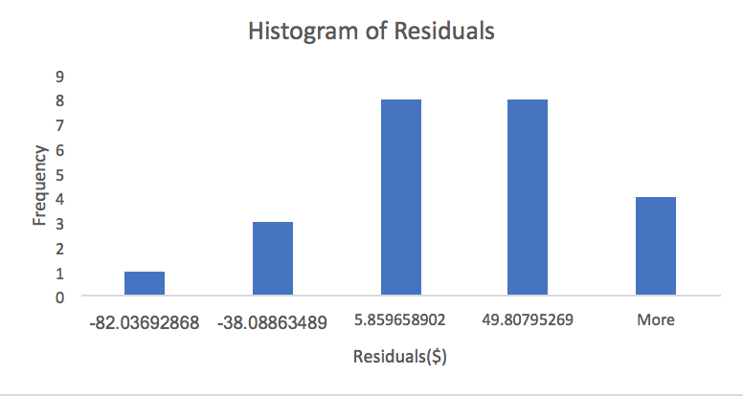

Zero Order Model w/o Day
SUMMARY OUTPUT
4c-1
Regression Statistics
Multiple R | 0.21565833783
R Square | 0.046508518676
Adjusted R Square | 0.0031679967979
Standard Error | 54.25822924
Observations | 24

ANOVA
 | df | SS | MS | F | Significance F
Regression | 1 | 3159.1453135 | 3159.1453135 | 1.0730954926 | 0.31150028307
Residual | 22 | 64767.019686 | 2943.9554403
Total | 23 | 67926.165

 | Coefficients | Standard Error | t Stat | P-value | Lower 95% | Upper 95% | Lower 95.0% | Upper 95.0%
Intercept | 222.575 | 11.075414665 | 20.096313025 | 1.2051094047E-15 | 199.60599581 | 245.54400419 | 199.60599581 | 245.54400419
x0 | 0 | 0 | 65535 | #NUM! | 0 | 0 | 0 | 0
4c-2 |  |  |  | 4c-3
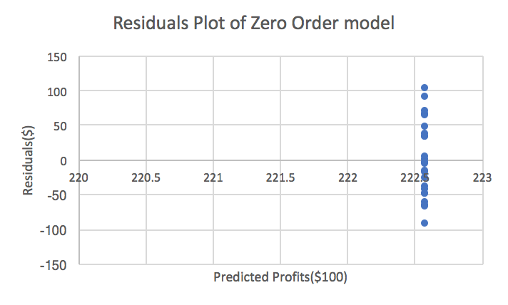
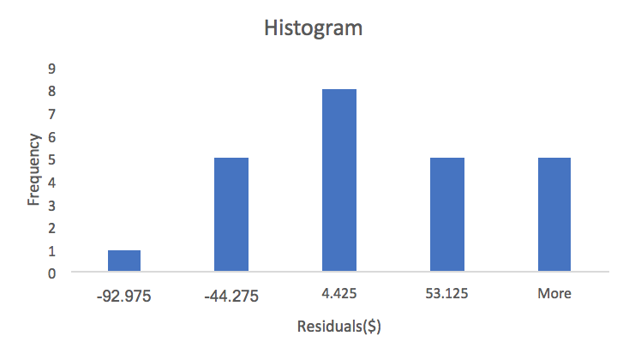

4c-4
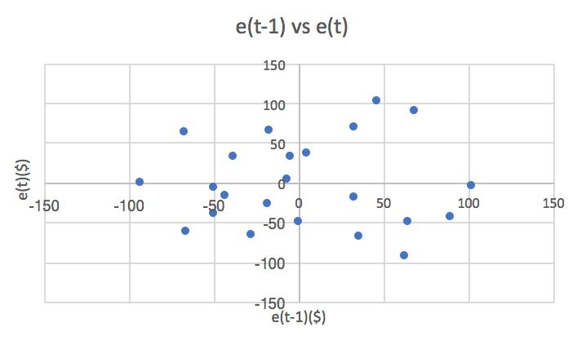

RESIDUAL OUTPUT OF THIRD ORDER MODEL
Use Regression and fit E(e(t))=beta0+beta1*e(t-1) yields r=0 with p=0.73
4c-5
Regression Statistics
Multiple R | 0.078190671286
R Square | 0.0061137810761
Adjusted R Square | -0.04358052987
Standard Error | 54.195407966
Observations | 22

ANOVA
 | df | SS | MS | F | Significance F
Regression | 1 | 361.35010891 | 361.35010891 | 0.12302778647 | 0.72944104169
Residual | 20 | 58742.844891 | 2937.1422446
Total | 21 | 59104.195

 | Coefficients | Standard Error | t Stat | P-value | Lower 95% | Upper 95% | Lower 95.0% | Upper 95.0%
Intercept | 5.8247519401 | 11.555370403 | 0.50407314842 | 0.61971776327 | -18.27932834 | 29.92883222 | -18.27932834 | 29.92883222
e(t-1) | -0.076274751325 | 0.21745990567 | -0.3507531703 | 0.72944104169 | -0.52988816579 | 0.37733866314 | -0.52988816579 | 0.37733866314

