Input_Output
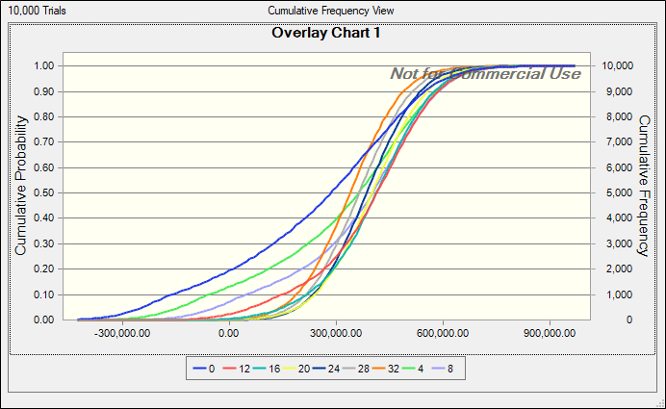
Kunshan Order quantity (# of eyepieces) | 0

CE vs. Order Quantity for Different RT Level
Based on analysis of Galileo A, we are interested in modeling the uncertainties highlighted in light green in Galileo B.
Eyepeices per binocular | 2
Revenue per unit (USD) | 22
Total demand (# of binoculars) | 16000
Time to delivery (days) | 95 | (August 12 to November 15)
Kunshan supplier price per eyepiece (RMB) | 8
Kunshan premium price (RMB) | 10
Kunshan regular capacity (# of eyepieces) | 15000
 |  |  | Low | Base | High
Taizhou supplier resume in (days) | 10 | (5 weeks from August 12) | 28 | 35 | 42
Taizhou supplier daily capacity (# of eyepieces) | 1000 |  | 500 | 1000 | 1000
RMB per USD | 7 |  | 6.7 | 7 | 7.3 | 0.3
Cost for other parts (RMB) | 90 |  | 89.5 | 90 | 90.5
Labor cost per binocular (RMB) | 22.5 |  | 18 | 22.5 | 25.5
Salvage value per eyepiece (RMB) | 3 |  | 2 | 3 | 5
Salvage value of other parts per binocular (RMB) | 63 |  | 60 | 63 | 70
Time to assemble and test after receiving eyepieces (days) | 35 | (October 11 to November 15) | 33 | 35 | 35
Taizhou supplier price per eyepiece (RMB) | 5 |  | 4.5 | 5 | 5

Total Profit | ¥504,000.00

Info on Taizhou Supplier

Scenarios | Scenario Label | Probability | Low | Base | High | Days | Daily
Optimistic | 1 | 20% | 21 | 28 | 35 | 10 | 1000
Most Likely | 2 | 60% | 21 | 35 | 49 | 0 | 1000
Pessimistic | 3 | 20% | 28 | 42 | 56 | 0 | 1000 | 400 | 500 | 800

Scenario | 1
Days | 10
Daily | 1000
Expected Total Profit |  |  |  | 50000 | 100000 | 500000 | 50000 | 100000 | 500000 | 50000 | 100000 | 500000
 |  | ¥504,000.00 |  | Utility | Utility | Utility | Expected U | Expected U | Expected U | CE | CE | CE
247420.31398 | 0 | 504000 |  | 0.99995809058 | 0.99352625168 | 0.63505185355 | -42.945618774 | -0.89038314408 | 0.2959766887 | ¥-189,148 | ¥-63,678 | ¥175,472
318996.82315 | 4000 | 484000 |  | 0.9999374785 | 0.99209294595 | 0.62015803715 | -4.7517369689 | 0.31773106997 | 0.40495434944 | ¥-87,475 | ¥38,233 | ¥259,559
367770.06573 | 8000 | 464000 |  | 0.99990672888 | 0.99034230237 | 0.60465639257 | 0.18609358505 | 0.74458239203 | 0.47675974752 | ¥10,295 | ¥136,486 | ¥323,857
396401.98034 | 12000 | 444000 |  | 0.99986085583 | 0.98820406148 | 0.58852211388 | 0.87323635269 | 0.89609993433 | 0.51943626051 | ¥103,272 | ¥226,433 | ¥366,398
408176.55761 | 16000 | 422000 |  | 0.99978394985 | 0.9853013555 | 0.57001286958 | 0.97599434698 | 0.94764720979 | 0.53951574235 | ¥186,473 | ¥294,975 | ¥387,738
403196.60857 | 20000 | 394000 |  | 0.99962176694 | 0.98055178525 | 0.54524660683 | 0.99219041637 | 0.9609845639 | 0.53954311889 | ¥242,620 | ¥324,380 | ¥387,768
390124.81703 | 24000 | 366000 |  | 0.99933783779 | 0.97426748727 | 0.51905386471 | 0.99384524228 | 0.95992136512 | 0.52889471517 | ¥254,526 | ¥321,691 | ¥376,337
368965.58959 | 28000 | 338000 |  | 0.99884077083 | 0.96595254527 | 0.49135248132 | 0.99084028828 | 0.95052373601 | 0.50855534914 | ¥234,647 | ¥300,626 | ¥355,203
343405.5817 | 32000 | 310000 |  | 0.99797056936 | 0.95495079761 | 0.46205556241 | 0.98403738405 | 0.93548127964 | 0.48260611245 | ¥206,875 | ¥274,080 | ¥329,475

 |  |  |  |  |  |  |  |  | max CE | 254526.49414 | 324379.79137 | 387768.0313
 |  |  |  |  |  |  |  |  | Order Quantity | 24000 | 20000 | 20000
Expected Profit

SensIt Plot 1
SensIt 1.51 Student Version
SensIt 1.51, Only For Student Use
One Input, One Output

Date | 2021-03-10
Time | 16:07:50
Workbook | GalileoBasicCalc_Data_B-test.xlsx
Input Cell | Input_Output!$B$1
Output Cell | Input_Output!$B$21

Input Value | Output Value
0 | ¥299,250.00
1000 | ¥325,500.00
2000 | ¥351,750.00
3000 | ¥378,000.00
4000 | ¥404,250.00
5000 | ¥430,500.00
6000 | ¥456,750.00
7000 | ¥483,000.00
8000 | ¥478,000.00
9000 | ¥473,000.00
10000 | ¥468,000.00
11000 | ¥463,000.00
12000 | ¥458,000.00
13000 | ¥453,000.00
14000 | ¥448,000.00
15000 | ¥443,000.00
16000 | ¥436,000.00
17000 | ¥429,000.00
18000 | ¥422,000.00
19000 | ¥415,000.00
20000 | ¥408,000.00
21000 | ¥401,000.00
22000 | ¥394,000.00
23000 | ¥387,000.00
24000 | ¥380,000.00
25000 | ¥373,000.00
26000 | ¥366,000.00
27000 | ¥359,000.00
28000 | ¥352,000.00
29000 | ¥345,000.00
30000 | ¥338,000.00
31000 | ¥331,000.00
32000 | ¥324,000.00
 |  | www.TreePlan.com

