Foglio1
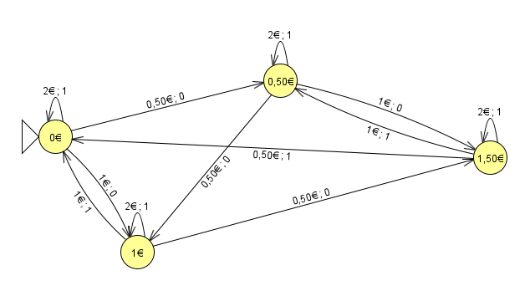
N1 | I: 0,50€; 1€; 2€
 | O: no biglietto; biglietto
 | S: 0€; 0,50€; 1€; 1,50€

 |  |  |  | 0.5 | 1 | 2
 |  |  | s0 | s1/0 | s2/0 | s0/1
 |  |  | s1 | s2/0 | s3/0 | s1/1
 |  |  | s2 | s3/0 | s0/1 | s2/1
 |  |  | s3 | s0/1 | s1/1 | s3/1

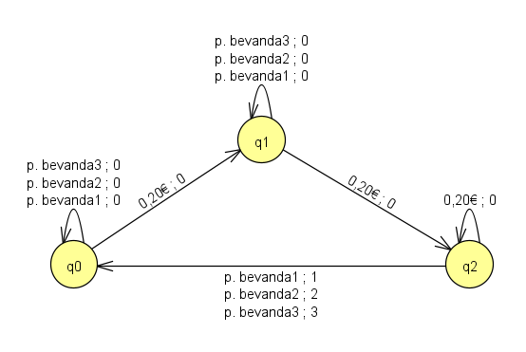
N2 | I: 0,20€; pulsante bevanda1; pulsante bevanda2; pulsante bevanda3;
 | O: no bevanda; bevanda1; bevanda2; bevanda3;
 | S: 0€; 0,20€; 0,40€;
 | Automa richiesto: Mealy
 |  |  |  | 0.2 | p. bevanda1 | p. bevanda2 | p. bevanda3
 |  | 0 € | s0 | s1/0 | s0/0 | s0/0 | s0/0
 |  | 0.20 € | s1 | s2/0 | s1/0 | s1/0 | s1/0
 |  | 0.40 € | s2 | s2/0 | s0/1 | s0/2 | s0/3

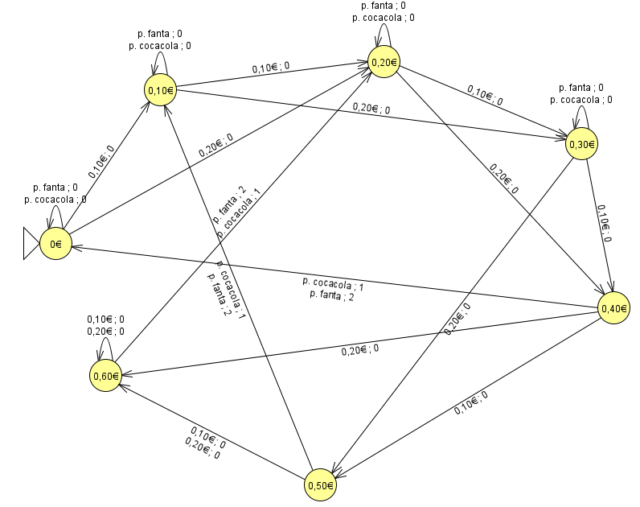

N3 | I: 0,10€; 0,20€; pulsante coca cola; pulsante fanta;
 | O: no bevanda; Coca Cola; Fanta;
 | S: 0€; 0,10€; 0,20€; 0,30€; 0,40€; 0,50€; 0,60€;
 | Automa richiesto: Mealy
 |  |  |  | 0.10 € | 0.20 € | p. cocacola | p. fanta
 |  | 0 € | s0 | s1/0 | s2/0 | s0/0 | s0/0
 |  | 0.10 € | s1 | s2/0 | s3/0 | s1/0 | s1/0
 |  | 0.20 € | s2 | s3/0 | s4/0 | s2/0 | s2/0
 |  | 0.30 € | s3 | s4/0 | s5/0 | s3/0 | s3/0
 |  | 0.40 € | s4 | s5/0 | s6/0 | s0/1 | s0/2
 |  | 0.50 € | s5 | s6/0 | s6/0 | s1/1 | s1/2
 |  | 0.60 € | s6 | s6/0 | s6/0 | s2/1 | s2/2

