Task
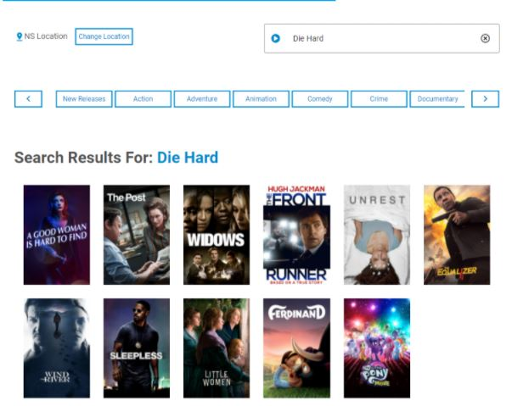
Bug_001: При поиске фильма, которого нет в базе данных веб-сайта, в результатах поиска отображаются нерелевантные фильмы и нет сообщения “We are sorry but we do not currently have the movie you are looking for in our collection.”
Application: www.testmovies.com

Bug-report
BUG 001
001 [movie search] invalid movie search result when the user searches for a non-existent movie
Description:
When searching for a movie that is not in the website database, irrelevant movies are displayed in the search results and there is no message “We are sorry but we do not currently have the movie you are looking for in our collection.”
Steps to reproduce:
1.Go to www.testmovies.com
2.Click on the movie search
3.Enter some movie that isn't in the website database
4.Click on the button "enter"
Actual Result:
1.Irrelevant movies are displayed
Expected Result:
1.The message is displayed “We are sorry but we do not currently have the movie you are looking for in our collection.”
Attachments:
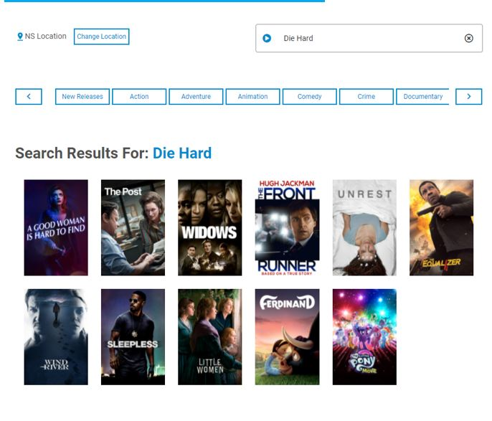
Environment:
Windows 7, Google Chrome v. 92.0.4515.107
Components:
Movie search
Realease:
1.0
Priority:
Medium
Assignee:
Vasily Pupkin
Reporter:
Alina Paliakova

