Images
№ | Image | Size
1 |  | 274px | 230px
2 | 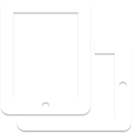 | 155px | 156px
3 | 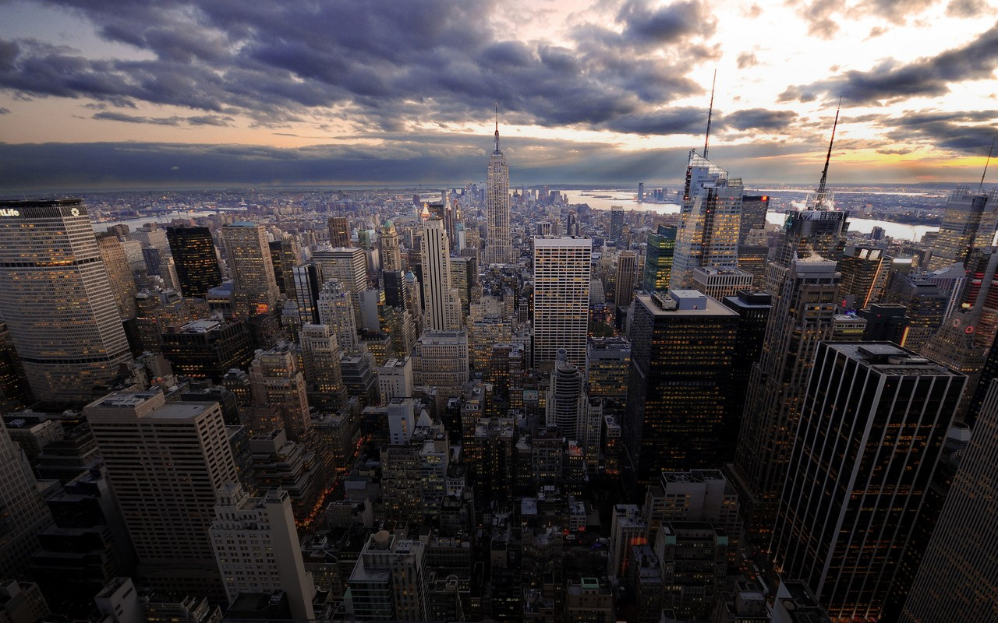 | 1280px | 800px
4 |  | 436px | 436px
5 |  | 102px | 127px
6 |  | 95px | 121px
7 |  | 335px | 87px
8 |  | 273px | 273px
9 | 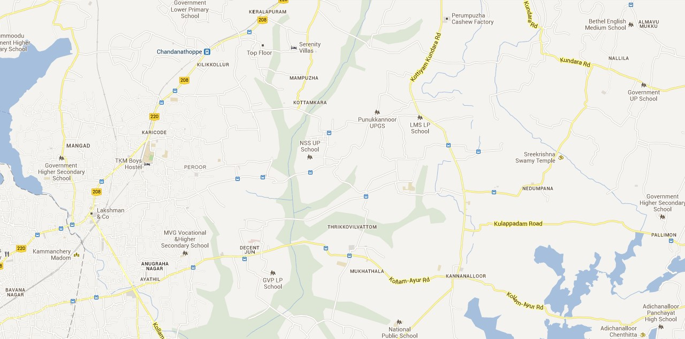 | 1280px | 635px
10 |  | 66px | 66px
11 |  | 169px | 120px

