Описова статистика
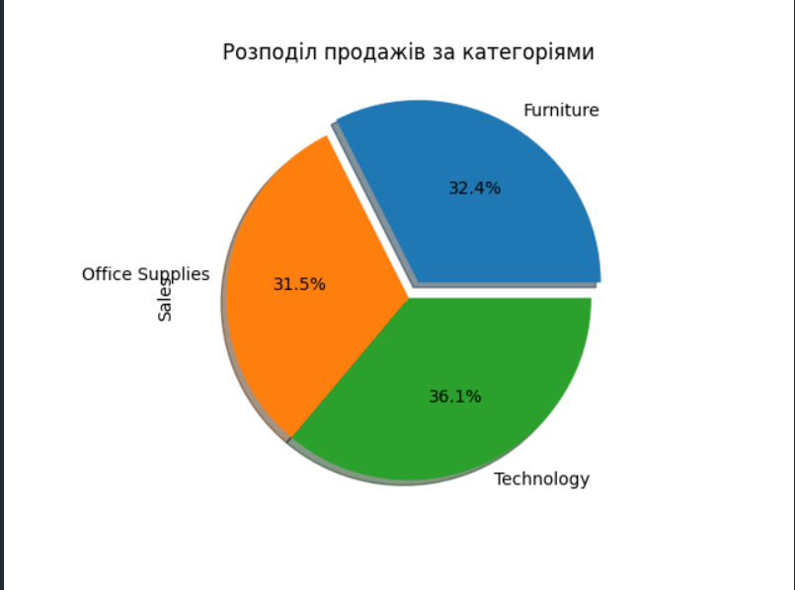
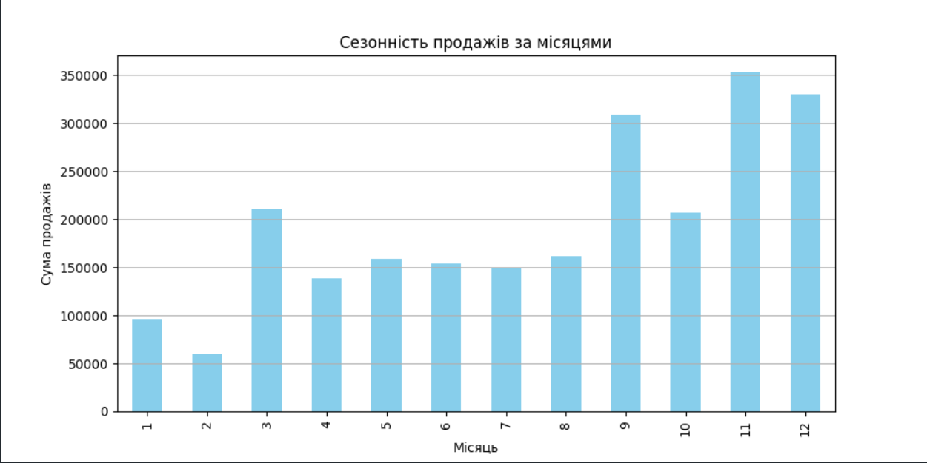
 | Row ID | Order Date | Ship Date | Sales | Quantity | Discount | Profit | Month
count | 10194 | 10194 | 10194 | 10194 | 10194 | 10194 | 10194 | 10194
mean | 5097.5 | 2022-04-29 | 2022-05-03 | 228.22585387 | 3.7918383363 | 0.15538453993 | 28.673417167 | 7.8118501079
min | 1 | 2020-01-03 | 2020-01-07 | 0.444 | 1 | 0 | -6599.978 | 1
25% | 2549.25 | 2021-05-14 | 2021-05-19 | 17.22 | 2 | 0 | 1.7608 | 5
50% | 5097.5 | 2022-06-25 | 2022-06-28 | 53.91 | 3 | 0.2 | 8.69 | 9
75% | 7645.75 | 2023-05-14 | 2023-05-18 | 209.5 | 5 | 0.2 | 29.297925 | 11
max | 10194 | 2023-12-30 | 2024-01-05 | 22638.48 | 14 | 0.8 | 8399.976 | 12
std | 2942.8986561 |  |  | 619.90683878 | 2.2283168431 | 0.20624859167 | 232.46511506 | 3.2959150281

