BUG3
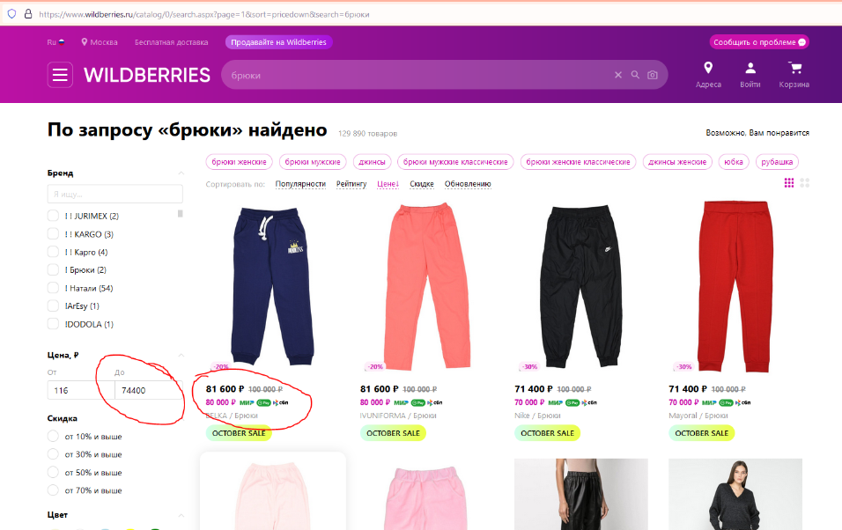
Category | Label | Value
Bug ID | ID number | #1
 | Name | Web application Wildberries online store
 | Reporter | Zubova Alina
 | Submit Date | 2021-09-17
Bug overview | Summary | In the Price filter, the displayed value of the maximum price does not correspond to the actual maximum price of the product
 | URL | https://www.wildberries.ru/
 | Screenshot
Environment | Platform | Windows
 | Operating System | Windows 10 21H1
 | Browser | Chrome 95.0.4638.54
Bug details | Steps to reproduce | In the application https://www.wildberries.ru/ in the search box, enter and activate a request, for example "pants", set a filter to sort by: the price decreases (from higher price to lower).
 | Expected result | The maximum price displayed in the filter Price matches the maximum price of the product displayed on the page
 | Actual result | The page displays an item whose maximum price is higher than the maximum price displayed in the "Maximum" price filter. In the "price" filter, there is a discrepancy between the actual maximum price of the product displayed on the page and the price that is displayed in the filter.
 | Description | /
Bug tracking | Severity | Minor
 | Assigned to | /
 | Priority | Medium
Notes | Notes | /

improvement1
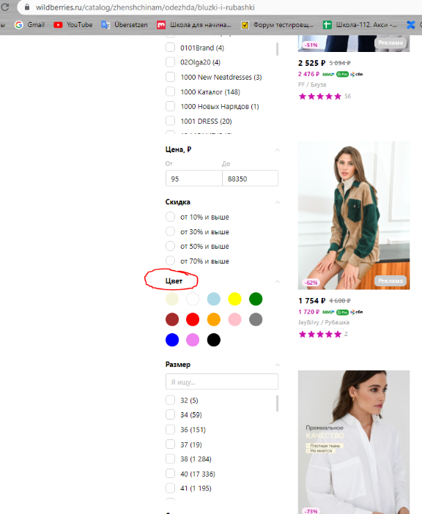
Category | Label | Value
Bug ID | ID number | #1
 | Name | Web application Wildberries online store
 | Reporter | Zubova Alina
 | Submit Date | 2021-09-17
Bug overview | Summary | Add color to the filter: multicolor
 | URL | https://www.wildberries.ru/
 | Screenshot
Environment | Platform | Windows
 | Operating System | Windows 10 21H1
 | Browser | Chrome 95.0.4638.54
Bug details | What improving | Now in the application https://www.wildberries.ru/ there is a color filter, for example in the category / Women / Clothes / Blouses and shirts https://www.wildberries.ru/catalog/zhenshchinam/odezhda/bluzki-i-rubashki The following colors are presented in the filter: beige, white, blue, yellow, green, brown, red, orange, pink, gray, blue, purple, black. Now, when searching for a colored product, the buyer must select several colors in the filter. The selection by several colors includes products, including those containing only one of the selected colors (monochromatic items). The time it takes to find the right product for the buyer is increasing. In many online stores specializing, including the sale of clothing, in color filters, such an option as multicolor is presented. For example, this is how color filters look on websites: - Ozone https://www.ozon.ru/category/bluzy-zhenskie-36395/ - Lamoda https://www.lamoda.ru/c/399/clothes-bluzy-rubashki/#breadcrumbs

 | Why improve | It will be easier for the buyer to navigate when choosing a product by color. It will be possible to narrow the assortment down to a selection with characteristics that are most relevant to individual needs. The time for searching for a product and its purchase will be reduced. The supplier, filling in the "product card", will be able to put the multicolor sign in the color filter, without filling in the Picture filter, when he does not need it. The product will receive a more accurate description and will be included in the selection more often. The online store will have a high-quality product catalog that will be able to offer the fastest way for the buyer to the product he needs. Increasing sales on the trading floor will increase the profitability of the trading floor.

Bug tracking | Severity
 | Assigned to | /
 | Priority | Medium
Notes | Notes | /

improvement2
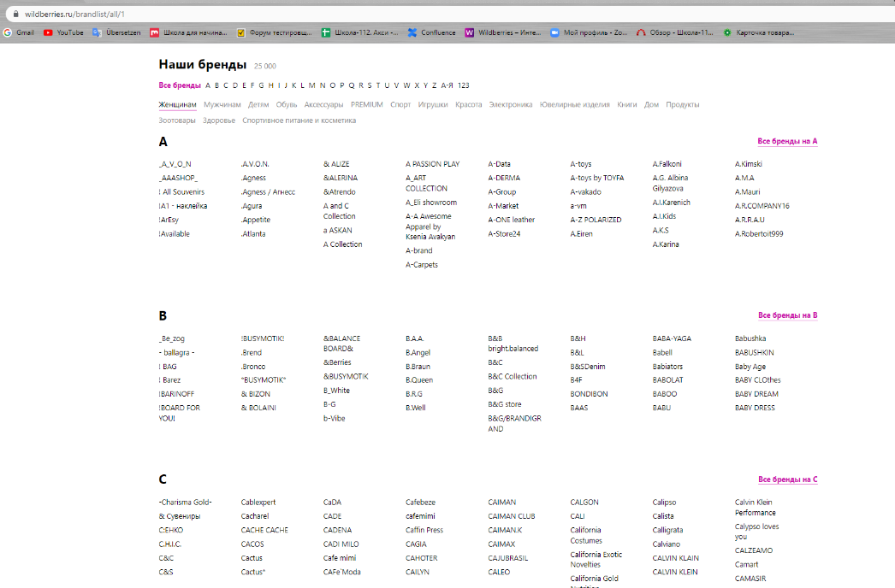
Category | Label | Value
Bug ID | ID number | #1
 | Name | Web application Wildberries online store
 | Reporter | Zubova Alina
 | Submit Date | 2021-09-17
Bug overview | Summary | Optimize the algorithm for sorting and displaying by name in the Brands catalog
 | URL | https://www.wildberries.ru/
 | Screenshot
Environment | Platform | Windows
 | Operating System | Windows 10 21H1
 | Browser | Chrome 95.0.4638.54
Bug details | What improving | Sorting by Brand names in the section: Brand Catalog in the application https://www.wildberries.ru/brandlist/all Now the section Our brands displays the following information: All brands A B C D E F G H I J K L M N O P Q R S T U V W X Y Z, A-Z, 123. Algorithm for sorting titles within sections "by letter" displays titles containing symbols, spaces, English alphabet, Russian alphabet, where symbols have priority. The user does not see a clear pattern of sorting and sequence in the arrangement of the Brand names, the information for the user looks chaotic. Visual search and search by Brand name is difficult. Suppliers, filling in brand names in the "product card", take advantage of the fact that products with symbols have priority delivery. Many brand names in the catalog have symbols in front of them that are not actually part of the brand name. Suggestion - Change priorities in sorting and displaying names in the Brands catalog. - In the "alphabetically" sections, form a list in descending or ascending order of the alphabet, where letters take precedence over symbols, numbers and spaces. When sorting, the first character will take precedence over the letter. Further inside the word, the second priority can be a character or a space. That, in general, does not violate the formation and display of the product catalog in the Alphabet. - In section "123" form a list of ascending or descending numbers, where numbers take precedence over letters, symbols and spaces. For example, in the Ozone store catalog, brands starting with symbols are combined in the catalog 0-9, but are located after brands starting with numbers. - A separate section for brands starting with a symbol, not a letter or number. For example, in the Zalando catalog it is marked with a "+" sign and is placed at the end of the list, after A-Z and 0-9. Zalando brand catalog https://en.zalando.de/brands/ Ozone brand catalog https://www.ozon.ru/brand/nums--digits/ OR - Unify the "Brands" field
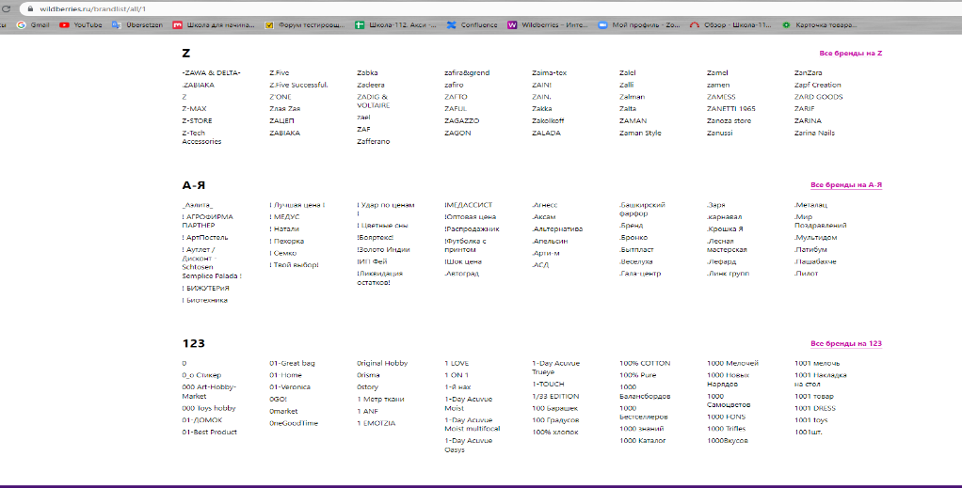
 | Why improve | Consistent display of Brand names in the Brands section. Suppliers will be interested in entering information about brands correctly, avoiding unnecessary characters in front of the name. Displaying titles to the user should be intuitive and user-friendly. Brand names will appear more consistently across filters. It will be easier for the user to see the information, this will speed up the search by brand name, and reduce the time for choosing and purchasing a product. The logic and interface of the page will look more thoughtful. A properly formed product catalog will increase the conversion of the application, in fact, will increase the profitability of the marketplace.

Bug tracking | Severity
 | Assigned to | /
 | Priority | Medium
Notes | Notes | /

improvement3
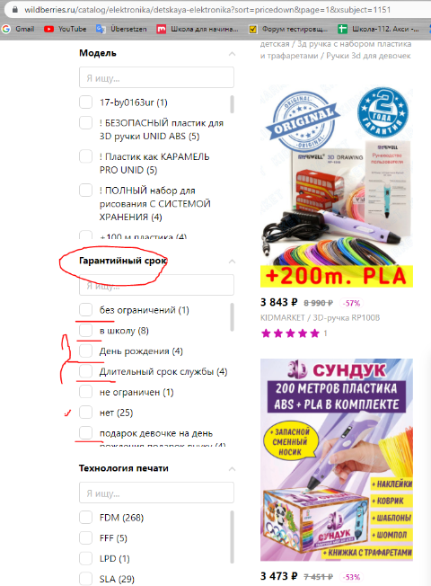
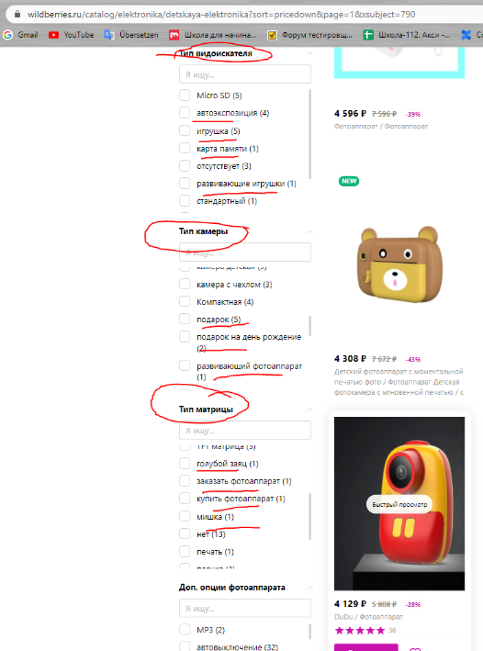
Category | Label | Value
Bug ID | ID number | #1
 | Name | Web application Wildberries online store
 | Reporter | Zubova Alina
 | Submit Date | 2021-09-17
Bug overview | Summary | Unify fields of online tables and Excel templates for mass creation of product cards
 | URL | https://www.wildberries.ru/
 | Screenshot
Environment | Platform | Windows
 | Operating System | Windows 10 21H1
 | Browser | Chrome 95.0.4638.54
Bug details | What improving | To create a product card for suppliers, several possibilities have been implemented: in the personal account of the Wildberries seller https://seller.wildberries.ru/ui-user-profile , you can log in (enter your username and password), you can create a card for each product separately, filling it out using prompts and drop-down lists; through the function of mass creation and editing of cards in an online table or through an offline Excel template, using it to upload products to the application. Now Suppliers fill out Excel templates on their own, without prompts, as if filling out the cards on the site. There is no monitoring of the correctness of the information entered by the trading platform. In this connection, many products displayed on the site have a lot of errors, which are then displayed in product filters, and create inconvenience when searching for a product, violate the uniformity of data display. 1. Optimize the existing online spreadsheet for mass creation and editing of cards. Automate the fields in it as much as possible, which are then displayed in the filters, fill them out through the drop-down list / check-box or autocomplete the field. Minimize the number of fields with the possibility of free filling, add examples and tips for filling in them. 2. Opt out of the offline templates option. Or bring the functionality of filling in available offline Excel templates as close as possible to online tables. Adapt Excel templates using macros. Enter data into some of the cells according to the selected categories, the values ​​in which can be unified, make filters on them and fix them. For example, values ​​for the cell Country, Size, Color, Year of issue, etc. can be selected only from the pre-filled list of this cell. If the supplier's macros do not work (according to the specified conditions and restrictions for correct operation), he can use the online template.

 | Why improve | - Suppliers. Dropdowns / autocomplete and tooltips will help them navigate when entering product information. The number of errors and inaccuracies in product cards will decrease. A product with correctly filled characteristics will more often appear in the search results, and the level of sales for them will increase. - Buyers. Incorrectly presented information in the filters creates a sense of clutter, adds unnecessary emphasis and distracts the buyer from studying the catalog. Correctly displayed information about the product in the filters will correspond to the buyer's ideas about the characteristics of the product. Buyers will spend less time searching for the desired characteristic, more products will be included in the sample, and accordingly, the buyer will have access to the full assortment. The buyer will choose the product faster, spend less time searching and sorting, and make purchases faster. - Marketplace. The application will have a high-quality product catalog that will be able to offer the fastest way for the buyer to the product he needs. Increasing sales on the trading floor will increase the profitability of the trading floor. Correctly displayed information about the product in the application will increase customer confidence in the service, retain regular customers and attract new ones. Will enhance the company's image in the market among competitors.

Bug tracking | Severity
 | Assigned to | /
 | Priority | Medium
Notes | Notes | /

improvement4
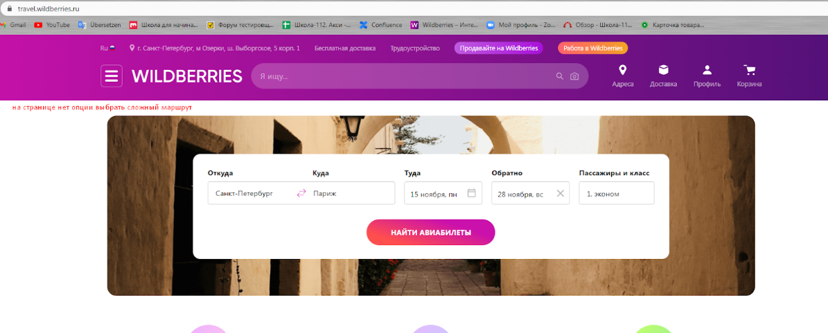
Category | Label | Value
Bug ID | ID number | #1
 | Name | Web application Wildberries online store
 | Reporter | Zubova Alina
 | Submit Date | 2021-09-17
Bug overview | Summary | Add the option "multi-city" to the page of the section Flights
 | URL | https://travel.wildberries.ru/
 | Screenshot
Environment | Platform | Windows
 | Operating System | Windows 10 21H1
 | Browser | Chrome 95.0.4638.54
Bug details | What improving | Now in the application in the section Flights https://travel.wildberries.ru/ you can choose tickets for only one direction "From / To". Often, when planning a travel itinerary, it is precisely such an option as a multipart route is used, since a single booking on a multipart route is often cheaper than buying different segments of the trip separately. Without the multi-city option, tickets must be purchased in several stages. For the same passenger, you have to search and select flights separately, spending extra time. The ability to choose a complex route is available for services such as: Ozone https://www.ozon.ru/travel Aviasales: https://www.aviasales.ru/?params=DUS1 Skyscanner https://www.skyscanner.ru/ Kiwi.com: https://www.kiwi.com/en/

 | Why improve | Having the opportunity to issue a "multi-city" in the application, customers will be able to save time and money when searching and booking air tickets. By providing such a service, the Marketplace will compete with other trading platforms, retain its customers and attract new ones. It will offer buyers the fastest way to choose and purchase.

Bug tracking | Severity
 | Assigned to | /
 | Priority | Medium
Notes | Notes | /

