Página1
Database | last 5 years | last 10 years | last 15 years | last 20 years |  | Accepted | Available | String: "responsible" AND "AI" AND "formal methods"
IEEE | 214 | 45 | 27 | 19 | CSV | 24 | 24
ACM | 163 | 145 | 68 | 16 | BIB | 3 | 3 | research articles
Springer | 165 | 54 | 42 | 41 | CSV | 56 | 17 | article, research article and conference | article
Science Direct | 139 | 38 | 37 | 35 | BIB | 24 | 24 | research articles
 |  | 0 | 0 | 0
Total | 681 | 282 | 174 | 111 |  | 107 | 68

Database | last 5 years | last 10 years | last 15 years | last 20 years
IEEE | 207 | 252 | 279 | 298
ACM | 173 | 318 | 386 | 402
Springer | 165 | 219 | 261 | 302
Science Direct | 139 | 177 | 214 | 249

Total | 684 | 966 | 1140 | 1251

Number of pulications
2020 | 2021 | 2022 | 2023 | 2024
5 | 4 | 6 | 8 | 14

Conferences | Journals | total |  |  | Conferences | Journals
12 | 25 | 37 |  |  | 12 | 25

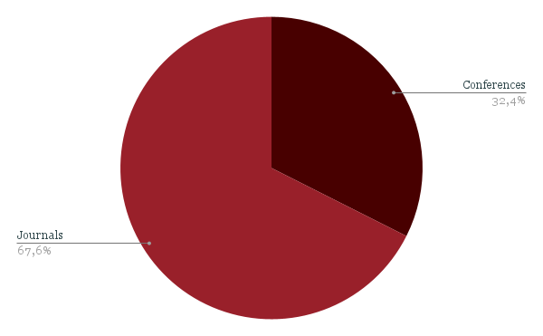

Conferences
ARES '24: Proceedings of the 19th International Conference on Availability, Reliability and Security
ESEC/FSE 2020: Proceedings of the 28th ACM Joint Meeting on European Software Engineering Conference and Symposium on the Foundations of Software Engineering
15th IFAC Workshop on Discrete Event Systems WODES 2020
Seventh Information Systems International Conference (ISICO 2023)
2022 IEEE Symposium on Security and Privacy (SP)
2023 IEEE 47th Annual Computers, Software, and Applications Conference (COMPSAC)
2023 IEEE 32nd Asian Test Symposium (ATS)
2022 4th International Conference on Pattern Analysis and Intelligent Systems (PAIS)
2021 International Bhurban Conference on Applied Sciences and Technologies (IBCAST)
2021 IEEE International Midwest Symposium on Circuits and Systems (MWSCAS)
2021 International Bhurban Conference on Applied Sciences and Technologies (IBCAST)
2023 IEEE 23rd International Conference on Software Quality, Reliability, and Security Companion (QRS-C)
2020 IEEE 23rd International Conference on Intelligent Transportation Systems (ITSC)

Journal
Neural Comput. Appl.
International Journal on Software Tools for Technology Transfer
Autonomous Agents and Multi-Agent Systems
AI Soc.
Artificial Intelligence Review
Formal Methods in System Design
Journal of Intelligent & Robotic Systems
International Journal on Software Tools for Technology Transfer
International Journal on Software Tools for Technology Transfer
International Journal on Software Tools for Technology Transfer
Auton. Robots
Software Quality Journal
Computer Methods and Programs in Biomedicine
Future Gener. Comput. Syst.
Journal of Systems and Software
Future Gener. Comput. Syst.
Electric Power Systems Research
J. Syst. Softw.
Artificial Intelligence
Information Fusion
IEEE Access
IEEE Journal on Emerging and Selected Topics in Circuits and Systems
IEEE Access
IEEE Access
IEEE Access

Publications

YEAR | 2020 | 2021 | 2022 | 2023 | 2024
NUMBER | 5 | 4 | 6 | 8 | 14

THEME | Autonomos vehicles | Frameworks | IoT systems | Healthcare applications | others
NUMBER | 7 | 7 | 3 | 2 | 16

THEME | Model checking | Theorem proving | Formal specification languages | SAT/SMT solver | Abstract interpretation | Runtime verification
NUMBER | 22 | 13 | 7 | 6 | 4 | 3

THEME | Detection of Inconsistencies and Failures | Robustness and Reliability | Exhaustiveness | Rigorous Guarantees | Explainability
NUMBER | 18 | 16 | 14 | 13 | 8

Complexity | 29
Scalability | 23
Integration Issues | 17
Lack of Expertise | 9
Cost | 7

No | 16
Yes | 19

Robustness, reliability, and safety | 13
Transparency and explainability | 9
Ethical considerations | 1

Ethical considerations | 18
Safety and reliability | 11
Transparency | 9
Accountability | 7
Inclusivity | 6

Tools Robustness and Integration with AI | 33
Explainability, Ethical aspects, and Responsibility | 18
Adoption of Formal Methods | 15
Collaboration Across Disciplines | 11
Automation | 4

